Ducry1979
Zoller1993 – Effect of propanolol on portal vein hemodynamics

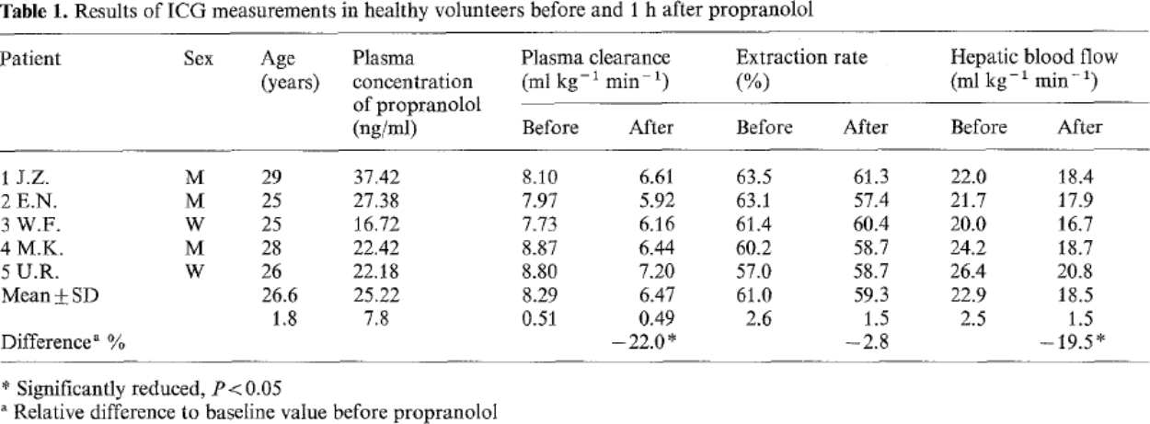
species | human
method | duplex sonography and indocyanine clearance
n | 5 (2 female, 3 male)
subjects | healthy volunteers

Table 1
study | Health status /diagnosis | Sex [M,F,U] | Age [years] | Hepatic blood flow per bodyweight [ml/min/kg]
study | status | sex | age | liverBloodflowPerBodyweight
zol1993 | healthy | M | 29.0 | 22
zol1993 | healthy | M | 25.0 | 21.7
zol1993 | healthy | F | 25.0 | 20
zol1993 | healthy | M | 28.0 | 24.2
zol1993 | healthy | F | 26.0 | 26.4

