Schirmer1986
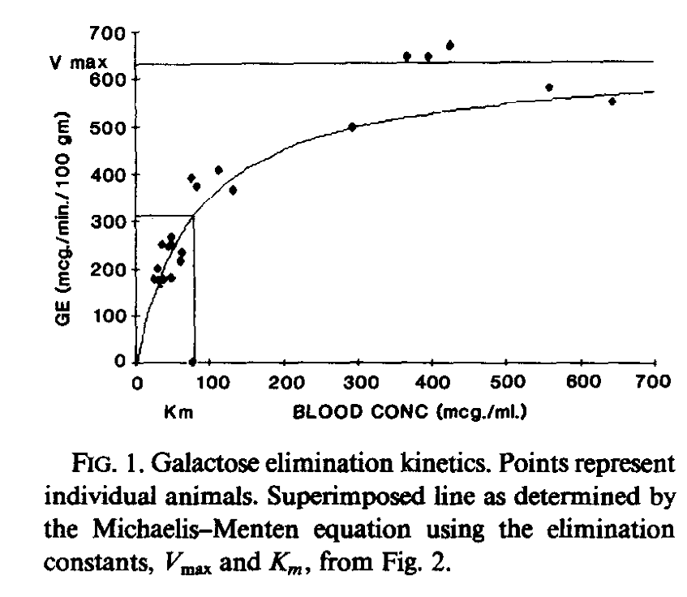
Galactose Clearance as an estimate of effective hepatic flow
Schirmer1986

Figure 1
Galactose | GE | 1/Galactose | 1/GE
[mcg/ml] | [mcg/min/100g] | [mcg/ml] | [mcg/min/100g]
75.471985 | 3.2463877 | 0.013249949634 | 0.30803468113
23.148136 | 180.09007 | 0.043200022671 | 0.0055527770076
31.882734 | 164.6275 | 0.031364938778 | 0.0060743192966
35.179356 | 180.06058 | 0.028425761972 | 0.0055536864315
46.118538 | 181.74945 | 0.021683254573 | 0.0055020799238
29.732838 | 202.37782 | 0.033632847292 | 0.0049412529496
60.371433 | 216.0282 | 0.016564125619 | 0.0046290252847
61.48569 | 236.61368 | 0.016263946944 | 0.0042262983273
35.251133 | 252.11913 | 0.02836788253 | 0.0039663789098
45.089733 | 246.94797 | 0.022177997816 | 0.0040494360006
48.376102 | 252.08696 | 0.020671363724 | 0.0039668850781
47.297737 | 267.53076 | 0.021142660589 | 0.0037378879348
81.30986 | 373.8198 | 0.012298631433 | 0.0026750856964
73.672424 | 392.71103 | 0.013573599804 | 0.0025464016124
130.51994 | 365.12076 | 0.0076616645702 | 0.0027388198907
110.87693 | 409.7767 | 0.0090190087334 | 0.0024403534901
291.4341 | 498.5497 | 0.0034313074551 | 0.0020058180759
365.9576 | 647.63153 | 0.0027325569957 | 0.0015440878859
394.39673 | 649.2775 | 0.0025355179796 | 0.0015401735005
423.95013 | 671.509 | 0.0023587679994 | 0.001489183317
557.3002 | 583.68225 | 0.0017943650478 | 0.0017132609395
641.4879 | 552.5936 | 0.0015588758572 | 0.0018096481754

Figure 2
1/Galactose | 1/GE
[ml/mcg *1E4] | [100g*min/mcg*1E4]
-12.723874 | 0.5225112
0.013572132 | 16.376207
1.8093514 | 17.975956
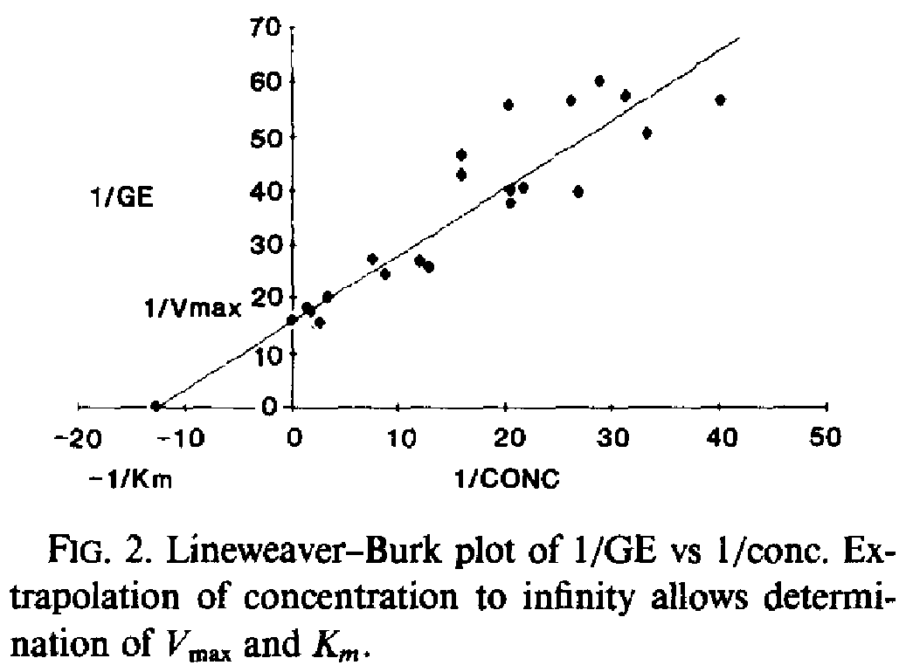
1.4019214 | 18.45892
2.704713 | 15.725361
3.2796657 | 20.54006
7.5269446 | 27.590687
8.748037 | 24.696838
11.931102 | 27.09489
12.8273945 | 25.968151
15.859435 | 42.97687
15.862495 | 46.669548
20.424728 | 40.07229
20.504297 | 37.66376
21.648748 | 40.710564
26.786598 | 39.730755
20.274635 | 55.806816
26.148176 | 56.751263
28.761078 | 60.114456
31.124357 | 57.538044
33.239483 | 50.78809
40.095936 | 56.70648

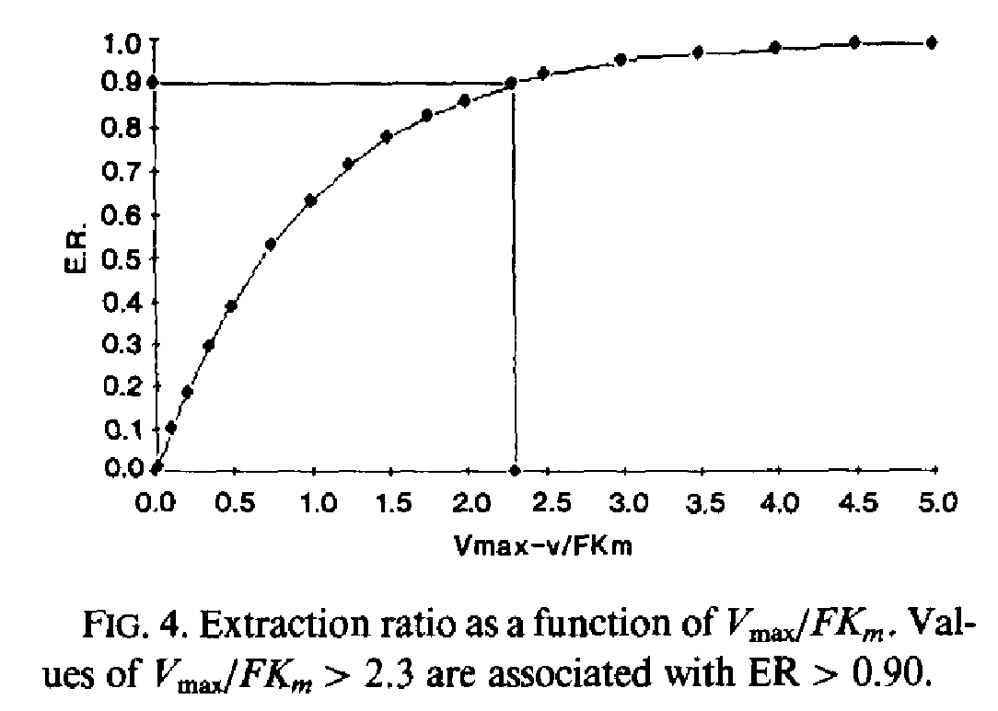
Figure 4
Vmax/FKm | ER
[-] | [-]
0 | 2.52E-06
0.011848176 | 0.012788046
0.09477147 | 0.09804001
0.18949415 | 0.18115476
0.33743605 | 0.2919652
0.48530826 | 0.3814538
0.7396119 | 0.52420163
0.9937832 | 0.626438
1.224286 | 0.71162707
1.4724216 | 0.77335453
1.7382389 | 0.8265458
1.9803808 | 0.86055744
2.269762 | 0.8988133
2.4823601 | 0.9243089
2.9724216 | 0.95395046
3.4742408 | 0.9686617
3.9701564 | 0.98337555
4.477858 | 0.9916878
4.973718 | 0.9893441

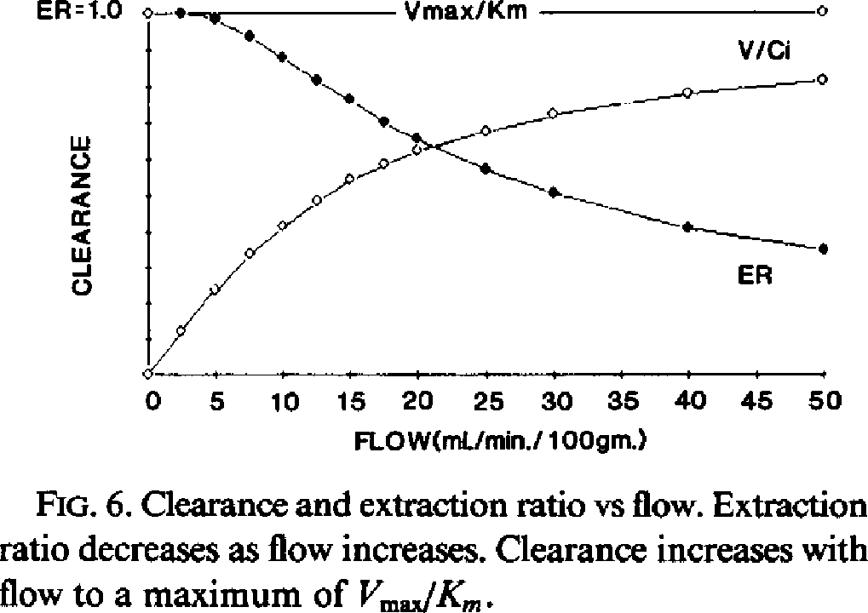
Figure 6
Flow | Clearance | ER
[ml/min/100gm] | [-] | [-]
0 | 0.002352941 | 1
2.329975 | 0.12 | 1
4.8488665 | 0.23529412 | 0.98588234
7.493703 | 0.3317647 | 0.9388235
9.949622 | 0.40941176 | 0.8752941
12.405541 | 0.48 | 0.8117647
14.924434 | 0.53882354 | 0.76
17.443325 | 0.58117646 | 0.6988235
19.836271 | 0.6188235 | 0.6564706
24.937027 | 0.67764705 | 0.5670588
29.911839 | 0.7223529 | 0.5035294
39.924435 | 0.77882355 | 0.40470588
49.874054 | 0.8188235 | 0.34588236

