Keppler1970
Trapping of uridine phosphates by D-galactose in ethanol-treated liver
Keppler1970

Table 1
Metabolites contens in normal, galactose-treated, and ethanol + galactose treated liver;
mean values as µmole/g fresh weight +- S.D.(n)
 | Fed |  |  | Starved |  |  | Galactose (starved) |  |  | Ethanol + galactose (starved)
 | mean | S.D. | n | mean | S.D. | n | mean | S.D. | n | mean | S.D. | n
 | µmole/g | µmole/g |  | µmole/g | µmole/g |  | µmole/g | µmole/g |  | µmole/g | µmole/g
UDPGal | 0.09 | 0.01 | 19 | 0.09 | 0.01 | 5 | 0.32 | 0.07 | 10 | 1.25 | 0.16 | 9
UDPG | 0.32 | 0.04 | 65 | 0.29 | 0.05 | 14 | 0.24 | 0.09 | 10 | 0.15 | 0.03 | 10
UDPG/UDPGal | 3.4 | 0.3 | 10 | 3.3 | 0.3 | 5 | 0.78 | 0.39 | 10 | 0.11 | 0.02 | 9
UTP + UDP | 0.34 | 0.05 | 36 | 0.23 | 0.05 | 13 | 0.15 | 0.03 | 10 | 0.11 | 0.02 | 9
Sum UMP | 1.24 | 0.13 | 21 | 1.04 | 0.11 | 11 | 1.12 | 0.12 | 10 | 1.61 | 0.13 | 9
Lactate | 2.88 | 0.89 | 6 | 1.44 | 0.49 | 5 | 1.33 | 0.13 | 5 | 1.43 | 0.21 | 5
Pyruvate | 0.24 | 0.04 | 6 | 0.045 | 0.015 | 5 | 0.054 | 0.007 | 5 | 0.015 | 0.004 | 5
Lactate/pyruvate | 11.9 | 2.9 | 6 | 31.9 | 5.6 | 5 | 25 | 5.9 | 5 | 103.2 | 31 | 5
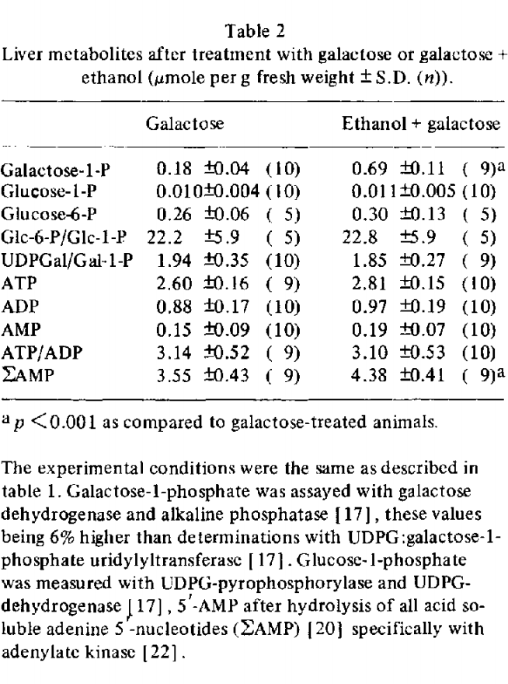
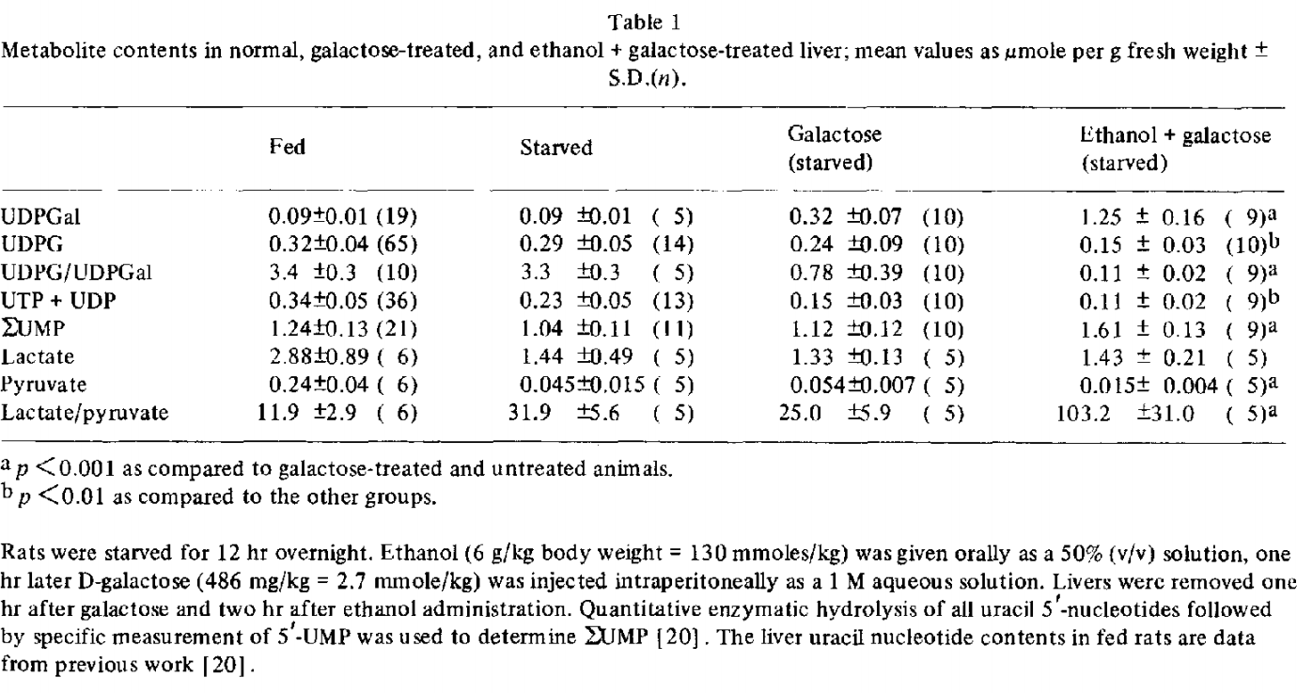

Table 2
Liver metabolites after treatment with galactose or galactose + ethanol (µmole per g fresh weight +-SD (n))
 | Galactose |  |  | Ethanol + galactose
 | mean | S.D. | n | mean | S.D. | n
 | µmole/g | µmole/g |  | µmole/g | µmole/g
Galactose-1-P | 0.18 | 0.04 | 10 | 0.69 | 0.11 | 9
Glucose-1-P | 0.01 | 0.004 | 10 | 0.011 | 0.005 | 10
Glucose-6-P | 0.26 | 0.06 | 5 | 0.3 | 0.13 | 5
Glc-6-P/Glc-1-P | 22.2 | 5.9 | 5 | 22.8 | 5.9 | 5
UDPGal/Gal-1-P | 1.94 | 0.35 | 10 | 1.85 | 0.27 | 9
ATP | 2.6 | 0.16 | 9 | 2.81 | 0.15 | 10
ADP | 0.88 | 0.17 | 10 | 0.97 | 0.19 | 10
AMP | 0.15 | 0.09 | 10 | 0.19 | 0.07 | 10
ATP/ADP | 3.14 | 0.52 | 9 | 3.1 | 0.53 | 10
Sum AMP | 3.55 | 0.43 | 9 | 4.38 | 0.41 | 9

Figure 1
Time dependent changes of galactose metabolites and uracil nucleotide contents in livers of fed rats.
D-galactose (2.7 mmol/kg) was injected at zero time, one hour after ethanol administration.
Uridine Phpshates (UTP + UDP + UMP) are designated as UP, the sum of all acid soluble uracil 5'-nucleotides as Sum UMP)

time | Sum UMP | UDPgal | Gal-1-P | UDPG | UP
h | µmole/g | µmole/g | µmole/g | µmole/g | µmole/g
0 | 1.23861 | 0.018532818 | 0.08957529 | 0.3243243 | 0.38610038
0.5 | 1.3498069 | 0.77837837 | 0.5003861 | 0.10810811 | 0.06486487
1.5 | 1.6864865 | 1.003861 | 0.5003861 | 0.0988417 | 0.095752895
3.5 | 1.3281853 | 0.25019306 | 0.021621622 | 0.33050194 | 0.37992278
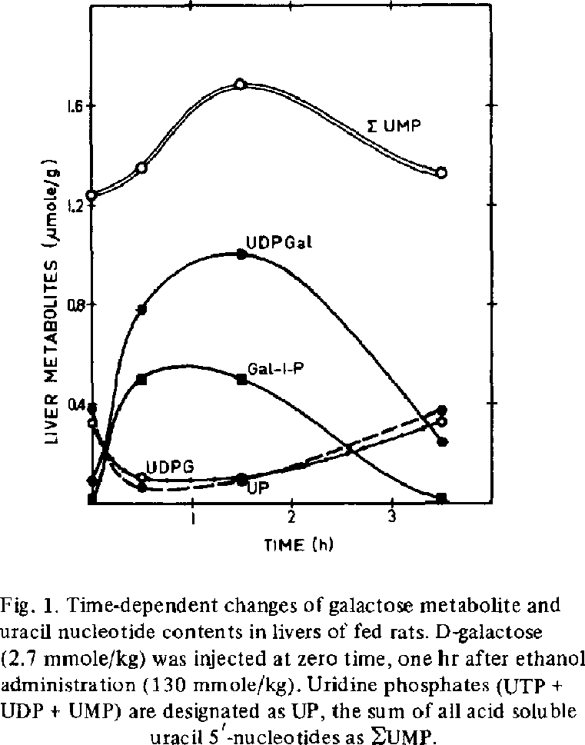
Time-dependent changes galactose metabolites

