Ducry1979
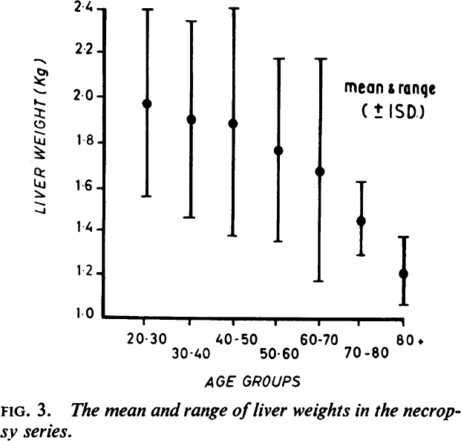
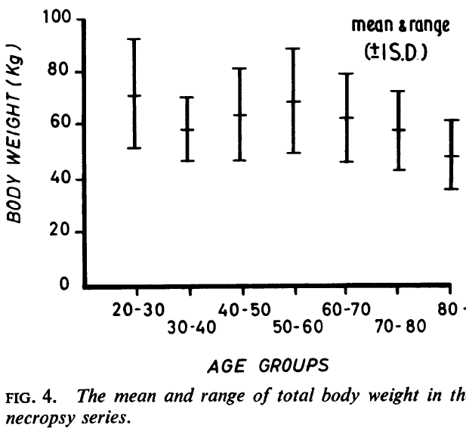
Thompson1965 – Effect of age on liver function with particular reference to bromsulphalein extraction

species | human
method | Autopsy (necropsy study on male subjects)
n | 206
subjects | total liver weight and body weight analysed in 206 male subjects.
 | The cause of death was due to trauma, infection or coronary artery disease. Patients with liver disease or neoplasia were excluded.

Figure 3 & 4
study | Health status /diagnosis | Sex [M,F,U] | Age [years] | Minimum of age class [years] | Maximum of age class [years] | Liver weight [kg] | Liver weight plus standard deviation [kg] | Liver weight standard deviation [kg] | Body weight [kg] | Body weight plus standard deviation [kg] | Body weight standard deviation [kg] | sample size
study | status | sex | age | ageMin | ageMax | liverWeight | liverWeightPlusSd | liverWeightSd | bodyweight | bodyweightPlusSd | bodyweightSd | n
tom1965 | healthy | M | 25 | 20 | 30 | 1.9750267 | 2.4011467 | 0.42612 | 71.62693 | 92.30764 | 20.68071 | 25
tom1965 | healthy | M | 35 | 30 | 40 | 1.9051987 | 2.3515499 | 0.4463512 | 58.54801 | 70.728714 | 12.180704 | 25
tom1965 | healthy | M | 45 | 40 | 50 | 1.8859974 | 2.406763 | 0.5207656 | 63.881454 | 81.72929 | 17.847836 | 25
tom1965 | healthy | M | 55 | 50 | 60 | 1.762064 | 2.174638 | 0.412574 | 68.93297 | 89.04778 | 20.11481 | 43
tom1965 | healthy | M | 65 | 60 | 70 | 1.6684676 | 2.1791275 | 0.5106599 | 62.370358 | 79.36764 | 16.997282 | 64
tom1965 | healthy | M | 75 | 70 | 80 | 1.442989 | 1.6222136 | 0.1792246 | 58.07405 | 72.80503 | 14.73098 | 53
tom1965 | healthy | M | 85 | 80 | 90 | 1.2073851 | 1.3697016 | 0.1623165 | 48.395267 | 61.991734 | 13.596467 | 21

