Sheet1
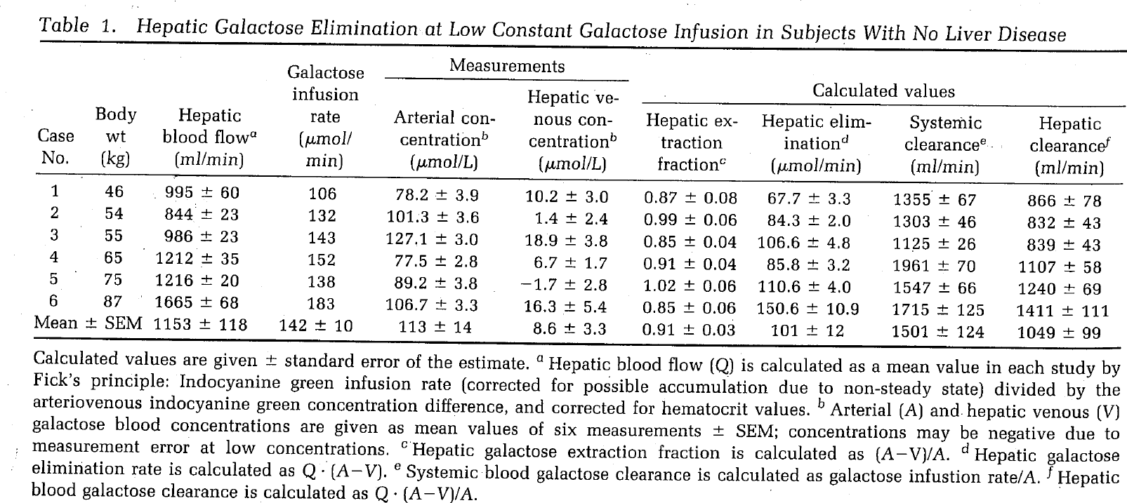
Keiding1988
publication | Keiding, S. (1988). Gatactose Eiearance Measurements and Liver Blood Flow. Gastroenterology, 94(2), 477-81.
species | human
method | galactose clearance
n | 6
subjects | healthy, no sign of liver disease

Table 1
study | status | sex | Case No | Bodyweight [kg] | Hepatic blood flow [ml/min] | Hepatic blood flow +- SE [ml/min] | Galactose Infusion Rate [µmol/min] | Arterial concentration [µmol/L] | Arterial concentration +- SE [µmol/L] | Hepatic venous concentration [µmol/L] | Hepatic venous concentration +- SE [µmol/L] | Hepatic extraction fraction (ca-cv)/ca [-] | Hepatic extraction fraction +- SE (ca-cv)/ca [-] | Hepatic elimination rate Q*(ca-cv) [µmol/min] | Hepatic elimination rate Q*(ca-cv) +- SE [µmol/min] | Systemic clearance infusion/ca [ml/min] | Systemic clearance infusion/ca +- SE [ml/min] | Hepatic clearance Q*(ca-cv)/ca [ml/min] | Hepatic clearance Q*(ca-cv)/ca +- SE [ml/min] | Arterial concentration [mmol/L] | Arterial concentration +- SE [mmol/L] | Hepatic venous concentration [mmol/L] | Hepatic venous concentration +- SE [mmol/L] | Hepatic elimination rate Q*(ca-cv) [mmol/min] | Hepatic elimination rate Q*(ca-cv) +- SE [mmol/min]
study | status | sex | case | bodyweight | bloodFlow | bloodFlowSE | infusion | camu | camuSE | cvmu | cvmuSE | ER | ERSE | Hemu | HemuSE | SCL | SCLSE | HCL | HCLSE | ca | caSE | cv | cvSE | HE | HESE
kei1988 | healthy | U | 1 | 46 | 995 | 60 | 106 | 78.2 | 3.9 | 10.2 | 3 | 0.87 | 0.08 | 67.7 | 3.3 | 1355 | 67 | 866 | 78 | 0.0782 | 0.0039 | 0.0102 | 0.003 | 0.0677 | 0.0033
kei1988 | healthy | U | 2 | 54 | 844 | 23 | 132 | 101.3 | 3.6 | 1.4 | 2.4 | 0.99 | 0.06 | 84.3 | 2 | 1303 | 46 | 832 | 43 | 0.1013 | 0.0036 | 0.0014 | 0.0024 | 0.0843 | 0.002
kei1988 | healthy | U | 3 | 55 | 986 | 23 | 143 | 127.1 | 3 | 18.9 | 3.8 | 0.85 | 0.04 | 106.6 | 4.8 | 1125 | 26 | 839 | 43 | 0.1271 | 0.003 | 0.0189 | 0.0038 | 0.1066 | 0.0048
kei1988 | healthy | U | 4 | 65 | 1212 | 35 | 152 | 77.5 | 2.8 | 6.7 | 1.7 | 0.91 | 0.04 | 85.8 | 3.2 | 1961 | 70 | 1107 | 58 | 0.0775 | 0.0028 | 0.0067 | 0.0017 | 0.0858 | 0.0032
kei1988 | healthy | U | 5 | 75 | 1216 | 20 | 138 | 89.2 | 3.8 | -1.7 | 2.8 | 1.02 | 0.06 | 110.6 | 4 | 1547 | 66 | 1240 | 69 | 0.0892 | 0.0038 | -0.0017 | 0.0028 | 0.1106 | 0.004
kei1988 | healthy | U | 6 | 87 | 1665 | 68 | 183 | 106.7 | 3.3 | 16.3 | 5.4 | 0.85 | 0.06 | 150.6 | 10.9 | 1715 | 125 | 1411 | 111 | 0.1067 | 0.0033 | 0.0163 | 0.0054 | 0.1506 | 0.0109

