Tygstrup1963
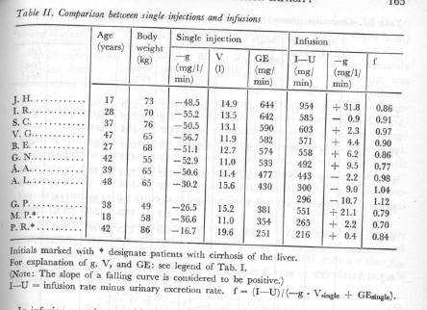
Tygstrup1963 – Determination of the hepatic galactose elimination capacity after a single intravenous injection in man
Comparison between single injections and infusions

 |  |  |  |  |  | Single Injections |  |  |  | Infusion
study | sex | case | state | age [years] | body weight [kg] | -g [mg/l/min) | V [l] | GE [mg/min] | GE [mmol/min] | I-U [mg/min] | -g [mg/min/l] | f
study | sex | case | state | age | bodyweight | gSingle | vol | GECmg | GEC | IU | gInfusion | f
tyg1963 | U | JH | healthy | 17 | 73 | -48.5 | 14.9 | 644 | 3.58 | 954 | 31.8 | 0.86
tyg1963 | U | IR | healthy | 28 | 70 | -55.2 | 13.5 | 642 | 3.57 | 585 | -0.9 | 0.91
tyg1963 | U | SC | healthy | 37 | 76 | -50.5 | 13.1 | 590 | 3.28 | 603 | 2.3 | 0.97
tyg1963 | U | VG | healthy | 47 | 65 | -56.7 | 11.9 | 582 | 3.23 | 571 | -4.4 | 0.9
tyg1963 | U | BE | healthy | 27 | 68 | -51.1 | 12.7 | 574 | 3.19 | 558 | 6.2 | 0.86
tyg1963 | U | GN | healthy | 42 | 55 | -52.9 | 11 | 533 | 2.96 | 492 | 9.5 | 0.77
tyg1963 | U | AA | healthy | 39 | 65 | -50.6 | 11.4 | 477 | 2.65 | 443 | -2.2 | 0.98
tyg1963 | U | AL | healthy | 48 | 65 | -30.2 | 15.6 | 430 | 2.39 | 300 | -9 | 1.04
tyg1963 | U | GP | healthy | 38 | 49 | -26.5 | 15.2 | 381 | 2.12 | 551 | 21.1 | 0.79
tyg1963 | U | MP | cirrhosis | 18 | 58 | -36.6 | 11 | 354 | 1.97 | 265 | 2.2 | 0.7
tyg1963 | U | PR | cirrhosis | 42 | 86 | -16.7 | 19.6 | 251 | 1.39 | 216 | 0.4 | 0.84

I-U | infusion rate minus urinary extraxtion rate
f | (I-U)/(-g*Vsingle + Gesingle)
GE | galactose elimination capacity
V | volume of distribution

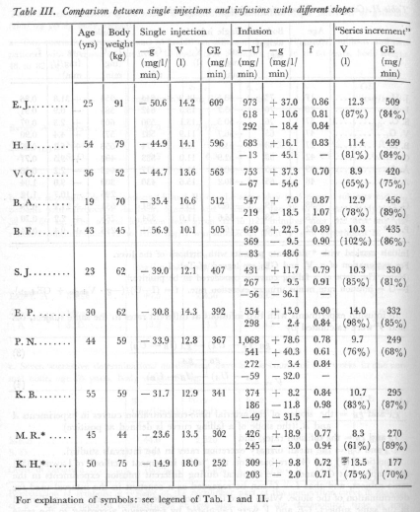
 |  |  |  |  |  | Single Injections
study | sex | case | state | age [years] | body weight [kg] | -g [mg/l/min) | V [l] | GE [mg/min] | GE [mmol/min]
study | sex | case | state | age | bodyweight | gSingle | vol | GECmg | GEC
tyg1963 | U | EJ | healthy | 25 | 91 | -50.6 | 14.2 | 609 | 3.38
tyg1963 | U | HI | healthy | 54 | 79 | -44.9 | 14.1 | 596 | 3.31
tyg1963 | U | VC | healthy | 36 | 52 | -44.7 | 13.6 | 563 | 3.13
tyg1963 | U | BA | healthy | 19 | 70 | -35.4 | 16.6 | 512 | 2.84
tyg1963 | U | BF | healthy | 43 | 45 | -56.9 | 10.1 | 505 | 2.81
tyg1963 | U | SJ | healthy | 23 | 62 | -39 | 12.1 | 407 | 2.26
tyg1963 | U | EP | healthy | 30 | 62 | -30.8 | 14.3 | 392 | 2.18
tyg1963 | U | PN | healthy | 44 | 59 | -33.9 | 12.8 | 367 | 2.04
tyg1963 | U | KB | healthy | 55 | 59 | -31.7 | 12.9 | 341 | 1.89
tyg1963 | U | MR | cirrhosis | 45 | 44 | -23.6 | 13.5 | 302 | 1.68
tyg1963 | U | KH | cirrhosis | 50 | 75 | -14.9 | 18 | 252 | 1.40

