Ducry1979
DeLand1968 – Relationship between liver size and body size

species | human
method | autopsy
n | 550
subjects | no clinical, laboratory or autopsy evidence of hepatic pathology; no evidence of cardiovascular disease; no evidence of systemic disease of the liver such as infection,lymphoma, leukemia or collagen disease
 | instant death from gunshot wounds, crushing injuries and accidents

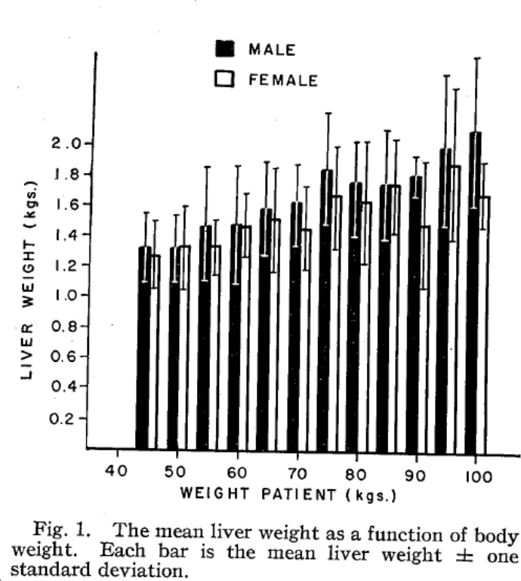
Figure 1
study | Health status /diagnosis | Sex [M,F,U] | weight [kg] | minimal weight for class [kg] | maximal weight for class [kg] | liver weight [kg] | liver weight plus Sd [kg] | liver weight Sd [kg]
study | status | sex | weight | weightMin | weightMax | liverWeight | liverWeightPlusSd | liverWeightSd
del1968 | healthy | M | 45 | 42.5 | 47.5 | 1.3336257 | 1.5563247 | 0.222699
del1968 | healthy | M | 50 | 47.5 | 52.5 | 1.3323414 | 1.5453306 | 0.2129892
del1968 | healthy | M | 55 | 52.5 | 57.5 | 1.4797112 | 1.8607739 | 0.3810627
del1968 | healthy | M | 60 | 57.5 | 62.5 | 1.4932736 | 1.8745244 | 0.3812508
del1968 | healthy | M | 65 | 62.5 | 67.5 | 1.6009585 | 1.8979844 | 0.2970259
del1968 | healthy | M | 70 | 67.5 | 72.5 | 1.6395471 | 1.8870844 | 0.2475373
del1968 | healthy | M | 75 | 72.5 | 77.5 | 1.8609619 | 2.227272 | 0.3663101
del1968 | healthy | M | 80 | 77.5 | 82.5 | 1.7804018 | 2.0428798 | 0.262478
del1968 | healthy | M | 85 | 82.5 | 87.5 | 1.764459 | 2.1257262 | 0.3612672
del1968 | healthy | M | 90 | 87.5 | 92.5 | 1.8226552 | 1.9512317 | 0.1285765
del1968 | healthy | M | 95 | 92.5 | 97.5 | 2.0093338 | 2.489468 | 0.4801342
del1968 | healthy | M | 100 | 97.5 | 102.5 | 2.1268225 | 2.6120934 | 0.4852709
del1968 | healthy | F | 45 | 42.5 | 47.5 | 1.2752728 | 1.5029207 | 0.2276479
del1968 | healthy | F | 50 | 47.5 | 52.5 | 1.3384179 | 1.6008958 | 0.2624779
del1968 | healthy | F | 55 | 52.5 | 57.5 | 1.3374156 | 1.5155748 | 0.1781592
del1968 | healthy | F | 60 | 57.5 | 62.5 | 1.4798365 | 1.687689 | 0.2078525
del1968 | healthy | F | 65 | 62.5 | 67.5 | 1.527947 | 1.864564 | 0.336617
del1968 | healthy | F | 70 | 67.5 | 72.5 | 1.4625155 | 1.7446009 | 0.2820854
del1968 | healthy | F | 75 | 72.5 | 77.5 | 1.6889731 | 2.0106494 | 0.3216763
del1968 | healthy | F | 80 | 77.5 | 82.5 | 1.64791 | 2.0441952 | 0.3962852
del1968 | healthy | F | 85 | 82.5 | 87.5 | 1.7656806 | 2.052621 | 0.2869404
del1968 | healthy | F | 90 | 87.5 | 92.5 | 1.4968756 | 1.9126744 | 0.4157988
del1968 | healthy | F | 95 | 92.5 | 97.5 | 1.8965436 | 2.401516 | 0.5049724
del1968 | healthy | F | 100 | 97.5 | 102.5 | 1.6973987 | 1.9150549 | 0.2176562

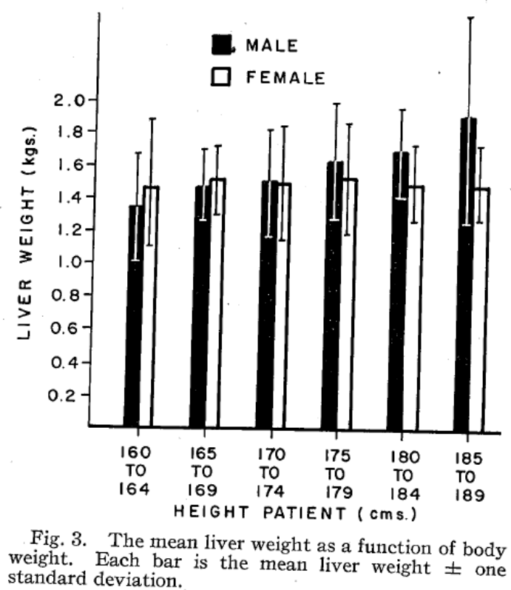
Figure 3
study | Health status /diagnosis | Sex [M,F,U] | height [cm] | minimal height for class [cm] | maximal height for class [cm] | liver weight [kg] | liver weight plus Sd [kg] | liver weight Sd [kg]
study | status | sex | height | heightMin | heightMax | liverWeight | liverWeightPlusSd | liverWeightSd
del1968 | healthy | M | 162 | 160 | 164 | 1.3574145 | 1.6829145 | 0.3255
del1968 | healthy | M | 167 | 165 | 169 | 1.4902987 | 1.7072988 | 0.2170001
del1968 | healthy | M | 172 | 170 | 174 | 1.5236537 | 1.8358037 | 0.31215
del1968 | healthy | M | 177 | 175 | 179 | 1.6474963 | 2.0003338 | 0.3528375
del1968 | healthy | M | 182 | 180 | 184 | 1.7082596 | 1.9704679 | 0.2622083
del1968 | healthy | M | 187 | 185 | 189 | 1.9225187 | 2.5331147 | 0.610596
del1968 | healthy | F | 162 | 160 | 164 | 1.4716389 | 1.892218 | 0.4205791
del1968 | healthy | F | 167 | 165 | 169 | 1.5232897 | 1.7357689 | 0.2124792
del1968 | healthy | F | 172 | 170 | 174 | 1.5023947 | 1.8550906 | 0.3526959
del1968 | healthy | F | 177 | 175 | 179 | 1.5403414 | 1.8748832 | 0.3345418
del1968 | healthy | F | 182 | 180 | 184 | 1.5059547 | 1.7457713 | 0.2398166
del1968 | healthy | F | 187 | 185 | 189 | 1.4897223 | 1.7428181 | 0.2530958

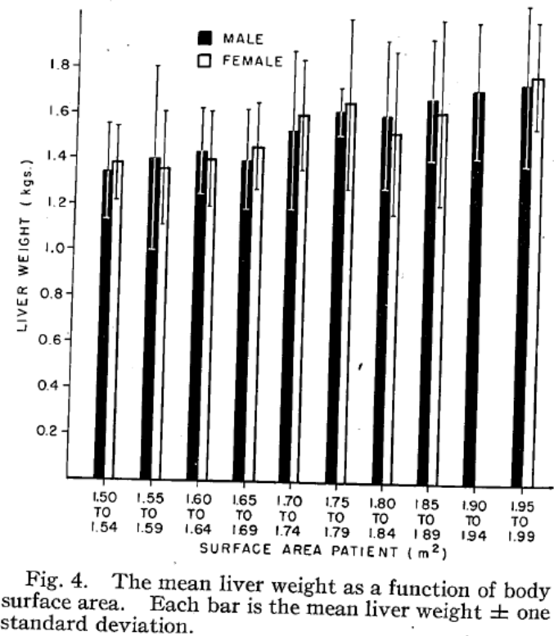
Figure 4
study | Health status /diagnosis | Sex [M,F,U] | body surface area [m^2] | minimal BSA for class [m^2] | maximal BSA for class [m^2] | liver weight [kg] | liver weight plus Sd [kg] | liver weight Sd [kg]
study | status | sex | BSA | BSAMin | BSAMax | liverWeight | liverWeightPlusSd | liverWeightSd
del1968 | healthy | M | 1.52 | 1.5 | 1.54 | 1.3446841 | 1.5523815 | 0.2076974
del1968 | healthy | M | 1.57 | 1.55 | 1.59 | 1.4026513 | 1.800161 | 0.3975097
del1968 | healthy | M | 1.62 | 1.6 | 1.64 | 1.4358873 | 1.6256226 | 0.1897353
del1968 | healthy | M | 1.67 | 1.65 | 1.69 | 1.4007752 | 1.6190497 | 0.2182745
del1968 | healthy | M | 1.72 | 1.7 | 1.74 | 1.5302825 | 1.8738291 | 0.3435466
del1968 | healthy | M | 1.77 | 1.75 | 1.79 | 1.6241736 | 1.7173299 | 0.0931563
del1968 | healthy | M | 1.82 | 1.8 | 1.84 | 1.6035236 | 1.9255313 | 0.3220077
del1968 | healthy | M | 1.87 | 1.85 | 1.89 | 1.6793758 | 1.9370743 | 0.2576985
del1968 | healthy | M | 1.92 | 1.9 | 1.94 | 1.7158039 | 2.0129263 | 0.2971224
del1968 | healthy | M | 1.97 | 1.95 | 1.99 | 1.7419629 | 2.0890865 | 0.3471236
del1968 | healthy | F | 1.52 | 1.5 | 1.54 | 1.3812242 | 1.5424205 | 0.1611963
del1968 | healthy | F | 1.57 | 1.55 | 1.59 | 1.3573052 | 1.6113497 | 0.2540445
del1968 | healthy | F | 1.62 | 1.6 | 1.64 | 1.3973103 | 1.6085076 | 0.2111973
del1968 | healthy | F | 1.67 | 1.65 | 1.69 | 1.4554313 | 1.6487437 | 0.1933124
del1968 | healthy | F | 1.72 | 1.7 | 1.74 | 1.5992466 | 1.8390601 | 0.2398135
del1968 | healthy | F | 1.77 | 1.75 | 1.79 | 1.6572907 | 2.0223763 | 0.3650856
del1968 | healthy | F | 1.82 | 1.8 | 1.84 | 1.5220225 | 1.8800311 | 0.3580086
del1968 | healthy | F | 1.87 | 1.85 | 1.89 | 1.6122596 | 2.0202694 | 0.4080098
del1968 | healthy | F | 1.92 | 1.9 | 1.94 | NA | NA | NA
del1968 | healthy | F | 1.97 | 1.95 | 1.99 | 1.782311 | 2.0185473 | 0.2362363

