Ducry1979
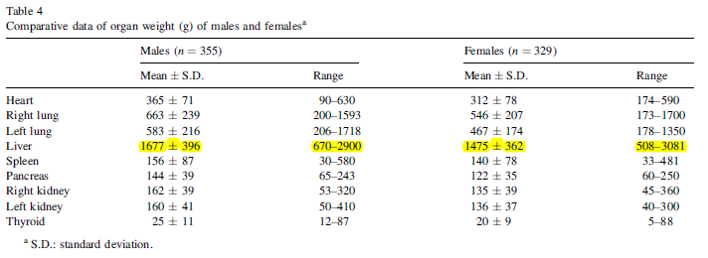
Grandmaison2000 – Organ weight in 684 adult autopsies: New tables for a Caucasoid population

species | human
method | autopsy
n | 684
subjects | Caucasoid adults who died of external causes and showed no pathological changes
 | instant death from gunshot wounds, crushing injuries and accidents

Table 1 & 5
study | Health status /diagnosis | Sex [M,F,U] | class | subjects in class | height [cm] | minimal height for class [cm] | Maximal height for class [cm] | Standard Deviation of height [cm] | liver weight [kg] | liver weight Sd [kg]
study | status | sex | class | n | heightMean | heightMin | heightMax | heightSD | liverWeight | liverWeightSd
gra2000 | healthy | M | height_m_1 | 55 | 160 | 144 | 165 | 4.5 | 1.455 | 0.37
gra2000 | healthy | M | height_m_2 | 178 | 170 | 166 | 175 | 3.1 | 1.637 | 0.369
gra2000 | healthy | M | height_m_3 | 122 | 180 | 176 | 190 | 3.8 | 1.831 | 0.384
gra2000 | healthy | F | height_f_1 | 78 | 150 | 126 | 155 | 4.6 | 1.275 | 0.321
gra2000 | healthy | F | height_f_2 | 167 | 160 | 156 | 165 | 2.8 | 1.496 | 0.331
gra2000 | healthy | F | height_f_3 | 84 | 170 | 166 | 180 | 3.6 | 1.624 | 0.38

Table 2&6
study | Health status /diagnosis | Sex [M,F,U] | class | subjects in class | BMI [kg/m^2] | minimal BMI for class [kg/m^2] | Maximal BMI for class [kg/m^2] | Standard Deviation of BMI [kg/m^2] | liver weight [kg] | liver weight Sd [kg]
study | status | sex | class | n | bmiMean | bmiMin | bmiMax | bmiSd | liverWeight | liverWeightSd
gra2000 | healthy | M | bmi_m_1 | 152 | 20 | 14 | 21 | 1.6 | 1.581 | 0.372
gra2000 | healthy | M | bmi_m_2 | 111 | 23.5 | 22 | 24 | 0.9 | 1.73 | 0.405
gra2000 | healthy | M | bmi_m_3 | 92 | 27 | 25 | 34 | 1.9 | 1.769 | 0.39
gra2000 | healthy | F | bmi_f_1 | 139 | 18.5 | 13 | 20 | 1.9 | 1.346 | 0.328
gra2000 | healthy | F | bmi_f_2 | 109 | 23 | 21 | 24 | 1.1 | 1.521 | 0.331
gra2000 | healthy | F | bmi_f_3 | 81 | 28.5 | 25 | 40 | 3.2 | 1.609 | 0.419

