Ducry1979
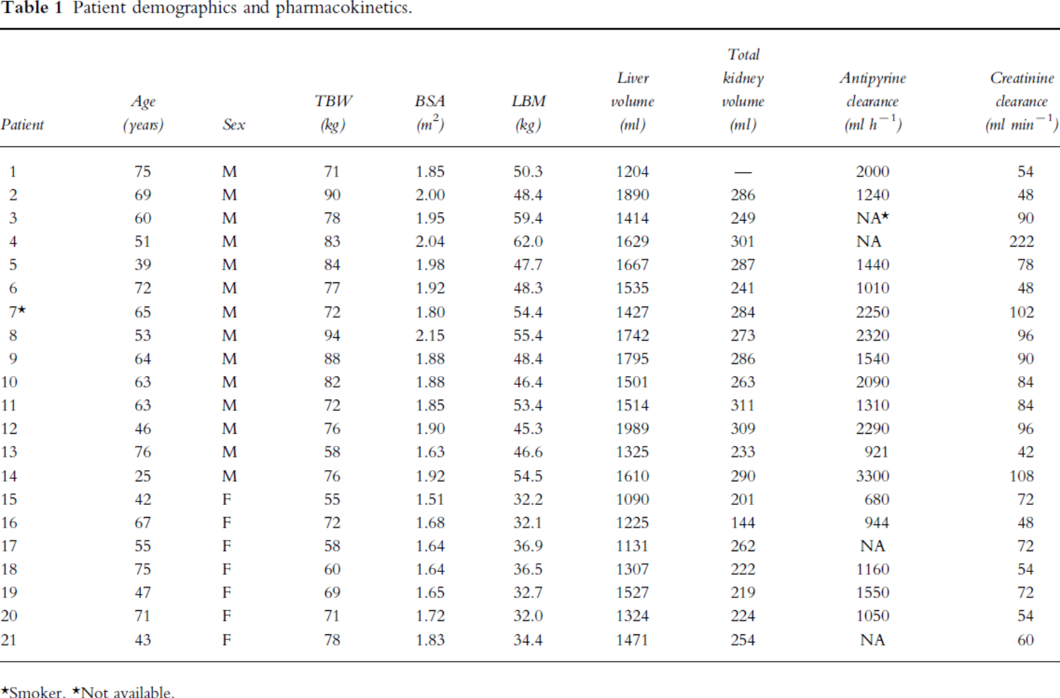
Nawaratne1998 – Relationship among liver and kidney volumes, lean body mass and drug clearance

species | human
method | Helical CT scanning
n | 22
subjects | history of cancer but no evidence of metastatic disease, no known heart, liver or kidney disease

 |  |  |  |  |  |  |  |  |  |  |  | BSA = weight^0.425 * height^0.725*0.007184
Table 1 |  |  |  |  |  |  |  |  |  |  |  | height via revese Dubois formula
study | Health status /diagnosis | Patient | Age [years] | Sex [M,F,U] | Total body weight (TBW) [kg] | Body surface area [m^2] | Lean body weight (TBW) [kg] | Liver volume [ml] | Kidney volume [ml] | Antipyrine clearance [ml/h] | Creatine clearance [ml/min] | Calculated height via reverse Dubois formula [cm]
study | status | patient | age | sex | bodyweight | BSA | LBW | liverVol | kidneyVol | antipyrineCL | creatineCL | height
naw1998 | healthy | 1 | 75 | M | 71 | 1.85 | 50.3 | 1204 | NA | 2000 | 54 | 173.79
naw1998 | healthy | 2 | 69 | M | 90 | 2 | 48.4 | 1890 | 286 | 1240 | 48 | 168.41
naw1998 | healthy | 3 | 60 | M | 78 | 1.95 | 59.4 | 1414 | 249 | NA | 90 | 176.86
naw1998 | healthy | 4 | 51 | M | 83 | 2.04 | 62 | 1629 | 301 | NA | 222 | 181.48
naw1998 | healthy | 5 | 39 | M | 84 | 1.98 | 47.7 | 1667 | 287 | 1440 | 78 | 172.94
naw1998 | healthy | 6 | 72 | M | 77 | 1.92 | 48.3 | 1535 | 241 | 1010 | 48 | 174.43
naw1998 | healthy | 7 | 65 | M | 72 | 1.8 | 54.4 | 1427 | 284 | 2250 | 102 | 165.98
naw1998 | healthy | 8 | 53 | M | 94 | 2.15 | 55.4 | 1742 | 273 | 2320 | 96 | 181.39
naw1998 | healthy | 9 | 64 | M | 88 | 1.88 | 48.4 | 1795 | 286 | 1540 | 90 | 156.68
naw1998 | healthy | 10 | 63 | M | 82 | 1.88 | 46.4 | 1501 | 263 | 2090 | 84 | 163.30
naw1998 | healthy | 11 | 63 | M | 72 | 1.85 | 53.4 | 1514 | 311 | 1310 | 84 | 172.37
naw1998 | healthy | 12 | 46 | M | 76 | 1.9 | 45.3 | 1989 | 309 | 2290 | 96 | 173.25
naw1998 | healthy | 13 | 76 | M | 58 | 1.63 | 46.6 | 1325 | 233 | 921 | 42 | 164.31
naw1998 | healthy | 14 | 25 | M | 76 | 1.92 | 54.5 | 1610 | 290 | 3300 | 108 | 175.77
naw1998 | healthy | 15 | 42 | F | 55 | 1.51 | 32.2 | 1090 | 201 | 680 | 72 | 152.54
naw1998 | healthy | 16 | 67 | F | 72 | 1.68 | 32.1 | 1225 | 144 | 944 | 48 | 150.91
naw1998 | healthy | 17 | 55 | F | 58 | 1.64 | 36.9 | 1131 | 262 | NA | 72 | 165.71
naw1998 | healthy | 18 | 75 | F | 60 | 1.64 | 36.5 | 1307 | 222 | 1160 | 54 | 162.45
naw1998 | healthy | 19 | 47 | F | 69 | 1.65 | 32.7 | 1527 | 219 | 1550 | 72 | 150.93
naw1998 | healthy | 20 | 71 | F | 71 | 1.72 | 32 | 1324 | 224 | 1050 | 54 | 157.17
naw1998 | healthy | 21 | 43 | F | 78 | 1.83 | 34.4 | 1471 | 254 | NA | 60 | 162.02

