Sheet1
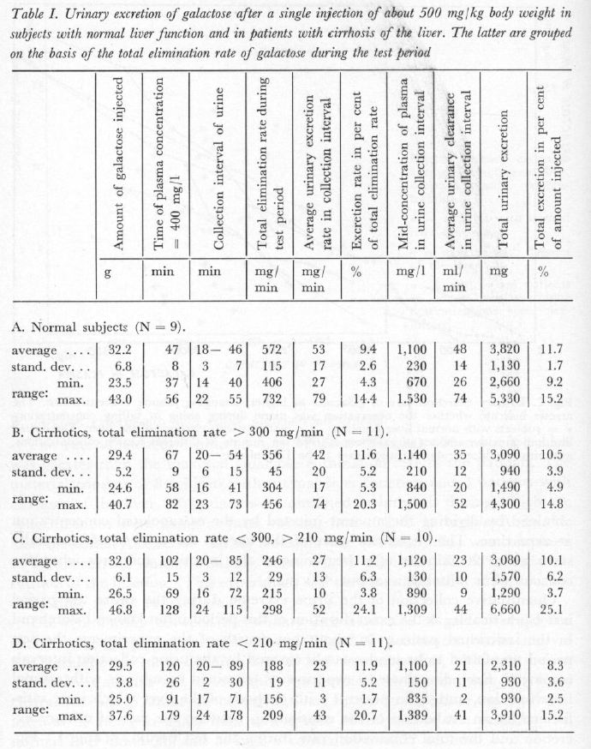
Tygstrup1961 – The urinary excretion of galactose and its significance in clinical intravenous galactose tolerance tests

state | description | N | Amount of galactose injected [g] | Amount of galactose injected [g] SD | Amount of galactose injected [g] min | Amount of galactose injected [g] max | Time of plasma concentration = 400 mg/l | t400SD | t400min | t400max | GE rate during test period [mg/min] | GESDmg | GEminmg | GEmaxmg | GE rate during test period [mmole/min] | GESD | GEmin | GEmax | Average urinary excretion rate [mg/min] | URSDmg | URminmg | URmaxmg | Average urinary excretion rate [mmole/min] | URSD | URmin | URmax
state | description | N | galIn | galInSD | galInMin | galInMax | t400 | t400SD | t400min | t400max | GEmg | GESDmg | GEminmg | GEmaxmg | GE | GESD | GEmin | GEmax | URmg | URSDmg | URminmg | URmaxmg | UR | URSD | URmin | URmax
normal | normal subjects | 9 | 32.2 | 6.8 | 23.5 | 43 | 47 | 8 | 37 | 56 | 572 | 115 | 406 | 732 | 3.1777777778 | 0.63888888889 | 2.2555555556 | 4.0666666667 | 53 | 17 | 27 | 79 | 0.29444444444 | 0.094444444444 | 0.15 | 0.43888888889
cirrhoticB | cirrhotics, total elimination rate > 300 mg/min | 11 | 29.4 | 5.2 | 24.6 | 40.7 | 67 | 9 | 58 | 82 | 356 | 45 | 304 | 456 | 1.9777777778 | 0.25 | 1.6888888889 | 2.5333333333 | 42 | 30 | 17 | 74 | 0.23333333333 | 0.16666666667 | 0.094444444444 | 0.41111111111
cirrhoticC | cirrhotics, total elimination rate < 300, > 210 mg/min | 10 | 32 | 6.1 | 26.5 | 46.8 | 102 | 15 | 69 | 128 | 246 | 29 | 215 | 298 | 1.3666666667 | 0.16111111111 | 1.1944444444 | 1.6555555556 | 27 | 13 | 10 | 52 | 0.15 | 0.072222222222 | 0.055555555556 | 0.28888888889
cirrhoticD | cirrhotics, total elimination rate < 210 mg/min | 11 | 29.5 | 3.8 | 25 | 37.6 | 120 | 26 | 91 | 179 | 188 | 19 | 156 | 209 | 1.0444444444 | 0.10555555556 | 0.86666666667 | 1.1611111111 | 23 | 11 | 3 | 43 | 0.12777777778 | 0.061111111111 | 0.016666666667 | 0.23888888889

