Ducry1979
Kayser1987 – Height and weight in human beings

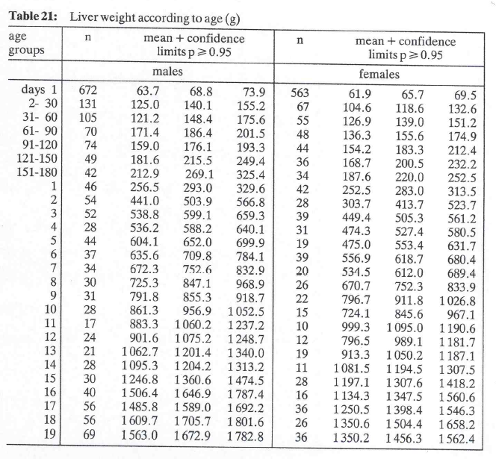
species | human
method | Autopsy report
n
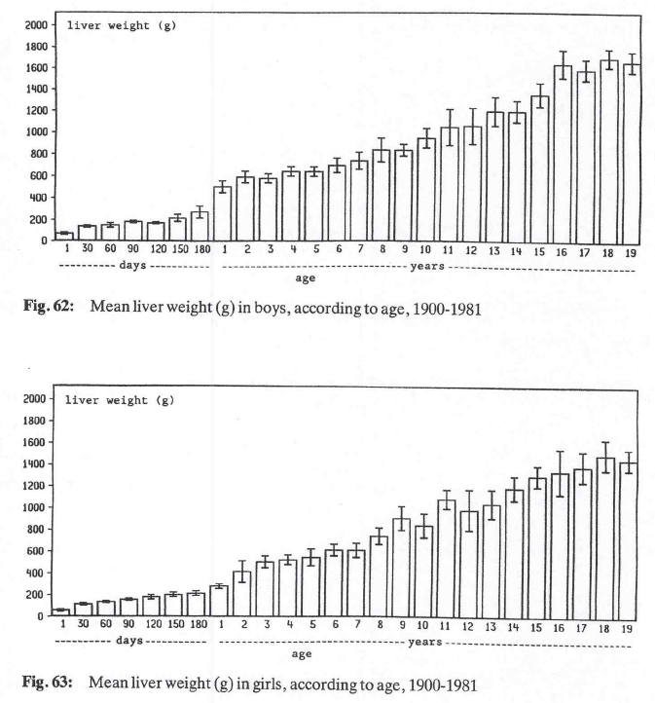
subjects
 |  |  |  |  |  |  |  |  | large sample | small sample
Table 21 – 22 |  |  |  |  |  |  |  |  | Size (n>60) | size (t-distribution)
study | Health status /diagnosis | Sex [M,F] | n | Age [years] | Minimum age in class [years] | Maximum age in class [years] | Liver weight [g] | Liver weight + confidence limits for mean [g] | Liver weight standard deviation [g] | Liver weight standard deviation [g]
study | status | sex | n | age | ageMin | ageMax | livWeight | livWeight95 | livWeightSdBase | livWeightSd
kay1987 | healthy | M | 672 | 0.00 | 0.00 | 0.00 | 68.8 | 73.9 | 67.5 | 67.3 | 1.9635056884
kay1987 | healthy | M | 131 | 0.04 | 0.01 | 0.08 | 140.1 | 155.2 | 88.2 | 87.4 | 1.9783804054
kay1987 | healthy | M | 105 | 0.12 | 0.08 | 0.16 | 148.4 | 175.6 | 142.2 | 140.6 | 1.9830375265
kay1987 | healthy | M | 70 | 0.21 | 0.17 | 0.25 | 186.4 | 201.5 | 64.5 | 63.3 | 1.9949454151
kay1987 | healthy | M | 74 | 0.29 | 0.25 | 0.33 | 176.1 | 193.3 | 75.5 | 74.2 | 1.9929971259
kay1987 | healthy | M | 49 | 0.37 | 0.33 | 0.41 | 215.5 | 249.4 | 121.1 | 118.0 | 2.0106347576
kay1987 | healthy | M | 42 | 0.45 | 0.41 | 0.49 | 269.1 | 325.4 | 186.2 | 180.7 | 2.0195409704
kay1987 | healthy | M | 46 | 1 | 1 | 1 | 293 | 329.6 | 126.6 | 123.2 | 2.0141033889
kay1987 | healthy | M | 54 | 2 | 2 | 2 | 503.9 | 566.8 | 235.8 | 230.4 | 2.0057459953
kay1987 | healthy | M | 52 | 3 | 3 | 3 | 599.1 | 659.3 | 221.5 | 216.2 | 2.0075837703
kay1987 | healthy | M | 28 | 4 | 4 | 4 | 588.2 | 640.1 | 140.1 | 133.8 | 2.0518305165
kay1987 | healthy | M | 44 | 5 | 5 | 5 | 652 | 699.9 | 162.1 | 157.6 | 2.0166921992
kay1987 | healthy | M | 37 | 6 | 6 | 6 | 709.8 | 784.1 | 230.6 | 222.8 | 2.028094001
kay1987 | healthy | M | 34 | 7 | 7 | 7 | 752.6 | 832.9 | 238.9 | 230.1 | 2.0345152974
kay1987 | healthy | M | 30 | 8 | 8 | 8 | 847.1 | 968.9 | 340.4 | 326.2 | 2.0452296421
kay1987 | healthy | M | 31 | 9 | 9 | 9 | 855.3 | 918.7 | 180.1 | 172.8 | 2.0422724563
kay1987 | healthy | M | 28 | 10 | 10 | 10 | 956.9 | 1052.5 | 258.1 | 246.5 | 2.0518305165
kay1987 | healthy | M | 17 | 11 | 11 | 11 | 1060.2 | 1237.2 | 372.3 | 344.3 | 2.1199052992
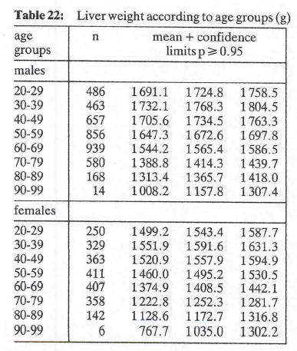
kay1987 | healthy | M | 24 | 12 | 12 | 12 | 1075.2 | 1248.7 | 433.7 | 410.9 | 2.0686576104
kay1987 | healthy | M | 21 | 13 | 13 | 13 | 1201.4 | 1340 | 324.1 | 304.5 | 2.0859634473
kay1987 | healthy | M | 28 | 14 | 14 | 14 | 1204.2 | 1313.2 | 294.3 | 281.1 | 2.0518305165
kay1987 | healthy | M | 30 | 15 | 15 | 15 | 1360.6 | 1474.5 | 318.3 | 305.0 | 2.0452296421
kay1987 | healthy | M | 40 | 16 | 16 | 16 | 1646.9 | 1787.4 | 453.4 | 439.3 | 2.02269092
kay1987 | healthy | M | 56 | 17 | 17 | 17 | 1589 | 1692.2 | 394.0 | 385.4 | 2.0040447833
kay1987 | healthy | M | 56 | 18 | 18 | 18 | 1705.7 | 1801.6 | 366.1 | 358.1 | 2.0040447833
kay1987 | healthy | M | 69 | 19 | 19 | 19 | 1672.9 | 1782.8 | 465.8 | 457.5 | 1.9954689314
kay1987 | healthy | M | 486 | 24.5 | 20 | 29 | 1724.8 | 1758.5 | 379.0 | 378.1 | 1.964867287
kay1987 | healthy | M | 463 | 34.5 | 30 | 39 | 1768.3 | 1804.5 | 397.4 | 396.4 | 1.9651120203
kay1987 | healthy | M | 657 | 44.5 | 40 | 49 | 1734.5 | 1763.3 | 376.6 | 375.9 | 1.9635868195
kay1987 | healthy | M | 856 | 54.5 | 50 | 59 | 1672.6 | 1697.8 | 376.2 | 375.6 | 1.9627424359
kay1987 | healthy | M | 939 | 64.5 | 60 | 69 | 1565.4 | 1586.5 | 329.9 | 329.5 | 1.9624962694
kay1987 | healthy | M | 580 | 74.5 | 70 | 79 | 1414.3 | 1439.7 | 312.1 | 311.5 | 1.964069604
kay1987 | healthy | M | 168 | 84.5 | 80 | 89 | 1365.7 | 1418 | 345.9 | 343.4 | 1.974270957
kay1987 | healthy | M | 14 | 94.5 | 90 | 99 | 1157.8 | 1307.4 | 285.6 | 259.1 | 2.1603686565
kay1987 | healthy | F | 563 | 0.00 | 0.00 | 0.00 | 65.7 | 69.5 | 46.0 | 45.9 | 1.9641940585
kay1987 | healthy | F | 67 | 0.04 | 0.01 | 0.08 | 118.6 | 132.6 | 58.5 | 57.4 | 1.996564419
kay1987 | healthy | F | 55 | 0.12 | 0.08 | 0.16 | 139 | 151.2 | 46.2 | 45.1 | 2.0048792882
kay1987 | healthy | F | 48 | 0.21 | 0.17 | 0.25 | 155.6 | 174.9 | 68.2 | 66.5 | 2.0117405137
kay1987 | healthy | F | 44 | 0.29 | 0.25 | 0.33 | 183.3 | 221.4 | 128.9 | 125.3 | 2.0166921992
kay1987 | healthy | F | 36 | 0.37 | 0.33 | 0.41 | 200.5 | 232.2 | 97.0 | 93.7 | 2.0301079283
kay1987 | healthy | F | 34 | 0.45 | 0.41 | 0.49 | 220 | 252.5 | 96.7 | 93.1 | 2.0345152974
kay1987 | healthy | F | 42 | 1 | 1 | 1 | 283 | 313.5 | 100.8 | 97.9 | 2.0195409704
kay1987 | healthy | F | 28 | 2 | 2 | 2 | 413.7 | 523.7 | 297.0 | 283.7 | 2.0518305165
kay1987 | healthy | F | 39 | 3 | 3 | 3 | 505.3 | 561.2 | 178.1 | 172.4 | 2.0243941639
kay1987 | healthy | F | 31 | 4 | 4 | 4 | 527.4 | 580.5 | 150.8 | 144.8 | 2.0422724563
kay1987 | healthy | F | 19 | 5 | 5 | 5 | 553.4 | 631.7 | 174.1 | 162.5 | 2.1009220402
kay1987 | healthy | F | 39 | 6 | 6 | 6 | 618.7 | 680.4 | 196.6 | 190.3 | 2.0243941639
kay1987 | healthy | F | 20 | 7 | 7 | 7 | 612 | 689.4 | 176.6 | 165.4 | 2.0930240544
kay1987 | healthy | F | 26 | 8 | 8 | 8 | 752.3 | 833.9 | 212.3 | 202.0 | 2.0595385528
kay1987 | healthy | F | 22 | 9 | 9 | 9 | 911.8 | 1026.8 | 275.2 | 259.4 | 2.0796138447
kay1987 | healthy | F | 15 | 10 | 10 | 10 | 845.6 | 967.1 | 240.1 | 219.4 | 2.1447866879
kay1987 | healthy | F | 10 | 11 | 11 | 11 | 1095 | 1190.6 | 154.2 | 133.6 | 2.2621571628
kay1987 | healthy | F | 12 | 12 | 12 | 12 | 989.1 | 1181.7 | 340.4 | 303.1 | 2.2009851601
kay1987 | healthy | F | 19 | 13 | 13 | 13 | 1050.2 | 1187.1 | 304.5 | 284.0 | 2.1009220402
kay1987 | healthy | F | 11 | 14 | 14 | 14 | 1194.5 | 1307.5 | 191.2 | 168.2 | 2.228138852
kay1987 | healthy | F | 28 | 15 | 15 | 15 | 1307.6 | 1418.2 | 298.6 | 285.2 | 2.0518305165
kay1987 | healthy | F | 16 | 16 | 16 | 16 | 1347.5 | 1560.6 | 434.9 | 399.9 | 2.1314495456
kay1987 | healthy | F | 36 | 17 | 17 | 17 | 1398.4 | 1546.3 | 452.8 | 437.1 | 2.0301079283
kay1987 | healthy | F | 26 | 18 | 18 | 18 | 1504.4 | 1658.2 | 400.1 | 380.8 | 2.0595385528
kay1987 | healthy | F | 36 | 19 | 19 | 19 | 1456.3 | 1562.4 | 324.8 | 313.6 | 2.0301079283
kay1987 | healthy | F | 250 | 24.5 | 20 | 29 | 1543.3 | 1587.7 | 358.2 | 356.4 | 1.9695368676
kay1987 | healthy | F | 329 | 34.5 | 30 | 39 | 1591.6 | 1631.3 | 367.4 | 366.0 | 1.9672228266
kay1987 | healthy | F | 363 | 44.5 | 40 | 49 | 1557.9 | 1594.9 | 359.7 | 358.5 | 1.9665388125
kay1987 | healthy | F | 411 | 54.5 | 50 | 59 | 1495.2 | 1530.5 | 365.1 | 364.1 | 1.9657668397
kay1987 | healthy | F | 407 | 64.5 | 60 | 69 | 1408.5 | 1442.1 | 345.8 | 344.8 | 1.9658241784
kay1987 | healthy | F | 358 | 74.5 | 70 | 79 | 1252.3 | 1281.7 | 283.8 | 282.9 | 1.9666312044
kay1987 | healthy | F | 142 | 84.5 | 80 | 89 | 1172.7 | 1216.8 | 268.1 | 265.8 | 1.9769314886
kay1987 | healthy | F | 6 | 94.5 | 90 | 99 | 1035 | 1302.2 | 333.9 | 254.6 | 2.5705818356

