Sheet1
R
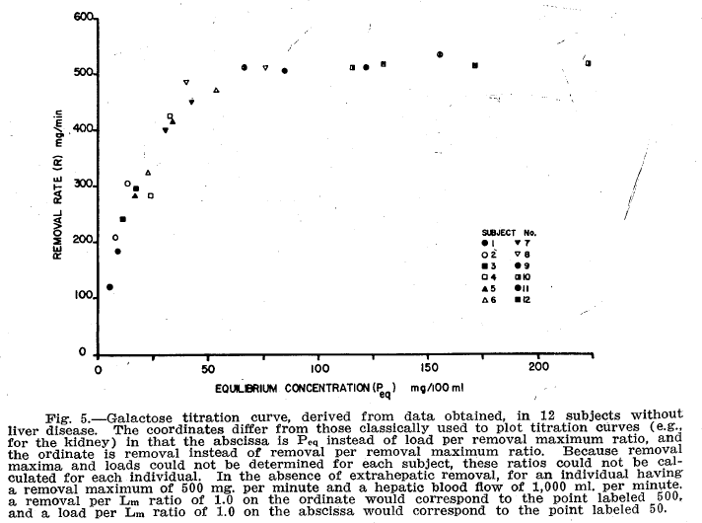
Waldstein1960
publication | Demonstration of hepatic maximum removal capacity Lm for galactose in humans
species | human
method | constant galactose infusion
n | 15
subjects | men, healthy, between 22 and 62 years, no liver disease

Table 1
study | status | sex | subject | measurment | Infusion Rate [mg/min] | Number of samples | Galactose equilibrium [mg/100ml] | Galactose equilibrium S.D. [mg/100ml] | Urinary galactose removal rate [mg/min] | Galactose removal rate [mg/min] | Urinary Clearance [ml/min] | Hepatic Clearance [ml/min] | Galactose equilibrium [mmol/L] | Galactose equilibrium S.D. [mmole/L] | Urinary galactose removal rate [mmole/min] | Galactose removal rate [mmole/min]
study | status | sex | subject | measurment | infusion | samples | Peqmg | PeqmgSd | Umg | Rmg | CLU | CLH | ca | caSd | U | R
wal1960 | healthy | male | 1 | 1 | 122 | 5 | 4.5 | 0.3 | NA | 122 | NA | 2710 | 0.25 | 0.016666666667 | NA | 0.67777777778
wal1960 | healthy | male | 1 | 2 | 186 | 7 | 8.3 | 0.5 | NA | 186 | NA | 2250 | 0.46111111111 | 0.027777777778 | NA | 1.0333333333
wal1960 | healthy | male | 2 | 1 | 213 | 5 | 7.2 | 0.4 | 6 | 207 | 85 | 2880 | 0.4 | 0.022222222222 | 0.033333333333 | 1.15
wal1960 | healthy | male | 2 | 2 | 321 | 4 | 12.3 | 1.1 | 13 | 308 | 108 | 2550 | 0.68333333333 | 0.061111111111 | 0.072222222222 | 1.7111111111
wal1960 | healthy | male | 3 | 1 | 244 | 5 | 10.5 | 0.6 | 4 | 240 | 36 | 2280 | 0.58333333333 | 0.033333333333 | 0.022222222222 | 1.3333333333
wal1960 | healthy | male | 3 | 2 | 302 | 5 | 16.5 | 0.5 | 7 | 295 | 43 | 1790 | 0.91666666667 | 0.027777777778 | 0.038888888889 | 1.6388888889
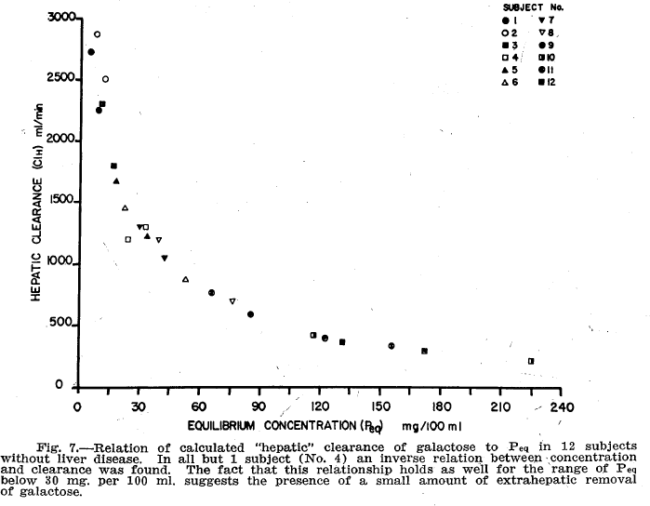
wal1960 | healthy | male | 4 | 1 | 292 | 3 | 24.1 | 0.9 | 7 | 285 | 27 | 1180 | 1.3388888889 | 0.05 | 0.038888888889 | 1.5833333333
wal1960 | healthy | male | 4 | 2 | 438 | 5 | 32.5 | 0.6 | 15 | 423 | 45 | 1300 | 1.8055555556 | 0.033333333333 | 0.083333333333 | 2.35
wal1960 | healthy | male | 5 | 1 | 292 | 6 | 16.8 | 1 | 12 | 280 | 74 | 1665 | 0.93333333333 | 0.055555555556 | 0.066666666667 | 1.5555555556
wal1960 | healthy | male | 5 | 2 | 438 | 6 | 33.8 | 2.2 | 22 | 416 | 67 | 1230 | 1.8777777778 | 0.12222222222 | 0.12222222222 | 2.3111111111
wal1960 | healthy | male | 6 | 1 | 339 | 5 | 22.3 | 0.9 | 14 | 325 | 60 | 1460 | 1.2388888889 | 0.05 | 0.077777777778 | 1.8055555556
wal1960 | healthy | male | 6 | 2 | 508 | 5 | 53.2 | 1 | 41 | 467 | 76 | 880 | 2.9555555556 | 0.055555555556 | 0.22777777778 | 2.5944444444
wal1960 | healthy | male | 7 | 1 | 416 | 6 | 30.6 | 0 | 14 | 402 | 46 | 1315 | 1.7 | 0 | 0.077777777778 | 2.2333333333
wal1960 | healthy | male | 7 | 2 | 482 | 5 | 42.5 | 1.4 | 34 | 448 | 80 | 1055 | 2.3611111111 | 0.077777777778 | 0.18888888889 | 2.4888888889
wal1960 | healthy | male | 8 | 1 | 547 | 6 | 40.2 | 0.9 | 63 | 484 | 15 | 1200 | 2.2333333333 | 0.05 | 0.35 | 2.6888888889
wal1960 | healthy | male | 8 | 2 | 582 | 3 | 76.1 | 0.6 | 73 | 509 | 96 | 695 | 4.2277777778 | 0.033333333333 | 0.40555555556 | 2.8277777778
wal1960 | healthy | male | 9 | 1 | 592 | 5 | 85.4 | 2 | 95 | 497 | 112 | 580 | 4.7444444444 | 0.11111111111 | 0.52777777778 | 2.7611111111
wal1960 | healthy | male | 9 | 2 | 646 | 5 | 122.9 | 0 | 140 | 506 | 114 | 410 | 6.8277777778 | 0 | 0.77777777778 | 2.8111111111
wal1960 | healthy | male | 10 | 1 | 598 | 5 | 116.6 | 1.3 | 94 | 504 | 81 | 430 | 6.4777777778 | 0.072222222222 | 0.52222222222 | 2.8
wal1960 | healthy | male | 10 | 2 | 684 | 6 | 225.5 | 2.2 | 177 | 507 | 78 | 225 | 12.527777778 | 0.12222222222 | 0.98333333333 | 2.8166666667
wal1960 | healthy | male | 11 | 1 | 598 | 66 | 66.2 | 1.9 | 88 | 510 | 132 | 765 | 3.6777777778 | 0.10555555556 | 0.48888888889 | 2.8333333333
wal1960 | healthy | male | 11 | 2 | 736 | 6 | 156.5 | 2.2 | 203 | 533 | 130 | 340 | 8.6944444444 | 0.12222222222 | 1.1277777778 | 2.9611111111
wal1960 | healthy | male | 12 | 1 | 671 | 5 | 131.3 | 1.8 | 159 | 512 | 121 | 390 | 7.2944444444 | 0.1 | 0.88333333333 | 2.8444444444
wal1960 | healthy | male | 12 | 2 | 710 | 4 | 172.5 | 1 | 201 | 509 | 117 | 295 | 9.5833333333 | 0.055555555556 | 1.1166666667 | 2.8277777778

0.25
 | 0.25
 | 122
 | 186
 | 207
 | 308
 | 240
 | 295
 | 285
 | 423
 | 280
 | 416
 | 325
 | 467
 | 402
 | 448
 | 484
 | 509
 | 497
 | 506
 | 504
 | 507
 | 510
 | 533
 | 512
 | 509
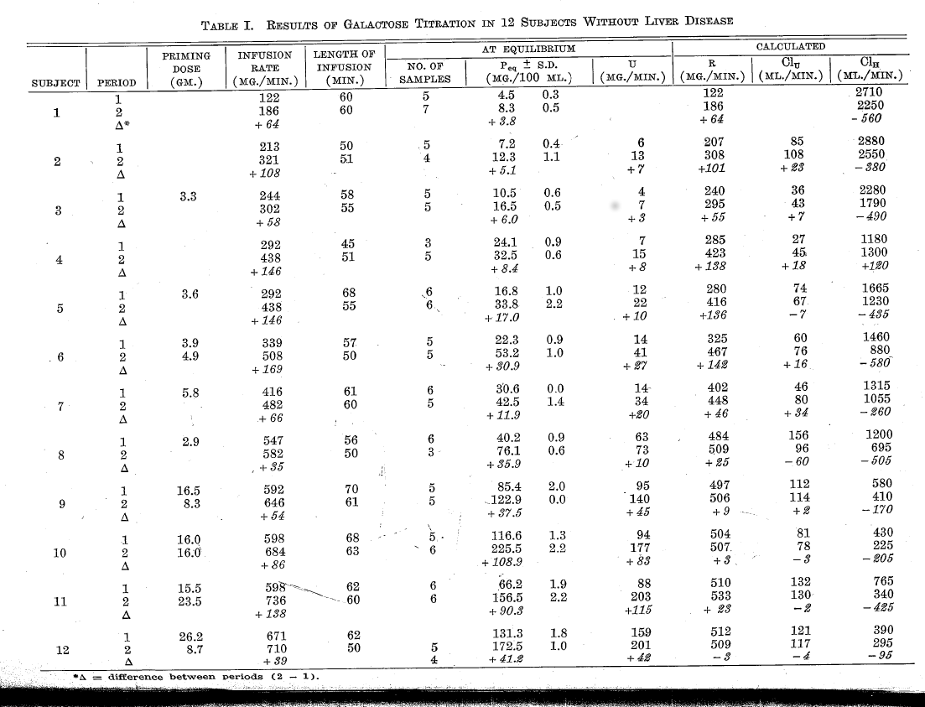
Figure 6
study | status | sex | subject | Infusion Rate [mg/min] | Infusion Rate [mmol/min] | time [min] | Peripheral galactose [mg/100ml] | Hepatic vein galactose [mg/100ml] | Peripheral galactose [mmol/L] | Hepatic vein galactose [mmol/L] | Extraction ratio (ca-cv)/ca [-]
study | status | sex | subject | Img | I | time | Peqmg | Phvmg | ca | cv | ER
wal1960 | healthy | male | 1 | 122 | 0.67777777778 | 10 | 12.222344 | 5.539863 | 0.67901911111 | 0.30777016667 | 0.54674299791
wal1960 | healthy | male | 1 | 122 | 0.67777777778 | 15 | 12.143603 | 6.228584 | 0.67464461111 | 0.34603244444 | 0.48708929302
wal1960 | healthy | male | 1 | 122 | 0.67777777778 | 20 | 20.280869 | 6.040305 | 1.1267149444 | 0.3355725 | 0.70216734796
wal1960 | healthy | male | 1 | 122 | 0.67777777778 | 25 | 23.708723 | 5.9615645 | 1.3171512778 | 0.33119802778 | 0.74854974264
wal1960 | healthy | male | 1 | 122 | 0.67777777778 | 30 | 24.725357 | 3.1450882 | 1.3736309444 | 0.17472712222 | 0.87279907829
wal1960 | healthy | male | 1 | 122 | 0.67777777778 | 35 | 27.165976 | 4.374497 | 1.5092208889 | 0.24302761111 | 0.83897147667
wal1960 | healthy | male | 1 | 122 | 0.67777777778 | 40 | 28.730995 | 5.945816 | 1.5961663889 | 0.33032311111 | 0.79305220721
wal1960 | healthy | male | 1 | 122 | 0.67777777778 | 50 | 28.684452 | 6.118346 | 1.5935806667 | 0.33990811111 | 0.78670165984
wal1960 | healthy | male | 1 | 122 | 0.67777777778 | 60 | 35.31899 | 9.138149 | 1.9621661111 | 0.50767494444 | 0.74126811101
wal1960 | healthy | male | 1 | 122 | 0.67777777778 | 70 | 39.21509 | 9.749529 | 2.1786161111 | 0.5416405 | 0.75138323028
wal1960 | healthy | male | 2 | 186 | 1.0333333333 | 5 | 20.736677 | 4.0595613 | 1.1520376111 | 0.22553118333 | 0.80423279487
wal1960 | healthy | male | 2 | 186 | 1.0333333333 | 10 | 30.83072 | 5.595611 | 1.7128177778 | 0.31086727778 | 0.81850534143
wal1960 | healthy | male | 2 | 186 | 1.0333333333 | 15 | NA | 7.0219436 | NA | NA | NA
wal1960 | healthy | male | 2 | 186 | 1.0333333333 | 20 | NA | 10.094044 | NA | NA | NA
wal1960 | healthy | male | 2 | 186 | 1.0333333333 | 25 | NA | 11.739812 | NA | NA | NA
wal1960 | healthy | male | 2 | 186 | 1.0333333333 | 30 | 33.90282 | 15.799373 | 1.88349 | 0.87774294444 | 0.53398056563
wal1960 | healthy | male | 2 | 186 | 1.0333333333 | 35 | NA | 19.749216 | NA | NA | NA
wal1960 | healthy | male | 2 | 186 | 1.0333333333 | 40 | 51.677116 | 21.175549 | 2.8709508889 | 1.1764193889 | 0.5902335378
wal1960 | healthy | male | 2 | 186 | 1.0333333333 | 46 | NA | 24.796238 | NA | NA | NA
wal1960 | healthy | male | 2 | 186 | 1.0333333333 | 50 | 65.17242 | 26.661442 | 3.62069 | 1.4811912222 | 0.59090912997

