Ducry1979
Urata1995 – Calculation of child and adult standard liver volume for transplantation

species | human
method | computed tomography (CT)
n | 96
subjects | japaneses in 96 patients (65 pediatric and 31 adolescent)

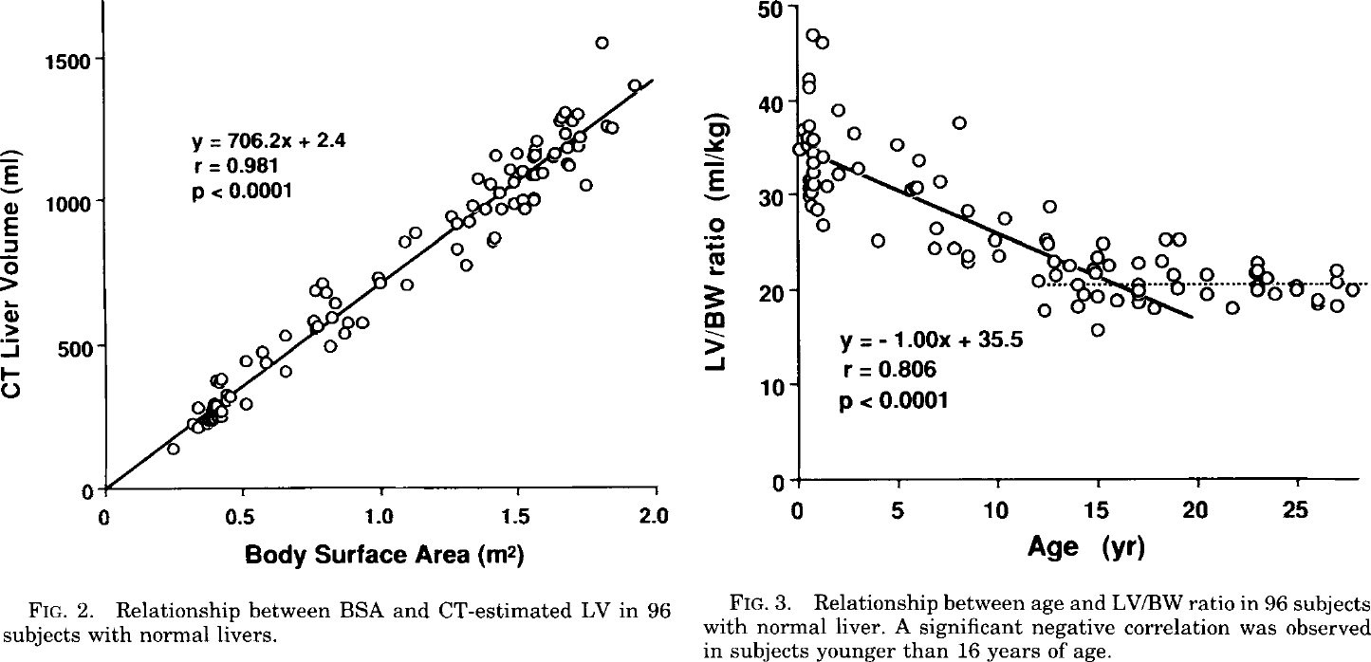
Figure 1
study | Health status /diagnosis | Sex [M,F,U] | Ethnicity | Body surface area (BSA) [m^2] | Liver volume [ml]
study | status | sex | Ethnicity | BSA | liverVol
ura1995 | healthy | U | japanese | 0.24188773 | 141.27083
ura1995 | healthy | U | japanese | 0.31116158 | 226.94475
ura1995 | healthy | U | japanese | 0.33180344 | 213.66074
ura1995 | healthy | U | japanese | 0.33205312 | 283.04294
ura1995 | healthy | U | japanese | 0.36286134 | 220.16603
ura1995 | healthy | U | japanese | 0.35257608 | 236.71979
ura1995 | healthy | U | japanese | 0.37333682 | 256.4749
ura1995 | healthy | U | japanese | 0.39051855 | 239.89838
ura1995 | healthy | U | japanese | 0.42158833 | 249.70758
ura1995 | healthy | U | japanese | 0.41821143 | 269.54245
ura1995 | healthy | U | japanese | 0.39760527 | 292.73822
ura1995 | healthy | U | japanese | 0.4010297 | 286.119
ura1995 | healthy | U | japanese | 0.45288402 | 322.29117
ura1995 | healthy | U | japanese | 0.5114089 | 295.66617
ura1995 | healthy | U | japanese | 0.43567854 | 332.2599
ura1995 | healthy | U | japanese | 0.4186276 | 385.17947
ura1995 | healthy | U | japanese | 0.40822345 | 368.6941
ura1995 | healthy | U | japanese | 0.39447808 | 381.95532
ura1995 | healthy | U | japanese | 0.51195586 | 447.64624
ura1995 | healthy | U | japanese | 0.56723464 | 477.1992
ura1995 | healthy | U | japanese | 0.5808968 | 440.81055
ura1995 | healthy | U | japanese | 0.65663904 | 407.52078
ura1995 | healthy | U | japanese | 0.6536545 | 536.3848
ura1995 | healthy | U | japanese | 0.7538436 | 588.91705
ura1995 | healthy | U | japanese | 0.77098966 | 562.4288
ura1995 | healthy | U | japanese | 0.81213063 | 496.21378
ura1995 | healthy | U | japanese | 0.8674689 | 542.2863
ura1995 | healthy | U | japanese | 0.8813926 | 578.5838
ura1995 | healthy | U | japanese | 0.93311614 | 578.4129
ura1995 | healthy | U | japanese | 0.82283205 | 595.29706
ura1995 | healthy | U | japanese | 0.8333551 | 644.8216
ura1995 | healthy | U | japanese | 0.8024518 | 681.2672
ura1995 | healthy | U | japanese | 0.75766045 | 691.327
ura1995 | healthy | U | japanese | 0.78877777 | 714.3519
ura1995 | healthy | U | japanese | 0.9854223 | 740.13385
ura1995 | healthy | U | japanese | 0.9991201 | 713.6569
ura1995 | healthy | U | japanese | 1.0956588 | 710.034
ura1995 | healthy | U | japanese | 1.0892974 | 858.733
ura1995 | healthy | U | japanese | 1.1273469 | 891.6468
ura1995 | healthy | U | japanese | 1.2788671 | 834.97894
ura1995 | healthy | U | japanese | 1.309699 | 778.7099
ura1995 | healthy | U | japanese | 1.2551337 | 947.3918
ura1995 | healthy | U | japanese | 1.275728 | 920.89215
ura1995 | healthy | U | japanese | 1.3171425 | 930.6672
ura1995 | healthy | U | japanese | 1.406535 | 857.6848
ura1995 | healthy | U | japanese | 1.4169391 | 874.1702
ura1995 | healthy | U | japanese | 1.3345739 | 983.47284
ura1995 | healthy | U | japanese | 1.3828136 | 973.4016
ura1995 | healthy | U | japanese | 1.4414335 | 973.2079
ura1995 | healthy | U | japanese | 1.4828837 | 992.8947
ura1995 | healthy | U | japanese | 1.5241911 | 972.9345
ura1995 | healthy | U | japanese | 1.5174017 | 1002.6925
ura1995 | healthy | U | japanese | 1.5553442 | 1005.8711
ura1995 | healthy | U | japanese | 1.3521718 | 1082.5333
ura1995 | healthy | U | japanese | 1.3969275 | 1062.5618
ura1995 | healthy | U | japanese | 1.431291 | 1029.4087
ura1995 | healthy | U | japanese | 1.4179736 | 1161.6108
ura1995 | healthy | U | japanese | 1.4695188 | 1111.8812
ura1995 | healthy | U | japanese | 1.4831452 | 1065.5808
ura1995 | healthy | U | japanese | 1.5177703 | 1105.1139
ura1995 | healthy | U | japanese | 1.4972949 | 1164.6527
ura1995 | healthy | U | japanese | 1.5453086 | 1091.807
ura1995 | healthy | U | japanese | 1.5625498 | 1091.7501
ura1995 | healthy | U | japanese | 1.5936077 | 1098.2554
ura1995 | healthy | U | japanese | 1.5627877 | 1157.8284
ura1995 | healthy | U | japanese | 1.5559624 | 1177.6747
ura1995 | healthy | U | japanese | 1.5698743 | 1210.6682
ura1995 | healthy | U | japanese | 1.624832 | 1151.0155
ura1995 | healthy | U | japanese | 1.6317761 | 1164.2084
ura1995 | healthy | U | japanese | 1.6799562 | 1137.6176
ura1995 | healthy | U | japanese | 1.6867932 | 1121.0752
ura1995 | healthy | U | japanese | 1.7451755 | 1054.8032
ura1995 | healthy | U | japanese | 1.6801227 | 1183.8723
ura1995 | healthy | U | japanese | 1.7215253 | 1190.3435
ura1995 | healthy | U | japanese | 1.7285287 | 1220.0559
ura1995 | healthy | U | japanese | 1.6699682 | 1236.7692
ura1995 | healthy | U | japanese | 1.6494097 | 1273.1805
ura1995 | healthy | U | japanese | 1.6563655 | 1289.6774
ura1995 | healthy | U | japanese | 1.6702298 | 1309.4553
ura1995 | healthy | U | japanese | 1.7184813 | 1302.688
ura1995 | healthy | U | japanese | 1.6976849 | 1273.0211
ura1995 | healthy | U | japanese | 1.8217738 | 1259.3953
ura1995 | healthy | U | japanese | 1.8493478 | 1256.0002
ura1995 | healthy | U | japanese | 1.9222839 | 1401.1332
ura1995 | healthy | U | japanese | 1.805579 | 1550.1967

