Schnegg1986
Schnegg1986 – Quantitative Liver Function in the Elderly Assessed by GEC
Table 1 & Table 2 |  |  |  |  |  |  |  |  |  |  |  |  |  |  | Caffeine saliva clearance |  |  | Galactose elimination capacity |  |  |  |  |  | Aminopyrine breath test
Study | Status | Subject No. | Sex | age [years] | body weight [kg] | Haemoglobin [g/dl] | Leucocytes [x10^9/l] | Prothrombin time [%] | Serum creatinine [µmoles/l] | Total serum bilirubin [µmoles/l] | AST [U/l] | ALT [U/l] | Gamma-GT [U/l] | Alkaline Phosphatase [U/l] | Fasting serum bile acids [µmoles/l] | drug treatment and smoking history | ke [1/h] | t0.5 (h) | Cl [ml/min/kg] | GEC [mg/min/kg] | Vd [l] | Urine galactose [g] | Urine galactose [%] | c0 [mg/dl] | c45 [mg/dl] | [14C] Aminopyrine breath test [% does x kg/mmoles CO2]
study | status | subject | sex | age | bodyweight | haemoglobin | leucocytes | prothrombin | creatinine | bilirubin | AST | ALT | GT | AP | bileacids | history | ke | t05 | Cl | GEC | Vd | Ugal | Ugalpercent | c0 | c45 | aminopyrine
sch1986 | healthy | 1 | m | 88 | 59 | 15.1 | 5.4 | 76 | 119 | 9 | 18 | 10 | 20 | 51 | 2.2 | 1 | 0.106 | 6.6 | 1.06 | 3.7 | 12.2 | 1.95 | 7.9 | 200 | 108 | 0.646
sch1986 | healthy | 2 | m | 85 | 65 | 13.8 | 3.4 | 83 | 113 | 16 | 15 | 12 | 36 | 45 | 2.5 | NA | 0.08 | 8.7 | 0.8 | 5.8 | 18.7 | 2.09 | 6.4 | 173 | 67 | 0.481
sch1986 | healthy | 3 | f | 82 | 82 | 15.4 | 4.2 | 90 | 85 | 9 | 17 | 9 | 31 | 43 | 2.4 | 2 | 0.053 | 13.2 | 0.53 | 5.6 | 17.3 | 4.93 | 11.9 | 238 | 92 | 0.586
sch1986 | healthy | 4 | f | 81 | 67 | 14.2 | 4.3 | 93 | 101 | 12 | 15 | 23 | 18 | 50 | 1.3 | 2,3,4 | 0.098 | 7.1 | 0.98 | 5 | 14 | 2.53 | 7.5 | 240 | 113 | 0.471
sch1986 | healthy | 5 | m | 81 | 72 | 12.7 | 4.2 | 88 | 102 | 5 | 14 | 13 | 18 | 84 | 3.2 | NA | NA | NA | NA | 4.8 | 18.8 | 3.2 | 8.9 | 190 | 94 | 0.886
sch1986 | healthy | 6 | f | 80 | 45 | 15.4 | 5.3 | 100 | 74 | 9 | 15 | 14 | 27 | 46 | 1.7 | 5 | NA | NA | NA | 7.2 | 15.1 | 2.3 | 10.1 | 150 | 33 | 0.94
sch1986 | healthy | 7 | f | 78 | 64 | 13.1 | 4.8 | 88 | 85 | 9 | 14 | 13 | 14 | 74 | 0.6 | 6 | NA | NA | NA | 6.3 | 13 | 3.26 | 10.1 | 248 | 80 | 0.445
sch1986 | healthy | 8 | f | 77 | 60 | 14.9 | 5.7 | 96 | 79 | 26 | 14 | 15 | 14 | 68 | 2.6 | NA | 0.158 | 4.4 | 1.58 | 6.9 | 15.6 | 2.95 | 9.8 | 192 | 49 | 0.747
sch1986 | healthy | 9 | m | 76 | 62 | 14.1 | 3.6 | 85 | 91 | 18 | 19 | 12 | 15 | 49 | 1.1 | NA | 0.105 | 6.6 | 1.05 | 7 | 20 | 1.48 | 4.8 | 154 | 43 | 0.54
sch1986 | healthy | 10 | f | 75 | 71 | 14.3 | 5.1 | 100 | 81 | 11 | 13 | 14 | 16 | 84 | 2.5 | NA | 0.092 | 7.5 | 0.92 | 6.1 | 15 | 3.84 | 10.7 | 237 | 78 | 0.524
sch1986 | healthy | 11 | f | 71 | 59 | 14 | 4.5 | 100 | 78 | 9 | 14 | 14 | 20 | 72 | 4.4 | 7 | NA | NA | NA | 4.8 | 13.2 | 2.87 | 9.7 | 224 | 115 | 0.949
sch1986 | healthy | 12 | m | 71 | 86 | 16.6 | 6.2 | 92 | 82 | 14 | 12 | 11 | 23 | 68 | 2.5 | NA | 0.036 | 19.2 | 0..36 | 7.4 | 17.5 | 3.84 | 8.9 | 246 | 52 | 0.332
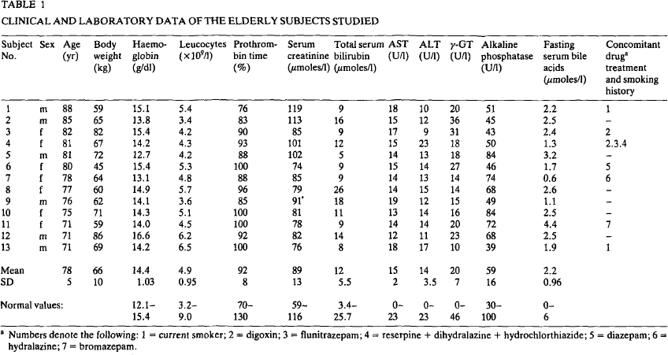
sch1986 | healthy | 13 | m | 71 | 69 | 14.2 | 6.5 | 100 | 76 | 8 | 18 | 17 | 10 | 39 | 1.9 | 1 | 0.148 | 4.7 | 1.48 | 8.4 | 21.7 | 3.65 | 10.5 | 160 | 19 | 0.485

Table 3 |  | Galactose elimination capacity |  |  |  |  | Caffeine saliva clearance |  |  |  |  | Aminopyrine breath test
 | Status | n GEC | mean age GEC [years] | sd age GEC [years] | Galactose elimination capacity [mg/min/kg] | Galactose elimination capacity [mg/min/kg] SD | n Caffeine saliva clearance | mean age Caf [years] | sd age Caf [years] | Caffeine saliva clearance [ml/min/kg] | Caffeine saliva clearance [ml/min/kg] SD | n AP | mean age AP [years] | sd age AP [years] | Aminopyrine breath test [% dose x kg/mmoles CO2] | Aminopyrine breath test [% dose x kg/mmoles CO2] SD
 | status | nGEC | ageGEC | ageGECSD | GEC | GECSD | nCaf | ageCaf | ageCafSD | Caf | CafSD | nAP | ageAP | ageAPSD | AP | APSD
young adult subjects [<40yr] | healthy | 70 | 25 | 5 | 7.48 | 0.94 | 15 | 29 | 6 | 1.49 | 0.44 | 20 | 29 | 6 | 0.79 | 0.15
middle aged subjects [40-70yr] | healthy | 11 | 53 | 8 | 7.08 | 0.68 | 14 | 55 | 8 | 1.46 | 0.55 | 11 | 55 | 8 | 0.74 | 0.21
elderly subjects [>70yr] | healthy | 13 | 78 | 5 | 6.08 | 1.3 | 9 | 78 | 6 | 0.97 | 0.39 | 13 | 78 | 5 | 0.62 | 0.2

Figure 1 |  |  |  |  |  | Figure 2 |  |  |  |  |  | Figure 3
Study | Sex | age [years] | Galactose elimination capacity [mg/min/kg] | Status |  | Study | Sex | age [years] | Caffeine clearance [ml/min/kg] | Sex |  | Study | Sex | age [years] | Aminopyrine breath test [% dose kg mmol/Co2] | Sex
study | sex | age | GECmgkg | status |  | study | sex | age | Caf | sex |  | study | sex | age | AP | sex
sch1986 | U | 15.773049 | 9.121622 | healthy |  | sch1986 | U | 24.745762 | 0.79909706 | healthy |  | sch1986 | U | 18.177933 | 0.70413697 | healthy
sch1986 | U | 18.609928 | 9.90991 | healthy |  | sch1986 | U | 27.00565 | 0.8171558 | healthy |  | sch1986 | U | 22.092466 | 0.54698414 | healthy
sch1986 | U | 19.631207 | 8.175675 | healthy |  | sch1986 | U | 27.79661 | 0.83972913 | healthy |  | sch1986 | U | 20.1282 | 0.9903361 | healthy
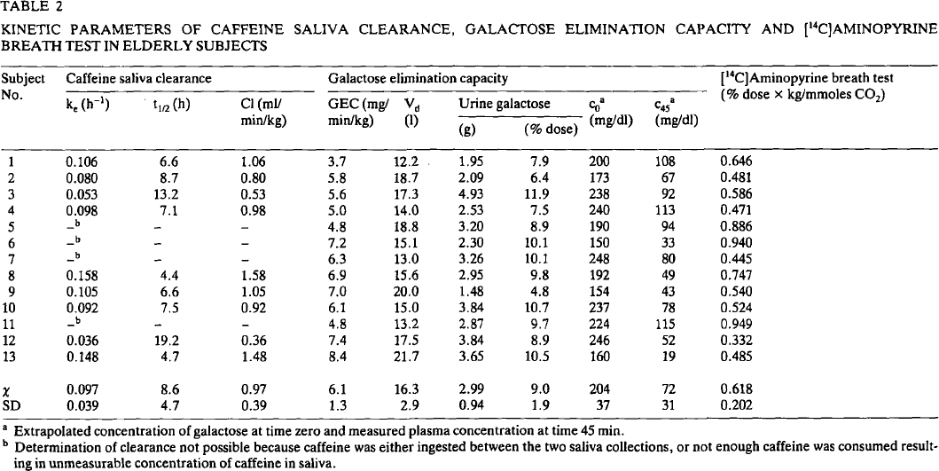
sch1986 | U | 19.74468 | 7.9504504 | healthy |  | sch1986 | U | 28.58757 | 0.9616253 | healthy |  | sch1986 | U | 23.340578 | 0.7616519 | healthy
sch1986 | U | 19.74468 | 7.747748 | healthy |  | sch1986 | U | 29.83051 | 1.2054176 | healthy |  | sch1986 | U | 24.555534 | 0.82291234 | healthy
sch1986 | U | 20.652483 | 7.117117 | healthy |  | sch1986 | U | 32.542374 | 1.3227991 | healthy |  | sch1986 | U | 25.05581 | 0.7546874 | healthy
sch1986 | U | 21.67376 | 6.0135136 | healthy |  | sch1986 | U | 23.728813 | 1.4808127 | healthy |  | sch1986 | U | 25.39547 | 0.73761296 | healthy
sch1986 | U | 22.695036 | 6.103604 | healthy |  | sch1986 | U | 27.79661 | 1.4266366 | healthy |  | sch1986 | U | 26.092466 | 0.7852811 | healthy
sch1986 | U | 23.716312 | 5.608108 | healthy |  | sch1986 | U | 22.146893 | 1.683973 | healthy |  | sch1986 | U | 27.286057 | 0.7476791 | healthy
sch1986 | U | 23.943262 | 5.36036 | healthy |  | sch1986 | U | 24.632769 | 1.9683973 | healthy |  | sch1986 | U | 27.109964 | 0.7272395 | healthy
sch1986 | U | 21.560284 | 9.099099 | healthy |  | sch1986 | U | 26.779661 | 1.972912 | healthy |  | sch1986 | U | 27.268373 | 0.66586196 | healthy
sch1986 | U | 21.333334 | 8.941442 | healthy |  | sch1986 | U | 25.649717 | 1.7562077 | healthy |  | sch1986 | U | 30.375391 | 0.74400675 | healthy
sch1986 | U | 21.67376 | 8.693694 | healthy |  | sch1986 | U | 28.58757 | 1.6117382 | healthy |  | sch1986 | U | 29.419783 | 1.0884085 | healthy
sch1986 | U | 23.602837 | 8.941442 | healthy |  | sch1986 | U | 34.915253 | 1.5891647 | healthy |  | sch1986 | U | 35.244797 | 1.0333662 | healthy
sch1986 | U | 24.51064 | 8.873874 | healthy |  | sch1986 | U | 33.559322 | 1.8465011 | healthy |  | sch1986 | U | 35.235954 | 0.9924577 | healthy
sch1986 | U | 25.41844 | 8.693694 | healthy |  | sch1986 | U | 35.028248 | 2.1083522 | healthy |  | sch1986 | U | 33.313686 | 0.8358023 | healthy
sch1986 | U | 24.624113 | 8.581081 | healthy |  | sch1986 | U | 41.920902 | 1.683973 | healthy |  | sch1986 | U | 33.310738 | 0.82216614 | healthy
sch1986 | U | 23.716312 | 8.558558 | healthy |  | sch1986 | U | 43.954803 | 1.6659142 | healthy |  | sch1986 | U | 34.129307 | 0.6380043 | healthy
sch1986 | U | 22.695036 | 8.22072 | healthy |  | sch1986 | U | 45.536724 | 0.83972913 | healthy |  | sch1986 | U | 35.12912 | 0.49814552 | healthy
sch1986 | U | 21.90071 | 8.018018 | healthy |  | sch1986 | U | 53.78531 | 0.83972913 | healthy |  | sch1986 | U | 39.289005 | 0.68188304 | healthy
sch1986 | U | 22.58156 | 8.018018 | healthy |  | sch1986 | U | 53.446327 | 1.1376975 | healthy |  | sch1986 | U | 40.342606 | 0.7908848 | healthy
sch1986 | U | 22.80851 | 7.927928 | healthy |  | sch1986 | U | 50.847458 | 1.3182844 | healthy |  | sch1986 | U | 47.27869 | 1.1107502 | healthy
sch1986 | U | 21.106382 | 7.3873873 | healthy |  | sch1986 | U | 50.847458 | 1.5395033 | healthy |  | sch1986 | U | 52.374287 | 0.85804164 | healthy
sch1986 | U | 21.67376 | 7.5 | healthy |  | sch1986 | U | 59.435028 | 0.979684 | healthy |  | sch1986 | U | 50.434334 | 0.6195691 | healthy
sch1986 | U | 22.014185 | 7.3423424 | healthy |  | sch1986 | U | 57.627117 | 1.9683973 | healthy |  | sch1986 | U | 57.098545 | 0.47581843 | healthy
sch1986 | U | 21.787233 | 7.0945945 | healthy |  | sch1986 | U | 55.932205 | 2.4108353 | healthy |  | sch1986 | U | 58.421074 | 1.0348 | healthy
sch1986 | U | 21.90071 | 6.9144144 | healthy |  | sch1986 | U | 61.80791 | 2.343115 | healthy |  | sch1986 | U | 63.176277 | 0.795757 | healthy
sch1986 | U | 22.58156 | 6.9144144 | healthy |  | sch1986 | U | 62.59887 | 1.7155756 | healthy |  | sch1986 | U | 61.24369 | 0.59137493 | healthy
sch1986 | U | 22.014185 | 6.599099 | healthy |  | sch1986 | U | 70.62147 | 1.4627539 | healthy |  | sch1986 | U | 62.270767 | 0.57765096 | healthy
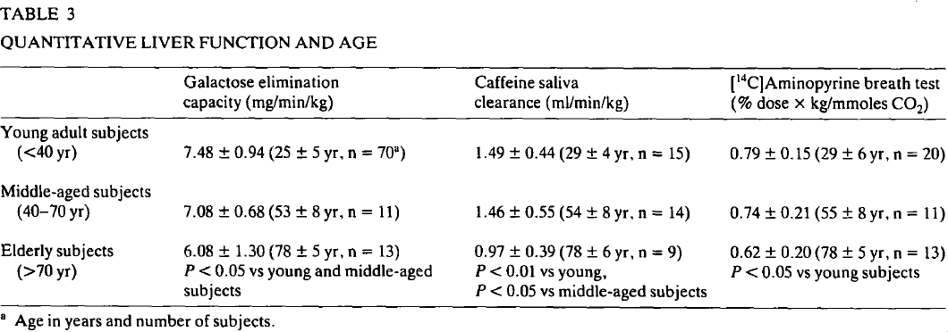
Figure 1
sch1986 | U | 22.80851 | 6.463964 | healthy |  | sch1986 | U | 76.94915 | 1.5620768 | healthy |  | sch1986 | U | 63.63087 | 0.51617104 | healthy
sch1986 | U | 22.695036 | 6.6666665 | healthy |  | sch1986 | U | 75.81921 | 1.006772 | healthy |  | sch1986 | U | 71.27574 | 0.9382494 | healthy
sch1986 | U | 23.716312 | 6.463964 | healthy |  | sch1986 | U | 74.57627 | 0.96614 | healthy |  | sch1986 | U | 80.20188 | 0.9340795 | healthy
sch1986 | U | 23.829786 | 6.6216216 | healthy |  | sch1986 | U | 70.62147 | 0.35665914 | healthy |  | sch1986 | U | 81.220116 | 0.8794469 | healthy
sch1986 | U | 23.716312 | 6.846847 | healthy |  | sch1986 | U | 81.694916 | 0.510158 | healthy |  | sch1986 | U | 77.240005 | 0.73319435 | healthy
sch1986 | U | 23.48936 | 7.0495496 | healthy |  | sch1986 | U | 84.745766 | 0.79006773 | healthy |  | sch1986 | U | 70.8322 | 0.47464794 | healthy
sch1986 | U | 23.262411 | 7.2297297 | healthy |  | sch1986 | U | 80.56497 | 0.9751693 | healthy |  | sch1986 | U | 70.97071 | 0.3212261 | healthy
sch1986 | U | 23.716312 | 7.31982 | healthy |  | sch1986 | U | 87.68362 | 1.0383747 | healthy |  | sch1986 | U | 75.132805 | 0.5151908 | healthy
sch1986 | U | 22.921986 | 7.454955 | healthy |  |  |  |  |  |  |  | sch1986 | U | 76.16725 | 0.53555727 | healthy
sch1986 | U | 23.148935 | 7.635135 | healthy |  |  |  |  |  |  |  | sch1986 | U | 78.03352 | 0.43312484 | healthy
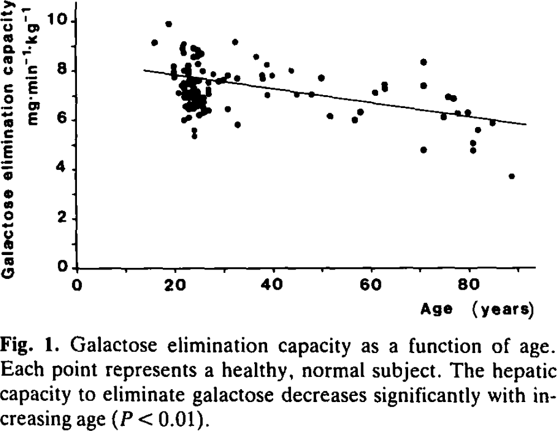
sch1986 | U | 24.624113 | 7.5900903 | healthy |  |  |  |  |  |  |  | sch1986 | U | 80.95856 | 0.46355754 | healthy
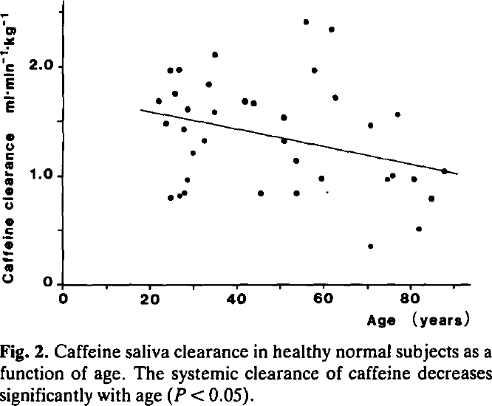
sch1986 | U | 24.170214 | 7.207207 | healthy |  |  |  |  |  |  |  | sch1986 | U | 82.1853 | 0.5793628 | healthy
sch1986 | U | 24.737589 | 7.0945945 | healthy |  |  |  |  |  |  |  | sch1986 | U | 88.2063 | 0.6368046 | healthy
Caf
sch1986 | U | 25.304964 | 6.936937 | healthy |  |  |  |  |  |  |  | sch1986 | U | 85.0816 | 0.4768426 | healthy
sch1986 | U | 25.64539 | 6.779279 | healthy
AP
sch1986 | U | 25.41844 | 6.5540543 | healthy
sch1986 | U | 26.780142 | 6.396396 | healthy
sch1986 | U | 25.758865 | 6.3063064 | healthy
sch1986 | U | 25.078014 | 6.1936936 | healthy
sch1986 | U | 24.624113 | 6.6216216 | healthy
sch1986 | U | 24.624113 | 6.779279 | healthy
sch1986 | U | 24.283688 | 7.0045047 | healthy
sch1986 | U | 24.624113 | 8.265766 | healthy
sch1986 | U | 25.531916 | 7.972973 | healthy
sch1986 | U | 27.687943 | 7.86036 | healthy
sch1986 | U | 26.893618 | 7.5225224 | healthy
sch1986 | U | 26.666666 | 7.2747746 | healthy
sch1986 | U | 26.893618 | 7.1846848 | healthy
sch1986 | U | 26.893618 | 7.072072 | healthy
sch1986 | U | 30.751774 | 6.463964 | healthy
sch1986 | U | 32.567375 | 5.8333335 | healthy
sch1986 | U | 28.822695 | 7.5900903 | healthy
sch1986 | U | 29.957447 | 7.635135 | healthy
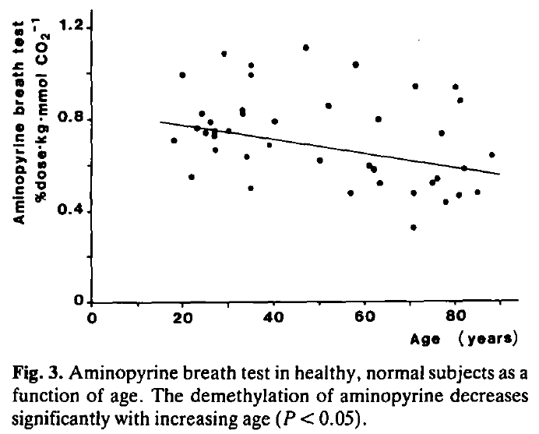
sch1986 | U | 30.638298 | 7.8153152 | healthy
sch1986 | U | 32.567375 | 7.68018 | healthy
sch1986 | U | 32.113476 | 9.189189 | healthy
sch1986 | U | 36.539005 | 8.558558 | healthy
sch1986 | U | 37.67376 | 7.8153152 | healthy
sch1986 | U | 37.90071 | 7.7027025 | healthy
sch1986 | U | 38.695034 | 7.0045047 | healthy
sch1986 | U | 38.581562 | 8.265766 | healthy
sch1986 | U | 39.716312 | 7.8153152 | healthy
sch1986 | U | 43.574467 | 7.9954953 | healthy
sch1986 | U | 44.70922 | 7.0495496 | healthy
sch1986 | U | 47.77305 | 7.072072 | healthy
sch1986 | U | 49.70213 | 7.68018 | healthy
sch1986 | U | 51.51773 | 6.1486487 | healthy
sch1986 | U | 56.51064 | 6.0135136 | healthy
sch1986 | U | 57.64539 | 6.328829 | healthy
sch1986 | U | 60.595745 | 7.13964 | healthy
sch1986 | U | 62.638298 | 7.252252 | healthy
sch1986 | U | 62.638298 | 7.4324327 | healthy
sch1986 | U | 70.35461 | 8.355856 | healthy
sch1986 | U | 70.46809 | 7.3873873 | healthy
sch1986 | U | 70.58156 | 4.7972975 | healthy
sch1986 | U | 74.43971 | 6.1486487 | healthy
sch1986 | U | 75.34752 | 6.9594593 | healthy
sch1986 | U | 76.59574 | 6.891892 | healthy
sch1986 | U | 77.39007 | 6.283784 | healthy
sch1986 | U | 79.5461 | 6.328829 | healthy
sch1986 | U | 81.702126 | 5.608108 | healthy
sch1986 | U | 84.53901 | 5.900901 | healthy
sch1986 | U | 80.680855 | 5.0675673 | healthy
sch1986 | U | 80.567375 | 4.7972975 | healthy
sch1986 | U | 88.510635 | 3.7387388 | healthy

