Sheet1
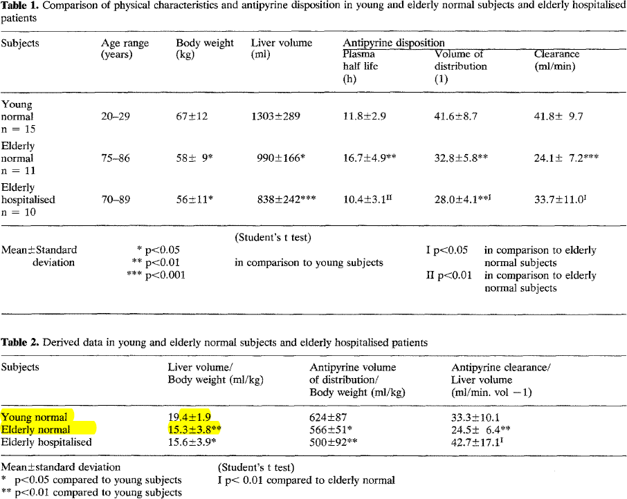
Swift1978 – Antipyrene.disposition.and.liver.size
species | human
method | antipyrene clearance
n
subjects | healthy individuals & hospitalized elderly, liver volume by ultrasonic scanning technique

Table 1
study | status | sex | state | n | age [years] | Minimum age in class [years] | Maximum age in class [years] | bodyweight [kg] | Bodyweight Standard deviation [kg] | Liver Volume [ml] | Liver Volume Standard deviation [ml] | Liver Volume per bodyweight [ml/kg] | Liver Volume per bodyweight standard deviation [ml/kg]
study | status | sex | state | n | age | ageMin | ageMax | bodyweight | bodyweightSd | volLiver | volLiverSd | volLiverkg | volLiverkgSd
swi1978 | healthy | U | young normal | 15 | 24.5 | 20 | 29 | 67 | 12 | 1303 | 289 | 19.4 | 1.9
swi1978 | healthy | U | elderly normal | 11 | 80.5 | 75 | 86 | 58 | 9 | 990 | 166 | 15.3 | 3.8
swi1978 | hospitalized | U | elderly hospitalised | 10 | 79.5 | 70 | 89 | 56 | 11 | 838 | 242 | 15.6 | 3.9

