Winkler1965
Winkler1965 – Determination of hepatic flow in man
study | status | subject | sex | age | height [cm] | weight [kg] | Hematocrit [%] | amount galactose infused [mg/min] | amount galactose infused [mmol/min] | hepatic blood flow [ml/min] M1 | hepatic blood flow [ml/min] M2 | hepatic blood flow [ml/min] | arterial concentrations galactose [mg/l] | arterial concentrations galactose [mmol/l] | Arterio-hepatovenous extraction (per cent) M1 | Arterio-hepatovenous extraction (per cent) M2 | GE estimate: R = I – (DeltaP x V) [mmol/min]
study | status | subject | sex | age | height | bodyweight | hematocrit | galInfusedmg | galInfused | bloodflowM1 | bloodflowM2 | flowLiver | galAmg | galA | extractionM1 | extractionM2 | GEC
win1965 | healthy | 1 | male | 59 | 173 | 85 | 35 | 211 | 1.17 | NA | NA | NA | NA | NA | NA | NA | NA
win1965 | healthy | 2 | male | 23 | 182 | 81 | 48 | 223 | 1.24 | 2390 | 2600 | 2495 | 152 | 0.84 | 81.6 | 71.7 | 1.6149303333
win1965 | healthy | 3 | male | 52 | 164 | 67 | 35 | 185 | 1.03 | 2000 | 2250 | 2125 | 161 | 0.89 | 65.8 | 58.4 | 1.18033125
win1965 | healthy | 4 | male | 51 | 160 | 51 | 58 | 267 | 1.48 | 1450 | 1510 | 1480 | 346 | 1.92 | 67.3 | 65.3 | 1.8861613333
win1965 | healthy | 5 | male | 40 | 188 | 100 | 44 | 366 | 2.03 | 1780 | 1680 | 1730 | 271 | 1.51 | 93 | 98.5 | 2.4939151389
win1965 | healthy | 6 | male | 19 | 183 | 80 | 41 | 305 | 1.69 | 1580 | 1800 | 1690 | 294 | 1.63 | 77.6 | 68.4 | 2.0150433333
win1965 | healthy | 7 | female | 49 | 159 | 49 | 40 | 269 | 1.49 | 1450 | 1730 | 1590 | 237 | 1.32 | 92.8 | 78.1 | 1.78889575
win1965 | healthy | 8 | female | 17 | 171 | 56 | 38 | 287 | 1.59 | 1470 | 1430 | 1450 | 266 | 1.48 | 85.3 | 90.2 | 1.8802875

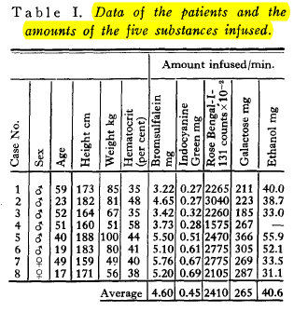
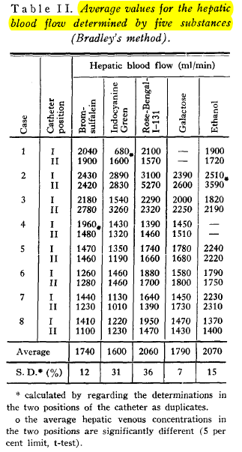
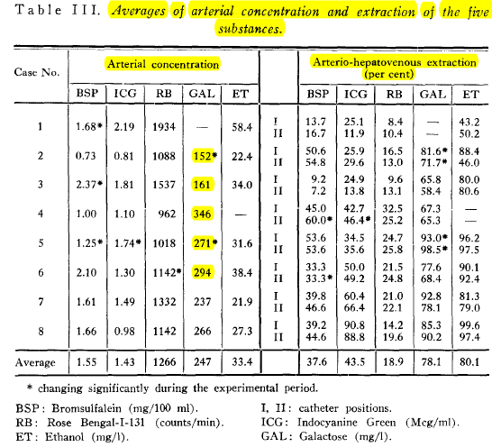
Measurements by indirect method of Bradley
 |  |  |  |  |  | 264.13 | 1.47 |  | 1794.29 | 246.71 |  |  | 75.80
 |  |  |  |  |  |  |  |  | S.D [%] 7

