Wynne1989
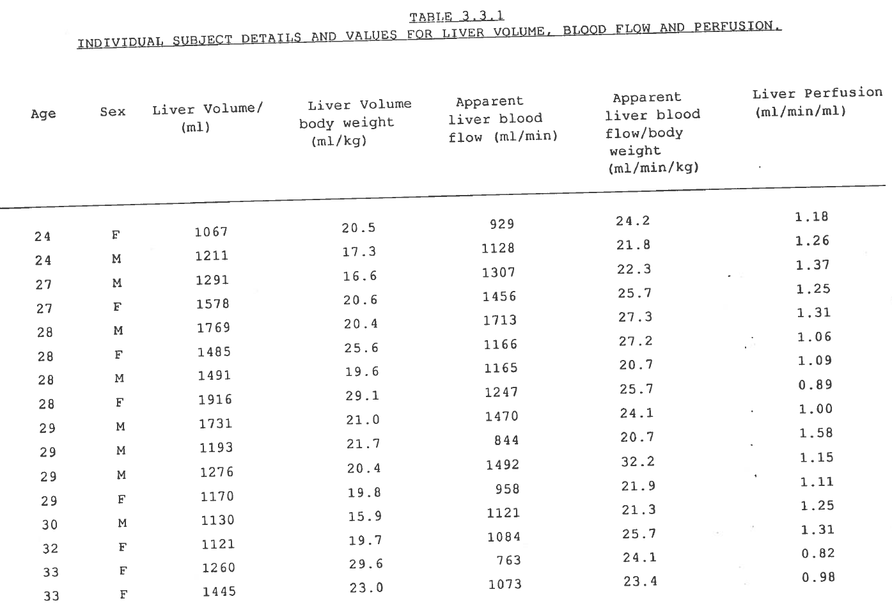
page | Identification number | Age [years] | Sex [M,F] | Liver volume [ml] | Liver Volume per body weight [ml/kg] | Apparent liver blood flow [ml/min] | Apparent liver blood flow per body weight [ml/min/kg] | Liver perfusion [ml/min/ml] |  | Body weight from volume [kg] | Body weight from blood flow [kg] | body weight factor [-] | Liver perfusion [ml/min/ml] | perfusion factor [-]
page | id | age | sex | livVolume | livVolumekg | livBloodflow | livBloodflowkg | perfusion |  | bodyweight1 | bodyweight2 | bodyweightFactor | perfusionControl | perfusion factor [-]
145 | 1 | 24 | F | 1067 | 20.5 | 929 | 24.2 | 1.18 |  | 52.0 | 38.4 | 1.36 | 0.87 | 1.36
145 | 2 | 24 | M | 1211 | 17.3 | 1128 | 21.8 | 1.26 |  | 70.0 | 51.7 | 1.35 | 0.93 | 1.35
145 | 3 | 27 | M | 1291 | 16.6 | 1307 | 22.3 | 1.37 |  | 77.8 | 58.6 | 1.33 | 1.01 | 1.35
145 | 4 | 27 | F | 1578 | 20.6 | 1456 | 25.7 | 1.25 |  | 76.6 | 56.7 | 1.35 | 0.92 | 1.35
145 | 5 | 28 | M | 1769 | 20.4 | 1713 | 27.3 | 1.31 |  | 86.7 | 62.7 | 1.38 | 0.97 | 1.35
145 | 6 | 28 | F | 1485 | 25.6 | 1166 | 27.2 | 1.06 |  | 58.0 | 42.9 | 1.35 | 0.79 | 1.35
145 | 7 | 28 | M | 1491 | 19.6 | 1165 | 20.7 | 1.09 |  | 76.1 | 56.3 | 1.35 | 0.78 | 1.40
145 | 8 | 28 | F | 1916 | 29.1 | 1247 | 25.7 | 0.89 |  | 65.8 | 48.5 | 1.36 | 0.65 | 1.37
145 | 9 | 29 | M | 1731 | 21.0 | 1470 | 24.1 | 1.00 |  | 82.4 | 61.0 | 1.35 | 0.85 | 1.18
145 | 10 | 29 | M | 1193 | 21.7 | 844 | 20.7 | 1.58 |  | 55.0 | 40.8 | 1.35 | 0.71 | 2.23
145 | 11 | 29 | M | 1276 | 20.4 | 1492 | 32.2 | 1.15 |  | 62.5 | 46.3 | 1.35 | 1.17 | 0.98
145 | 12 | 29 | F | 1170 | 19.8 | 958 | 21.9 | 1.11 |  | 59.1 | 43.7 | 1.35 | 0.82 | 1.36
145 | 13 | 30 | M | 1130 | 15.9 | 1121 | 21.3 | 1.25 |  | 71.1 | 52.6 | 1.35 | 0.99 | 1.26
145 | 14 | 32 | F | 1121 | 19.7 | 1084 | 25.7 | 1.31 |  | 56.9 | 42.2 | 1.35 | 0.97 | 1.35
145 | 15 | 33 | F | 1260 | 29.6 | 763 | 24.1 | 0.82 |  | 42.6 | 31.7 | 1.34 | 0.61 | 1.35
145 | 16 | 33 | F | 1445 | 23.0 | 1073 | 23.4 | 0.98 |  | 62.8 | 45.9 | 1.37 | 0.74 | 1.32
146 | 17 | 33 | F | 1043 | 18.3 | 848 | 20.1 | 1.00 |  | 57.0 | 42.2 | 1.35 | 0.81 | 1.23
146 | 18 | 33 | M | 1568 | 20.6 | 1134 | 20.1 | 1.09 |  | 76.1 | 56.4 | 1.35 | 0.72 | 1.51
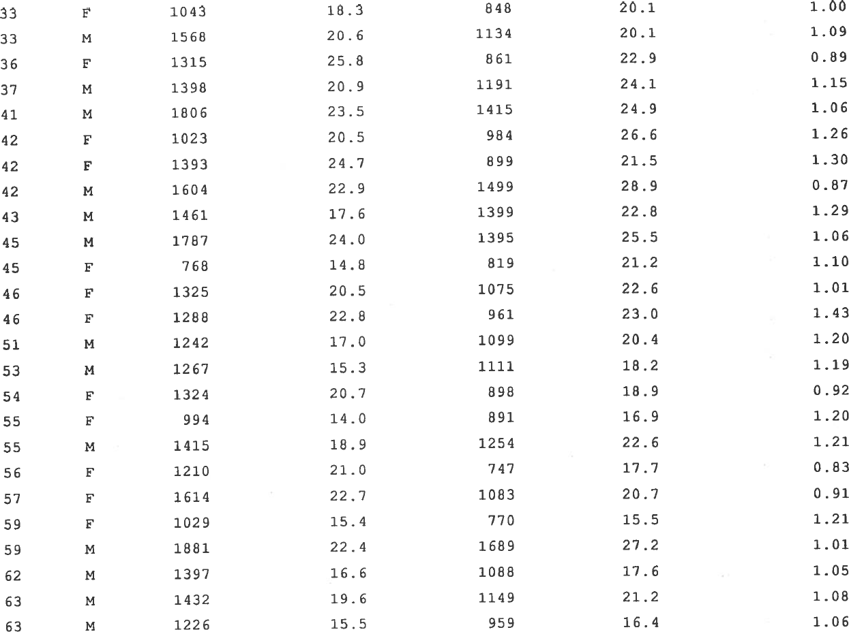
146 | 19 | 36 | F | 1315 | 25.8 | 861 | 22.9 | 0.89 |  | 51.0 | 37.6 | 1.36 | 0.65 | 1.36
146 | 20 | 37 | M | 1398 | 20.9 | 1191 | 24.1 | 1.15 |  | 66.9 | 49.4 | 1.35 | 0.85 | 1.35
146 | 21 | 41 | M | 1806 | 23.5 | 1415 | 24.9 | 1.06 |  | 76.9 | 56.8 | 1.35 | 0.78 | 1.35
146 | 22 | 42 | F | 1023 | 20.5 | 984 | 26.6 | 1.26 |  | 49.9 | 37.0 | 1.35 | 0.96 | 1.31
146 | 23 | 42 | F | 1393 | 24.7 | 899 | 21.5 | 1.30 |  | 56.4 | 41.8 | 1.35 | 0.65 | 2.01
146 | 24 | 42 | M | 1604 | 22.9 | 1499 | 28.9 | 0.87 |  | 70.0 | 51.9 | 1.35 | 0.93 | 0.93
146 | 25 | 43 | M | 1461 | 17.6 | 1399 | 22.8 | 1.29 |  | 83.0 | 61.4 | 1.35 | 0.96 | 1.35
146 | 26 | 45 | M | 1787 | 24.0 | 1395 | 25.5 | 1.06 |  | 74.5 | 54.7 | 1.36 | 0.78 | 1.36
146 | 27 | 45 | F | 768 | 14.8 | 819 | 21.2 | 1.10 |  | 51.9 | 38.6 | 1.34 | 1.07 | 1.03
146 | 28 | 46 | F | 1325 | 20.5 | 1075 | 22.6 | 1.01 |  | 64.6 | 47.6 | 1.36 | 0.81 | 1.24
146 | 29 | 46 | F | 1288 | 22.8 | 961 | 23.0 | 1.43 |  | 56.5 | 41.8 | 1.35 | 0.75 | 1.92
146 | 30 | 51 | M | 1242 | 17.0 | 1099 | 20.4 | 1.20 |  | 73.1 | 53.9 | 1.36 | 0.88 | 1.36
146 | 31 | 53 | M | 1267 | 15.3 | 1111 | 18.2 | 1.19 |  | 82.8 | 61.0 | 1.36 | 0.88 | 1.36
146 | 32 | 54 | F | 1324 | 20.7 | 898 | 18.9 | 0.92 |  | 64.0 | 47.5 | 1.35 | 0.68 | 1.36
146 | 33 | 55 | F | 994 | 14.0 | 891 | 16.9 | 1.20 |  | 71.0 | 52.7 | 1.35 | 0.90 | 1.34
146 | 34 | 55 | M | 1415 | 18.9 | 1254 | 22.6 | 1.21 |  | 74.9 | 55.5 | 1.35 | 0.89 | 1.37
146 | 35 | 56 | F | 1210 | 21.0 | 747 | 17.7 | 0.83 |  | 57.6 | 42.2 | 1.37 | 0.62 | 1.34
146 | 36 | 57 | F | 1614 | 22.7 | 1083 | 20.7 | 0.91 |  | 71.1 | 52.3 | 1.36 | 0.67 | 1.36
146 | 37 | 59 | F | 1029 | 15.4 | 770 | 15.5 | 1.21 |  | 66.8 | 49.7 | 1.35 | 0.75 | 1.62
146 | 38 | 59 | M | 1881 | 22.4 | 1689 | 27.2 | 1.01 |  | 84.0 | 62.1 | 1.35 | 0.90 | 1.12
146 | 39 | 62 | M | 1397 | 16.6 | 1088 | 17.6 | 1.05 |  | 84.2 | 61.8 | 1.36 | 0.78 | 1.35
146 | 40 | 63 | M | 1432 | 19.6 | 1149 | 21.2 | 1.08 |  | 73.1 | 54.2 | 1.35 | 0.80 | 1.35
146 | 41 | 63 | M | 1226 | 15.5 | 959 | 16.4 | 1.06 |  | 79.1 | 58.5 | 1.35 | 0.78 | 1.36
147 | 42 | 64 | F | 1028 | 15.4 | 618 | 12.5 | 0.81 |  | 66.8 | 49.4 | 1.35 | 0.60 | 1.35
147 | 43 | 64 | F | 812 | 15.8 | 647 | 17.0 | 1.08 |  | 51.4 | 38.1 | 1.35 | 0.80 | 1.36
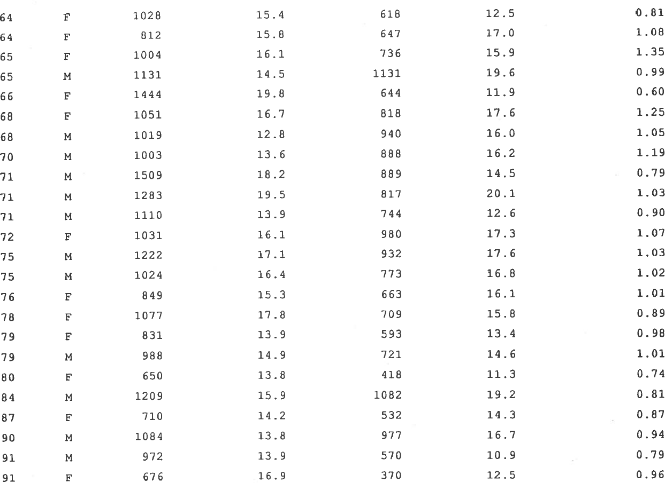
147 | 44 | 65 | F | 1004 | 16.1 | 736 | 15.9 | 1.35 |  | 62.4 | 46.3 | 1.35 | 0.73 | 1.84
147 | 45 | 65 | M | 1131 | 14.5 | 1131 | 19.6 | 0.99 |  | 78.0 | 57.7 | 1.35 | 1.00 | 0.99
147 | 46 | 66 | F | 1444 | 19.8 | 644 | 11.9 | 0.60 |  | 72.9 | 54.1 | 1.35 | 0.45 | 1.35
147 | 47 | 68 | F | 1051 | 16.7 | 818 | 17.6 | 1.25 |  | 62.9 | 46.5 | 1.35 | 0.78 | 1.61
147 | 48 | 68 | M | 1019 | 12.8 | 940 | 16.0 | 1.05 |  | 79.6 | 58.8 | 1.36 | 0.92 | 1.14
147 | 49 | 70 | M | 1003 | 13.6 | 888 | 16.2 | 1.19 |  | 73.8 | 54.8 | 1.35 | 0.89 | 1.34
147 | 50 | 71 | M | 1509 | 18.2 | 889 | 14.5 | 0.79 |  | 82.9 | 61.3 | 1.35 | 0.59 | 1.34
147 | 51 | 71 | M | 1283 | 19.5 | 817 | 20.1 | 1.03 |  | 65.8 | 40.6 | 1.62 | 0.64 | 1.62
147 | 52 | 71 | M | 1110 | 13.9 | 744 | 12.6 | 0.90 |  | 79.9 | 59.0 | 1.35 | 0.67 | 1.34
147 | 53 | 72 | F | 1031 | 16.1 | 980 | 17.3 | 1.07 |  | 64.0 | 56.6 | 1.13 | 0.95 | 1.13
147 | 54 | 75 | M | 1222 | 17.1 | 932 | 17.6 | 1.03 |  | 71.5 | 53.0 | 1.35 | 0.76 | 1.35
147 | 55 | 75 | M | 1024 | 16.4 | 773 | 16.8 | 1.02 |  | 62.4 | 46.0 | 1.36 | 0.75 | 1.35
147 | 56 | 76 | F | 849 | 15.3 | 663 | 16.1 | 1.01 |  | 55.5 | 41.2 | 1.35 | 0.78 | 1.29
147 | 57 | 78 | F | 1077 | 17.8 | 709 | 15.8 | 0.89 |  | 60.5 | 44.9 | 1.35 | 0.66 | 1.35
147 | 58 | 79 | F | 831 | 13.9 | 593 | 13.4 | 0.98 |  | 59.8 | 44.3 | 1.35 | 0.71 | 1.37
147 | 59 | 79 | M | 988 | 14.9 | 721 | 14.6 | 1.01 |  | 66.3 | 49.4 | 1.34 | 0.73 | 1.38
147 | 60 | 80 | F | 650 | 13.8 | 418 | 11.3 | 0.74 |  | 47.1 | 37.0 | 1.27 | 0.64 | 1.15
147 | 61 | 84 | M | 1209 | 15.9 | 1082 | 19.2 | 0.81 |  | 76.0 | 56.4 | 1.35 | 0.89 | 0.91
147 | 62 | 87 | F | 710 | 14.2 | 532 | 14.3 | 0.87 |  | 50.0 | 37.2 | 1.34 | 0.75 | 1.16
147 | 63 | 90 | M | 1084 | 13.8 | 977 | 16.7 | 0.94 |  | 78.6 | 58.5 | 1.34 | 0.90 | 1.04
147 | 64 | 91 | M | 972 | 13.9 | 570 | 10.9 | 0.79 |  | 69.9 | 52.3 | 1.34 | 0.59 | 1.35
147 | 65 | 91 | F | 676 | 16.9 | 370 | 12.5 | 0.96 |  | 40.0 | 29.6 | 1.35 | 0.55 | 1.75

Figure 2 |  |  |  |  |  |  |  | Figure 3 |  |  |  |  |  |  | Figure 4
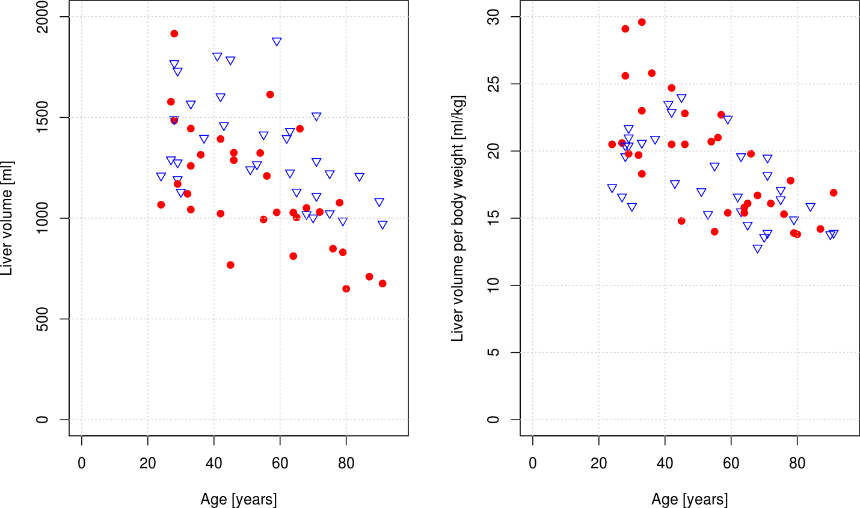
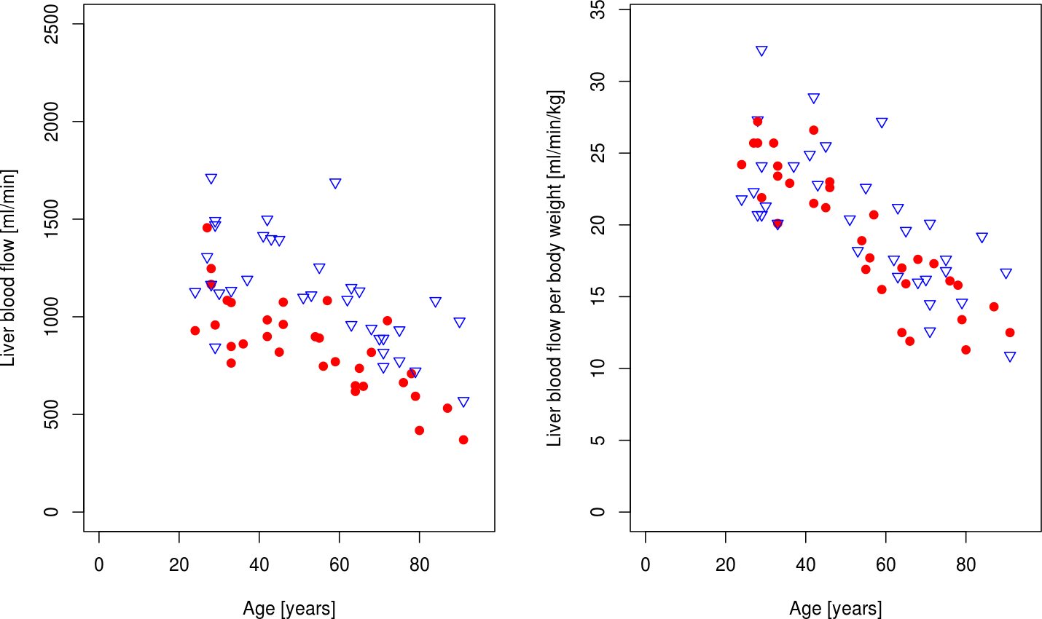
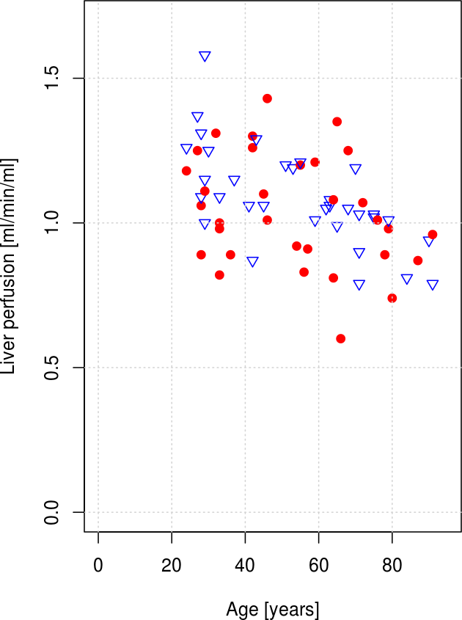

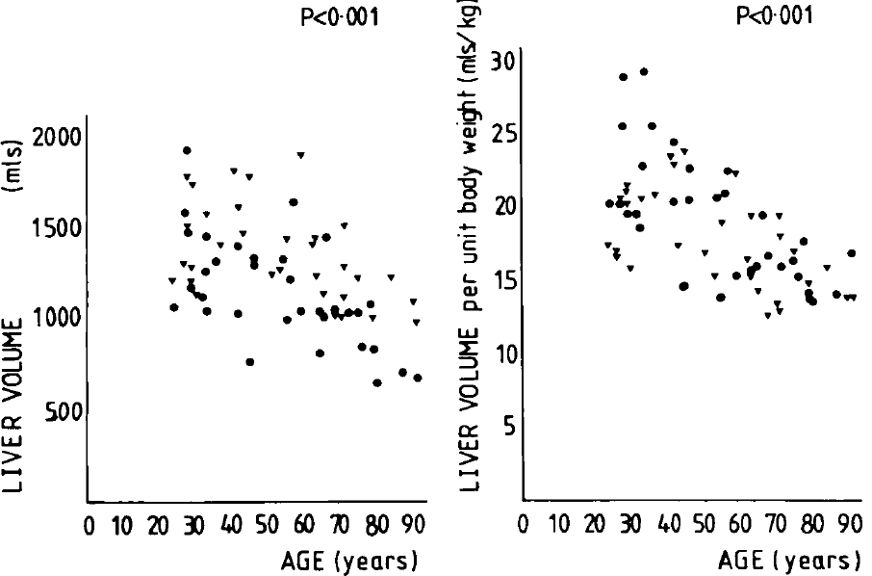
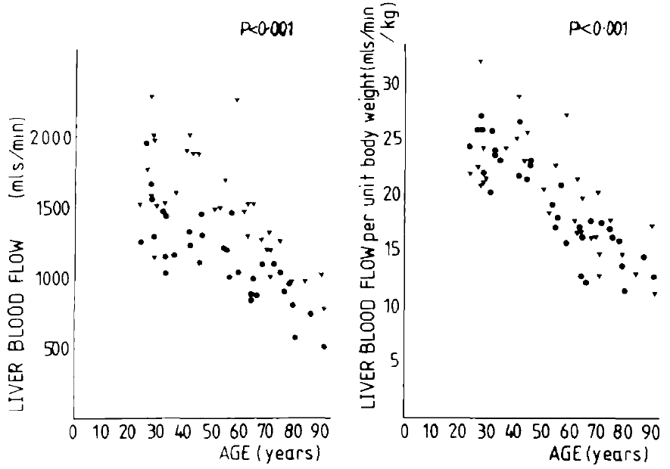
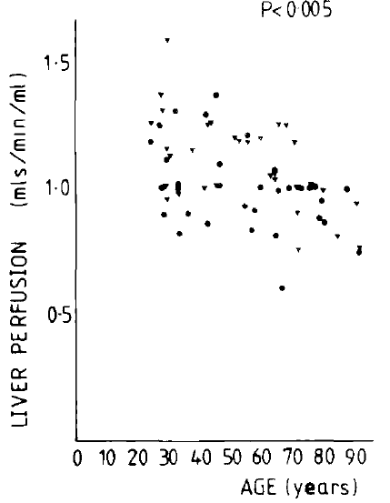

Corrected Table

Identification number | Status | Age [years] | Sex [M,F] | Liver volume [ml] | Liver Volume per body weight [ml/kg] | Apparent liver blood flow [ml/min] | Apparent liver blood flow per body weight [ml/min/kg] | Liver perfusion [ml/min/ml] | Body weight from volume [kg]
id | status | age | sex | livVolume | livVolumekg | livBloodflow | livBloodflowkg | perfusion | bodyweight
1 | healthy | 24 | F | 1067 | 20.5 | 1260 | 24.2 | 1.18 | 52.0
2 | healthy | 24 | M | 1211 | 17.3 | 1526 | 21.8 | 1.26 | 70.0
3 | healthy | 27 | M | 1291 | 16.6 | 1734 | 22.3 | 1.34 | 77.8
4 | healthy | 27 | F | 1578 | 20.6 | 1969 | 25.7 | 1.25 | 76.6
5 | healthy | 28 | M | 1769 | 20.4 | 2367 | 27.3 | 1.34 | 86.7
6 | healthy | 28 | F | 1485 | 25.6 | 1578 | 27.2 | 1.06 | 58.0
7 | healthy | 28 | M | 1491 | 19.6 | 1575 | 20.7 | 1.06 | 76.1
8 | healthy | 28 | F | 1916 | 29.1 | 1692 | 25.7 | 0.88 | 65.8
9 | healthy | 29 | M | 1731 | 21.0 | 1987 | 24.1 | 1.15 | 82.4
10 | healthy | 29 | M | 1193 | 21.7 | 1138 | 20.7 | 0.95 | 55.0
11 | healthy | 29 | M | 1276 | 20.4 | 2014 | 32.2 | 1.58 | 62.5
12 | healthy | 29 | F | 1170 | 19.8 | 1294 | 21.9 | 1.11 | 59.1
13 | healthy | 30 | M | 1130 | 15.9 | 1514 | 21.3 | 1.34 | 71.1
14 | healthy | 32 | F | 1121 | 19.7 | 1462 | 25.7 | 1.30 | 56.9
15 | healthy | 33 | F | 1260 | 29.6 | 1026 | 24.1 | 0.81 | 42.6
16 | healthy | 33 | F | 1445 | 23.0 | 1470 | 23.4 | 1.02 | 62.8
17 | healthy | 33 | F | 1043 | 18.3 | 1146 | 20.1 | 1.10 | 57.0
18 | healthy | 33 | M | 1568 | 20.6 | 1530 | 20.1 | 0.98 | 76.1
19 | healthy | 36 | F | 1315 | 25.8 | 1167 | 22.9 | 0.89 | 51.0
20 | healthy | 37 | M | 1398 | 20.9 | 1612 | 24.1 | 1.15 | 66.9
21 | healthy | 41 | M | 1806 | 23.5 | 1914 | 24.9 | 1.06 | 76.9
22 | healthy | 42 | F | 1023 | 20.5 | 1327 | 26.6 | 1.30 | 49.9
23 | healthy | 42 | F | 1393 | 24.7 | 1213 | 21.5 | 0.87 | 56.4
24 | healthy | 42 | M | 1604 | 22.9 | 2024 | 28.9 | 1.26 | 70.0
25 | healthy | 43 | M | 1461 | 17.6 | 1893 | 22.8 | 1.30 | 83.0
26 | healthy | 45 | M | 1787 | 24.0 | 1899 | 25.5 | 1.06 | 74.5
27 | healthy | 45 | F | 768 | 14.8 | 1100 | 21.2 | 1.43 | 51.9
28 | healthy | 46 | F | 1325 | 20.5 | 1461 | 22.6 | 1.10 | 64.6
29 | healthy | 46 | F | 1288 | 22.8 | 1299 | 23.0 | 1.01 | 56.5
30 | healthy | 51 | M | 1242 | 17.0 | 1490 | 20.4 | 1.20 | 73.1
31 | healthy | 53 | M | 1267 | 15.3 | 1507 | 18.2 | 1.19 | 82.8
32 | healthy | 54 | F | 1324 | 20.7 | 1209 | 18.9 | 0.91 | 64.0
33 | healthy | 55 | F | 994 | 14.0 | 1200 | 16.9 | 1.21 | 71.0
34 | healthy | 55 | M | 1415 | 18.9 | 1692 | 22.6 | 1.20 | 74.9
35 | healthy | 56 | F | 1210 | 21.0 | 1020 | 17.7 | 0.84 | 57.6
36 | healthy | 57 | F | 1614 | 22.7 | 1472 | 20.7 | 0.91 | 71.1
37 | healthy | 59 | F | 1029 | 15.4 | 1036 | 15.5 | 1.01 | 66.8
38 | healthy | 59 | M | 1881 | 22.4 | 2284 | 27.2 | 1.21 | 84.0
39 | healthy | 62 | M | 1397 | 16.6 | 1481 | 17.6 | 1.06 | 84.2
40 | healthy | 63 | M | 1432 | 19.6 | 1549 | 21.2 | 1.08 | 73.1
41 | healthy | 63 | M | 1226 | 15.5 | 1297 | 16.4 | 1.06 | 79.1
42 | healthy | 64 | F | 1028 | 15.4 | 834 | 12.5 | 0.81 | 66.8
43 | healthy | 64 | F | 812 | 15.8 | 874 | 17.0 | 1.08 | 51.4
44 | healthy | 65 | F | 1004 | 16.1 | 992 | 15.9 | 0.99 | 62.4
45 | healthy | 65 | M | 1131 | 14.5 | 1529 | 19.6 | 1.35 | 78.0
46 | healthy | 66 | F | 1444 | 19.8 | 868 | 11.9 | 0.60 | 72.9
47 | healthy | 68 | F | 1051 | 16.7 | 1108 | 17.6 | 1.05 | 62.9
48 | healthy | 68 | M | 1019 | 12.8 | 1274 | 16.0 | 1.25 | 79.6
49 | healthy | 70 | M | 1003 | 13.6 | 1195 | 16.2 | 1.19 | 73.8
50 | healthy | 71 | M | 1509 | 18.2 | 1202 | 14.5 | 0.80 | 82.9
51 | healthy | 71 | M | 1283 | 19.5 | 1322 | 20.1 | 1.03 | 65.8
52 | healthy | 71 | M | 1110 | 13.9 | 1006 | 12.6 | 0.91 | 79.9
53 | healthy | 72 | F | 1031 | 16.1 | 1108 | 17.3 | 1.07 | 64.0
54 | healthy | 75 | M | 1222 | 17.1 | 1258 | 17.6 | 1.03 | 71.5
55 | healthy | 75 | M | 1024 | 16.4 | 1049 | 16.8 | 1.02 | 62.4
56 | healthy | 76 | F | 849 | 15.3 | 893 | 16.1 | 1.05 | 55.5
57 | healthy | 78 | F | 1077 | 17.8 | 956 | 15.8 | 0.89 | 60.5
58 | healthy | 79 | F | 831 | 13.9 | 801 | 13.4 | 0.96 | 59.8
59 | healthy | 79 | M | 988 | 14.9 | 968 | 14.6 | 0.98 | 66.3
60 | healthy | 80 | F | 650 | 13.8 | 532 | 11.3 | 0.82 | 47.1
61 | healthy | 84 | M | 1209 | 15.9 | 1460 | 19.2 | 1.21 | 76.0
62 | healthy | 87 | F | 710 | 14.2 | 715 | 14.3 | 1.01 | 50.0
63 | healthy | 90 | M | 1084 | 13.8 | 1312 | 16.7 | 1.21 | 78.6
64 | healthy | 91 | M | 972 | 13.9 | 762 | 10.9 | 0.78 | 69.9
65 | healthy | 91 | F | 676 | 16.9 | 500 | 12.5 | 0.74 | 40.0

