Ducry1979
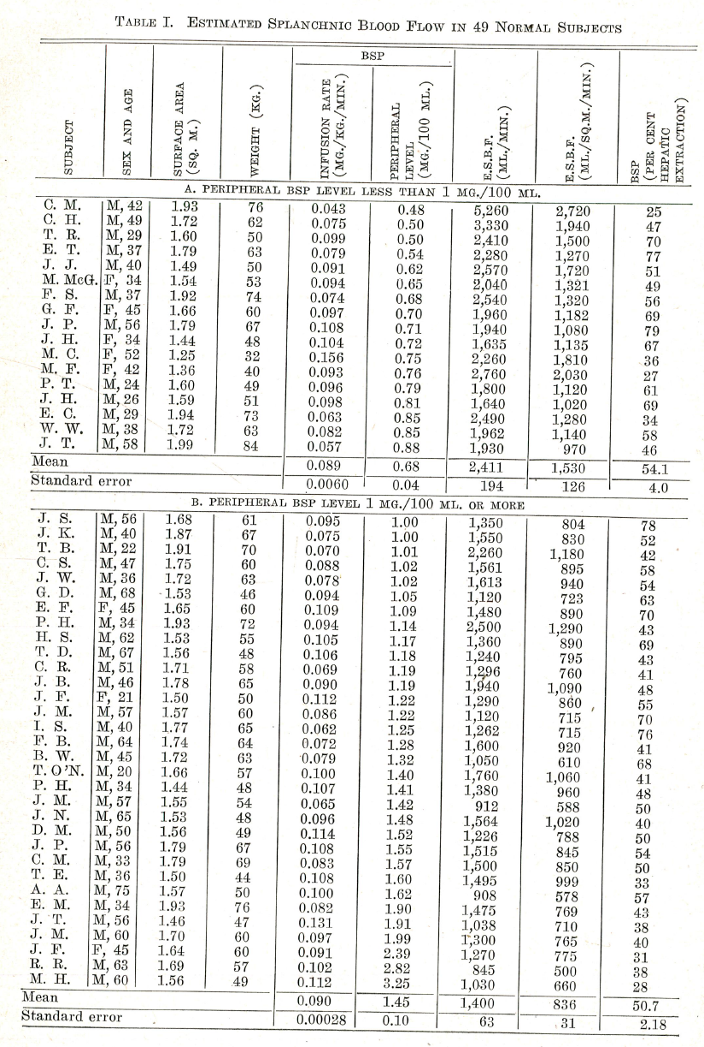
Sherlock1945 – Splanchnic blood flow in man by the BSP method

species | human
method | Bromsulfalein method
n | 49
subjects | normal subjects had no know hepatic disfunction

Table 1
study | Health status /diagnosis | Sex [M,F,U] | Age [years] | Body surface area (BSA) [m^2] | Weight [kg] | Height [cm] | BMI [kg/m^2] | Estimated splanchnic blood flow [ml/min]
study | status | sex | age | BSA | bodyweight | height | BMI | liverBloodflow
she1945 | healthy | M | 56 | 1.68 | 61 | 166.3 | 22.1 | 1350
she1945 | healthy | M | 40 | 1.87 | 67 | 182.5 | 20.1 | 1550
she1945 | healthy | M | 22 | 1.91 | 70 | 183.1 | 20.9 | 2260
she1945 | healthy | M | 47 | 1.75 | 60 | 177.7 | 19.0 | 1561
she1945 | healthy | M | 36 | 1.72 | 63 | 168.6 | 22.2 | 1613
she1945 | healthy | M | 68 | 1.53 | 46 | 172.5 | 15.5 | 1120
she1945 | healthy | F | 45 | 1.65 | 60 | 163.8 | 22.4 | 1480
she1945 | healthy | M | 34 | 1.93 | 72 | 182.7 | 21.6 | 2500
she1945 | healthy | M | 62 | 1.53 | 55 | 155.3 | 22.8 | 1360
she1945 | healthy | M | 67 | 1.56 | 48 | 172.8 | 16.1 | 1240
she1945 | healthy | M | 51 | 1.71 | 58 | 175.5 | 18.8 | 1296
she1945 | healthy | M | 46 | 1.78 | 65 | 173.5 | 21.6 | 1940
she1945 | healthy | F | 21 | 1.5 | 50 | 159.8 | 19.6 | 1290
she1945 | healthy | M | 57 | 1.57 | 60 | 153.0 | 25.6 | 1120
she1945 | healthy | M | 40 | 1.77 | 65 | 172.2 | 21.9 | 1262
she1945 | healthy | M | 64 | 1.74 | 64 | 169.7 | 22.2 | 1600
she1945 | healthy | M | 45 | 1.72 | 63 | 168.6 | 22.2 | 1050
she1945 | healthy | M | 20 | 1.66 | 57 | 170.2 | 19.7 | 1760
she1945 | healthy | M | 34 | 1.44 | 48 | 154.7 | 20.0 | 1380
she1945 | healthy | M | 57 | 1.55 | 54 | 159.9 | 21.1 | 912
she1945 | healthy | M | 65 | 1.53 | 48 | 168.2 | 17.0 | 1564
she1945 | healthy | M | 50 | 1.56 | 49 | 170.7 | 16.8 | 1226
she1945 | healthy | M | 56 | 1.79 | 67 | 171.8 | 22.7 | 1515
she1945 | healthy | M | 33 | 1.79 | 69 | 168.9 | 24.2 | 1500
she1945 | healthy | M | 36 | 1.5 | 44 | 172.3 | 14.8 | 1495
she1945 | healthy | M | 75 | 1.57 | 50 | 170.2 | 17.3 | 908
she1945 | healthy | M | 34 | 1.93 | 76 | 177.0 | 24.2 | 1475
she1945 | healthy | M | 56 | 1.46 | 47 | 159.7 | 18.4 | 1038
she1945 | healthy | M | 60 | 1.7 | 60 | 170.7 | 20.6 | 1300
she1945 | healthy | F | 45 | 1.64 | 60 | 162.4 | 22.7 | 1270
she1945 | healthy | M | 63 | 1.69 | 57 | 174.5 | 18.7 | 845
she1945 | healthy | M | 60 | 1.56 | 49 | 170.7 | 16.8 | 1030
 |  |  |  |  |  | * via reverse Du Bois | *via BMI formula

