Ducry1979
Zoli1999 – Total and functional hepatic blood flow decrease in parallel with ageing

species | human
method | functional and total blood flow with non-invasive methods; THF with echo-Doppler of portal vein and hepatic artery
n | 40
subjects | four age groups with normal routine liver function tests and no history of liver disease

Figure 1 |  |  |  |  | Figure 2 |  |  |  |  | Table 1
study | Health status /diagnosis | Sex [M,F,U] | Total hepatic blood flow (THF) [ml/min] | Functional hepatic blood flow (FHF) [ml/min] | study | Health status /diagnosis | Sex [M,F,U] | Age [years] | Functional hepatic blood flow (FHF) [ml/min] | study | Health status /diagnosis | Sex [M,F,U] | Minimal age of class [years] | Maximal age of class [years] | Portal vein blood velocity [cm/s] | Portal vein blood velocity SD [cm/s] | Portal vein blood flow [ml/min] | Portal vein blood flow SD [ml/min] | Hepatic artery blood velocity [cm/s] | Hepatic artery blood velocity SD [cm/s] | Hepatic artery blood flow [ml/min] | Hepatic artery blood flow SD [ml/min] | Total hepatic blood flow [ml/min] | Total hepatic blood flow SD [ml/min] | Functional hepatic blood flow [ml/min] | Functional hepatic blood flow SD [ml/min]
study | status | sex | THF | FHF | study | status | sex | age | FHF | study | status | sex | ageMin | ageMax | PVBloodVelocity | PVBloodVelocitySD | PVBloodFlow | PVBloodFlowSD | HABloodVelocity | HABloodVelocitySD | HABloodFlow | HABloodFlowSD | THF | THFSD | FHF | FHFSD
zol1999 | healthy | U | 745.83 | 994.28705 | zol1999 | healthy | U | 25.283018 | 1267.5438 | zol1999 | healthy | U | 25 | 45 | 19.4 | 3.5 | 1209 | 205 | 35 | 6 | 235 | 76 | 1445 | 220 | 1514 | 250
zol1999 | healthy | U | 833.48773 | 781.8534 | zol1999 | healthy | U | 28.113207 | 1241.228 | zol1999 | healthy | U | 45 | 60 | 16.7 | 1.6 | 980 | 337 | 43 | 12 | 313 | 117 | 1293 | 340 | 1326 | 348
zol1999 | healthy | U | 869.55206 | 892.0699 | zol1999 | healthy | U | 27.73585 | 1807.0176 | zol1999 | healthy | U | 61 | 75 | 15.8 | 2.5 | 978 | 194 | 43 | 13 | 318 | 144 | 1297 | 253 | 1258 | 226
zol1999 | healthy | U | 913.32007 | 812.4349 | zol1999 | healthy | U | 30.566038 | 1561.4036 | zol1999 | healthy | U | 75 | 87 | 15 | 1.8 | 749 | 117 | 40 | 8 | 271 | 94 | 1020 | 148 | 1015 | 163
zol1999 | healthy | U | 916.5475 | 987.1244 | zol1999 | healthy | U | 30.188679 | 1127.193
zol1999 | healthy | U | 981.7553 | 1059.4404 | zol1999 | healthy | U | 34.339622 | 1486.8422
zol1999 | healthy | U | 1018.25055 | 983.5845 | zol1999 | healthy | U | 34.5283 | 1570.1754
zol1999 | healthy | U | 1028.4956 | 1264.6195 | zol1999 | healthy | U | 34.71698 | 1842.1052
zol1999 | healthy | U | 1036.3312 | 1017.807 | zol1999 | healthy | U | 40.377357 | 1394.7368
zol1999 | healthy | U | 1061.869 | 968.5052 | zol1999 | healthy | U | 41.509434 | 1877.193
zol1999 | healthy | U | 1054.2095 | 1139.3698 | zol1999 | healthy | U | 46.415092 | 1890.3508
zol1999 | healthy | U | 1075.7284 | 1257.1443 | zol1999 | healthy | U | 50.566036 | 1964.9122
zol1999 | healthy | U | 1065.1843 | 1105.2207 | zol1999 | healthy | U | 54.339622 | 1605.2632
zol1999 | healthy | U | 1101.706 | 1017.97253 | zol1999 | healthy | U | 50.18868 | 1153.5088
zol1999 | healthy | U | 1090.3969 | 1196.4226 | zol1999 | healthy | U | 51.320755 | 1092.1052
zol1999 | healthy | U | 1126.6812 | 1211.7042 | zol1999 | healthy | U | 53.962265 | 978.0702
zol1999 | healthy | U | 1148.8773 | 1037.079 | zol1999 | healthy | U | 54.150944 | 1171.0526
zol1999 | healthy | U | 1159.7994 | 1025.7145 | zol1999 | healthy | U | 61.320755 | 1614.035
zol1999 | healthy | U | 1163.1588 | 1143.443 | zol1999 | healthy | U | 63.396225 | 1622.807
zol1999 | healthy | U | 1199.7069 | 1044.8026 | zol1999 | healthy | U | 60.18868 | 1377.193
zol1999 | healthy | U | 1236.0878 | 1018.31274 | zol1999 | healthy | U | 66.22642 | 1438.5964
zol1999 | healthy | U | 1232.192 | 1132.2255 | zol1999 | healthy | U | 62.264153 | 1245.614
zol1999 | healthy | U | 1257.73 | 1082.9237 | zol1999 | healthy | U | 68.30189 | 1302.6316
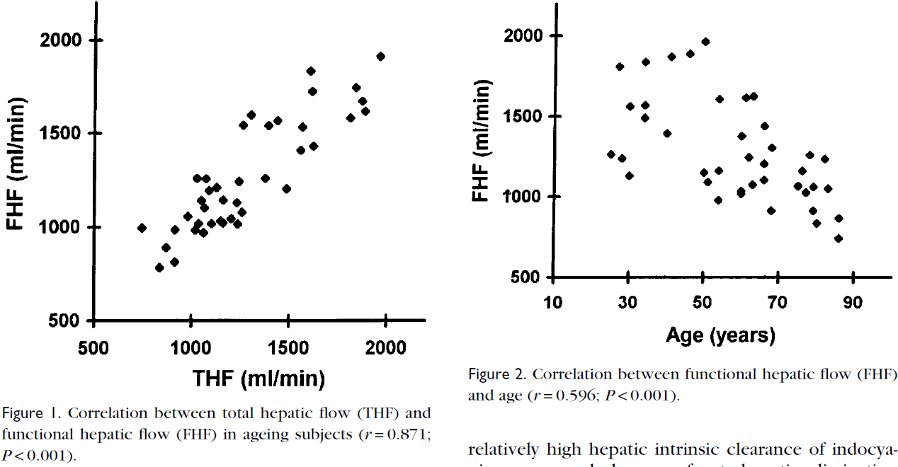
zol1999 | healthy | U | 1246.456 | 1246.1842 | zol1999 | healthy | U | 66.41509 | 1210.5264
zol1999 | healthy | U | 1267.5529 | 1546.2339 | zol1999 | healthy | U | 60 | 1043.8596
zol1999 | healthy | U | 1300.1085 | 1603.2776 | zol1999 | healthy | U | 60 | 1017.5439
zol1999 | healthy | U | 1377.1531 | 1269.2996 | zol1999 | healthy | U | 63.018867 | 1074.5614
zol1999 | healthy | U | 1394.6708 | 1546.5557 | zol1999 | healthy | U | 66.037735 | 1105.2632
zol1999 | healthy | U | 1438.1925 | 1573.2478 | zol1999 | healthy | U | 68.113205 | 916.6667
zol1999 | healthy | U | 1489.8751 | 1212.6237 | zol1999 | healthy | U | 78.49056 | 1258.772
zol1999 | healthy | U | 1558.4247 | 1410.2631 | zol1999 | healthy | U | 82.45283 | 1236.8422
zol1999 | healthy | U | 1569.0303 | 1535.6049 | zol1999 | healthy | U | 76.41509 | 1162.2808
zol1999 | healthy | U | 1623.738 | 1437.0104 | zol1999 | healthy | U | 75.28302 | 1065.7894
zol1999 | healthy | U | 1619.429 | 1729.4009 | zol1999 | healthy | U | 77.169815 | 1021.9298
zol1999 | healthy | U | 1611.91 | 1839.5071 | zol1999 | healthy | U | 79.43396 | 1061.4036
zol1999 | healthy | U | 1815.888 | 1585.5962 | zol1999 | healthy | U | 83.20755 | 1048.2456
zol1999 | healthy | U | 1844.5477 | 1756.5527 | zol1999 | healthy | U | 79.0566 | 916.6667
zol1999 | healthy | U | 1877.4022 | 1684.4849 | zol1999 | healthy | U | 80.18868 | 837.7193
zol1999 | healthy | U | 1892.0707 | 1623.7633 | zol1999 | healthy | U | 86.037735 | 864.0351
zol1999 | healthy | U | 1971.2963 | 1916.3652 | zol1999 | healthy | U | 86.037735 | 741.2281

