Ducry1979
Altman1962

species | human
method | overview table
n
subjects | organ weights from birth to maturity: man, North America (Table 82)

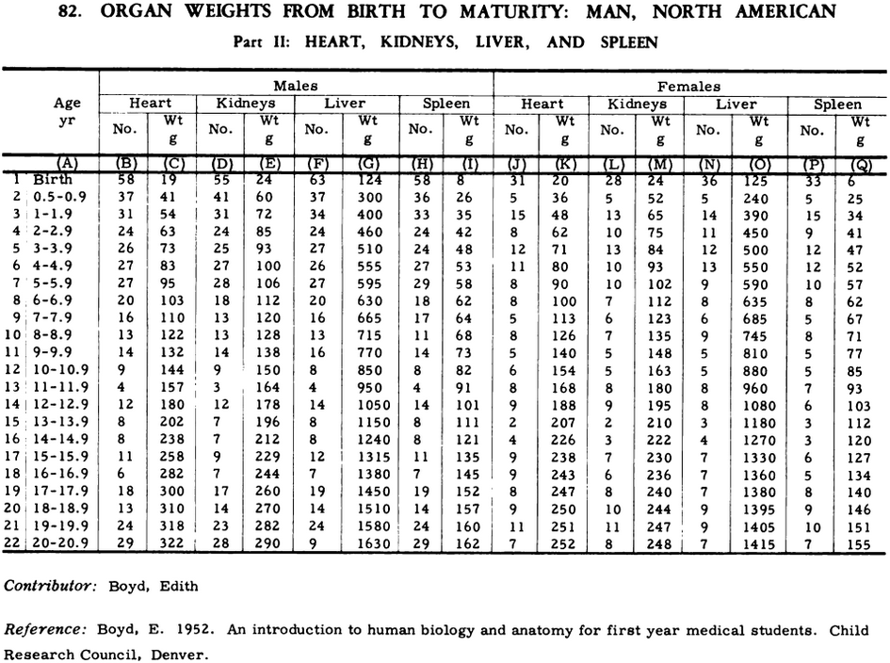
Table 82
study | Health status /diagnosis | Sex [M,F,U] | n | Age [years] | Minimum of age class [years] | Maximum of age class [years] | Liver weight [kg]
study | status | sex | n | age | ageMin | ageMax | liverWeight
alt1962 | healthy | M | 63 | 0.2 | 0 | 0.4 | 0.124
alt1962 | healthy | M | 37 | 0.7 | 0.5 | 0.9 | 0.3
alt1962 | healthy | M | 34 | 1.45 | 1 | 1.9 | 0.4
alt1962 | healthy | M | 24 | 2.45 | 2 | 2.9 | 0.46
alt1962 | healthy | M | 27 | 3.45 | 3 | 3.9 | 0.51
alt1962 | healthy | M | 26 | 4.45 | 4 | 4.9 | 0.555
alt1962 | healthy | M | 27 | 5.45 | 5 | 5.9 | 0.595
alt1962 | healthy | M | 20 | 6.45 | 6 | 6.9 | 0.63
alt1962 | healthy | M | 16 | 7.45 | 7 | 7.9 | 0.665
alt1962 | healthy | M | 13 | 8.45 | 8 | 8.9 | 0.715
alt1962 | healthy | M | 16 | 9.45 | 9 | 9.9 | 0.77
alt1962 | healthy | M | 8 | 10.45 | 10 | 10.9 | 0.85
alt1962 | healthy | M | 4 | 11.45 | 11 | 11.9 | 0.95
alt1962 | healthy | M | 14 | 12.45 | 12 | 12.9 | 1.05
alt1962 | healthy | M | 8 | 13.45 | 13 | 13.9 | 1.15
alt1962 | healthy | M | 8 | 14.45 | 14 | 14.9 | 1.24
alt1962 | healthy | M | 12 | 15.45 | 15 | 15.9 | 1.315
alt1962 | healthy | M | 7 | 16.45 | 16 | 16.9 | 1.38
alt1962 | healthy | M | 19 | 17.45 | 17 | 17.9 | 1.45
alt1962 | healthy | M | 14 | 18.45 | 18 | 18.9 | 1.51
alt1962 | healthy | M | 24 | 19.45 | 19 | 19.9 | 1.58
alt1962 | healthy | M | 9 | 20.45 | 20 | 20.9 | 1.63
alt1962 | healthy | F | 36 | 0.2 | 0 | 0.4 | 0.125
alt1962 | healthy | F | 5 | 0.7 | 0.5 | 0.9 | 0.24
alt1962 | healthy | F | 14 | 1.45 | 1 | 1.9 | 0.39
alt1962 | healthy | F | 11 | 2.45 | 2 | 2.9 | 0.45
alt1962 | healthy | F | 12 | 3.45 | 3 | 3.9 | 0.5
alt1962 | healthy | F | 13 | 4.45 | 4 | 4.9 | 0.55
alt1962 | healthy | F | 9 | 5.45 | 5 | 5.9 | 0.59
alt1962 | healthy | F | 8 | 6.45 | 6 | 6.9 | 0.635
alt1962 | healthy | F | 6 | 7.45 | 7 | 7.9 | 0.685
alt1962 | healthy | F | 9 | 8.45 | 8 | 8.9 | 0.745
alt1962 | healthy | F | 5 | 9.45 | 9 | 9.9 | 0.81
alt1962 | healthy | F | 5 | 10.45 | 10 | 10.9 | 0.88
alt1962 | healthy | F | 8 | 11.45 | 11 | 11.9 | 0.96
alt1962 | healthy | F | 8 | 12.45 | 12 | 12.9 | 1.08
alt1962 | healthy | F | 3 | 13.45 | 13 | 13.9 | 1.18
alt1962 | healthy | F | 4 | 14.45 | 14 | 14.9 | 1.27
alt1962 | healthy | F | 7 | 15.45 | 15 | 15.9 | 1.33
alt1962 | healthy | F | 7 | 16.45 | 16 | 16.9 | 1.36
alt1962 | healthy | F | 7 | 17.45 | 17 | 17.9 | 1.38
alt1962 | healthy | F | 9 | 18.45 | 18 | 18.9 | 1.395
alt1962 | healthy | F | 9 | 19.45 | 19 | 19.9 | 1.405
alt1962 | healthy | F | 7 | 20.45 | 20 | 20.9 | 1.415

