Winkler1965
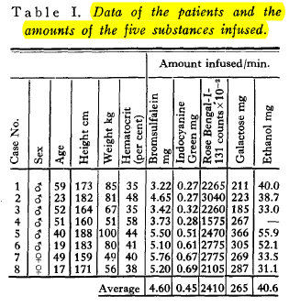
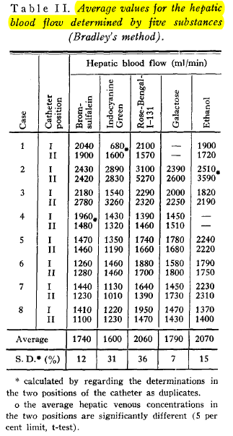
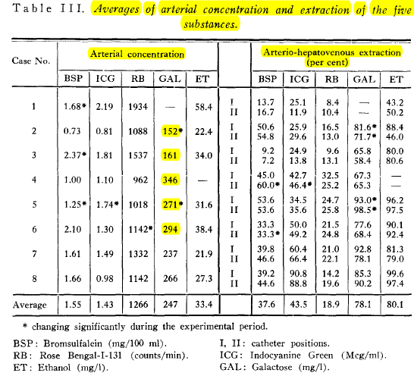
Winkler1965 – Determination of hepatic flow in man
study | status | sample | subject | sex | age | height [cm] | weight [kg] | Hematocrit [%] | amount galactose infused [mg/min] | amount galactose infused [mmol/min] | hepatic blood flow Bromsulfalein [ml/min] | hepatic blood flow galactose [ml/min] | hepatic blood flow Bromsulfalein [ml/min] | arterial concentrations galactose [mg/l] | arterial concentrations galactose [mmol/l] | Galactose arterio-hepatovenous extraction [percent] | Galactose extraction ratio [-] | Galactose clearance ER*Q [ml/min] | venous concentration galactose (1-ER)*ca [mmol/l] | Galactose elimination Q*(ca-cv)/1000 [mmol/min]
study | status | sample | subject | sex | age | height | bodyweight | hematocrit | galInfusedmg | galInfused | bloodflowBS | bloodflowGal | flowLiver | galAmg | ca | extraction | ER | CL | cv | GE
win1965 | healthy | 1 | 1 | male | 59 | 173 | 85 | 35 | 211 | 1.17 | 2040 | NA | 2040 | NA | NA | NA | NA | NA | NA | NA
win1965 | healthy | 1 | 2 | male | 23 | 182 | 81 | 48 | 223 | 1.24 | 2430 | 2390 | 2430 | 152 | 0.84 | 81.6 | 0.816 | 1982.88 | 0.15537777778 | 1.674432
win1965 | healthy | 1 | 3 | male | 52 | 164 | 67 | 35 | 185 | 1.03 | 2180 | 2000 | 2180 | 161 | 0.89 | 65.8 | 0.658 | 1434.44 | 0.3059 | 1.2830268889
win1965 | healthy | 1 | 4 | male | 51 | 160 | 51 | 58 | 267 | 1.48 | 1960 | 1450 | 1960 | 346 | 1.92 | 67.3 | 0.673 | 1319.08 | 0.62856666667 | 2.5355648889
win1965 | healthy | 1 | 5 | male | 40 | 188 | 100 | 44 | 366 | 2.03 | 1470 | 1780 | 1470 | 271 | 1.51 | 93 | 0.93 | 1367.1 | 0.10538888889 | 2.058245
win1965 | healthy | 1 | 6 | male | 19 | 183 | 80 | 41 | 305 | 1.69 | 1260 | 1580 | 1260 | 294 | 1.63 | 77.6 | 0.776 | 977.76 | 0.36586666667 | 1.597008
win1965 | healthy | 1 | 7 | female | 49 | 159 | 49 | 40 | 269 | 1.49 | 1440 | 1450 | 1440 | 237 | 1.32 | 92.8 | 0.928 | 1336.32 | 0.0948 | 1.759488
win1965 | healthy | 1 | 8 | female | 17 | 171 | 56 | 38 | 287 | 1.59 | 1410 | 1470 | 1410 | 266 | 1.48 | 85.3 | 0.853 | 1202.73 | 0.21723333333 | 1.7773676667
win1965 | healthy | 2 | 1 | male | 59 | 173 | 85 | 35 | 211 | 1.17 | 1900 | NA | 1900 | NA | NA | NA | NA | NA | NA | NA
win1965 | healthy | 2 | 2 | male | 23 | 182 | 81 | 48 | 223 | 1.24 | 2420 | 2600 | 2420 | 152 | 0.84 | 71.7 | 0.717 | 1735.14 | 0.23897777778 | 1.4652293333
win1965 | healthy | 2 | 3 | male | 52 | 164 | 67 | 35 | 185 | 1.03 | 2780 | 2250 | 2780 | 161 | 0.89 | 58.4 | 0.584 | 1623.52 | 0.37208888889 | 1.4521484444
win1965 | healthy | 2 | 4 | male | 51 | 160 | 51 | 58 | 267 | 1.48 | 1480 | 1510 | 1480 | 346 | 1.92 | 65.3 | 0.653 | 966.44 | 0.66701111111 | 1.8577124444
win1965 | healthy | 2 | 5 | male | 40 | 188 | 100 | 44 | 366 | 2.03 | 1460 | 1680 | 1460 | 271 | 1.51 | 98.5 | 0.985 | 1438.1 | 0.022583333333 | 2.1651394444
win1965 | healthy | 2 | 6 | male | 19 | 183 | 80 | 41 | 305 | 1.69 | 1280 | 1800 | 1280 | 294 | 1.63 | 68.4 | 0.684 | 875.52 | 0.51613333333 | 1.430016
win1965 | healthy | 2 | 7 | female | 49 | 159 | 49 | 40 | 269 | 1.49 | 1230 | 1730 | 1230 | 237 | 1.32 | 78.1 | 0.781 | 960.63 | 0.28835 | 1.2648295
win1965 | healthy | 2 | 8 | female | 17 | 171 | 56 | 38 | 287 | 1.59 | 1100 | 1430 | 1100 | 266 | 1.48 | 90.2 | 0.902 | 992.2 | 0.14482222222 | 1.4662511111

