Ducry1979
Boyd1933 – Normal variability in weight of the adult liver and spleen

species | human
method | autopsy
n | 1582 (male 1266, female 316)
subjects | Caucasoid adults who died of external causes and showed no pathological changes
 | instant death from gunshot wounds, crushing injuries and accidents

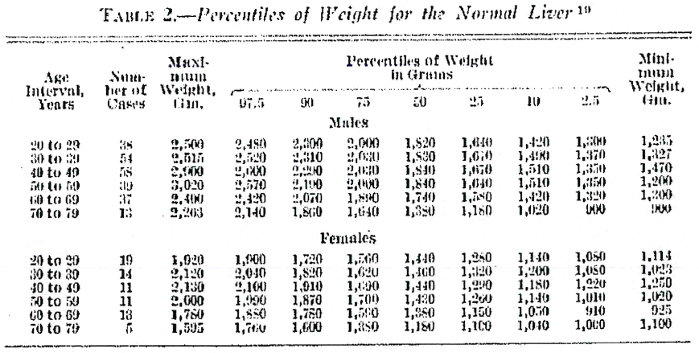
Table 2
study | Health status /diagnosis | Sex [M,F,U] | subjects in class | medium age in class [years] | minimal age in class [years] | Maximal age in class [years] | liver weight 97.5% Percentile [kg] | liver weight 90% Percentile [kg] | liver weight 75% Percentile [kg] | liver weight 50% Percentile [kg] | liver weight 25% Percentile [kg] | liver weight 10% Percentile [kg] | liver weight 2,.5% Percentile [kg]
study | status | sex | n | age | ageMin | heightMax | LiverWeight97.5 | liverWeight90 | liverWeight75 | liverWeight50 | liverWeight25 | liverWeight10 | LiverWeight2.5
boy1933 | healthy | M | 38 | 24.5 | 20 | 29 | 2.48 | 2.3 | 2 | 1.82 | 1.64 | 1.42 | 1.3
boy1933 | healthy | M | 54 | 34.5 | 30 | 39 | 2.52 | 2.31 | 2.03 | 1.83 | 1.67 | 1.49 | 1.37
boy1933 | healthy | M | 58 | 44.5 | 40 | 49 | 2.6 | 2.2 | 2.03 | 1.84 | 1.67 | 1.51 | 1.35
boy1933 | healthy | M | 39 | 54.5 | 50 | 59 | 2.57 | 2.1 | 2.06 | 1.84 | 1.64 | 1.51 | 1.35
boy1933 | healthy | M | 37 | 64.5 | 60 | 69 | 2.42 | 2.07 | 1.89 | 1.74 | 1.58 | 1.42 | 1.32
boy1933 | healthy | M | 13 | 74.5 | 70 | 79 | 2.14 | 1.86 | 1.64 | 1.38 | 1.18 | 1.02 | 0.9
boy1933 | healthy | F | 19 | 24.5 | 20 | 29 | 1.92 | 1.72 | 1.56 | 1.44 | 1.25 | 1.14 | 1.05
boy1933 | healthy | F | 14 | 34.5 | 30 | 39 | 2.12 | 1.82 | 1.62 | 1.46 | 1.32 | 1.2 | 1.05
boy1933 | healthy | F | 11 | 44.5 | 40 | 49 | 2.13 | 1.91 | 1.69 | 1.44 | 1.29 | 1.18 | 1.22
boy1933 | healthy | F | 11 | 54.5 | 50 | 59 | 2 | 1.87 | 1.7 | 1.43 | 1.26 | 1.14 | 1.01
boy1933 | healthy | F | 13 | 64.5 | 60 | 69 | 1.78 | 1.78 | 1.59 | 1.38 | 1.15 | 1.05 | 0.91
boy1933 | healthy | F | 5 | 74.5 | 70 | 79 | 1.595 | 1.6 | 1.85 | 1.18 | 1.1 | 1.04 | 1.06

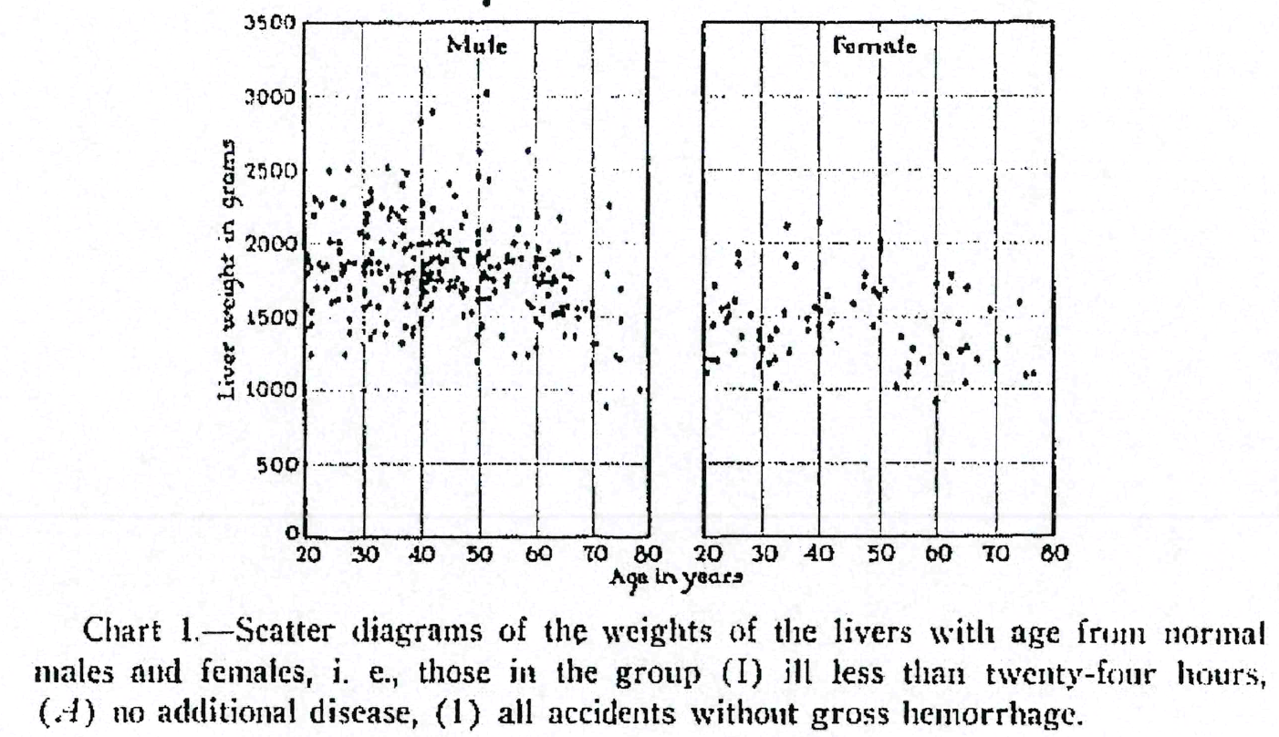
Figure 1
study | Health status /diagnosis | Sex [M,F,U] | Age [years] | Liver weight [g]
study | status | sex | age | liverWeight
boy1933 | healthy | M | 20.317460315 | 1924.1707 | 0.42328042
boy1933 | healthy | M | 20.423280425 | 1886.8484 | 0.5643739
boy1933 | healthy | M | 20.84656085 | 1832.9384 | 1.1287478
boy1933 | healthy | M | 20.423280425 | 1799.7631 | 0.5643739
boy1933 | healthy | M | 20.10582011 | 1575.8293 | 0.14109348
boy1933 | healthy | M | 21.16402115 | 1538.5071 | 1.5520282
boy1933 | healthy | M | 21.16402115 | 1438.9811 | 1.5520282
boy1933 | healthy | M | 20.21164022 | 1414.0995 | 0.28218696
boy1933 | healthy | M | 20.952380975 | 1235.782 | 1.2698413
boy1933 | healthy | M | 26.98412675 | 1244.0758 | 9.312169
boy1933 | healthy | M | 27.619047875 | 1389.218 | 10.1587305
boy1933 | healthy | M | 27.83068775 | 1484.5972 | 10.440917
boy1933 | healthy | M | 24.550264625 | 1592.4171 | 6.0670195
boy1933 | healthy | M | 25.39682555 | 1604.8578 | 7.1957674
boy1933 | healthy | M | 25.7142857 | 1617.2986 | 7.6190476
boy1933 | healthy | M | 23.703703625 | 1691.9431 | 4.9382715
boy1933 | healthy | M | 22.11640205 | 1691.9431 | 2.8218694
boy1933 | healthy | M | 25.1851853 | 1754.147 | 6.9135804
boy1933 | healthy | M | 22.222222175 | 1857.82 | 2.9629629
boy1933 | healthy | M | 22.962962975 | 1828.7915 | 3.9506173
boy1933 | healthy | M | 23.703703625 | 1845.3792 | 4.9382715
boy1933 | healthy | M | 24.232804025 | 2007.109 | 5.6437387
boy1933 | healthy | M | 21.6931217 | 2189.5735 | 2.2574956
boy1933 | healthy | M | 21.798941825 | 2301.5403 | 2.3985891
boy1933 | healthy | M | 22.751322725 | 2260.071 | 3.6684303
boy1933 | healthy | M | 24.232804025 | 2488.1516 | 5.6437387
boy1933 | healthy | M | 27.3015875 | 2508.8862 | 9.73545
boy1933 | healthy | M | 24.97354505 | 2305.6873 | 6.6313934
boy1933 | healthy | M | 26.56084625 | 2268.365 | 8.747795
boy1933 | healthy | M | 25.92592595 | 2002.962 | 7.9012346
boy1933 | healthy | M | 26.13756575 | 1940.7583 | 8.183421
boy1933 | healthy | M | 26.34920675 | 1853.673 | 8.465609
boy1933 | healthy | M | 26.878307 | 1841.2322 | 9.171076
boy1933 | healthy | M | 26.4550265 | 1791.4692 | 8.606702
boy1933 | healthy | M | 27.724868 | 1696.0901 | 10.299824
boy1933 | healthy | M | 27.724868 | 1621.4456 | 10.299824
boy1933 | healthy | M | 30.26455025 | 1555.0947 | 13.686067
boy1933 | healthy | M | 31.11111125 | 1588.2701 | 14.814815
boy1933 | healthy | M | 32.59259225 | 1567.5355 | 16.790123
boy1933 | healthy | M | 31.3227515 | 1351.8958 | 15.097002
boy1933 | healthy | M | 31.957671875 | 1397.5118 | 15.9435625
boy1933 | healthy | M | 34.074074 | 1455.5687 | 18.765432
boy1933 | healthy | M | 34.074074 | 1368.4834 | 18.765432
boy1933 | healthy | M | 36.93121625 | 1318.7203 | 22.574955
boy1933 | healthy | M | 37.248677 | 1430.6873 | 22.998236
boy1933 | healthy | M | 38.51851925 | 1380.9242 | 24.691359
boy1933 | healthy | M | 38.941799 | 1426.5403 | 25.255732
boy1933 | healthy | M | 40.10582 | 1468.0095 | 26.80776
boy1933 | healthy | M | 37.88359775 | 1571.6825 | 23.844797
boy1933 | healthy | M | 37.566137 | 1667.0616 | 23.421516
boy1933 | healthy | M | 35.34391475 | 1675.3555 | 20.458553
boy1933 | healthy | M | 35.23809575 | 1741.7062 | 20.317461
boy1933 | healthy | M | 34.074074 | 1687.7963 | 18.765432
boy1933 | healthy | M | 30.4761905 | 1667.0616 | 13.968254
boy1933 | healthy | M | 30.37037075 | 1795.6161 | 13.827161
boy1933 | healthy | M | 27.40740725 | 1874.4076 | 9.876543
boy1933 | healthy | M | 28.465608125 | 1870.2606 | 11.2874775
boy1933 | healthy | M | 30.26455025 | 1849.5261 | 13.686067
boy1933 | healthy | M | 30.899471 | 1882.7014 | 14.532628
boy1933 | healthy | M | 31.53439175 | 1866.1138 | 15.379189
boy1933 | healthy | M | 31.53439175 | 1803.9099 | 15.379189
boy1933 | healthy | M | 33.227513 | 1799.7631 | 17.636684
boy1933 | healthy | M | 34.39153475 | 1837.0853 | 19.188713
boy1933 | healthy | M | 32.910053 | 1870.2606 | 17.213404
boy1933 | healthy | M | 31.53439175 | 1940.7583 | 15.379189
boy1933 | healthy | M | 30.79365125 | 2040.2843 | 14.391535
boy1933 | healthy | M | 29.73544925 | 2077.6067 | 12.980599
boy1933 | healthy | M | 30.4761905 | 2156.3982 | 13.968254
boy1933 | healthy | M | 30.58201025 | 2197.8672 | 14.109347
boy1933 | healthy | M | 30.68783075 | 2276.6587 | 14.250441
boy1933 | healthy | M | 31.42857125 | 2293.2463 | 15.238095
boy1933 | healthy | M | 31.42857125 | 2351.3032 | 15.238095
boy1933 | healthy | M | 34.17989375 | 2513.0332 | 18.906525
boy1933 | healthy | M | 37.566137 | 2475.711 | 23.421516
boy1933 | healthy | M | 37.0370375 | 2401.0664 | 22.71605
boy1933 | healthy | M | 33.33333425 | 2247.6304 | 17.777779
boy1933 | healthy | M | 33.4391525 | 2011.256 | 17.91887
boy1933 | healthy | M | 34.39153475 | 2164.692 | 19.188713
boy1933 | healthy | M | 34.7089955 | 2235.1895 | 19.611994
boy1933 | healthy | M | 36.19047575 | 2189.5735 | 21.587301
boy1933 | healthy | M | 37.248677 | 2239.3364 | 22.998236
boy1933 | healthy | M | 36.93121625 | 2152.2512 | 22.574955
boy1933 | healthy | M | 36.93121625 | 2048.5781 | 22.574955
boy1933 | healthy | M | 35.555555 | 1994.6682 | 20.74074
boy1933 | healthy | M | 37.248677 | 1953.1991 | 22.998236
boy1933 | healthy | M | 36.5079365 | 1787.3223 | 22.010582
boy1933 | healthy | M | 37.77777725 | 1795.6161 | 23.703703
boy1933 | healthy | M | 37.6719575 | 1741.7062 | 23.56261
boy1933 | healthy | M | 38.941799 | 1799.7631 | 25.255732
boy1933 | healthy | M | 39.0476195 | 1903.436 | 25.396826
boy1933 | healthy | M | 38.3068775 | 1978.0806 | 24.40917
boy1933 | healthy | M | 39.78836 | 1994.6682 | 26.38448
boy1933 | healthy | M | 40.31746025 | 2189.5735 | 27.089947
boy1933 | healthy | M | 40.31746025 | 2276.6587 | 27.089947
boy1933 | healthy | M | 42.2222225 | 2226.8958 | 29.62963
boy1933 | healthy | M | 39.9999995 | 2832.346 | 26.666666
boy1933 | healthy | M | 42.32804225 | 2898.6968 | 29.770723
boy1933 | healthy | M | 51.534392 | 3023.1042 | 42.045856
boy1933 | healthy | M | 50.2645505 | 2625 | 40.352734
boy1933 | healthy | M | 50.15873 | 2467.417 | 40.21164
boy1933 | healthy | M | 44.86772525 | 2405.2134 | 33.156967
boy1933 | healthy | M | 46.1375675 | 2326.4219 | 34.85009
boy1933 | healthy | M | 51.85185125 | 2421.801 | 42.469135
boy1933 | healthy | M | 58.83597725 | 2625 | 51.781303
boy1933 | healthy | M | 60.21164 | 2172.9858 | 53.61552
boy1933 | healthy | M | 64.2328055 | 2172.9858 | 58.977074
boy1933 | healthy | M | 72.8042375 | 2255.924 | 70.40565
boy1933 | healthy | M | 72.48677 | 1795.6161 | 69.98236
boy1933 | healthy | M | 74.920637 | 1683.6493 | 73.227516
boy1933 | healthy | M | 75.0264575 | 1484.5972 | 73.36861
boy1933 | healthy | M | 74.179895 | 1235.782 | 72.23986
boy1933 | healthy | M | 74.497355 | 1210.9005 | 72.66314
boy1933 | healthy | M | 78.3068825 | 995.2607 | 77.74251
boy1933 | healthy | M | 72.3809525 | 879.1469 | 69.84127
boy1933 | healthy | M | 70.6878275 | 1310.4265 | 67.58377
boy1933 | healthy | M | 70.0529075 | 1509.4786 | 66.73721
boy1933 | healthy | M | 70.0529075 | 1588.2701 | 66.73721
boy1933 | healthy | M | 68.67725 | 1546.8009 | 64.903
boy1933 | healthy | M | 67.619045 | 1497.038 | 63.49206
boy1933 | healthy | M | 66.984128 | 1368.4834 | 62.645504
boy1933 | healthy | M | 64.97354375 | 1368.4834 | 59.964725
boy1933 | healthy | M | 60.1058195 | 1285.545 | 53.474426
boy1933 | healthy | M | 58.62434 | 1235.782 | 51.49912
boy1933 | healthy | M | 56.402117 | 1239.929 | 48.536156
boy1933 | healthy | M | 49.84127 | 1194.3127 | 39.78836
boy1933 | healthy | M | 50.15873 | 1372.6304 | 40.21164
boy1933 | healthy | M | 54.17989475 | 1372.6304 | 45.573193
boy1933 | healthy | M | 50.68783025 | 1434.8341 | 40.917107
boy1933 | healthy | M | 48.9947075 | 1526.0664 | 38.65961
boy1933 | healthy | M | 47.195768 | 1505.3318 | 36.261024
boy1933 | healthy | M | 61.05820025 | 1447.2749 | 54.744267
boy1933 | healthy | M | 60.21164 | 1484.5972 | 53.61552
boy1933 | healthy | M | 58.51851875 | 1596.564 | 51.358025
boy1933 | healthy | M | 59.25926 | 1567.5355 | 52.34568
boy1933 | healthy | M | 61.3756625 | 1546.8009 | 55.16755
boy1933 | healthy | M | 63.2804225 | 1513.6256 | 57.70723
boy1933 | healthy | M | 63.9153425 | 1526.0664 | 58.55379
boy1933 | healthy | M | 64.761905 | 1521.9194 | 59.68254
boy1933 | healthy | M | 64.761905 | 1559.2417 | 59.68254
boy1933 | healthy | M | 65.714285 | 1567.5355 | 60.95238
boy1933 | healthy | M | 67.40740775 | 1559.2417 | 63.209877
boy1933 | healthy | M | 67.5132275 | 1895.1422 | 63.35097
boy1933 | healthy | M | 66.34920725 | 1762.4408 | 61.798943
boy1933 | healthy | M | 65.1851855 | 1687.7963 | 60.246914
boy1933 | healthy | M | 62.3280425 | 1642.18 | 56.43739
boy1933 | healthy | M | 62.85714275 | 1725.1185 | 57.142857
boy1933 | healthy | M | 63.80952275 | 1741.7062 | 58.412697
boy1933 | healthy | M | 63.386243 | 1770.7346 | 57.848324
boy1933 | healthy | M | 65.1851855 | 1779.0284 | 60.246914
boy1933 | healthy | M | 64.02116375 | 1944.9053 | 58.694885
boy1933 | healthy | M | 63.386243 | 1932.4645 | 57.848324
boy1933 | healthy | M | 62.3280425 | 1828.7915 | 56.43739
boy1933 | healthy | M | 61.3756625 | 1791.4692 | 55.16755
boy1933 | healthy | M | 61.5873005 | 1737.5592 | 55.449734
boy1933 | healthy | M | 60.740741 | 1725.1185 | 54.320988
boy1933 | healthy | M | 59.89418 | 1762.4408 | 53.19224
boy1933 | healthy | M | 59.999999 | 1841.2322 | 53.333332
boy1933 | healthy | M | 61.26984125 | 1890.9952 | 55.026455
boy1933 | healthy | M | 60.21164 | 1890.9952 | 53.61552
boy1933 | healthy | M | 60.63491975 | 1961.4929 | 54.179893
boy1933 | healthy | M | 57.1428575 | 2098.3413 | 49.52381
boy1933 | healthy | M | 58.73015975 | 1994.6682 | 51.640213
boy1933 | healthy | M | 56.402117 | 1998.8152 | 48.536156
boy1933 | healthy | M | 57.67196 | 1890.9952 | 50.22928
boy1933 | healthy | M | 56.08465475 | 1878.5544 | 48.112873
boy1933 | healthy | M | 55.026455 | 1874.4076 | 46.70194
boy1933 | healthy | M | 55.23809525 | 1911.7299 | 46.984127
boy1933 | healthy | M | 52.063493 | 2102.488 | 42.751324
boy1933 | healthy | M | 47.8306865 | 2197.8672 | 37.107582
boy1933 | healthy | M | 50.05290875 | 2081.7537 | 40.070545
boy1933 | healthy | M | 50.05290875 | 2002.962 | 40.070545
boy1933 | healthy | M | 51.85185125 | 1932.4645 | 42.469135
boy1933 | healthy | M | 51.2169305 | 1899.2891 | 41.622574
boy1933 | healthy | M | 50.15873 | 1915.8768 | 40.21164
boy1933 | healthy | M | 50.15873 | 1874.4076 | 40.21164
boy1933 | healthy | M | 52.1693135 | 1841.2322 | 42.892418
boy1933 | healthy | M | 53.65079375 | 1841.2322 | 44.867725
boy1933 | healthy | M | 55.23809525 | 1766.5876 | 46.984127
boy1933 | healthy | M | 55.13227475 | 1716.8246 | 46.843033
boy1933 | healthy | M | 52.9100525 | 1671.2085 | 43.88007
boy1933 | healthy | M | 52.063493 | 1621.4456 | 42.751324
boy1933 | healthy | M | 51.0052925 | 1621.4456 | 41.34039
boy1933 | healthy | M | 50.15873 | 1609.0048 | 40.21164
boy1933 | healthy | M | 50.05290875 | 1687.7963 | 40.070545
boy1933 | healthy | M | 52.5925925 | 1754.147 | 43.45679
boy1933 | healthy | M | 51.2169305 | 1799.7631 | 41.622574
boy1933 | healthy | M | 51.534392 | 1766.5876 | 42.045856
boy1933 | healthy | M | 50.79365 | 1762.4408 | 41.0582
boy1933 | healthy | M | 47.195768 | 2110.782 | 36.261024
boy1933 | healthy | M | 47.936507 | 1953.1991 | 37.248676
boy1933 | healthy | M | 46.56084725 | 1949.0521 | 35.414463
boy1933 | healthy | M | 46.878305 | 1907.5829 | 35.83774
boy1933 | healthy | M | 47.51322725 | 1866.1138 | 36.684303
boy1933 | healthy | M | 47.936507 | 1687.7963 | 37.248676
boy1933 | healthy | M | 47.30158625 | 1638.0332 | 36.402115
boy1933 | healthy | M | 46.878305 | 1671.2085 | 35.83774
boy1933 | healthy | M | 47.30158625 | 1716.8246 | 36.402115
boy1933 | healthy | M | 46.66666775 | 1762.4408 | 35.555557
boy1933 | healthy | M | 45.291005 | 1741.7062 | 33.72134
boy1933 | healthy | M | 45.82010525 | 1700.2369 | 34.426807
boy1933 | healthy | M | 44.973545 | 1691.9431 | 33.29806
boy1933 | healthy | M | 42.5396825 | 1683.6493 | 30.05291
boy1933 | healthy | M | 42.01058225 | 1579.9763 | 29.347443
boy1933 | healthy | M | 40.952381 | 1550.9479 | 27.936508
boy1933 | healthy | M | 39.9999995 | 1584.1232 | 26.666666
boy1933 | healthy | M | 40.10582 | 1638.0332 | 26.80776
boy1933 | healthy | M | 40.8465605 | 1671.2085 | 27.795414
boy1933 | healthy | M | 40.31746025 | 1700.2369 | 27.089947
boy1933 | healthy | M | 40.10582 | 1754.147 | 26.80776
boy1933 | healthy | M | 40.8465605 | 1733.4124 | 27.795414
boy1933 | healthy | M | 41.48148125 | 1750 | 28.641975
boy1933 | healthy | M | 43.8095225 | 1745.853 | 31.74603
boy1933 | healthy | M | 43.3862435 | 1799.7631 | 31.181658
boy1933 | healthy | M | 42.01058225 | 1795.6161 | 29.347443
boy1933 | healthy | M | 40.7407415 | 1795.6161 | 27.654322
boy1933 | healthy | M | 40.52909975 | 1837.0853 | 27.372133
boy1933 | healthy | M | 41.0582 | 1857.82 | 28.0776
boy1933 | healthy | M | 42.01058225 | 1895.1422 | 29.347443
boy1933 | healthy | M | 43.280423 | 1903.436 | 31.040564
boy1933 | healthy | M | 43.91534375 | 1866.1138 | 31.887125
boy1933 | healthy | M | 44.55026375 | 1878.5544 | 32.733685
boy1933 | healthy | M | 40.42328075 | 1998.8152 | 27.231041
boy1933 | healthy | M | 41.48148125 | 1998.8152 | 28.641975
boy1933 | healthy | M | 43.06878275 | 1990.5214 | 30.758377
boy1933 | healthy | M | 44.973545 | 1998.8152 | 33.29806
boy1933 | healthy | M | 44.2328045 | 2015.4028 | 32.310406
boy1933 | healthy | M | 42.96296375 | 2077.6067 | 30.617285
boy1933 | healthy | M | 43.597883 | 2077.6067 | 31.463844
boy1933 | healthy | M | 45.0793625 | 2069.3127 | 33.43915
boy1933 | healthy | F | 20.465822 | 1650.8906
boy1933 | healthy | F | 20.764915 | 1114.1963
boy1933 | healthy | F | 20.99403 | 1209.0529
boy1933 | healthy | F | 21.824587 | 1196.3843
boy1933 | healthy | F | 22.450445 | 1200.2966
boy1933 | healthy | F | 21.982092 | 1439.8601
boy1933 | healthy | F | 22.352434 | 1703.9009
boy1933 | healthy | F | 26.360197 | 1929.5419
boy1933 | healthy | F | 26.342115 | 1846.9955
boy1933 | healthy | F | 25.663816 | 1603.6989
boy1933 | healthy | F | 24.614092 | 1566.9113
boy1933 | healthy | F | 23.462015 | 1538.4142
boy1933 | healthy | F | 24.703783 | 1500.8384
boy1933 | healthy | F | 24.27901 | 1463.8358
boy1933 | healthy | F | 28.454405 | 1503.6759
boy1933 | healthy | F | 26.860376 | 1359.7572
boy1933 | healthy | F | 25.58606 | 1248.7496
boy1933 | healthy | F | 29.88912 | 1395.8641
boy1933 | healthy | F | 29.878271 | 1346.3363
boy1933 | healthy | F | 30.383694 | 1275.9928
boy1933 | healthy | F | 29.735233 | 1168.8975
boy1933 | healthy | F | 32.724194 | 1023.40247
boy1933 | healthy | F | 31.505932 | 1168.2885
boy1933 | healthy | F | 32.44969 | 1196.8572
boy1933 | healthy | F | 31.75132 | 1337.4368
boy1933 | healthy | F | 32.703217 | 1403.1514
boy1933 | healthy | F | 34.856194 | 1245.561
boy1933 | healthy | F | 34.290012 | 1514.0515
boy1933 | healthy | F | 34.18133 | 1493.4508
boy1933 | healthy | F | 34.584225 | 1906.075
boy1933 | healthy | F | 34.734493 | 2116.5322
boy1933 | healthy | F | 36.131237 | 1835.373
boy1933 | healthy | F | 40.362686 | 2131.1067
boy1933 | healthy | F | 38.033398 | 1483.8705
boy1933 | healthy | F | 38.221825 | 1392.9979
boy1933 | healthy | F | 39.298676 | 1553.605
boy1933 | healthy | F | 40.023266 | 1532.7175
boy1933 | healthy | F | 41.608253 | 1635.363
boy1933 | healthy | F | 39.99976 | 1425.4073
boy1933 | healthy | F | 40.29596 | 1351.0082
boy1933 | healthy | F | 39.959976 | 1243.8054
boy1933 | healthy | F | 43.307526 | 1308.696
boy1933 | healthy | F | 42.295773 | 1445.2557
boy1933 | healthy | F | 45.97117 | 1580.2032
boy1933 | healthy | F | 47.87044 | 1690.9958
boy1933 | healthy | F | 48.200096 | 1769.3074
boy1933 | healthy | F | 50.85741 | 2011.9233
boy1933 | healthy | F | 50.425407 | 1941.9023
boy1933 | healthy | F | 49.53246 | 1669.786
boy1933 | healthy | F | 50.25253 | 1628.2621
boy1933 | healthy | F | 51.302258 | 1665.0497
boy1933 | healthy | F | 50.740776 | 1479.4995
boy1933 | healthy | F | 49.37315 | 1418.0555
boy1933 | healthy | F | 54.253242 | 1346.2073
boy1933 | healthy | F | 56.215984 | 1271.2349
boy1933 | healthy | F | 55.46246 | 1160.0481
boy1933 | healthy | F | 55.342026 | 1085.7922
boy1933 | healthy | F | 53.033356 | 1008.1615
boy1933 | healthy | F | 57.86535 | 1192.2427
boy1933 | healthy | F | 60.268955 | 1703.2417
boy1933 | healthy | F | 62.885586 | 1760.1284
boy1933 | healthy | F | 65.57563 | 1676.6505
boy1933 | healthy | F | 62.44725 | 1661.2161
boy1933 | healthy | F | 63.959904 | 1433.6763
boy1933 | healthy | F | 59.889572 | 1397.9277
boy1933 | healthy | F | 61.724648 | 1215.6809
boy1933 | healthy | F | 59.886135 | 906.7413
boy1933 | healthy | F | 65.1212 | 1028.7694
boy1933 | healthy | F | 64.2326 | 1251.9669
boy1933 | healthy | F | 65.48793 | 1276.3009
boy1933 | healthy | F | 66.92716 | 1189.1256
boy1933 | healthy | F | 69.39606 | 1522.6143
boy1933 | healthy | F | 74.40743 | 1574.5497
boy1933 | healthy | F | 72.269104 | 1323.4999
boy1933 | healthy | F | 70.46676 | 1179.653
boy1933 | healthy | F | 75.339615 | 1074.7861
boy1933 | healthy | F | 76.80055 | 1086.6665

