Sheet1
Palu1965
publication | Hepatic clearance and Lm of galactose in normal and cirrhotic subjects
species | human
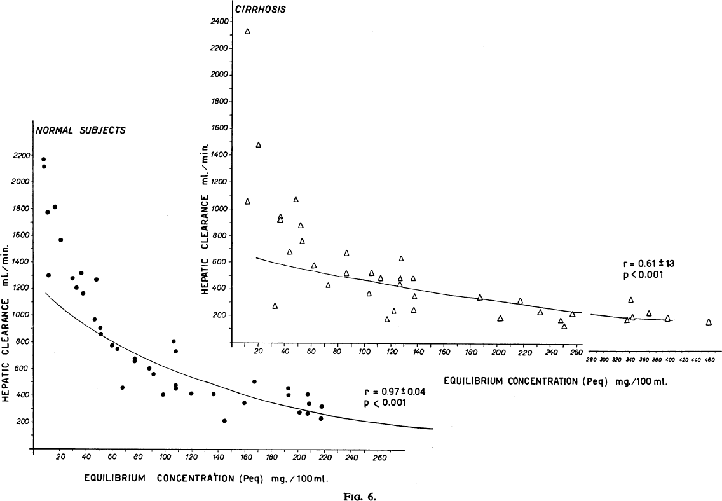
method | constant infusion of galactose
n | 50
subjects | 24 control subjects & 26 liver cirrhosis
 | overnight fasting (12 hours)

Figure 6
study | status | sex | Galactose equilibrium concentration [mg/100ml] | Hepatic clearance [ml/min] | Galactose equilibrium concentration [mg/100ml] | Galactose elimination (CL*Peq) [mmol/min]
study | status | sex | Peqmg | CL | Peq | GE
pal1965 | healthy | U | 7.1889834 | 2171.669 | 0.39938796667 | 0.86733846618
pal1965 | healthy | U | 7.209045 | 2117.623 | 0.4005025 | 0.84811330556
pal1965 | healthy | U | 9.894883 | 1774.3661 | 0.54971572222 | 0.97539694215
pal1965 | healthy | U | 11.03011 | 1300.7045 | 0.61278388889 | 0.79705076181
pal1965 | healthy | U | 15.6359215 | 1815.9065 | 0.86866230556 | 1.577409527
pal1965 | healthy | U | 20.20515 | 1568.0952 | 1.1225083333 | 1.7601999295
pal1965 | healthy | U | 35.96734 | 1320.6945 | 1.9981855556 | 2.6389926732
pal1965 | healthy | U | 28.945925 | 1282.2864 | 1.6081069444 | 2.0620536646
pal1965 | healthy | U | 47.178 | 1273.4175 | 2.621 | 3.3376272675
pal1965 | healthy | U | 32.169876 | 1212.4618 | 1.7872153333 | 2.16693032
pal1965 | healthy | U | 37.302 | 1171.3202 | 2.0723333333 | 2.4273658945
pal1965 | healthy | U | 46.00973 | 974.5282 | 2.5560961111 | 2.4909877422
pal1965 | healthy | U | 50.510517 | 911.10895 | 2.8061398333 | 2.5566991171
pal1965 | healthy | U | 50.52704 | 866.6005 | 2.8070577778 | 2.4325976738
pal1965 | healthy | U | 59.193466 | 781.0796 | 3.2885258889 | 2.5686004859
pal1965 | healthy | U | 63.361473 | 752.61957 | 3.5200818333 | 2.6492824758
pal1965 | healthy | U | 76.50155 | 676.80035 | 4.2500861111 | 2.8764597675
pal1965 | healthy | U | 76.50627 | 664.0837 | 4.2503483333 | 2.8225870475
pal1965 | healthy | U | 66.98665 | 463.44376 | 3.7214805556 | 1.7246969414
pal1965 | healthy | U | 87.40067 | 607.2574 | 4.8555927778 | 2.9485946457
pal1965 | healthy | U | 90.614 | 566.0455 | 5.0341111111 | 2.8495359409
pal1965 | healthy | U | 98.0272 | 410.53574 | 5.4459555556 | 2.235759394
pal1965 | healthy | U | 105.55368 | 811.3932 | 5.8640933333 | 4.7580854548
pal1965 | healthy | U | 107.18099 | 735.1517 | 5.9544994444 | 4.3774603892
pal1965 | healthy | U | 107.27422 | 483.99695 | 5.9596788889 | 2.8844664052
pal1965 | healthy | U | 107.28366 | 458.56357 | 5.9602033333 | 2.7331321185
pal1965 | healthy | U | 118.81176 | 417.65662 | 6.6006533333 | 2.756806561
pal1965 | healthy | U | 135.7611 | 418.27838 | 7.5422833333 | 3.1547740542
pal1965 | healthy | U | 144.47119 | 215.128 | 8.0261772222 | 1.7266554535
pal1965 | healthy | U | 159.1312 | 352.3721 | 8.8406222222 | 3.1151886178
pal1965 | healthy | U | 166.74855 | 508.4332 | 9.2638083333 | 4.7100277151
pal1965 | healthy | U | 192.35016 | 461.68408 | 10.68612 | 4.933611481
pal1965 | healthy | U | 192.69002 | 407.64984 | 10.705001111 | 4.3638919901
pal1965 | healthy | U | 201.05199 | 280.7879 | 11.169555 | 3.1362758924
pal1965 | healthy | U | 207.1317 | 271.4733 | 11.507316667 | 3.1239292296
pal1965 | healthy | U | 207.74298 | 347.79694 | 11.541276667 | 4.0140207084
pal1965 | healthy | U | 207.07742 | 417.71527 | 11.504301111 | 4.8055222448
pal1965 | healthy | U | 217.66618 | 322.7272 | 12.092565556 | 3.9025998226
pal1965 | healthy | U | 217.05963 | 233.68687 | 12.058868333 | 2.8179991966
pal1965 | cirrhosis | U | 10.070863 | 2327.6492 | 0.55949238889 | 1.3023020114
pal1965 | cirrhosis | U | 19.232307 | 1477.3965 | 1.0684615 | 1.5785412805
pal1965 | cirrhosis | U | 10.86149 | 1051.4794 | 0.60341611111 | 0.63447961046
pal1965 | cirrhosis | U | 32.12976 | 274.98334 | 1.7849866667 | 0.49084159546
pal1965 | cirrhosis | U | 35.8701 | 948.24207 | 1.9927833333 | 1.8896409931
pal1965 | cirrhosis | U | 35.889767 | 916.4965 | 1.9938759444 | 1.8273803245
pal1965 | cirrhosis | U | 43.072674 | 678.8347 | 2.3929263333 | 1.6244014296
pal1965 | cirrhosis | U | 47.305874 | 1072.7524 | 2.6281041111 | 2.8193049926
pal1965 | cirrhosis | U | 51.26531 | 876.1645 | 2.8480727778 | 2.4953802613
pal1965 | cirrhosis | U | 52.295483 | 761.9392 | 2.9053046111 | 2.2136654711
pal1965 | cirrhosis | U | 61.367638 | 572.0128 | 3.4093132222 | 1.9501708023
pal1965 | cirrhosis | U | 72.00925 | 429.80225 | 4.0005138889 | 1.7194298706
pal1965 | cirrhosis | U | 86.026955 | 516.3742 | 4.7792752778 | 2.4678944481
pal1965 | cirrhosis | U | 86.250374 | 671.9467 | 4.7916874444 | 3.2197585657
pal1965 | cirrhosis | U | 103.06832 | 368.20502 | 5.7260177778 | 2.1083484904
pal1965 | cirrhosis | U | 104.89069 | 523.8752 | 5.8272605556 | 3.052757289
pal1965 | cirrhosis | U | 111.95167 | 483.03555 | 6.2195372222 | 3.0042575829
pal1965 | cirrhosis | U | 116.93931 | 175.3969 | 6.4966283333 | 1.1394884701
pal1965 | cirrhosis | U | 122.01663 | 239.20032 | 6.7787016667 | 1.6214676079
pal1965 | cirrhosis | U | 126.371765 | 436.29584 | 7.0206536111 | 3.0630819646
pal1965 | cirrhosis | U | 126.664024 | 480.7591 | 7.0368902222 | 3.38304901
pal1965 | cirrhosis | U | 127.52899 | 633.1961 | 7.0849438889 | 4.4861588392
pal1965 | cirrhosis | U | 136.89537 | 484.55838 | 7.6052983333 | 3.6852110398
pal1965 | cirrhosis | U | 137.29973 | 348.0722 | 7.6277627778 | 2.6550121711
pal1965 | cirrhosis | U | 137.04091 | 249.64157 | 7.6133838889 | 1.900617107
pal1965 | cirrhosis | U | 186.87326 | 341.5747 | 10.381847778 | 3.5461765401
pal1965 | cirrhosis | U | 202.3196 | 186.95883 | 11.239977778 | 2.1014130946
pal1965 | cirrhosis | U | 217.26718 | 321.2076 | 12.070398889 | 3.8771038581
pal1965 | cirrhosis | U | 232.66829 | 239.6064 | 12.926016111 | 3.0971561867
pal1965 | cirrhosis | U | 247.73976 | 173.85843 | 13.76332 | 2.3928692068
pal1965 | cirrhosis | U | 250.64542 | 129.59042 | 13.924745556 | 1.8045136249
pal1965 | cirrhosis | U | 256.98618 | 218.86835 | 14.27701 | 3.1247856216
pal1965 | cirrhosis | U | 335.1174 | 175.63492 | 18.617633333 | 3.2699065411
pal1965 | cirrhosis | U | 344.74637 | 194.8526 | 19.152576111 | 3.7319292519
pal1965 | cirrhosis | U | 341.438 | 324.95465 | 18.968777778 | 6.1639925437
pal1965 | cirrhosis | U | 369.15167 | 227.02948 | 20.508426111 | 4.6560173156
pal1965 | cirrhosis | U | 398.112 | 183.09525 | 22.117333333 | 4.049578676
pal1965 | cirrhosis | U | 460.48444 | 161.9728 | 25.582468889 | 4.1436641168

