Ducry1979
Yoshizumi2003 – A simple new formula to assess liver weight

species | human
method | computed tomography (CT)
n | 1413
subjects | cadavric adult and pediatric liver donors

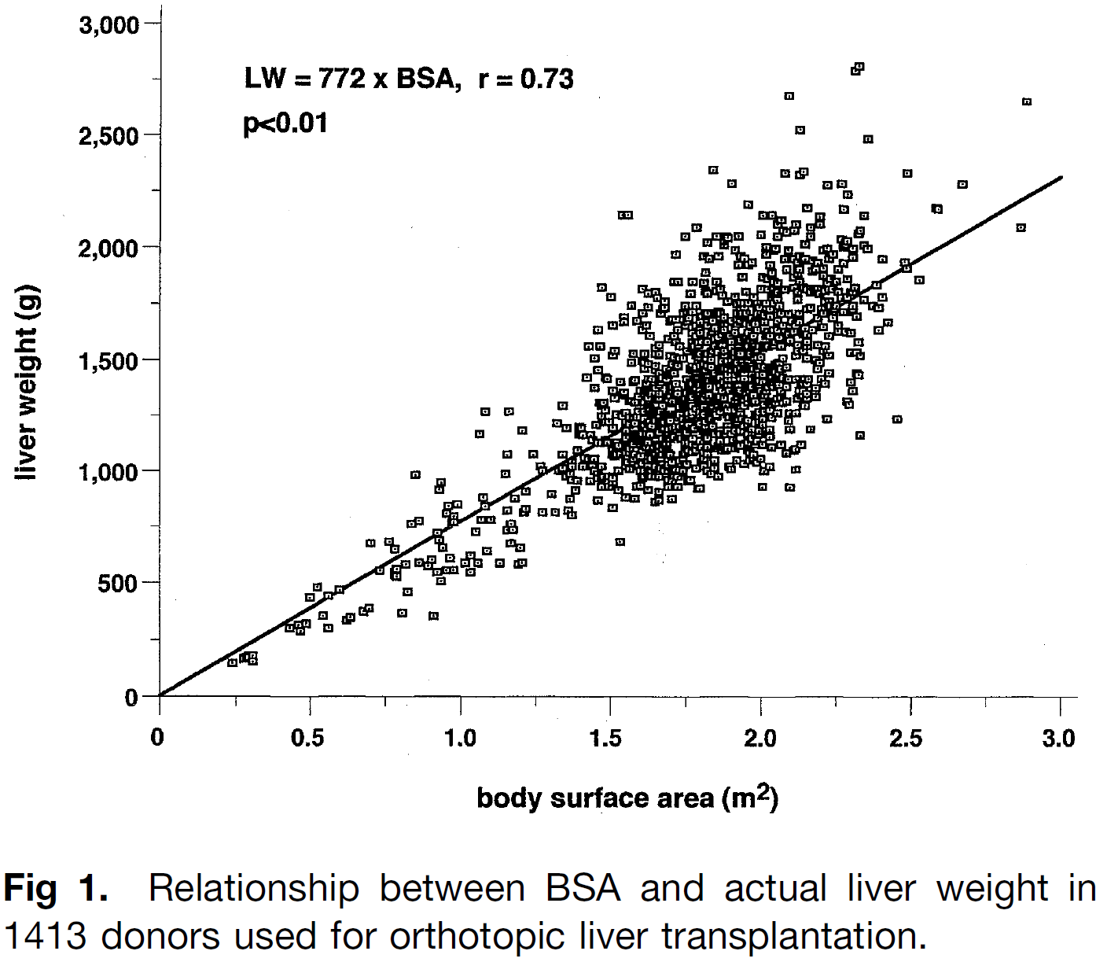
Figure 1
study | Health status /diagnosis | Sex [M,F,U] | Body surface area (BSA) [m^2] | Liver weight [g]
study | status | sex | BSA | liverWeight
yos2002 | healthy | U | 0.24337126 | 151.20108
yos2002 | healthy | U | 0.277391 | 172.29912
yos2002 | healthy | U | 0.28785753 | 179.32875
yos2002 | healthy | U | 0.30880436 | 186.39502
yos2002 | healthy | U | 0.30886614 | 154.9266
yos2002 | healthy | U | 0.42910787 | 298.70413
yos2002 | healthy | U | 0.4605075 | 319.793
yos2002 | healthy | U | 0.48931453 | 326.88675
yos2002 | healthy | U | 0.4684295 | 288.35208
yos2002 | healthy | U | 0.49695507 | 438.80194
yos2002 | healthy | U | 0.5230665 | 484.34793
yos2002 | healthy | U | 0.55982304 | 446.0148
yos2002 | healthy | U | 0.5964353 | 481.10797
yos2002 | healthy | U | 0.5442742 | 358.54755
yos2002 | healthy | U | 0.5600976 | 306.15518
yos2002 | healthy | U | 0.6202906 | 341.33078
yos2002 | healthy | U | 0.6333634 | 355.36255
yos2002 | healthy | U | 0.6752434 | 376.48807
yos2002 | healthy | U | 0.69878966 | 394.05298
yos2002 | healthy | U | 0.69822675 | 680.7652
yos2002 | healthy | U | 0.7610947 | 687.978
yos2002 | healthy | U | 0.73252106 | 562.0036
yos2002 | healthy | U | 0.7847371 | 656.5921
yos2002 | healthy | U | 0.78752875 | 569.18896
yos2002 | healthy | U | 0.7797166 | 544.6861
yos2002 | healthy | U | 0.78759056 | 537.7206
yos2002 | healthy | U | 0.8062605 | 369.95316
yos2002 | healthy | U | 0.8217887 | 467.90985
yos2002 | healthy | U | 0.91108394 | 359.8301
yos2002 | healthy | U | 0.8163083 | 590.2687
yos2002 | healthy | U | 0.83429873 | 768.6539
yos2002 | healthy | U | 0.8630989 | 779.2441
yos2002 | healthy | U | 0.8495935 | 985.4913
yos2002 | healthy | U | 0.9361176 | 954.32513
yos2002 | healthy | U | 0.9309324 | 926.3349
yos2002 | healthy | U | 0.9913313 | 856.6158
yos2002 | healthy | U | 0.9599042 | 849.5129
yos2002 | healthy | U | 0.95473266 | 814.52966
yos2002 | healthy | U | 0.97571385 | 804.11346
yos2002 | healthy | U | 0.97576874 | 776.14154
yos2002 | healthy | U | 0.9234566 | 730.5039
yos2002 | healthy | U | 0.93138546 | 695.5665
yos2002 | healthy | U | 0.8634559 | 597.4266
yos2002 | healthy | U | 0.89230406 | 583.5414
yos2002 | healthy | U | 0.9053495 | 611.55914
yos2002 | healthy | U | 0.9419344 | 660.63824
yos2002 | healthy | U | 0.96821743 | 618.772
yos2002 | healthy | U | 0.9237998 | 555.6794
yos2002 | healthy | U | 0.9343625 | 513.7582
yos2002 | healthy | U | 0.95522696 | 562.7823
yos2002 | healthy | U | 0.9788007 | 566.36127
yos2002 | healthy | U | 1.0338496 | 552.5677
yos2002 | healthy | U | 1.0180469 | 594.4706
yos2002 | healthy | U | 1.0363117 | 632.9961
yos2002 | healthy | U | 1.057341 | 598.1045
yos2002 | healthy | U | 1.093919 | 650.6801
yos2002 | healthy | U | 1.0518332 | 734.44934
yos2002 | healthy | U | 1.0674437 | 790.4481
yos2002 | healthy | U | 1.1015046 | 790.56726
yos2002 | healthy | U | 1.133323 | 598.3702
yos2002 | healthy | U | 1.1909714 | 595.07526
yos2002 | healthy | U | 1.206685 | 598.6267
yos2002 | healthy | U | 1.2039344 | 665.05084
yos2002 | healthy | U | 1.1698393 | 682.4142
yos2002 | healthy | U | 1.0751117 | 888.3774
yos2002 | healthy | U | 1.0830543 | 846.44696
yos2002 | healthy | U | 1.1540021 | 741.79956
yos2002 | healthy | U | 1.1749626 | 741.87286
yos2002 | healthy | U | 1.1696676 | 769.8265
yos2002 | healthy | U | 1.1564505 | 829.221
yos2002 | healthy | U | 1.0614622 | 1168.0508
yos2002 | healthy | U | 1.0796036 | 1269.5132
yos2002 | healthy | U | 1.1608257 | 1269.7971
yos2002 | healthy | U | 1.2055385 | 1182.5406
yos2002 | healthy | U | 1.1585833 | 1077.481
yos2002 | healthy | U | 1.1508877 | 993.5378
yos2002 | healthy | U | 1.1825552 | 878.2635
yos2002 | healthy | U | 1.2141126 | 818.9331
yos2002 | healthy | U | 1.2245586 | 836.4522
yos2002 | healthy | U | 1.2191606 | 916.85315
yos2002 | healthy | U | 1.2743742 | 819.1438
yos2002 | healthy | U | 1.3189086 | 822.796
yos2002 | healthy | U | 1.3713443 | 805.49677
yos2002 | healthy | U | 1.3608091 | 833.43207
yos2002 | healthy | U | 1.3633399 | 878.8956
yos2002 | healthy | U | 1.2740104 | 1004.4578
yos2002 | healthy | U | 1.266109 | 1025.4093
yos2002 | healthy | U | 1.2398053 | 1077.765
yos2002 | healthy | U | 1.3264049 | 1008.1375
yos2002 | healthy | U | 1.3421116 | 1015.1855
yos2002 | healthy | U | 1.3367411 | 1081.6005
yos2002 | healthy | U | 1.389115 | 1095.7697
yos2002 | healthy | U | 1.3708569 | 1053.7477
yos2002 | healthy | U | 1.3709186 | 1022.27924
yos2002 | healthy | U | 1.3683467 | 997.7946
yos2002 | healthy | U | 1.3526675 | 976.7607
yos2002 | healthy | U | 1.3736486 | 966.34454
yos2002 | healthy | U | 1.3867626 | 959.39734
yos2002 | healthy | U | 1.378978 | 920.90845
yos2002 | healthy | U | 1.3056573 | 899.67303
yos2002 | healthy | U | 1.4576625 | 879.2254
yos2002 | healthy | U | 1.5127594 | 840.9564
yos2002 | healthy | U | 1.4313039 | 959.5531
yos2002 | healthy | U | 1.4075928 | 1025.9039
yos2002 | healthy | U | 1.4101442 | 1060.878
yos2002 | healthy | U | 1.4258784 | 1053.9401
yos2002 | healthy | U | 1.4442052 | 1060.9971
yos2002 | healthy | U | 1.4390267 | 1029.5104
yos2002 | healthy | U | 1.4704813 | 1022.6273
yos2002 | healthy | U | 1.4443012 | 1012.04626
yos2002 | healthy | U | 1.457429 | 998.1061
yos2002 | healthy | U | 1.460104 | 970.1433
yos2002 | healthy | U | 1.478417 | 984.1934
yos2002 | healthy | U | 1.5046383 | 973.79553
yos2002 | healthy | U | 1.4889385 | 963.2511
yos2002 | healthy | U | 1.5125397 | 952.8441
yos2002 | healthy | U | 1.4732661 | 938.7207
yos2002 | healthy | U | 1.5047139 | 935.33417
yos2002 | healthy | U | 1.5230818 | 921.41235
yos2002 | healthy | U | 1.5519643 | 890.0447
yos2002 | healthy | U | 1.5808057 | 879.656
yos2002 | healthy | U | 1.5261618 | 687.1566
yos2002 | healthy | U | 1.6437011 | 872.8829
yos2002 | healthy | U | 1.6646479 | 879.94916
yos2002 | healthy | U | 1.709189 | 880.10486
yos2002 | healthy | U | 1.659346 | 911.39923
yos2002 | healthy | U | 1.6278914 | 918.2823
yos2002 | healthy | U | 1.6042696 | 939.1788
yos2002 | healthy | U | 1.5806959 | 935.59985
yos2002 | healthy | U | 1.5255371 | 1005.3373
yos2002 | healthy | U | 1.6933588 | 935.9938
yos2002 | healthy | U | 1.7248065 | 932.6072
yos2002 | healthy | U | 1.7929283 | 932.8454
yos2002 | healthy | U | 1.7666658 | 964.22217
yos2002 | healthy | U | 1.7090175 | 967.51715
yos2002 | healthy | U | 1.6906769 | 967.453
yos2002 | healthy | U | 1.7456229 | 1006.1068
yos2002 | healthy | U | 1.7507944 | 1041.09
yos2002 | healthy | U | 1.7115483 | 1012.9807
yos2002 | healthy | U | 1.6670758 | 977.86005
yos2002 | healthy | U | 1.6513485 | 981.3016
yos2002 | healthy | U | 1.6382344 | 988.2487
yos2002 | healthy | U | 1.6068074 | 981.1458
yos2002 | healthy | U | 1.5910319 | 1009.0628
yos2002 | healthy | U | 1.6172464 | 1002.16144
yos2002 | healthy | U | 1.6801006 | 1016.36725
yos2002 | healthy | U | 1.7010131 | 1040.916
yos2002 | healthy | U | 1.7271863 | 1054.9935
yos2002 | healthy | U | 1.7455062 | 1065.5471
yos2002 | healthy | U | 1.5279993 | 1085.7657
yos2002 | healthy | U | 1.666911 | 1061.7758
yos2002 | healthy | U | 1.6643322 | 1040.7877
yos2002 | healthy | U | 1.632905 | 1033.6848
yos2002 | healthy | U | 1.6066974 | 1037.0897
yos2002 | healthy | U | 1.5621907 | 1019.4515
yos2002 | healthy | U | 1.5804418 | 1064.97
yos2002 | healthy | U | 1.5987755 | 1068.5306
yos2002 | healthy | U | 1.6171228 | 1065.0983
yos2002 | healthy | U | 1.6590165 | 1079.2308
yos2002 | healthy | U | 1.7035576 | 1079.3865
yos2002 | healthy | U | 1.5516485 | 1050.8833
yos2002 | healthy | U | 1.5620601 | 1085.8848
yos2002 | healthy | U | 1.5830345 | 1078.9651
yos2002 | healthy | U | 1.6066083 | 1082.5441
yos2002 | healthy | U | 1.622308 | 1093.0885
yos2002 | healthy | U | 1.6406348 | 1100.1456
yos2002 | healthy | U | 1.6589752 | 1100.2097
yos2002 | healthy | U | 1.682549 | 1103.7887
yos2002 | healthy | U | 1.5122857 | 1082.2142
yos2002 | healthy | U | 1.5803664 | 1103.4314
yos2002 | healthy | U | 1.6511014 | 1107.1752
yos2002 | healthy | U | 1.6510739 | 1121.1611
yos2002 | healthy | U | 1.6772746 | 1121.2528
yos2002 | healthy | U | 1.6929675 | 1135.2937
yos2002 | healthy | U | 1.6510121 | 1152.6296
yos2002 | healthy | U | 1.6169993 | 1128.035
yos2002 | healthy | U | 1.5489186 | 1106.818
yos2002 | healthy | U | 1.5750781 | 1127.8885
yos2002 | healthy | U | 1.6091185 | 1138.4971
yos2002 | healthy | U | 1.6326442 | 1166.5514
yos2002 | healthy | U | 1.6011964 | 1169.938
yos2002 | healthy | U | 1.5514976 | 1127.806
yos2002 | healthy | U | 1.4965241 | 1103.1382
yos2002 | healthy | U | 1.4964898 | 1120.6207
yos2002 | healthy | U | 1.5435892 | 1152.254
yos2002 | healthy | U | 1.5671287 | 1173.3154
yos2002 | healthy | U | 1.5802497 | 1162.8717
yos2002 | healthy | U | 1.5985215 | 1197.9008
yos2002 | healthy | U | 1.6351887 | 1205.022
yos2002 | healthy | U | 1.6535635 | 1187.6036
yos2002 | healthy | U | 1.4912153 | 1138.0848
yos2002 | healthy | U | 1.4728954 | 1127.5312
yos2002 | healthy | U | 1.4571613 | 1134.4692
yos2002 | healthy | U | 1.4361595 | 1155.3749
yos2002 | healthy | U | 1.4387522 | 1169.37
yos2002 | healthy | U | 1.404705 | 1162.2579
yos2002 | healthy | U | 1.4046364 | 1197.2229
yos2002 | healthy | U | 1.3941355 | 1207.6757
yos2002 | healthy | U | 1.3915703 | 1179.6946
yos2002 | healthy | U | 1.357475 | 1197.058
yos2002 | healthy | U | 1.3260137 | 1207.4375
yos2002 | healthy | U | 1.3441825 | 1294.9138
yos2002 | healthy | U | 1.4491569 | 1207.868
yos2002 | healthy | U | 1.5094254 | 1204.5823
yos2002 | healthy | U | 1.4884236 | 1225.4879
yos2002 | healthy | U | 1.4779434 | 1225.4513
yos2002 | healthy | U | 1.4700351 | 1249.8992
yos2002 | healthy | U | 1.4778609 | 1267.4092
yos2002 | healthy | U | 1.4725522 | 1302.3557
yos2002 | healthy | U | 1.5171826 | 1257.0571
yos2002 | healthy | U | 1.54077 | 1253.6431
yos2002 | healthy | U | 1.5590831 | 1267.6931
yos2002 | healthy | U | 1.556621 | 1187.2648
yos2002 | healthy | U | 1.590627 | 1215.3557
yos2002 | healthy | U | 1.5827187 | 1239.8037
yos2002 | healthy | U | 1.6482135 | 1243.5292
yos2002 | healthy | U | 1.5878971 | 1271.2904
yos2002 | healthy | U | 1.6167865 | 1236.4263
yos2002 | healthy | U | 1.6299211 | 1218.9896
yos2002 | healthy | U | 1.4277982 | 1410.5912
yos2002 | healthy | U | 1.4462074 | 1375.6904
yos2002 | healthy | U | 1.5118121 | 1323.4722
yos2002 | healthy | U | 1.5038557 | 1372.3955
yos2002 | healthy | U | 1.543198 | 1351.554
yos2002 | healthy | U | 1.4880598 | 1410.8019
yos2002 | healthy | U | 1.5352416 | 1400.4773
yos2002 | healthy | U | 1.4591566 | 1452.659
yos2002 | healthy | U | 1.4433333 | 1505.0514
yos2002 | healthy | U | 1.427503 | 1560.9403
yos2002 | healthy | U | 1.461557 | 1564.5559
yos2002 | healthy | U | 1.4588134 | 1627.4835
yos2002 | healthy | U | 1.4662961 | 1819.818
yos2002 | healthy | U | 1.5337863 | 2141.7334
yos2002 | healthy | U | 1.5547332 | 2148.7996
yos2002 | healthy | U | 1.5004256 | 1784.9723
yos2002 | healthy | U | 1.5085535 | 1648.6366
yos2002 | healthy | U | 1.5166266 | 1540.2728
yos2002 | healthy | U | 1.5797691 | 1407.6261
yos2002 | healthy | U | 1.5719295 | 1397.1091
yos2002 | healthy | U | 1.5691309 | 1488.0087
yos2002 | healthy | U | 1.5742818 | 1533.4814
yos2002 | healthy | U | 1.6084938 | 1456.6777
yos2002 | healthy | U | 1.6530006 | 1474.3159
yos2002 | healthy | U | 1.6477948 | 1456.8152
yos2002 | healthy | U | 1.6267862 | 1481.2173
yos2002 | healthy | U | 1.616203 | 1533.628
yos2002 | healthy | U | 1.6424311 | 1519.7336
yos2002 | healthy | U | 1.6659225 | 1565.2705
yos2002 | healthy | U | 1.6449894 | 1551.2112
yos2002 | healthy | U | 1.7314311 | 1562.003
yos2002 | healthy | U | 1.7209165 | 1579.4489
yos2002 | healthy | U | 1.7130014 | 1607.3933
yos2002 | healthy | U | 1.6920682 | 1593.334
yos2002 | healthy | U | 1.7260399 | 1638.9075
yos2002 | healthy | U | 1.6317861 | 1603.6128
yos2002 | healthy | U | 1.6081437 | 1634.9988
yos2002 | healthy | U | 1.6159626 | 1656.0051
yos2002 | healthy | U | 1.5897276 | 1673.396
yos2002 | healthy | U | 1.5425938 | 1659.2451
yos2002 | healthy | U | 1.5425252 | 1694.2101
yos2002 | healthy | U | 1.5660166 | 1739.7468
yos2002 | healthy | U | 1.6080064 | 1704.9286
yos2002 | healthy | U | 1.6236719 | 1732.9554
yos2002 | healthy | U | 1.6025603 | 1809.8049
yos2002 | healthy | U | 1.6209282 | 1795.8832
yos2002 | healthy | U | 1.6444882 | 1806.4551
yos2002 | healthy | U | 1.6550372 | 1771.5267
yos2002 | healthy | U | 1.6812516 | 1764.6254
yos2002 | healthy | U | 1.6786796 | 1740.1409
yos2002 | healthy | U | 1.663014 | 1712.1139
yos2002 | healthy | U | 1.6945167 | 1680.7555
yos2002 | healthy | U | 1.7154772 | 1680.8287
yos2002 | healthy | U | 1.7338177 | 1680.8928
yos2002 | healthy | U | 1.7363691 | 1715.867
yos2002 | healthy | U | 1.7415681 | 1736.8641
yos2002 | healthy | U | 1.7860955 | 1744.013
yos2002 | healthy | U | 1.7702653 | 1799.9017
yos2002 | healthy | U | 1.7754163 | 1845.3745
yos2002 | healthy | U | 1.7256349 | 1845.2004
yos2002 | healthy | U | 1.7125345 | 1845.1547
yos2002 | healthy | U | 1.7149006 | 1974.5339
yos2002 | healthy | U | 1.738337 | 2048.0427
yos2002 | healthy | U | 1.7775626 | 2086.6416
yos2002 | healthy | U | 1.8425632 | 2342.1143
yos2002 | healthy | U | 2.0934515 | 2668.1675
yos2002 | healthy | U | 2.315924 | 2787.827
yos2002 | healthy | U | 2.326363 | 2808.8425
yos2002 | healthy | U | 2.8899937 | 2649.9734
yos2002 | healthy | U | 2.8727171 | 2107.9534
yos2002 | healthy | U | 2.6680086 | 2282.0632
yos2002 | healthy | U | 2.5896263 | 2169.9006
yos2002 | healthy | U | 2.4845145 | 2326.8765
yos2002 | healthy | U | 2.3610554 | 2487.2844
yos2002 | healthy | U | 2.1251805 | 2521.4248
yos2002 | healthy | U | 2.0784037 | 2325.4563
yos2002 | healthy | U | 2.1281989 | 2318.6375
yos2002 | healthy | U | 2.1412373 | 2350.1516
yos2002 | healthy | U | 2.21997 | 2283.9932
yos2002 | healthy | U | 2.2697444 | 2287.6638
yos2002 | healthy | U | 2.2881877 | 2235.2805
yos2002 | healthy | U | 2.2778242 | 2175.8035
yos2002 | healthy | U | 2.3329005 | 2148.024
yos2002 | healthy | U | 2.152061 | 2175.3638
yos2002 | healthy | U | 1.9003215 | 2282.8755
yos2002 | healthy | U | 1.9607615 | 2192.1775
yos2002 | healthy | U | 2.0027719 | 2146.8696
yos2002 | healthy | U | 2.0394528 | 2146.998
yos2002 | healthy | U | 2.0709348 | 2126.129
yos2002 | healthy | U | 2.0552557 | 2105.095
yos2002 | healthy | U | 2.115524 | 2101.8093
yos2002 | healthy | U | 2.201911 | 2140.573
yos2002 | healthy | U | 2.1967463 | 2102.0933
yos2002 | healthy | U | 2.1653192 | 2094.9902
yos2002 | healthy | U | 2.1705935 | 2077.5261
yos2002 | healthy | U | 2.1680284 | 2049.5452
yos2002 | healthy | U | 2.1445096 | 2017.9943
yos2002 | healthy | U | 2.1155858 | 2070.3408
yos2002 | healthy | U | 2.0893853 | 2070.2493
yos2002 | healthy | U | 2.063164 | 2080.647
yos2002 | healthy | U | 2.0579786 | 2052.6567
yos2002 | healthy | U | 2.0055704 | 2055.9702
yos2002 | healthy | U | 1.9243482 | 2055.686
yos2002 | healthy | U | 1.8929212 | 2048.5833
yos2002 | healthy | U | 1.8719537 | 2052.0063
yos2002 | healthy | U | 1.843133 | 2051.9055
yos2002 | healthy | U | 1.8248405 | 2027.3661
yos2002 | healthy | U | 1.8772694 | 2013.5634
yos2002 | healthy | U | 1.8040036 | 1964.356
...

