Bradley1952
Bradley1952 – Hepatic circulation in cirrhosis of the liver

species | human
method | Blood flow measurement via Bromsulphalein (BSP) method
n | 91 (normal) & 39 (cirrhotic)
subjects | healthy, no evidence of hepatic disease

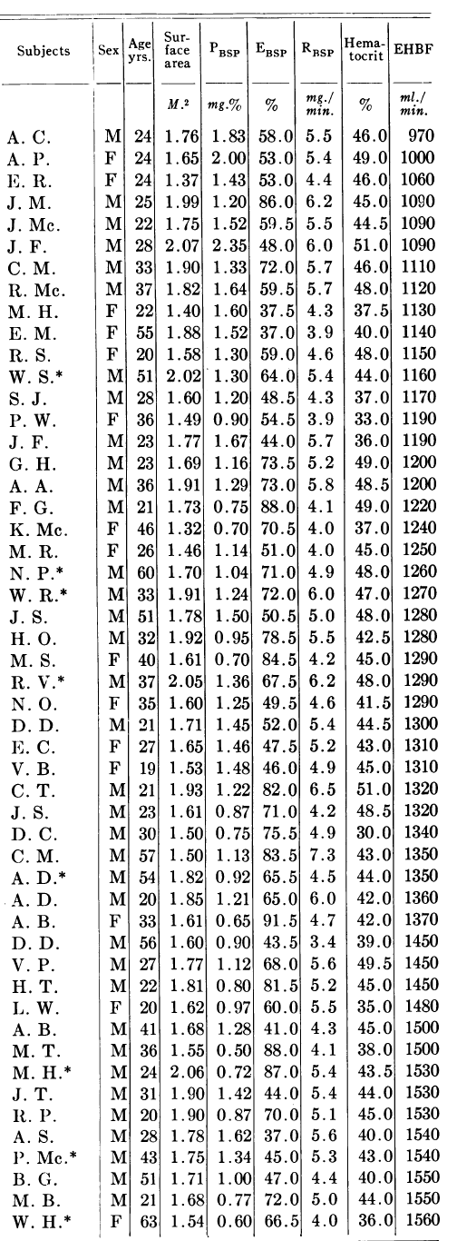
Table 1
study | Health status /diagnosis | subject | Uncomplicated hypertension | Sex [M,F,U] | Age [years] | Body surface area (BSA) [m^2] | Plasma concentration of BSP [mg%] | Hepatic extraction of BSP [%] | Hepatic BSP removal rate [mg/min] | Hematocrit [%] | Estimated hepatic blood flow [ml/min]
study | status | subject | hypertension | sex | age | BSA | PBSP | EBSP | RBSP | hematrocrit | liverBloodFlow
bra1952 | healthy | A.C. | 0 | M | 24 | 1.76 | 1.83 | 58.0 | 5.5 | 46.0 | 970
bra1952 | healthy | A.P. | 0 | F | 24 | 1.65 | 2.00 | 53.0 | 5.4 | 49.0 | 1000
bra1952 | healthy | E.R. | 0 | F | 24 | 1.37 | 1.43 | 53.0 | 4.4 | 46.0 | 1060
bra1952 | healthy | J.M. | 0 | M | 25 | 1.99 | 1.20 | 86.0 | 6.2 | 45.0 | 1090
bra1952 | healthy | J.Mc. | 0 | M | 22 | 1.75 | 1.52 | 59.5 | 5.5 | 44.5 | 1090
bra1952 | healthy | J.F. | 0 | M | 28 | 2.07 | 2.35 | 48.0 | 6.0 | 51.0 | 1090
bra1952 | healthy | C.M. | 0 | M | 33 | 1.90 | 1.33 | 72.0 | 5.7 | 46.0 | 1110
bra1952 | healthy | R.Mc. | 0 | M | 37 | 1.82 | 1.64 | 59.5 | 5.7 | 48.0 | 1120
bra1952 | healthy | M.H. | 0 | F | 22 | 1.40 | 1.60 | 37.5 | 4.3 | 37.5 | 1130
bra1952 | healthy | E.M. | 0 | F | 55 | 1.38 | 1.52 | 37.0 | 3.9 | 40.0 | 1140
bra1952 | healthy | R.S. | 0 | F | 20 | 1.58 | 1.30 | 59.0 | 4.6 | 48.0 | 1150
bra1952 | healthy | W.S.* | 1 | M | 51 | 2.02 | 1.30 | 64.0 | 5.4 | 44.0 | 1100
bra1952 | healthy | S.J. | 0 | M | 28 | 1.60 | 1.20 | 48.5 | 4.3 | 37.0 | 1170
bra1952 | healthy | P.W. | 0 | F | 36 | 1.49 | 0.90 | 54.5 | 3.9 | 33.0 | 1190
bra1952 | healthy | J.F. | 0 | M | 23 | 1.77 | 1.67 | 44.0 | 5.7 | 36.0 | 1190
bra1952 | healthy | G.H. | 0 | M | 23 | 1.69 | 1.16 | 73.5 | 5.2 | 49.0 | 1200
bra1952 | healthy | A.A. | 0 | M | 36 | 1.91 | 1.29 | 73.0 | 5.8 | 48.5 | 1200
bra1952 | healthy | F.G. | 0 | M | 21 | 1.73 | 0.75 | 88.0 | 4.1 | 49.0 | 1220
bra1952 | healthy | K.Mc. | 0 | F | 46 | 1.32 | 0.70 | 70.5 | 4.0 | 37.0 | 1240
bra1952 | healthy | M.R. | 0 | F | 26 | 1.46 | 1.14 | 51.0 | 4.0 | 45.0 | 1250
bra1952 | healthy | N.P.* | 1 | M | 60 | 1.70 | 1.04 | 71.0 | 4.9 | 48.0 | 1260
bra1952 | healthy | W.R.* | 1 | M | 33 | 1.91 | 1.24 | 72.0 | 6.0 | 47.0 | 1270
bra1952 | healthy | J.S. | 0 | M | 51 | 1.78 | 1.50 | 50.5 | 5.0 | 48.0 | 1280
bra1952 | healthy | H.O. | 0 | M | 32 | 1.92 | 0.95 | 78.5 | 5.5 | 42.5 | 1280
bra1952 | healthy | M.S. | 0 | F | 40 | 1.61 | 0.70 | 84.5 | 4.2 | 45.0 | 1290
bra1952 | healthy | R.V.* | 1 | M | 37 | 2.05 | 1.36 | 67.5 | 6.2 | 48.0 | 1290
bra1952 | healthy | N.O. | 0 | F | 35 | 1.60 | 1.25 | 49.5 | 4.6 | 41.5 | 1290
bra1952 | healthy | D.D. | 0 | M | 21 | 1.71 | 1.45 | 52.0 | 5.4 | 44.5 | 1300
bra1952 | healthy | E.C. | 0 | F | 27 | 1.65 | 1.46 | 47.5 | 5.2 | 43.0 | 1310
bra1952 | healthy | V.B. | 0 | F | 19 | 1.53 | 1.48 | 46.0 | 4.9 | 45.0 | 1310
bra1952 | healthy | C.T. | 0 | M | 21 | 1.93 | 1.22 | 82.0 | 6.5 | 51.0 | 1320
bra1952 | healthy | J.S. | 0 | M | 23 | 1.61 | 0.87 | 71.0 | 4.2 | 48.5 | 1320
bra1952 | healthy | D.C. | 0 | M | 30 | 1.50 | 0.75 | 75.5 | 4.9 | 30.0 | 1340
bra1952 | healthy | C.M. | 0 | M | 57 | 1.50 | 1.13 | 83.5 | 7.3 | 43.0 | 1350
bra1952 | healthy | A.D.* | 1 | M | 54 | 1.82 | 0.02 | 65.5 | 4.5 | 44.0 | 1350
bra1952 | healthy | A.D. | 0 | M | 20 | 1.85 | 1.21 | 65.0 | 6.0 | 42.0 | 1360
bra1952 | healthy | A.B. | 0 | F | 33 | 1.61 | 0.65 | 91.5 | 4.7 | 42.0 | 1370
bra1952 | healthy | D.D. | 0 | M | 56 | 1.60 | 0.90 | 43.5 | 3.4 | 39.0 | 1450
bra1952 | healthy | V.P. | 0 | M | 27 | 1.77 | 1.12 | 68.0 | 5.6 | 49.5 | 1450
bra1952 | healthy | H.T. | 0 | M | 22 | 1.81 | 0.80 | 81.5 | 5.2 | 45.0 | 1450
bra1952 | healthy | L.W. | 0 | F | 20 | 1.62 | 0.97 | 60.0 | 5.5 | 35.0 | 1480
bra1952 | healthy | A.B. | 0 | M | 41 | 1.68 | 1.28 | 41.0 | 4.3 | 45.0 | 1500
bra1952 | healthy | M.T. | 0 | M | 36 | 1.55 | 0.50 | 38.0 | 4.1 | 38.0 | 1500
bra1952 | healthy | M.H.* | 1 | M | 24 | 2.06 | 0.72 | 87.0 | 5.4 | 43.5 | 1530
bra1952 | healthy | J.T. | 0 | M | 31 | 1.90 | 1.42 | 44.0 | 5.4 | 44.0 | 1530
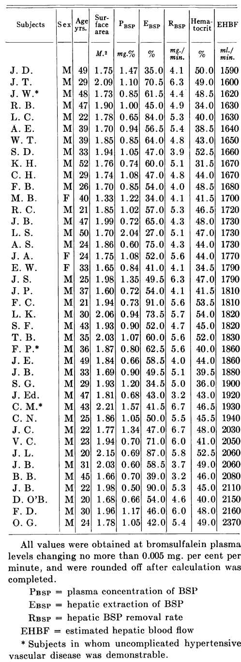
bra1952 | healthy | R.P. | 0 | M | 20 | 1.90 | 0.87 | 70.0 | 5.1 | 45.0 | 1530
bra1952 | healthy | A.S. | 0 | M | 28 | 1.78 | 1.62 | 37.0 | 5.6 | 40.0 | 1540
bra1952 | healthy | P.Mc.* | 1 | M | 43 | 1.75 | 1.34 | 45.0 | 5.3 | 43.0 | 1540
bra1952 | healthy | B.G. | 0 | M | 51 | 1.71 | 1.00 | 47.0 | 4.4 | 40.0 | 1550
bra1952 | healthy | M.B. | 0 | M | 21 | 1.68 | 0.77 | 72.0 | 5.0 | 44.0 | 1550
bra1952 | healthy | W.H.* | 1 | F | 63 | 1.54 | 0.60 | 66.5 | 4.0 | 36.0 | 1560
bra1952 | healthy | J.D. | 0 | M | 49 | 1.75 | 1.47 | 35.0 | 4.1 | 50.0 | 1590
bra1952 | healthy | J.T. | 0 | M | 29 | 2.09 | 1.10 | 70.5 | 6.3 | 49.0 | 1600
bra1952 | healthy | J.W.* | 1 | M | 48 | 1.73 | 0.85 | 61.5 | 4.4 | 48.5 | 1620
bra1952 | healthy | R.B. | 0 | M | 47 | 1.90 | 1.00 | 45.0 | 4.9 | 34.0 | 1630
bra1952 | healthy | L.C. | 0 | M | 22 | 1.78 | 0.65 | 84.0 | 5.3 | 40.0 | 1630
bra1952 | healthy | A.E. | 0 | M | 39 | 1.70 | 0.94 | 56.5 | 5.4 | 38.5 | 1640
bra1952 | healthy | W.T. | 0 | M | 39 | 1.85 | 0.85 | 64.0 | 4.8 | 43.0 | 1650
bra1952 | healthy | S.D. | 0 | M | 33 | 1.94 | 1.05 | 47.0 | 3.9 | 52.5 | 1660
bra1952 | healthy | K.H. | 0 | M | 52 | 1.76 | 0.74 | 60.0 | 5.1 | 31.5 | 1670
bra1952 | healthy | C.H. | 0 | M | 29 | 1.74 | 1.08 | 47.0 | 4.8 | 44.0 | 1670
bra1952 | healthy | F.B. | 0 | M | 26 | 1.70 | 0.85 | 54.0 | 4.0 | 48.5 | 1680
bra1952 | healthy | M.B. | 0 | F | 40 | 1.33 | 1.22 | 34.0 | 4.1 | 41.5 | 1700
bra1952 | healthy | R.C. | 0 | M | 21 | 1.85 | 1.02 | 57.0 | 5.3 | 46.5 | 1720
bra1952 | healthy | J.B. | 0 | M | 47 | 1.99 | 0.72 | 65.0 | 4.3 | 48.0 | 1730
bra1952 | healthy | L.S. | 0 | M | 50 | 1.70 | 2.04 | 27.0 | 5.1 | 47.0 | 1730
bra1952 | healthy | A.S. | 0 | M | 24 | 1.86 | 0.60 | 75.0 | 4.3 | 44.0 | 1730
bra1952 | healthy | J.A. | 0 | F | 24 | 1.75 | 1.08 | 52.0 | 5.6 | 44.0 | 1770
bra1952 | healthy | E.W. | 0 | F | 33 | 1.65 | 0.84 | 41.0 | 4.1 | 34.5 | 1790
bra1952 | healthy | J.S. | 0 | M | 25 | 1.98 | 1.35 | 49.5 | 6.3 | 47.0 | 1790
bra1952 | healthy | J.P. | 0 | M | 37 | 1.60 | 0.72 | 54.0 | 4.1 | 41.5 | 1810
bra1952 | healthy | F.C. | 0 | M | 21 | 1.94 | 0.73 | 91.0 | 5.6 | 53.5 | 1810
bra1952 | healthy | L.K. | 0 | M | 30 | 2.06 | 0.94 | 73.5 | 5.7 | 54.0 | 1820
bra1952 | healthy | S.F. | 0 | M | 43 | 1.93 | 0.90 | 52.0 | 4.7 | 45.0 | 1820
bra1952 | healthy | T.B. | 0 | M | 35 | 2.03 | 1.07 | 60.0 | 5.6 | 52.0 | 1830
bra1952 | healthy | F.P.* | 1 | M | 36 | 1.87 | 0.80 | 62.5 | 5.6 | 40.0 | 1860
bra1952 | healthy | J.E. | 0 | M | 49 | 1.84 | 0.66 | 58.5 | 4.0 | 44.0 | 1860
bra1952 | healthy | J.B. | 0 | M | 33 | 1.69 | 0.90 | 49.5 | 5.1 | 39.5 | 1880
bra1952 | healthy | S.G. | 0 | M | 29 | 1.93 | 1.20 | 34.5 | 5.0 | 36.0 | 1900
bra1952 | healthy | J.Ed. | 0 | M | 47 | 1.81 | 0.68 | 43.0 | 3.2 | 43.0 | 1920
bra1952 | healthy | C.M.* | 1 | M | 43 | 2.21 | 1.57 | 41.5 | 6.7 | 46.5 | 1930
bra1952 | healthy | C.N. | 0 | M | 25 | 1.86 | 1.05 | 50.0 | 5.5 | 45.5 | 1940
bra1952 | healthy | J.C. | 0 | M | 22 | 1.77 | 1.34 | 47.0 | 6.7 | 48.0 | 2030
bra1952 | healthy | V.C. | 0 | M | 23 | 1.94 | 0.70 | 71.0 | 6.0 | 41.0 | 2050
bra1952 | healthy | J.L. | 0 | M | 20 | 2.15 | 0.69 | 87.0 | 5.8 | 52.5 | 2060
bra1952 | healthy | J.B. | 0 | M | 31 | 2.03 | 0.60 | 58.5 | 3.7 | 49.0 | 2060
bra1952 | healthy | B.B. | 0 | M | 45 | 1.66 | 0.70 | 39.0 | 3.2 | 46.0 | 2080
bra1952 | healthy | J.B. | 0 | M | 22 | 1.98 | 0.50 | 90.0 | 5.3 | 45.0 | 2110
bra1952 | healthy | D.OB. | 0 | M | 20 | 1.68 | 0.66 | 54.0 | 4.6 | 40.0 | 2150
bra1952 | healthy | F.D. | 0 | M | 30 | 1.96 | 1.17 | 46.0 | 6.0 | 48.0 | 2160
bra1952 | healthy | O.G. | 0 | M | 24 | 1.78 | 1.05 | 42.0 | 5.4 | 49.0 | 2370

