Ducry1979
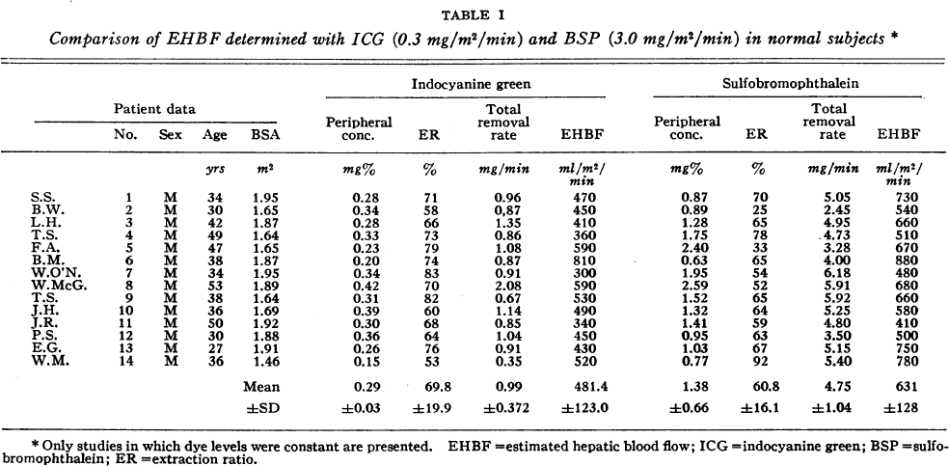
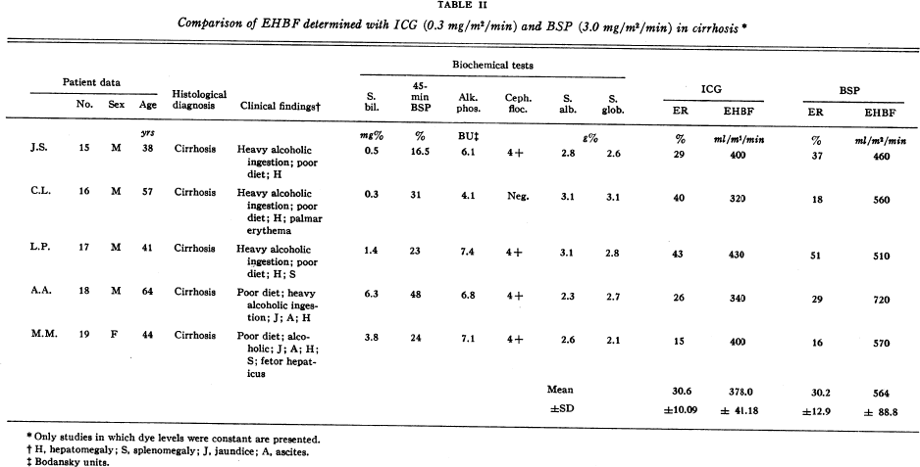
Leevy1962 – Estimation of hepatic blood flow with indocyanine green

species | human
method | blood flow measurements using BSP and ICG (estimated hepatic blood flow)
n | 28 healthy & 34 with liver disease
subjects

Table 1
study | Health status /diagnosis | subject | Sex | Age [years] | Body surface area [m^2] | ICG peripheral concentration [mg%] | ICG extraction ratio [%] | ICG total removal rate [mg/min] | ICG Estimated hepatic blood flow per BSA [ml/min/m^2] | ICG Estimated hepatic blood flow [ml/min] | BSP peripheral concentration [mg%] | BSP extraction ratio [%] | BSP total removal rate [mg/min] | BSP Estimated hepatic blood flow per BSA [ml/min/m^2] | BSP Estimated hepatic blood flow [ml/min]
study | status | subject | sex | age | BSA | ICG_c | ICG_ER | ICG_R | ICG_EHBF_BSA | ICG_EHBF | BSP_c | BSP_ER | BSP_R | BSP_EHBF_BSA | BSP_EHBF
lee1962 | healthy | 1 | M | 34 | 1.95 | 0.28 | 71 | 0.96 | 470 | 916.5 | 0.87 | 70 | 5.05 | 730 | 1423.50
lee1962 | healthy | 2 | M | 30 | 1.65 | 0.34 | 58 | 0.87 | 450 | 742.5 | 0.89 | 25 | 2.45 | 540 | 891.00
lee1962 | healthy | 3 | M | 42 | 1.87 | 0.28 | 66 | 1.35 | 410 | 766.7 | 1.28 | 65 | 4.95 | 660 | 1234.20
lee1962 | healthy | 4 | M | 49 | 1.64 | 0.33 | 73 | 0.86 | 360 | 590.4 | 1.75 | 78 | 4.73 | 510 | 836.40
lee1962 | healthy | 5 | M | 47 | 1.65 | 0.23 | 79 | 1.08 | 590 | 973.5 | 2.4 | 33 | 3.28 | 670 | 1105.50
lee1962 | healthy | 6 | M | 38 | 1.87 | 0.20 | 74 | 0.87 | 810 | 1514.7 | 0.63 | 65 | 4 | 880 | 1645.60
lee1962 | healthy | 7 | M | 34 | 1.95 | 0.34 | 83 | 0.91 | 300 | 585 | 1.95 | 54 | 6.18 | 480 | 936.00
lee1962 | healthy | 8 | M | 53 | 1.89 | 0.42 | 70 | 2.08 | 590 | 1115.1 | 2.59 | 52 | 5.91 | 680 | 1285.20
lee1962 | healthy | 9 | M | 38 | 1.64 | 0.31 | 82 | 0.67 | 530 | 869.2 | 1.52 | 65 | 5.92 | 660 | 1082.40
lee1962 | healthy | 10 | M | 36 | 1.69 | 0.39 | 60 | 1.14 | 490 | 828.1 | 1.32 | 64 | 5.25 | 580 | 980.20
lee1962 | healthy | 11 | M | 50 | 1.92 | 0.30 | 68 | 0.85 | 340 | 652.8 | 1.41 | 59 | 4.8 | 410 | 787.20
lee1962 | healthy | 12 | M | 30 | 1.88 | 0.36 | 64 | 1.04 | 450 | 846 | 0.95 | 63 | 3.5 | 500 | 940.00
lee1962 | healthy | 13 | M | 27 | 1.91 | 0.26 | 76 | 0.91 | 430 | 821.3 | 1.03 | 67 | 5.15 | 750 | 1432.50
lee1962 | healthy | 14 | M | 36 | 1.46 | 0.15 | 53 | 0.35 | 520 | 759.2 | 0.77 | 92 | 5.4 | 780 | 1138.80

