Urata1995
Urata1995 – Calculation of child and adult standard liver volume for transplantation
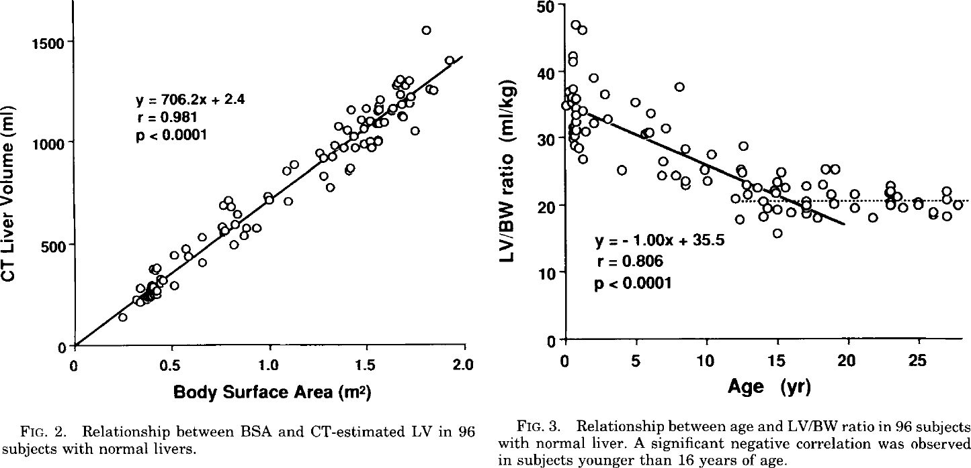
species | human
method | computed tomography (CT)
n | 96
subjects | japaneses in 96 patients (65 pediatric and 31 adolescent)

Figure 2 |  |  |  |  |  | Figure 3
study | Health status /diagnosis | Sex [M,F,U] | Ethnicity | Body surface area (BSA) [m^2] | Liver volume [ml] | study | Health status /diagnosis | Sex [M,F,U] | Ethnicity | Age [years] | Liver volume per body weight [ml/kg]
study | status | sex | ethnicity | BSA | volLiver | study | status | sex | ethnicity | age | volLiverkg
ura1995 | healthy | U | japanese | 0.24188773 | 141.27083 | ura1995 | healthy | U | japanese | 0.7092945 | 46.996796
ura1995 | healthy | U | japanese | 0.31116158 | 226.94475 | ura1995 | healthy | U | japanese | 1.1846669 | 46.094902
ura1995 | healthy | U | japanese | 0.33180344 | 213.66074 | ura1995 | healthy | U | japanese | 0.51455593 | 42.29761
ura1995 | healthy | U | japanese | 0.33205312 | 283.04294 | ura1995 | healthy | U | japanese | 0.46621147 | 41.49781
ura1995 | healthy | U | japanese | 0.36286134 | 220.16603 | ura1995 | healthy | U | japanese | 1.9878386 | 39.091743
ura1995 | healthy | U | japanese | 0.35257608 | 236.71979 | ura1995 | healthy | U | japanese | 0.5577304 | 37.397476
ura1995 | healthy | U | japanese | 0.37333682 | 256.4749 | ura1995 | healthy | U | japanese | 0.1765073 | 37.099003
ura1995 | healthy | U | japanese | 0.39051855 | 239.89838 | ura1995 | healthy | U | japanese | 0.36616647 | 36.198254
ura1995 | healthy | U | japanese | 0.42158833 | 249.70758 | ura1995 | healthy | U | japanese | 0.74684536 | 35.896732
ura1995 | healthy | U | japanese | 0.41821143 | 269.54245 | ura1995 | healthy | U | japanese | 0.36544085 | 35.398262
ura1995 | healthy | U | japanese | 0.39760527 | 292.73822 | ura1995 | healthy | U | japanese | -0.063491836 | 34.99998
ura1995 | healthy | U | japanese | 0.4010297 | 286.119 | ura1995 | healthy | U | japanese | 0.74557555 | 34.49675
ura1995 | healthy | U | japanese | 0.45288402 | 322.29117 | ura1995 | healthy | U | japanese | 1.2213107 | 33.99485
ura1995 | healthy | U | japanese | 0.5114089 | 295.66617 | ura1995 | healthy | U | japanese | 0.6970496 | 33.496952
ura1995 | healthy | U | japanese | 0.43567854 | 332.2599 | ura1995 | healthy | U | japanese | 0.74367076 | 32.396774
ura1995 | healthy | U | japanese | 0.4186276 | 385.17947 | ura1995 | healthy | U | japanese | 0.7902012 | 31.196596
ura1995 | healthy | U | japanese | 0.40822345 | 368.6941 | ura1995 | healthy | U | japanese | 0.4573226 | 31.697924
ura1995 | healthy | U | japanese | 0.39447808 | 381.95532 | ura1995 | healthy | U | japanese | 0.4087967 | 30.698126
ura1995 | healthy | U | japanese | 0.51195586 | 447.64624 | ura1995 | healthy | U | japanese | 0.45568997 | 29.897943
ura1995 | healthy | U | japanese | 0.56723464 | 477.1992 | ura1995 | healthy | U | japanese | 0.5977303 | 28.997383
ura1995 | healthy | U | japanese | 0.5808968 | 440.81055 | ura1995 | healthy | U | japanese | 0.93060887 | 28.496056
ura1995 | healthy | U | japanese | 0.65663904 | 407.52078 | ura1995 | healthy | U | japanese | 1.1671613 | 26.795122
ura1995 | healthy | U | japanese | 0.6536545 | 536.3848 | ura1995 | healthy | U | japanese | 1.4089745 | 30.894123
ura1995 | healthy | U | japanese | 0.7538436 | 588.91705 | ura1995 | healthy | U | japanese | 1.9816709 | 32.29182
ura1995 | healthy | U | japanese | 0.77098966 | 562.4288 | ura1995 | healthy | U | japanese | 2.934502 | 32.788006
ura1995 | healthy | U | japanese | 0.81213063 | 496.21378 | ura1995 | healthy | U | japanese | 2.747473 | 36.588726
ura1995 | healthy | U | japanese | 0.8674689 | 542.2863 | ura1995 | healthy | U | japanese | 4.936853 | 35.37998
ura1995 | healthy | U | japanese | 0.8813926 | 578.5838 | ura1995 | healthy | U | japanese | 8.081876 | 37.76738
ura1995 | healthy | U | japanese | 0.93311614 | 578.4129 | ura1995 | healthy | U | japanese | 5.9828353 | 33.575806
ura1995 | healthy | U | japanese | 0.82283205 | 595.29706 | ura1995 | healthy | U | japanese | 7.0761647 | 31.471449
ura1995 | healthy | U | japanese | 0.8333551 | 644.8216 | ura1995 | healthy | U | japanese | 5.8851485 | 30.876219
ura1995 | healthy | U | japanese | 0.8024518 | 681.2672 | ura1995 | healthy | U | japanese | 5.5991635 | 30.577364
ura1995 | healthy | U | japanese | 0.75766045 | 691.327 | ura1995 | healthy | U | japanese | 3.9752238 | 25.183903
ura1995 | healthy | U | japanese | 0.78877777 | 714.3519 | ura1995 | healthy | U | japanese | 6.928773 | 26.472078
ura1995 | healthy | U | japanese | 0.9854223 | 740.13385 | ura1995 | healthy | U | japanese | 6.736393 | 24.372864
ura1995 | healthy | U | japanese | 0.9991201 | 713.6569 | ura1995 | healthy | U | japanese | 7.7840986 | 24.468672
ura1995 | healthy | U | japanese | 1.0956588 | 710.034 | ura1995 | healthy | U | japanese | 8.4543 | 28.365961
ura1995 | healthy | U | japanese | 1.0892974 | 858.733 | ura1995 | healthy | U | japanese | 8.449856 | 23.466017
ura1995 | healthy | U | japanese | 1.1273469 | 891.6468 | ura1995 | healthy | U | japanese | 8.449312 | 22.866024
ura1995 | healthy | U | japanese | 1.2788671 | 834.97894 | ura1995 | healthy | U | japanese | 10.02137 | 23.55973
ura1995 | healthy | U | japanese | 1.309699 | 778.7099 | ura1995 | healthy | U | japanese | 9.784817 | 25.260664
ura1995 | healthy | U | japanese | 1.2551337 | 947.3918 | ura1995 | healthy | U | japanese | 10.310711 | 27.558542
ura1995 | healthy | U | japanese | 1.275728 | 920.89215 | ura1995 | healthy | U | japanese | 12.549977 | 28.849575
ura1995 | healthy | U | japanese | 1.3171425 | 930.6672 | ura1995 | healthy | U | japanese | 12.4040365 | 25.450186
ura1995 | healthy | U | japanese | 1.406535 | 857.6848 | ura1995 | healthy | U | japanese | 12.498639 | 24.749813
ura1995 | healthy | U | japanese | 1.4169391 | 874.1702 | ura1995 | healthy | U | japanese | 12.019004 | 20.951761
ura1995 | healthy | U | japanese | 1.3345739 | 983.47284 | ura1995 | healthy | U | japanese | 12.301906 | 17.850653
ura1995 | healthy | U | japanese | 1.3828136 | 973.4016 | ura1995 | healthy | U | japanese | 12.876688 | 21.548325
ura1995 | healthy | U | japanese | 1.4414335 | 973.2079 | ura1995 | healthy | U | japanese | 12.8303385 | 22.9485
ura1995 | healthy | U | japanese | 1.4828837 | 992.8947 | ura1995 | healthy | U | japanese | 13.544259 | 22.545647
ura1995 | healthy | U | japanese | 1.5241911 | 972.9345 | ura1995 | healthy | U | japanese | 13.923396 | 20.544146
ura1995 | healthy | U | japanese | 1.5174017 | 1002.6925 | ura1995 | healthy | U | japanese | 13.92131 | 18.244173
ura1995 | healthy | U | japanese | 1.5553442 | 1005.8711 | ura1995 | healthy | U | japanese | 14.966748 | 15.84001
ura1995 | healthy | U | japanese | 1.3521718 | 1082.5333 | ura1995 | healthy | U | japanese | 14.160493 | 19.443207
ura1995 | healthy | U | japanese | 1.3969275 | 1062.5618 | ura1995 | healthy | U | japanese | 14.922214 | 19.240162
ura1995 | healthy | U | japanese | 1.431291 | 1029.4087 | ura1995 | healthy | U | japanese | 15.921847 | 18.836166
ura1995 | healthy | U | japanese | 1.4179736 | 1161.6108 | ura1995 | healthy | U | japanese | 16.96919 | 18.531979
ura1995 | healthy | U | japanese | 1.4695188 | 1111.8812 | ura1995 | healthy | U | japanese | 17.873495 | 18.028366
ura1995 | healthy | U | japanese | 1.4831452 | 1065.5808 | ura1995 | healthy | U | japanese | 17.01808 | 19.931772
ura1995 | healthy | U | japanese | 1.5177703 | 1105.1139 | ura1995 | healthy | U | japanese | 16.971186 | 20.731953
ura1995 | healthy | U | japanese | 1.4972949 | 1164.6527 | ura1995 | healthy | U | japanese | 14.876771 | 21.640324
ura1995 | healthy | U | japanese | 1.5453086 | 1091.807 | ura1995 | healthy | U | japanese | 14.734459 | 22.240889
ura1995 | healthy | U | japanese | 1.5625498 | 1091.7501 | ura1995 | healthy | U | japanese | 14.973641 | 23.439922
ura1995 | healthy | U | japanese | 1.5936077 | 1098.2554 | ura1995 | healthy | U | japanese | 15.213006 | 24.838955
ura1995 | healthy | U | japanese | 1.5627877 | 1157.8284 | ura1995 | healthy | U | japanese | 15.544161 | 22.437649
ura1995 | healthy | U | japanese | 1.5559624 | 1177.6747 | ura1995 | healthy | U | japanese | 17.068419 | 22.931547
ura1995 | healthy | U | japanese | 1.5698743 | 1210.6682 | ura1995 | healthy | U | japanese | 18.211363 | 23.026976
ura1995 | healthy | U | japanese | 1.624832 | 1151.0155 | ura1995 | healthy | U | japanese | 18.356396 | 25.426376
ura1995 | healthy | U | japanese | 1.6317761 | 1164.2084 | ura1995 | healthy | U | japanese | 18.97517 | 25.123903
ura1995 | healthy | U | japanese | 1.6799562 | 1137.6176 | ura1995 | healthy | U | japanese | 18.829048 | 21.524515
ura1995 | healthy | U | japanese | 1.6867932 | 1121.0752 | ura1995 | healthy | U | japanese | 18.970543 | 20.023962
ura1995 | healthy | U | japanese | 1.7451755 | 1054.8032 | ura1995 | healthy | U | japanese | 20.40047 | 21.51823
ura1995 | healthy | U | japanese | 1.6801227 | 1183.8723 | ura1995 | healthy | U | japanese | 20.493803 | 19.417873
ura1995 | healthy | U | japanese | 1.7215253 | 1190.3435 | ura1995 | healthy | U | japanese | 21.683004 | 18.013128
ura1995 | healthy | U | japanese | 1.7285287 | 1220.0559 | ura1995 | healthy | U | japanese | 22.97316 | 22.907928
ura1995 | healthy | U | japanese | 1.6699682 | 1236.7692 | ura1995 | healthy | U | japanese | 22.972343 | 22.007938
ura1995 | healthy | U | japanese | 1.6494097 | 1273.1805 | ura1995 | healthy | U | japanese | 22.876833 | 21.708323
ura1995 | healthy | U | japanese | 1.6563655 | 1289.6774 | ura1995 | healthy | U | japanese | 23.447716 | 21.106045
ura1995 | healthy | U | japanese | 1.6702298 | 1309.4553 | ura1995 | healthy | U | japanese | 22.92282 | 19.908154
ura1995 | healthy | U | japanese | 1.7184813 | 1302.688 | ura1995 | healthy | U | japanese | 23.922544 | 19.604156
ura1995 | healthy | U | japanese | 1.6976849 | 1273.0211 | ura1995 | healthy | U | japanese | 24.970522 | 19.999962
ura1995 | healthy | U | japanese | 1.8217738 | 1259.3953 | ura1995 | healthy | U | japanese | 24.923265 | 20.400148
ura1995 | healthy | U | japanese | 1.8493478 | 1256.0002 | ura1995 | healthy | U | japanese | 26.92471 | 21.99213
ura1995 | healthy | U | japanese | 1.9222839 | 1401.1332 | ura1995 | healthy | U | japanese | 26.01714 | 18.895784
ura1995 | healthy | U | japanese | 1.805579 | 1550.1967 | ura1995 | healthy | U | japanese | 25.969158 | 18.49598
 |  |  |  |  |  | ura1995 | healthy | U | japanese | 26.969063 | 18.391981
 |  |  |  |  |  | ura1995 | healthy | U | japanese | 27.780127 | 20.088722
 |  |  |  |  |  | ura1995 | healthy | U | japanese | 27.018858 | 20.791763

