Ducry1979
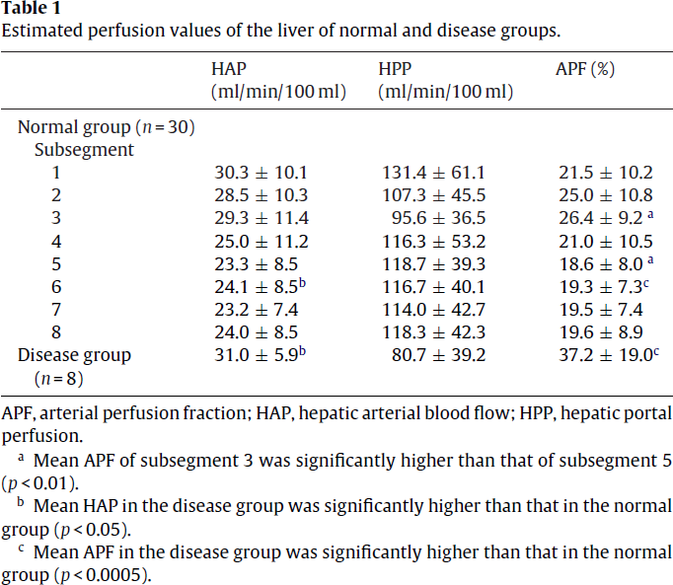
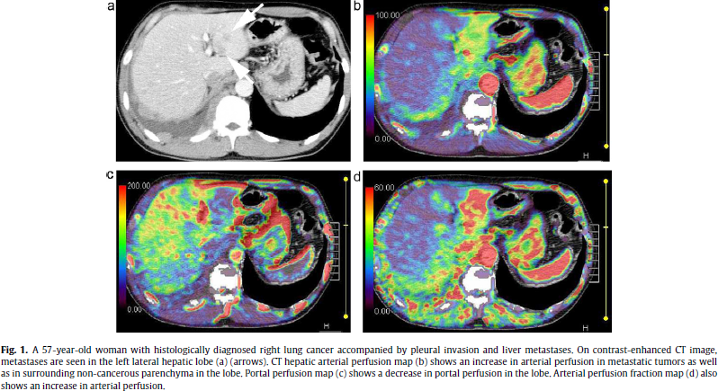
Kanda2011 – Perfusion measurement of the whole upper abdomen of patients with and without liver diseases

species | human
method | perfusion CT 320-detector
n | 30
subjects | normal control patients without any indications of pathological conditions in the upper abdomen

Table 1
study | Health status /diagnosis | Sex | subjects | Liver subsegment | Hepatic arterial blood flow [ml/min/100ml] | HAP Standard deviation [ml/min/100ml] | Hepatic portal perfusion [ml/min/100ml] | HPP Standard Deviation [ml/min/100ml] | Arterial perfusion fraction [%] | APF Standard deviation [%] | Arterial perfusion fraction [%] | Estimated hepatic perfusion [ml/min/ml] | Estimated hepatic perfusion Standard deviation [ml/min/ml] | Relative variation [ml/min/ml]
study | status | sex | n | subsegment | HAP | HAPSd | HPP | HPPSd | APF | APFSd | APFest | livBloodflowEst | livBloodflowEstSd | livBloodflowError
kan2011 | healthy | U | 30 | 1 | 30.3 | 10.1 | 131.4 | 61.1 | 21.5 | 10.2 | 18.7 | 1.617 | 0.71 | 44.0
kan2011 | healthy | U | 30 | 2 | 28.5 | 10.3 | 107.3 | 45.5 | 25.0 | 10.8 | 21.0 | 1.358 | 0.56 | 41.1
kan2011 | healthy | U | 30 | 3 | 29.3 | 11.4 | 95.6 | 36.5 | 26.4 | 9.2 | 23.5 | 1.249 | 0.48 | 38.4
kan2011 | healthy | U | 30 | 4 | 25.0 | 11.2 | 116.3 | 53.2 | 21.0 | 10.5 | 17.7 | 1.413 | 0.64 | 45.6
kan2011 | healthy | U | 30 | 5 | 23.3 | 8.5 | 118.7 | 39.3 | 18.6 | 8.0 | 16.4 | 1.42 | 0.48 | 33.7
kan2011 | healthy | U | 30 | 6 | 24.1 | 8.5 | 116.7 | 40.1 | 19.3 | 7.3 | 17.1 | 1.408 | 0.49 | 34.5
kan2011 | healthy | U | 30 | 7 | 23.2 | 7.4 | 114.0 | 42.7 | 19.5 | 7.4 | 16.9 | 1.372 | 0.50 | 36.5
kan2011 | healthy | U | 30 | 8 | 24.0 | 8.5 | 118.3 | 42.3 | 19.6 | 8.9 | 16.9 | 1.423 | 0.51 | 35.7
 |  |  |  |  |  |  |  |  |  |  |  | 1.4075 | 0.54575

