Sheet1
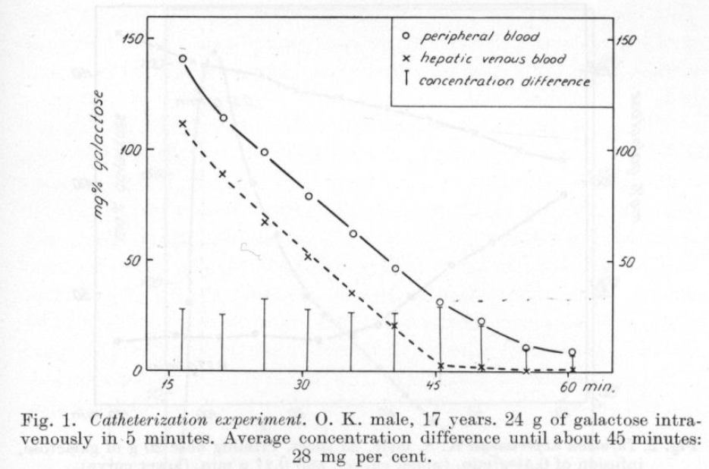
Tygstrup1954 – Kinetics of galactose elimination
time | peripheral blood galactose [mg%] | time | hepatic venous blood [mg%]
time | galPer | time | galVen
16.251305 | 141.16368 | 16.293108 | 111.64499
20.985947 | 114.15514 | 20.937016 | 88.41015
25.53329 | 98.81288 | 25.578495 | 66.89151
30.513884 | 79.01826 | 30.553255 | 51.21578
35.660873 | 62.31671 | 35.528503 | 35.196804
40.464863 | 46.63707 | 40.330544 | 20.890123
45.439137 | 31.304575 | 45.565353 | 2.4743276
50.062145 | 22.829075 | 50.17718 | 1.8933588
55.20233 | 10.932894 | 55.13201 | 0.29048437
60.413322 | 9.33588 | 60.425472 | 0.75486857

study | subject | sex | age [years] | time | peripheral blood galactose [mg%] | peripheral blood galactose [mmole/l] | hepatic venous blood [mg%] | hepatic venous blood [mmole/L] | concentration difference [[mg%] | concentration difference [mmole/L] | Extracion Ratio (ca-cv)/ca (ER) [-] | Estimated liver bloodflow [ml/min] | Estimated clearance (F*ER) [ml/min] | Estimated galactose removal (CL*ci) [mmol/min]
study | subject | sex | age | time | camg | ca | cvmg | cv | diffmg | diff | ER | bloodflowEst | CLEst | GEEst
tyg1954 | O.K. | M | 17 | 16.2722065 | 141.16368 | 7.8424266667 | 111.64499 | 6.2024994444 | 29.51869 | 1.6399272222 | 0.20910966617 | 1700 | 355.49 | 2.7878762778
tyg1954 | O.K. | M | 17 | 20.9614815 | 114.15514 | 6.3419522222 | 88.41015 | 4.911675 | 25.74499 | 1.4302772222 | 0.22552633197 | 1700 | 383.39 | 2.4314712778
tyg1954 | O.K. | M | 17 | 25.5558925 | 98.81288 | 5.4896044444 | 66.89151 | 3.716195 | 31.92137 | 1.7734094444 | 0.32304867544 | 1700 | 549.18 | 3.0147960556
tyg1954 | O.K. | M | 17 | 30.5335695 | 79.01826 | 4.3899033333 | 51.21578 | 2.8453211111 | 27.80248 | 1.5445822222 | 0.35184880052 | 1700 | 598.14 | 2.6257897778
Kinetetics of galactose elimination
tyg1954 | O.K. | M | 17 | 35.594688 | 62.31671 | 3.4620394444 | 35.196804 | 1.955378 | 27.119906 | 1.5066614444 | 0.43519476558 | 1700 | 739.83 | 2.5613244556
tyg1954 | O.K. | M | 17 | 40.3977035 | 46.63707 | 2.5909483333 | 20.890123 | 1.1605623889 | 25.746947 | 1.4303859444 | 0.55207042381 | 1700 | 938.52 | 2.4316561056
tyg1954 | O.K. | M | 17 | 45.502245 | 31.304575 | 1.7391430556 | 2.4743276 | 0.13746264444 | 28.8302474 | 1.6016804111 | 0.92095955304 | 1700 | 1565.63 | 2.7228566989
tyg1954 | O.K. | M | 17 | 50.1196625 | 22.829075 | 1.2682819444 | 1.8933588 | 0.1051866 | 20.9357162 | 1.1630953444 | 0.91706370933 | 1700 | 1559.01 | 1.9772620856
tyg1954 | O.K. | M | 17 | 55.16717 | 10.932894 | 0.607383 | 0.29048437 | 0.016138020556 | 10.64240963 | 0.59124497944 | 0.97343023997 | 1700 | 1654.83 | 1.0051164651
tyg1954 | O.K. | M | 17 | 60.419397 | 9.33588 | 0.51866 | 0.75486857 | 0.041937142778 | 8.58101143 | 0.47672285722 | 0.91914328697 | 1700 | 1562.54 | 0.81042885728

