Sheet1
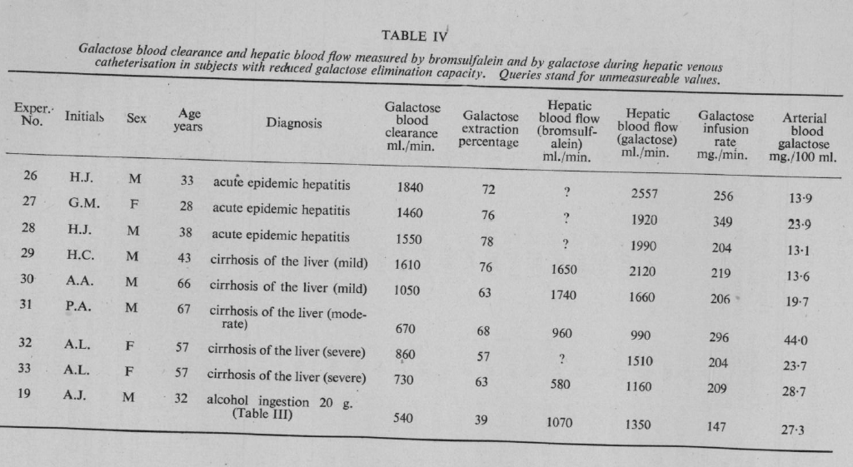
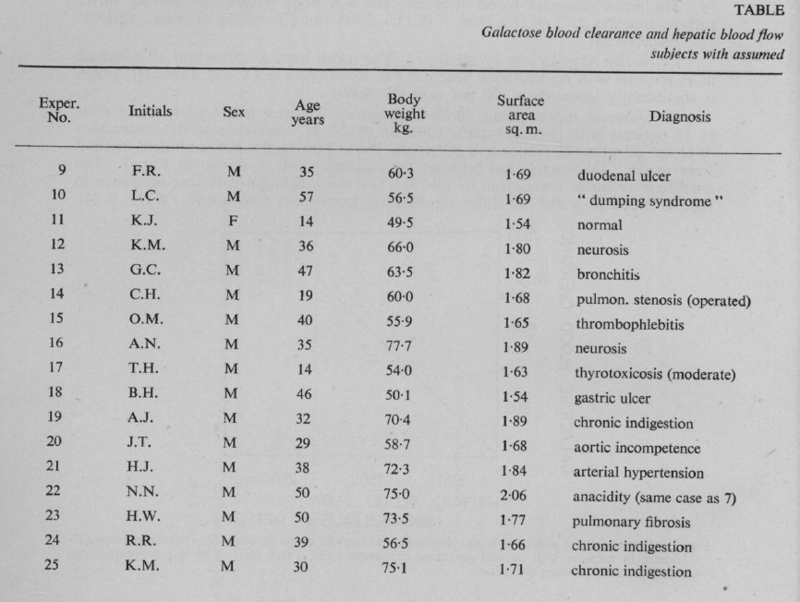
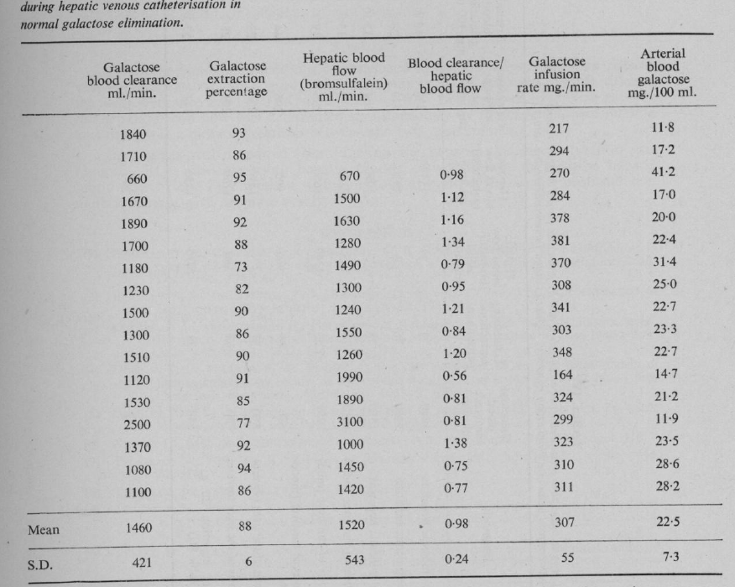
Tygstrup1958 – Galactose blood clearance as a measure of hepatic blood flow

Study | Experiment No. | Initials | Sex | Age [years] | Body weight [kg] | Surface area [m^2] | State lIver | Diagnosis | Galactose blood clearance [ml/min] | Galactose extraction percentage [%] | Hepatic blood flow (bromsulfalein) [ml/min] | Hepatic blood flow (galactose) [ml/min] | Blood Clearance/hepatic blood flow | Galactose infusion rate [mg/min] | Galactose infusion rate [mmole/min] | Arterial blood galactose [mg/100ml] | Galactose extraction fraction [-] | Arterial blood galactose [mmole/l] | Venous blood galactose via cv = (1-ER)*ca [mmole/l] | Galactose elimination rate [mmole/min] | Hepatic clearance [ml/min] | Systemic Clearance (CL-CLH) [ml/min] | Clearance via infusion [ml/min]
study | exp | initials | sex | age | bodyweight | BSA | status | diagnosis | CL | ER100 | bloodflowBS | bloodFlowGal | CLFraction | infusionRatemg | infusionRate | camg | ER | ca | cv | GE | CLH | CLS | CLI
tyg1958 | 1 | K.S. | M | 20 | 65 | 1.88 | healthy | gastritis | 1010 | NA | NA | NA | NA | 267 | 1.48 | 26.5 | NA | 1.4722222222 | NA | NA | NA | NA | 1007.55
tyg1958 | 2 | M.J. | M | 23 | 62 | 1.76 | healthy | normal | 1020 | NA | NA | NA | NA | 309 | 1.72 | 30.2 | NA | 1.6777777778 | NA | NA | NA | NA | 1023.18
tyg1958 | 3 | S.D. | M | 45 | 52.6 | 1.55 | healthy | coarctation | 1390 | NA | NA | NA | NA | 273 | 1.52 | 19.6 | NA | 1.0888888889 | NA | NA | NA | NA | 1392.86
tyg1958 | 4 | A.F. | M | 48 | 64.6 | 1.77 | healthy | aortic incompetence | 1460 | NA | NA | NA | NA | 314 | 1.74 | 21.5 | NA | 1.1944444444 | NA | NA | NA | NA | 1460.47
tyg1958 | 5 | B.A. | F | 19 | 70.3 | 1.8 | healthy | thyrotoxicosis (mild) | 1310 | NA | NA | NA | NA | 242 | 1.34 | 18.4 | NA | 1.0222222222 | NA | NA | NA | NA | 1315.22
tyg1958 | 6 | B.K. | F | 40 | 75.5 | 1.8 | healthy | Famil., non-haemolyt. Jaundice | 1460 | NA | NA | NA | NA | 370 | 2.06 | 25.4 | NA | 1.4111111111 | NA | NA | NA | NA | 1456.69
tyg1958 | 7 | N.N. | M | 50 | 75 | 2.06 | healthy | anacidity (same case as 22) | 1680 | NA | NA | NA | NA | 334 | 1.86 | 19.9 | NA | 1.1055555556 | NA | NA | NA | NA | 1678.39
tyg1958 | 8 | L.J. | M | 54 | 80.7 | 2.01 | healthy | gastric ulcer | 1470 | NA | NA | NA | NA | 310 | 1.72 | 21.2 | NA | 1.1777777778 | NA | NA | NA | NA | 1462.26
tyg1958 | 9 | F.R. | M | 35 | 60.3 | 1.69 | healthy | duodenal ulcer | 1840 | 93 | NA | NA | NA | 217 | 1.21 | 11.8 | 0.93 | 0.65555555556 | 0.045888888889 | NA | NA | NA | 1838.98
tyg1958 | 10 | L.C. | M | 57 | 56.5 | 1.69 | healthy | “dumping syndrome” | 1710 | 86 | NA | NA | NA | 294 | 1.63 | 17.2 | 0.86 | 0.95555555556 | 0.13377777778 | NA | NA | NA | 1709.30
tyg1958 | 11 | K.J. | F | 14 | 49.5 | 1.54 | healthy | normal | 660 | 95 | 670 | NA | 0.98 | 270 | 1.50 | 41.2 | 0.95 | 2.2888888889 | 0.11444444444 | 1.4568777778 | 636.5 | 23.5 | 655.34
tyg1958 | 12 | K.M. | M | 36 | 66 | 1.8 | healthy | neurosis | 1670 | 91 | 1500 | NA | 1.12 | 284 | 1.58 | 17 | 0.91 | 0.94444444444 | 0.085 | 1.2891666667 | 1365 | 305 | 1670.59
tyg1958 | 13 | G.C. | M | 47 | 63.5 | 1.82 | healthy | bronchitis | 1890 | 92 | 1630 | NA | 1.26 | 378 | 2.10 | 20 | 0.92 | 1.1111111111 | 0.088888888889 | 1.6662222222 | 1499.6 | 390.4 | 1890.00
tyg1958 | 14 | C.H. | M | 19 | 60 | 1.68 | healthy | pulmon. stenosis (operated) | 1700 | 88 | 1280 | NA | 1.34 | 381 | 2.12 | 22.4 | 0.88 | 1.2444444444 | 0.14933333333 | 1.4017422222 | 1126.4 | 573.6 | 1700.89
tyg1958 | 15 | O.M. | M | 40 | 55.9 | 1.65 | healthy | thrombophlebitis | 1180 | 73 | 1490 | NA | 0.79 | 370 | 2.06 | 31.4 | 0.73 | 1.7444444444 | 0.471 | 1.8974322222 | 1087.7 | 92.3 | 1178.34
tyg1958 | 16 | A.N. | M | 35 | 77.7 | 1.89 | healthy | neurosis | 1230 | 82 | 1300 | NA | 0.95 | 308 | 1.71 | 25 | 0.82 | 1.3888888889 | 0.25 | 1.4805555556 | 1066 | 164 | 1232.00
tyg1958 | 17 | T.H. | M | 14 | 54 | 1.63 | healthy | thyrotoxicosis (moderate) | 1500 | 90 | 1240 | NA | 1.21 | 342 | 1.90 | 22.7 | 0.9 | 1.2611111111 | 0.12611111111 | 1.4074 | 1116 | 384 | 1506.61
tyg1958 | 18 | B.H | M | 46 | 50.1 | 1.54 | healthy | gastric ulcer | 1300 | 86 | 1250 | NA | 0.84 | 303 | 1.68 | 23.3 | 0.86 | 1.2944444444 | 0.18122222222 | 1.3915277778 | 1075 | 225 | 1300.43
tyg1958 | 19 | A.J. | M | 32 | 70.4 | 1.89 | healthy | chronic indigestion | 1510 | 90 | 1260 | NA | 1.2 | 348 | 1.93 | 22.7 | 0.9 | 1.2611111111 | 0.12611111111 | 1.4301 | 1134 | 376 | 1533.04
tyg1958 | 20 | J.T. | M | 29 | 58.7 | 1.68 | healthy | aortic incompetence | 1120 | 91 | 1990 | NA | 0.56 | 164 | 0.91 | 14.7 | 0.91 | 0.81666666667 | 0.0735 | 1.4789016667 | 1810.9 | -690.9 | 1115.65
tyg1958 | 21 | H.J. | M | 38 | 72.3 | 1.84 | healthy | arterial hypertension | 1530 | 85 | 1890 | NA | 0.81 | 324 | 1.80 | 21.2 | 0.85 | 1.1777777778 | 0.17666666667 | 1.8921 | 1606.5 | -76.5 | 1528.30
tyg1958 | 22 | N.N. | M | 50 | 75 | 2.06 | healthy | anacidity (same as case 7) | 2500 | 77 | 3100 | NA | 0.81 | 299 | 1.66 | 11.9 | 0.77 | 0.66111111111 | 0.15205555556 | 1.5780722222 | 2387 | 113 | 2512.61
tyg1958 | 23 | H.W. | M | 50 | 73.5 | 1.77 | healthy | pulmonary fibrosis | 1370 | 92 | 1000 | NA | 1.38 | 323 | 1.79 | 23.5 | 0.92 | 1.3055555556 | 0.10444444444 | 1.2011111111 | 920 | 450 | 1374.47
tyg1958 | 24 | R.R. | M | 39 | 56.5 | 1.66 | healthy | chronic indigestion | 1080 | 94 | 1450 | NA | 0.75 | 310 | 1.72 | 28.6 | 0.94 | 1.5888888889 | 0.095333333333 | 2.1656555556 | 1363 | -283 | 1083.92
tyg1958 | 25 | K.M. | M | 30 | 75.1 | 1.71 | healthy | chronic indigestion | 1100 | 86 | 1420 | NA | 0.77 | 311 | 1.73 | 28.2 | 0.86 | 1.5666666667 | 0.21933333333 | 1.9132133333 | 1221.2 | -121.2 | 1102.84
tyg1958 | 26 | H.J. | M | 33 | NA | NA | hepatitis | acute epidemic hepatitis | 1840 | 72 | NA | 2557 | NA | 256 | 1.42 | 13.9 | 0.72 | 0.77222222222 | 0.21622222222 | NA | NA | NA | 1841.73
tyg1958 | 27 | G.M. | F | 28 | NA | NA | hepatitis | acute epidemic hepatitis | 1460 | 76 | NA | 1920 | NA | 349 | 1.94 | 23.9 | 0.76 | 1.3277777778 | 0.31866666667 | NA | NA | NA | 1460.25
tyg1958 | 28 | H.J. | M | 38 | NA | NA | hepatitis | acute epidemic hepatitis | 1550 | 78 | NA | 1990 | NA | 204 | 1.13 | 13.1 | 0.78 | 0.72777777778 | 0.16011111111 | NA | NA | NA | 1557.25
tyg1958 | 29 | H.C. | M | 43 | NA | NA | cirrhosis | cirrhosis of the liver (mild) | 1610 | 76 | 1650 | 2120 | NA | 219 | 1.22 | 13.6 | 0.76 | 0.75555555556 | 0.18133333333 | 0.94746666667 | 1254 | 356 | 1610.29
tyg1958 | 30 | A.A. | M | 66 | NA | NA | cirrhosis | cirrhosis of the liver (mild) | 1050 | 63 | 1740 | 1660 | NA | 206 | 1.14 | 19.7 | 0.63 | 1.0944444444 | 0.40494444444 | 1.19973 | 1096.2 | -46.2 | 1045.69
tyg1958 | 31 | P.A. | M | 67 | NA | NA | cirrhosis | cirrhosis of the liver (moderate) | 670 | 68 | 960 | 990 | NA | 296 | 1.64 | 44 | 0.68 | 2.4444444444 | 0.78222222222 | 1.5957333333 | 652.8 | 17.2 | 672.73
tyg1958 | 32 | A.L. | F | 57 | NA | NA | cirrhosis | cirrhosis of the liver (severe) | 860 | 57 | NA | 1510 | NA | 204 | 1.13 | 23.7 | 0.57 | 1.3166666667 | 0.56616666667 | NA | NA | NA | 860.76
tyg1958 | 33 | A.L. | F | 57 | NA | NA | cirrhosis | cirrhosis of the liver (severe) | 730 | 63 | 580 | 1160 | NA | 209 | 1.16 | 28.7 | 0.63 | 1.5944444444 | 0.58994444444 | 0.58261 | 365.4 | 364.6 | 728.22
tyg1958 | 19 | A.J. | M | 32 | NA | NA | alcohol | alcohol ingestion 20 g. | 540 | 39 | 1070 | 1350 | NA | 147 | 0.82 | 27.3 | 0.39 | 1.5166666667 | 0.92516666667 | 0.632905 | 417.3 | 122.7 | 538.46

