Ducry1979
Sheriff1977 – Clinical study of liver blood flow in man measured by 133Xe clearance after portal vein injection

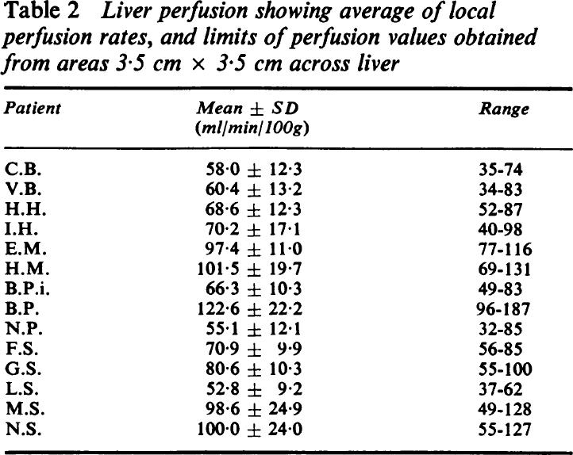
species | human
method | blood flow measurement via clearance of Xe133 after bolus injection; local measurement by summing over 64 adjacent points, represnting a 3.5x3.4cm area
n | 14
subjects | after surgery for colorectal cancer

Table 1
study | Health status /diagnosis | Patient number | Sex | Perfusion [ml/min/100g] | Perfusion standard deviation [ml/min/100g] | Perfusion minimum [ml/min/100g] | Perfusion maximum [ml/min/100g]
study | status | patient | sex | perfusion100 | perfusion100Sd | perfusion100Min | perfusion100Max
she1977 | healthy | CB | U | 58.0 | 12.3 | 35 | 74
she1977 | healthy | VB | U | 60.4 | 13.2 | 34 | 83
she1977 | healthy | HH | U | 68.6 | 12.3 | 52 | 87
she1977 | healthy | IH | U | 70.2 | 17.1 | 40 | 98
she1977 | healthy | EM | U | 97.4 | 11.0 | 77 | 116
she1977 | healthy | HM | U | 101.5 | 19.7 | 69 | 131
she1977 | healthy | BPI | U | 66.3 | 10.3 | 49 | 83
she1977 | healthy | BP | U | 122.6 | 22.2 | 96 | 187
she1977 | healthy | NP | U | 55.1 | 12.1 | 32 | 85
she1977 | healthy | FS | U | 70.9 | 9.9 | 56 | 85
she1977 | healthy | GS | U | 80.6 | 10.3 | 55 | 100
she1977 | healthy | LS | U | 52.8 | 9.2 | 37 | 62
she1977 | healthy | MS | U | 98.6 | 24.9 | 49 | 128
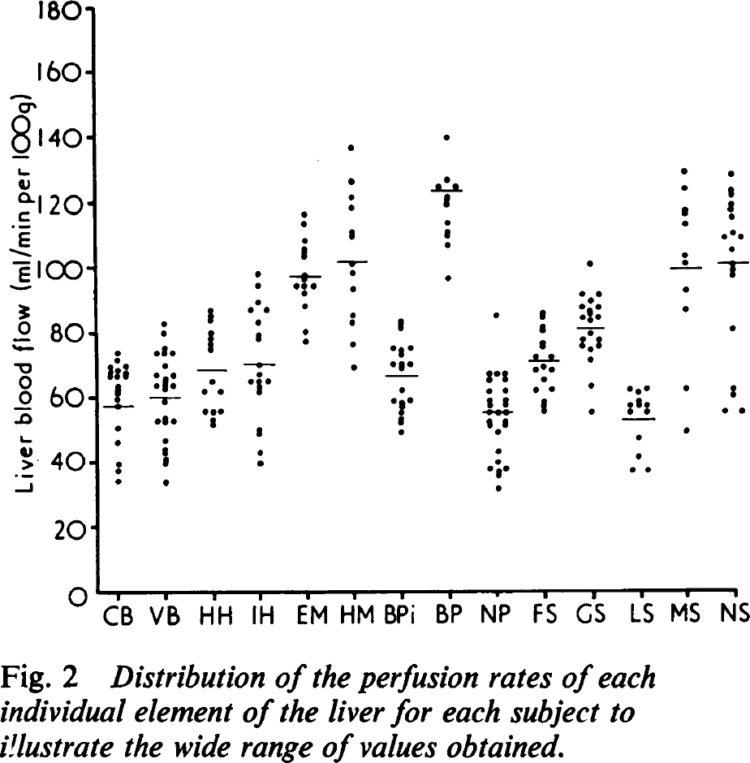
she1977 | healthy | NS | U | 100.0 | 24.0 | 55 | 127

study | Health status /diagnosis | Patient number | Sex | Perfusion [ml/min/100g]
study | status | patient | sex | perfusion100
she1977 | healthy | CB | U | 34.0
she1977 | healthy | CB | U | 37.339973
she1977 | healthy | CB | U | 39.340275
she1977 | healthy | CB | U | 46.014286
she1977 | healthy | CB | U | 50.518253
she1977 | healthy | CB | U | 57.023987
she1977 | healthy | CB | U | 59.36084
she1977 | healthy | CB | U | 61.026787
she1977 | healthy | CB | U | 62.19667
she1977 | healthy | CB | U | 63.195362
she1977 | healthy | CB | U | 73.37173
she1977 | healthy | CB | U | 71.20388
she1977 | healthy | CB | U | 69.37916
she1977 | healthy | CB | U | 67.70956
she1977 | healthy | CB | U | 66.37651
she1977 | healthy | CB | U | 66.19947
she1977 | healthy | CB | U | 68.034424
she1977 | healthy | CB | U | 69.524055
she1977 | healthy | CB | U | 67.1894
she1977 | healthy | CB | U | 66.52214
she1977 | healthy | VB | U | 33.438255
she1977 | healthy | VB | U | 39.277466
she1977 | healthy | VB | U | 40.77733
she1977 | healthy | VB | U | 42.614468
she1977 | healthy | VB | U | 43.61462
she1977 | healthy | VB | U | 46.451916
she1977 | healthy | VB | U | 52.632786
she1977 | healthy | VB | U | 52.288933
she1977 | healthy | VB | U | 53.624172
she1977 | healthy | VB | U | 52.44406
she1977 | healthy | VB | U | 58.627853
she1977 | healthy | VB | U | 63.477867
she1977 | healthy | VB | U | 66.81341
she1977 | healthy | VB | U | 73.48523
she1977 | healthy | VB | U | 82.651215
she1977 | healthy | VB | U | 79.815384
she1977 | healthy | VB | U | 75.14387
she1977 | healthy | VB | U | 73.30819
she1977 | healthy | VB | U | 73.46551
she1977 | healthy | VB | U | 69.63756
she1977 | healthy | VB | U | 65.46722
she1977 | healthy | VB | U | 63.63299
she1977 | healthy | VB | U | 62.798195
she1977 | healthy | VB | U | 63.28841
she1977 | healthy | VB | U | 66.62469
she1977 | healthy | HH | U | 86.42658
she1977 | healthy | HH | U | 84.923065
she1977 | healthy | HH | U | 83.421745
she1977 | healthy | HH | U | 79.5843
she1977 | healthy | HH | U | 77.75153
she1977 | healthy | HH | U | 76.08194
she1977 | healthy | HH | U | 74.58062
she1977 | healthy | HH | U | 64.73715
she1977 | healthy | HH | U | 61.91227
she1977 | healthy | HH | U | 61.556732
she1977 | healthy | HH | U | 55.238262
she1977 | healthy | HH | U | 55.22804
she1977 | healthy | HH | U | 55.382435
she1977 | healthy | HH | U | 53.05946
she1977 | healthy | HH | U | 51.390594
she1978 | healthy | IH | U | 97.703445
she1979 | healthy | IH | U | 94.367905
she1980 | healthy | IH | U | 89.19668
she1981 | healthy | IH | U | 86.87151
she1982 | healthy | IH | U | 86.850334
she1983 | healthy | IH | U | 82.69095
she1984 | healthy | IH | U | 79.02032
she1985 | healthy | IH | U | 77.68581
she1986 | healthy | IH | U | 69.84483
she1987 | healthy | IH | U | 66.842186
she1988 | healthy | IH | U | 64.51848
she1989 | healthy | IH | U | 64.50679
she1990 | healthy | IH | U | 64.828
she1991 | healthy | IH | U | 62.838657
she1992 | healthy | IH | U | 61.67096
she1993 | healthy | IH | U | 49.660374
she1994 | healthy | IH | U | 48.826305
she1995 | healthy | IH | U | 42.820286
she1996 | healthy | IH | U | 39.48255
she1997 | healthy | IH | U | 115.9916
she1998 | healthy | IH | U | 113.322586
she1999 | healthy | IH | U | 108.1499
she2000 | healthy | IH | U | 105.64989
she2001 | healthy | IH | U | 104.649734
she2002 | healthy | IH | U | 103.14695
she2003 | healthy | IH | U | 97.47382
she2004 | healthy | IH | U | 95.97396
she2005 | healthy | IH | U | 93.983154
she2006 | healthy | IH | U | 93.971466
she2007 | healthy | IH | U | 94.12586
she2008 | healthy | IH | U | 91.97043
she2009 | healthy | IH | U | 87.79863
she2010 | healthy | IH | U | 79.79011
she2011 | healthy | IH | U | 76.95501
she2012 | healthy | EM | U | 136.61296
she2013 | healthy | EM | U | 126.27124
she2014 | healthy | EM | U | 121.2661
she2015 | healthy | EM | U | 117.92909
she2016 | healthy | EM | U | 110.75538
she2017 | healthy | EM | U | 109.58768
she2018 | healthy | EM | U | 100.91337
she2019 | healthy | EM | U | 98.07607
she2020 | healthy | EM | U | 93.23848
she2021 | healthy | EM | U | 85.06607
she2022 | healthy | EM | U | 83.063576
she2023 | healthy | EM | U | 82.22951
she2024 | healthy | EM | U | 76.05813
she2025 | healthy | EM | U | 69.05049
she2026 | healthy | HM | U | 48.801765
she2027 | healthy | HM | U | 51.803684
she2028 | healthy | HM | U | 53.304276
she2029 | healthy | HM | U | 55.140686
she2030 | healthy | HM | U | 56.808094
she2031 | healthy | HM | U | 58.141872
she2032 | healthy | HM | U | 58.65473
she2033 | healthy | HM | U | 58.798904
she2034 | healthy | HM | U | 61.811775
she2035 | healthy | HM | U | 70.16487
she2036 | healthy | HM | U | 68.65186
she2037 | healthy | HM | U | 69.986374
she2038 | healthy | HM | U | 69.97323
she2039 | healthy | HM | U | 72.48858
she2040 | healthy | HM | U | 74.48962
she2041 | healthy | HM | U | 74.97837
she2042 | healthy | HM | U | 74.835655
she2043 | healthy | HM | U | 80.82926
she2044 | healthy | HM | U | 81.99696
she2045 | healthy | HM | U | 83.16466
she2046 | healthy | BPI | U | 139.65387
she2047 | healthy | BPI | U | 126.47486
she2048 | healthy | BPI | U | 124.65233
she2049 | healthy | BPI | U | 124.46214
she2050 | healthy | BPI | U | 121.30291
she2051 | healthy | BPI | U | 120.13594
she2052 | healthy | BPI | U | 118.80216
she2053 | healthy | BPI | U | 113.628746
she2054 | healthy | BPI | U | 110.95973
she2055 | healthy | BPI | U | 109.29232
she2056 | healthy | BPI | U | 106.622574
she2057 | healthy | BPI | U | 96.28013
she2058 | healthy | BP | U | 84.87106
she2059 | healthy | BP | U | 66.69859
she2060 | healthy | BP | U | 64.69683
she2061 | healthy | BP | U | 61.35983
she2062 | healthy | BP | U | 58.35718
she2063 | healthy | BP | U | 56.85513
she2064 | healthy | BP | U | 54.854824
she2065 | healthy | BP | U | 51.85218
she2066 | healthy | BP | U | 50.849834
she2067 | healthy | BP | U | 37.50547
she2068 | healthy | BP | U | 31.653847
she2069 | healthy | BP | U | 35.49129
she2070 | healthy | BP | U | 36.492172
she2071 | healthy | BP | U | 39.49482
she2072 | healthy | BP | U | 42.66501
she2073 | healthy | BP | U | 48.66957
she2074 | healthy | BP | U | 54.675594
she2075 | healthy | BP | U | 66.85519
she2076 | healthy | BP | U | 66.67669
she2077 | healthy | BP | U | 64.67492
she2078 | healthy | BP | U | 61.50473
she2079 | healthy | BP | U | 58.501354
she2080 | healthy | BP | U | 57.166847
she2081 | healthy | BP | U | 54.998997
she2082 | healthy | BP | U | 52.163166
she2083 | healthy | BP | U | 50.66257
she2084 | healthy | BP | U | 37.48283
she2085 | healthy | NP | U | 55.28004
she2086 | healthy | NP | U | 56.61601
she2087 | healthy | NP | U | 58.4495
she2088 | healthy | NP | U | 61.96427
she2089 | healthy | NP | U | 62.109177
she2090 | healthy | NP | U | 65.12278
she2091 | healthy | NP | U | 67.9703
she2092 | healthy | NP | U | 69.12777
she2093 | healthy | NP | U | 68.282745
she2094 | healthy | NP | U | 71.952644
she2095 | healthy | NP | U | 71.97309
she2096 | healthy | NP | U | 74.96625
she2097 | healthy | NP | U | 76.30148
she2098 | healthy | NP | U | 80.13747
she2099 | healthy | NP | U | 81.47271
she2100 | healthy | NP | U | 83.974915
she2101 | healthy | NP | U | 85.64305
she2102 | healthy | FS | U | 100.75955
she2103 | healthy | FS | U | 91.42748
she2104 | healthy | FS | U | 91.23876
she2105 | healthy | FS | U | 89.08041
she2106 | healthy | FS | U | 87.42468
she2107 | healthy | FS | U | 87.23596
she2108 | healthy | FS | U | 86.07995
she2109 | healthy | FS | U | 85.07834
she2110 | healthy | FS | U | 84.0665
she2111 | healthy | FS | U | 82.90976
she2112 | healthy | FS | U | 84.08695
she2113 | healthy | FS | U | 79.073044
she2114 | healthy | FS | U | 77.414406
she2115 | healthy | FS | U | 74.91366
she2116 | healthy | FS | U | 77.22714
she2117 | healthy | FS | U | 75.39146
she2118 | healthy | FS | U | 74.0679
she2119 | healthy | FS | U | 70.89918
she2120 | healthy | FS | U | 62.891388
she2121 | healthy | FS | U | 54.71679
she2122 | healthy | GS | U | 36.9783
she2123 | healthy | GS | U | 36.95712
she2124 | healthy | GS | U | 40.973793
she2125 | healthy | GS | U | 46.81227
she2126 | healthy | GS | U | 54.830284
she2127 | healthy | GS | U | 57.16641
she2128 | healthy | GS | U | 62.171547
she2129 | healthy | GS | U | 60.992897
she2130 | healthy | GS | U | 62.14818
she2131 | healthy | GS | U | 58.48923
she2132 | healthy | GS | U | 56.98864
she2133 | healthy | GS | U | 57.144497
she2134 | healthy | GS | U | 55.142002
she2135 | healthy | LS | U | 48.749767
she2136 | healthy | LS | U | 62.261673
she2137 | healthy | LS | U | 86.45112
she2138 | healthy | LS | U | 92.45568
she2139 | healthy | LS | U | 100.63101
she2140 | healthy | LS | U | 103.132484
she2141 | healthy | LS | U | 112.97376
she2142 | healthy | LS | U | 115.810326
she2143 | healthy | LS | U | 116.97875
she2144 | healthy | LS | U | 123.485214
she2145 | healthy | LS | U | 129.32443
she2146 | healthy | MS | U | 128.26073
she2147 | healthy | MS | U | 123.423134
she2148 | healthy | MS | U | 121.58672
she2149 | healthy | MS | U | 118.91771
she2150 | healthy | MS | U | 117.25103
she2151 | healthy | MS | U | 114.91272
she2152 | healthy | MS | U | 110.07512
she2153 | healthy | MS | U | 108.584755
she2154 | healthy | MS | U | 104.737816
she2155 | healthy | MS | U | 108.56211
she2156 | healthy | NS | U | 100.567474
she2157 | healthy | NS | U | 98.56498
she2158 | healthy | NS | U | 96.89611
she2159 | healthy | NS | U | 80.38155
she2160 | healthy | NS | U | 61.865234
she2161 | healthy | NS | U | 59.697388
she2162 | healthy | NS | U | 55.205105
she2163 | healthy | NS | U | 55.01273

