Ducry1979
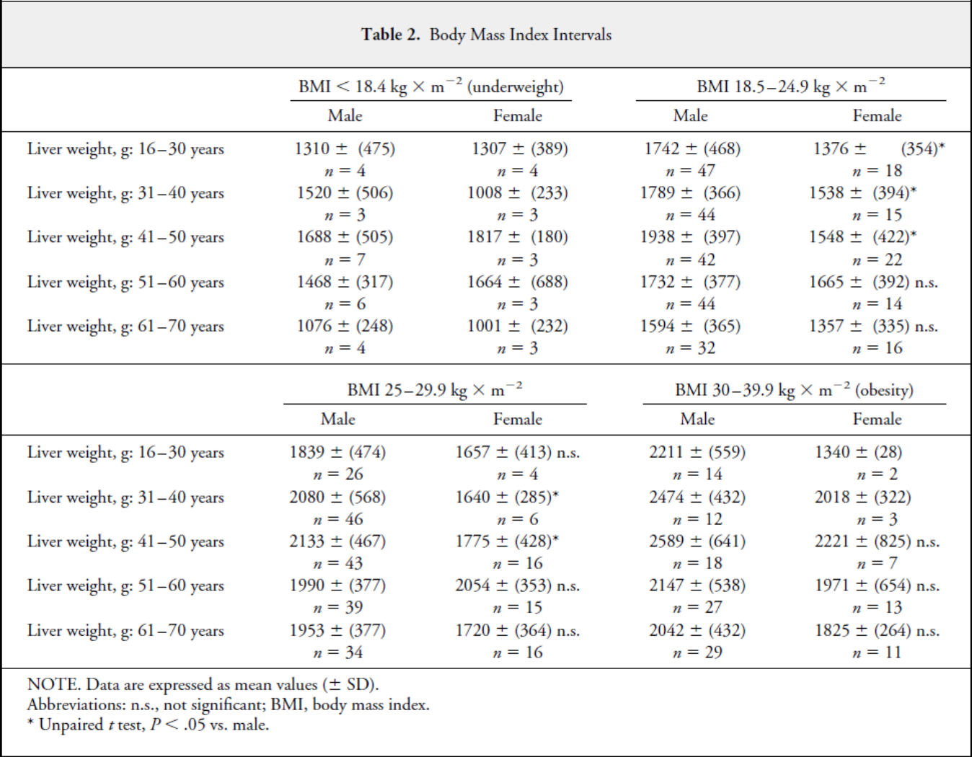
Chouker2004 – Estimation of liver size for liver transplantation

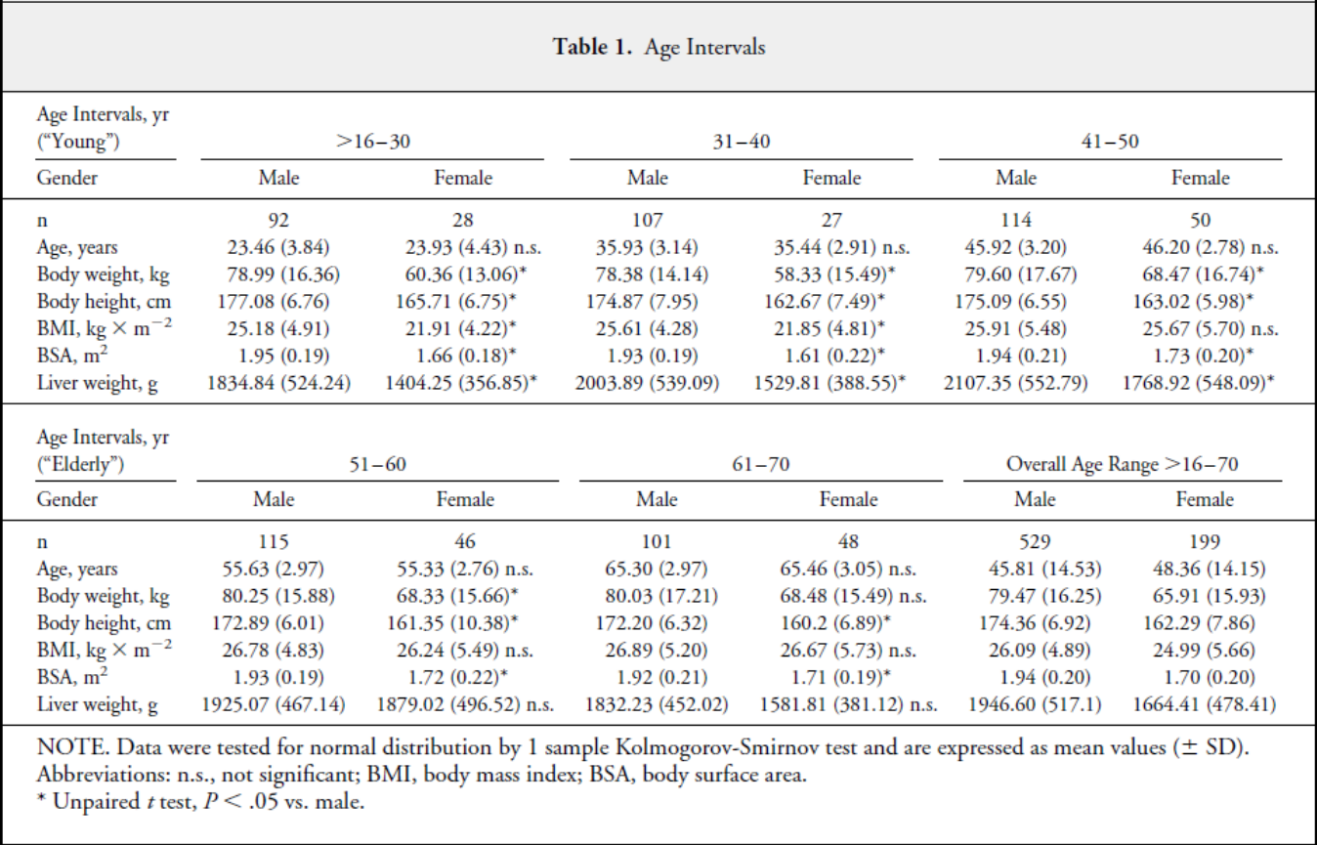
species | human
method | autopsy
n | 728
subjects | Retrospective study of the autopsy protocols of the Institute of Legal Medicine

Figure 1
study | Health status /diagnosis | Sex [M,F,U] | weight [kg] | minimal weight for class [kg] | maximal weight for class [kg] | liver weight [kg] | liver weight plus Sd [kg] | liver weight Sd [kg]
study | status | sex | weight | weightMin | weightMax | liverWeight | liverWeightPlusSd | liverWeightSd
cho2004 | healthy | M | 45 | 42.5 | 47.5 | 1.3336257 | 1.5563247 | 0.222699

