Ducry1979
Cattermole2010 – The normal ranges of cardiovascular parameters in children
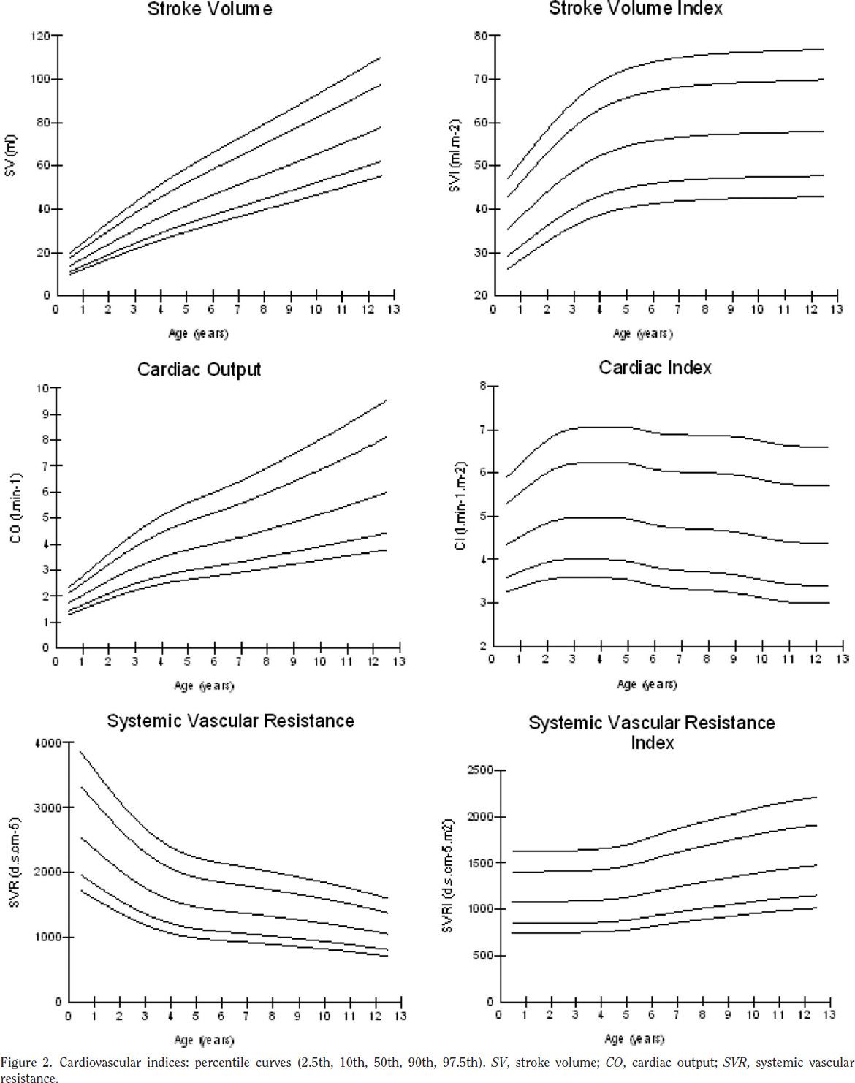
species | human
method | noninvasive, ultrasonic cardiac output monitor
n | 1197
subjects | chinese children aged 0-12 years (55% boys)

Table 1
study | Health status /diagnosis | Sex [M,F,U] | male subjects | female subjects | subjects | Age [years] | Minimum age in class [years] | Maximum age in class [years] | Cardiac output [L/min] | Minimum Cardiac output [L/min] | Maximum Cardiac output [L/min]
study | status | sex | nMale | nFemale | n | age | ageMin | ageMax | CO | COMax | COMax
cat2010 | healthy | U | 1 | 6 | 7 | 0.5 | 0 | 1 | NA | NA | NA
cat2010 | healthy | U | 10 | 10 | 20 | 1.5 | 1 | 2 | 2.0 | 1.5 | 2.8
cat2010 | healthy | U | 14 | 24 | 38 | 2.5 | 2 | 3 | 2.6 | 1.9 | 3.6
cat2010 | healthy | U | 55 | 39 | 94 | 3.5 | 3 | 4 | 3.1 | 2.2 | 4.4
cat2010 | healthy | U | 74 | 62 | 136 | 4.5 | 4 | 5 | 3.5 | 2.5 | 5.1
cat2010 | healthy | U | 80 | 43 | 123 | 5.5 | 5 | 6 | 3.8 | 2.6 | 5.6
cat2010 | healthy | U | 78 | 52 | 130 | 6.5 | 6 | 7 | 4.0 | 2.8 | 6.0
cat2010 | healthy | U | 78 | 62 | 140 | 7.5 | 7 | 8 | 4.3 | 2.9 | 6.4
cat2010 | healthy | U | 73 | 70 | 143 | 8.5 | 8 | 9 | 4.6 | 3.1 | 6.9
cat2010 | healthy | U | 66 | 54 | 120 | 9.5 | 9 | 10 | 4.9 | 3.2 | 7.5
cat2010 | healthy | U | 51 | 43 | 94 | 10.5 | 10 | 11 | 5.2 | 3.4 | 8.0
cat2010 | healthy | U | 71 | 66 | 137 | 11.5 | 11 | 12 | 5.5 | 3.6 | 8.6
cat2010 | healthy | U | 6 | 9 | 15 | 12.5 | 12 | 13 | 5.8 | 3.7 | 9.2
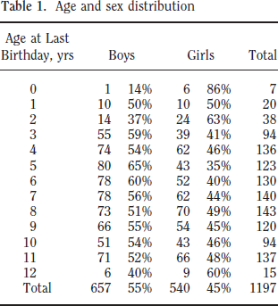
 |  |  | 657 | 540 | 1197

