Ducry1979
IRCP2001 – Reference tables

species | human
method
n
subjects

Table 1
study | Health status /diagnosis | Age [years] | Sex | Cardiac output [L/min]
study | status | age | sex | CO
ircp2001 | healthy | 0 | M | 0.6
ircp2001 | healthy | 1 | M | 1.2
ircp2001 | healthy | 5 | M | 3.4
ircp2001 | healthy | 10 | M | 5.0
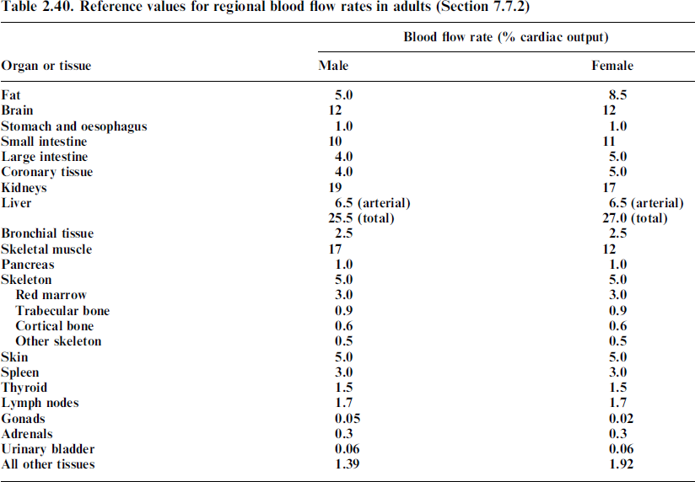
ircp2001 | healthy | 15 | M | 6.1
ircp2001 | healthy | 20 | M | 6.5
ircp2001 | healthy | 0 | F | 0.6
ircp2001 | healthy | 1 | F | 1.2
ircp2001 | healthy | 5 | F | 3.4
ircp2001 | healthy | 10 | F | 5.0
ircp2001 | healthy | 15 | F | 6.1
ircp2001 | healthy | 20 | F | 5.9

