Sheet1
Merkel1991
publication | Prognostic value of galactose elimination capacity – Comparison with the Pugh Score
species | human
method | galactose clearance
n | 78
subjects | cirrhosis, followed up for 20month, 27 died

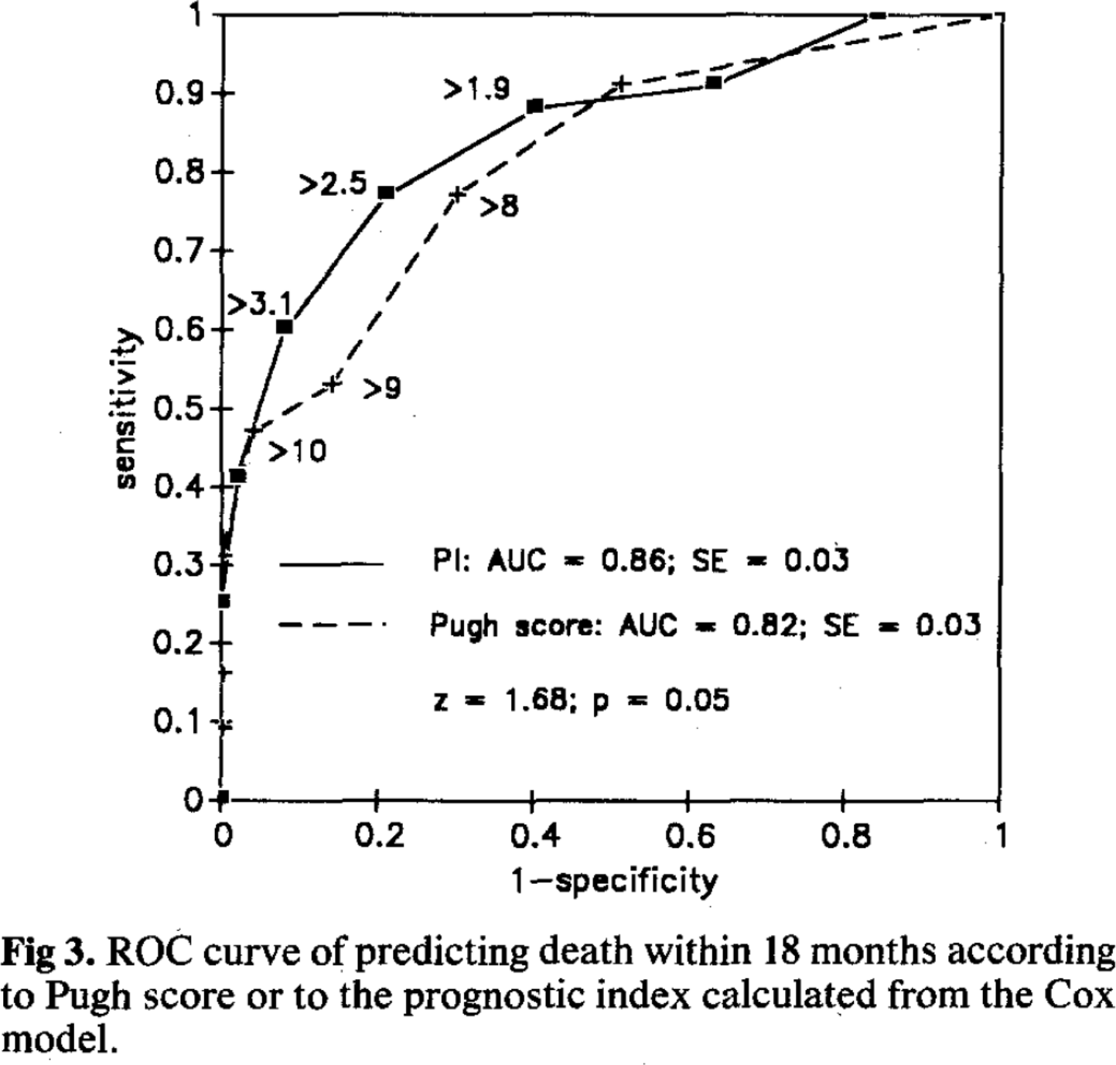
study | status | sex | Predictor [GEC, Pugh] | 1-specificity (false positive rate) | Sensitivity (true positive rate) | cutoff
study | status | sex | predictor | fpr | tpr | cutoff
mer1991 | cirrhosis | U | GEC | 0 | 0
mer1991 | cirrhosis | U | GEC | 0.0026455026 | 0.2559055
mer1991 | cirrhosis | U | GEC | 0.022486772 | 0.41338584
mer1991 | cirrhosis | U | GEC | 0.08068783 | 0.60367453 | >3.1
mer1991 | cirrhosis | U | GEC | 0.21164021 | 0.7729659 | >2.5
mer1991 | cirrhosis | U | GEC | 0.4021164 | 0.8832021 | >1.9
mer1991 | cirrhosis | U | GEC | 0.6322751 | 0.9133858
mer1991 | cirrhosis | U | GEC | 0.84391534 | 1
mer1991 | cirrhosis | U | GEC | 1 | 1
mer1991 | cirrhosis | U | Pugh | 0 | 0
mer1991 | cirrhosis | U | Pugh | 0.0013227513 | 0.09317585
mer1991 | cirrhosis | U | Pugh | 0.0013227513 | 0.164042
mer1991 | cirrhosis | U | Pugh | 0.007936508 | 0.30052492
mer1991 | cirrhosis | U | Pugh | 0.04232804 | 0.46981627 | >10
mer1991 | cirrhosis | U | Pugh | 0.14285715 | 0.5288714 | >9
mer1991 | cirrhosis | U | Pugh | 0.3042328 | 0.7703412 | >8
mer1991 | cirrhosis | U | Pugh | 0.5132275 | 0.9107612
mer1991 | cirrhosis | U | Pugh | 1 | 1

