Villeneuve2003
Hepatic.Microcirculation.Isolated.Perfused.Human.Liver_[Human]_Villeneuve1996
outflow fraction/ml
time [sec] | RBC | time [sec] | Albumin | time [sec] | Sucrose | time [sec] | Water
11.142858 | 372.16827 | 18 | 2346.2783 | 16.285715 | 711.9741 | 19.285715 | 161.8123
16.714285 | 3818.7703 | 43.285713 | 453.07443 | 32.142857 | 1229.7734 | 27 | 711.9741
27 | 1116.5049 | 60.857143 | 80.90615 | 39 | 744.33655 | 49.285713 | 776.69904
35.57143 | 404.53073 |  |  | 50.142857 | 420.71198 | 65.14286 | 501.61813
46.714287 | 113.26861 |  |  | 60.857143 | 242.71844 | 101.57143 | 210.35599

time [sec] | RBC | time [sec] | Albumin | time [sec] | Sucrose | time [sec] | Water
10.285714 | 80.90615 | 11.142858 | 48.54369 | 10.714286 | 32.36246 | 14.571428 | 64.72492
10.714286 | 372.16827 | 15 | 1003.23627 | 15 | 453.07443 | 19.285715 | 161.8123
12 | 954.69257 | 16.285715 | 1731.3916 | 15.857142 | 711.9741 | 23.142857 | 404.53073
12.857142 | 1601.9418 | 18 | 2346.2783 | 17.571428 | 1197.411 | 27 | 711.9741
13.714286 | 2233.0098 | 20.571428 | 2508.0906 | 18.428572 | 1601.9418 | 33.857143 | 841.42395
13.714286 | 2783.1716 | 24.428572 | 2152.1035 | 21.428572 | 1812.2977 | 44.57143 | 825.24274
14.571428 | 3268.6084 | 27.428572 | 1682.8479 | 24.857143 | 1909.3851 | 49.285713 | 776.69904
15 | 3624.5955 | 35.142857 | 906.14886 | 32.142857 | 1213.5923 | 59.142857 | 598.7055
16.714285 | 3802.589 | 44.142857 | 453.07443 | 38.57143 | 728.15533 | 65.14286 | 501.61813
18.428572 | 3478.9644 | 53.142857 | 242.71844 | 46.285713 | 501.61813 | 77.14286 | 355.98706
19.714285 | 3009.7087 | 60.857143 | 97.08738 | 49.714287 | 404.53073 | 89.14286 | 275.0809
21.857143 | 2588.9968 | 71.57143 | 48.54369 | 60.857143 | 210.35599 | 101.14286 | 210.35599
23.571428 | 1731.3916 |  |  | 74.14286 | 113.26861 | 117.42857 | 129.44984
27 | 1100.3236
30.857143 | 728.15533
35.57143 | 388.34952
42 | 194.17476
48 | 97.08738
57 | 32.36246
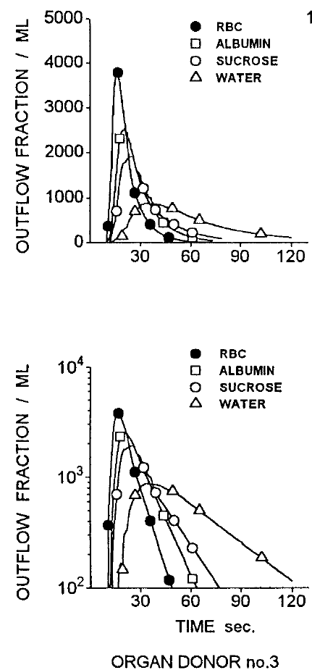
69 | 0
outflow fraction/ml (from logarithmic plot)
time [sec] | RBC | time [sec] | Albumin | time [sec] | Sucrose | time [sec] | Water
10.622453 | 99.81956 | 11.485738 | 101.32352 | 12.344902 | 99.79071 | 16.220411 | 99.72585
10.278376 | 188.21613 | 12.491186 | 291.517 | 13.787144 | 300.38934 | 18.855593 | 145.39648
10.369031 | 365.74756 | 13.014514 | 575.06177 | 15.155212 | 525.06537 | 18.915342 | 225.27753
10.9005995 | 766.41064 | 16.15448 | 1443.7595 | 15.627031 | 710.11633 | 20.246326 | 300.064
12.732246 | 1705.5992 | 17.514307 | 2375.714 | 17.431894 | 1298.6709 | 22.883568 | 444.1375
14.539169 | 3166.6785 | 20.536835 | 2522.3425 | 19.628222 | 1782.5723 | 26.390276 | 698.2127
16.716955 | 3794.3345 | 25.673275 | 2009.4023 | 25.236483 | 1920.5524 | 33.739525 | 861.50476
20.975687 | 2679.182 | 34.606934 | 901.29517 | 31.633854 | 1219.6472 | 43.206814 | 822.04443
23.495491 | 1677.0084 | 43.55501 | 449.33353 | 38.88421 | 729.0378 | 48.792408 | 750.1414
26.454145 | 1114.9784 | 50.368572 | 256.71063 | 44.43684 | 522.49225 | 58.663525 | 588.17084
32.400303 | 608.88055 | 56.765945 | 163.02415 | 49.57122 | 410.00137 | 65.100044 | 497.62445
35.79163 | 410.95032 | 60.600246 | 120.45422 | 55.12797 | 302.85162 | 77.111855 | 356.25497
41.298935 | 211.27925 | 63.155075 | 97.460915 | 60.25823 | 230.57945 | 87.40946 | 271.00366
46.385925 | 117.15009 |  |  | 65.81704 | 172.91098 | 93.84392 | 225.84787
 |  |  |  | 71.806465 | 129.65616 | 101.56815 | 185.35544
 |  |  |  | 76.0755 | 98.72943 | 112.29225 | 136.796
 |  |  |  |  |  | 120.01854 | 113.97777

CSV data
time | outflow | compound | log
10.622453 | 99.81956 | RBC | TRUE
10.278376 | 188.21613 | RBC | TRUE
10.369031 | 365.74756 | RBC | TRUE
10.9005995 | 766.41064 | RBC | TRUE
12.732246 | 1705.5992 | RBC | TRUE
14.539169 | 3166.6785 | RBC | TRUE
16.716955 | 3794.3345 | RBC | TRUE
20.975687 | 2679.182 | RBC | TRUE
23.495491 | 1677.0084 | RBC | TRUE
26.454145 | 1114.9784 | RBC | TRUE
32.400303 | 608.88055 | RBC | TRUE
35.79163 | 410.95032 | RBC | TRUE
41.298935 | 211.27925 | RBC | TRUE
46.385925 | 117.15009 | RBC | TRUE
11.485738 | 101.32352 | albumin | TRUE
12.491186 | 291.517 | albumin | TRUE
13.014514 | 575.06177 | albumin | TRUE
16.15448 | 1443.7595 | albumin | TRUE
17.514307 | 2375.714 | albumin | TRUE
20.536835 | 2522.3425 | albumin | TRUE
25.673275 | 2009.4023 | albumin | TRUE
34.606934 | 901.29517 | albumin | TRUE
43.55501 | 449.33353 | albumin | TRUE
50.368572 | 256.71063 | albumin | TRUE
56.765945 | 163.02415 | albumin | TRUE
60.600246 | 120.45422 | albumin | TRUE
63.155075 | 97.460915 | albumin | TRUE
12.344902 | 99.79071 | sucrose | TRUE
13.787144 | 300.38934 | sucrose | TRUE
15.155212 | 525.06537 | sucrose | TRUE
15.627031 | 710.11633 | sucrose | TRUE
17.431894 | 1298.6709 | sucrose | TRUE
19.628222 | 1782.5723 | sucrose | TRUE
25.236483 | 1920.5524 | sucrose | TRUE
31.633854 | 1219.6472 | sucrose | TRUE
38.88421 | 729.0378 | sucrose | TRUE
44.43684 | 522.49225 | sucrose | TRUE
49.57122 | 410.00137 | sucrose | TRUE
55.12797 | 302.85162 | sucrose | TRUE
60.25823 | 230.57945 | sucrose | TRUE
65.81704 | 172.91098 | sucrose | TRUE
71.806465 | 129.65616 | sucrose | TRUE
76.0755 | 98.72943 | sucrose | TRUE
16.220411 | 99.72585 | water | TRUE
18.855593 | 145.39648 | water | TRUE
18.915342 | 225.27753 | water | TRUE
20.246326 | 300.064 | water | TRUE
22.883568 | 444.1375 | water | TRUE
26.390276 | 698.2127 | water | TRUE
33.739525 | 861.50476 | water | TRUE
43.206814 | 822.04443 | water | TRUE
48.792408 | 750.1414 | water | TRUE
58.663525 | 588.17084 | water | TRUE
65.100044 | 497.62445 | water | TRUE
77.111855 | 356.25497 | water | TRUE
87.40946 | 271.00366 | water | TRUE
93.84392 | 225.84787 | water | TRUE
101.56815 | 185.35544 | water | TRUE
112.29225 | 136.796 | water | TRUE
120.01854 | 113.97777 | water | TRUE

Goresky1973
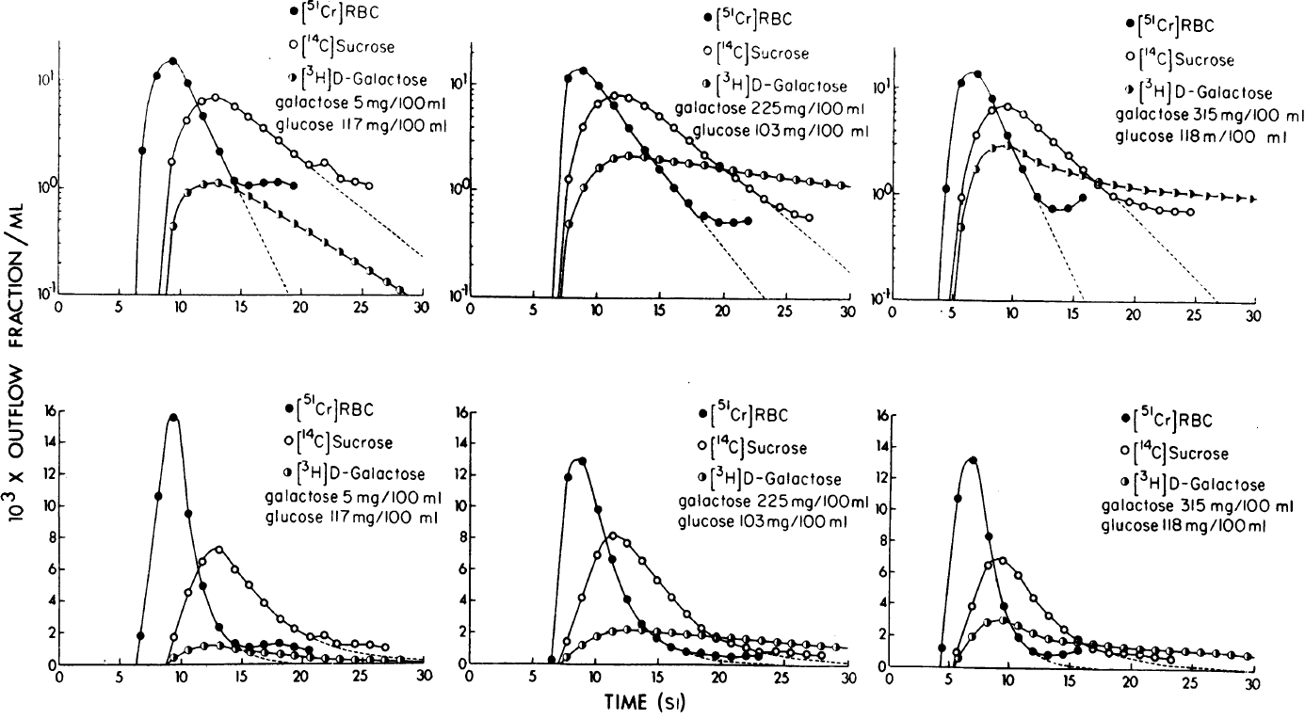
On.the.Uptake.of.Materials.by.the.Intact.Liver_[Dog]_Goresky1973
A : galactose 5mg/100ml | glucose 117 mg/100ml
1000 * outflow fraction/ml
time [sec] | RBC | time [sec] | Sucrose | time [sec] | Galactose
6.8381486 | 2.174543 | 9.323509 | 1.7122039 | 9.427868 | 0.44246763
7.9688597 | 10.959793 | 10.468642 | 4.1706176 | 10.576606 | 0.89862615
9.357761 | 15.169429 | 11.700507 | 6.3846374 | 11.891195 | 1.0580962
10.530135 | 9.356704 | 12.861664 | 6.9327245 | 13.1306715 | 1.1035559
11.861951 | 4.6224904 | 14.493533 | 5.677232 | 14.450869 | 0.9793398
13.194968 | 2.1493807 | 15.582782 | 4.645709 | 15.617234 | 0.8178356
14.447664 | 1.1510888 | 16.750349 | 3.6514792 | 16.938633 | 0.6831079
15.612427 | 1.0421475 | 18.073751 | 2.7569728 | 18.02708 | 0.58203423
16.851501 | 1.109099 | 19.397154 | 2.0815945 | 19.4268 | 0.46695316
18.01386 | 1.1335019 | 20.564322 | 1.669494 | 20.593164 | 0.38994732
19.333258 | 1.0473821 | 21.881313 | 1.7414035 | 21.992882 | 0.31284606
 |  | 23.20632 | 1.2127613 | 23.159649 | 0.25603032
 |  | 24.370682 | 1.1203858 | 24.40393 | 0.20955472
 |  | 25.534643 | 1.0561651 | 25.570698 | 0.17149763
 |  |  |  | 27.048332 | 0.13485166
 |  |  |  | 28.13718 | 0.11260135

B: galactose 225mg/100ml | glucose 103 mg/100ml
1000 * outflow fraction/ml
time [sec] | RBC | time [sec] | Sucrose | time [sec] | Galactose
6.4611425 | 0.097264044 | 6.980916 | 0.09736712 | 7.2031245 | 0.09941663
7.5938735 | 11.714277 | 7.7276764 | 1.2972659 | 7.7535915 | 0.49785146
8.852321 | 13.545017 | 8.811702 | 3.9074266 | 8.920692 | 1.0825162
10.049196 | 9.80027 | 9.9859705 | 6.5190034 | 10.097718 | 1.6310865
11.248828 | 6.4039626 | 11.2427635 | 8.012978 | 11.279155 | 2.0879645
12.450115 | 3.9365053 | 12.431919 | 7.711631 | 12.465553 | 2.2249653
13.725655 | 2.4201295 | 13.624935 | 6.4350457 | 13.655261 | 2.098099
14.924736 | 1.6139828 | 14.893858 | 5.0521255 | 14.843865 | 2.0607622
15.974759 | 1.0981895 | 15.93947 | 4.046215 | 15.958769 | 1.9829624
17.172186 | 0.77854955 | 17.209496 | 3.0498068 | 17.222729 | 1.870178
18.44166 | 0.5989067 | 18.480625 | 2.2069707 | 18.411335 | 1.836897
19.633574 | 0.5205515 | 19.601593 | 1.6972195 | 19.675295 | 1.7324204
20.747374 | 0.5217343 | 20.870516 | 1.3324794 | 20.717047 | 1.6002029
21.934324 | 0.5447534 | 21.98983 | 1.0893078 | 21.83195 | 1.5397906
 |  | 23.183949 | 0.8726838 | 23.170715 | 1.4231356
 |  | 24.451218 | 0.7283297 | 24.35932 | 1.3978101
 |  | 25.643682 | 0.62027323 | 25.622177 | 1.373143
 |  | 26.684332 | 0.59676576 | 26.811886 | 1.2948472
 |  |  |  | 28.001593 | 1.2210158
 |  |  |  | 29.265003 | 1.1752745

C: galactose 315mg/100ml | glucose 118 mg/100ml
1000 * outflow fraction/ml |  |  |  |  |  | CSV data
time [sec] | RBC | time [sec] | Sucrose | time [sec] | Galactose | time | outflow | compound | condition
3.8277097 | 0.09901982 | 4.687805 | 0.097233824 | 5.0002713 | 0.097317144 | 6.8381486 | 2.174543 | RBC | A
4.200391 | 1.121382 | 5.5365086 | 0.91634095 | 5.484431 | 0.4745439 | 7.9688597 | 10.959793 | RBC | A
5.4372354 | 11.252305 | 6.732668 | 3.570886 | 6.7619615 | 1.7036378 | 9.357761 | 15.169429 | RBC | A
6.835196 | 13.873718 | 7.9613757 | 6.1148415 | 8.071227 | 2.7434452 | 10.530135 | 9.356704 | RBC | A
8.0289135 | 7.989854 | 9.285288 | 6.801502 | 9.4756975 | 2.869629 | 11.861951 | 4.6224904 | RBC | A
9.3105135 | 3.5962086 | 10.619779 | 5.7911377 | 10.653141 | 2.493024 | 13.194968 | 2.1493807 | RBC | A
10.588858 | 1.7573647 | 11.881848 | 4.269094 | 11.832212 | 2.0786042 | 14.447664 | 1.1510888 | RBC | A
11.863947 | 0.9323734 | 13.143919 | 3.1470783 | 13.165889 | 1.8065857 | 15.612427 | 1.0421475 | RBC | A
13.04546 | 0.73088986 | 14.405175 | 2.3681388 | 14.420636 | 1.6024337 | 16.851501 | 1.109099 | RBC | A
14.450743 | 0.74895144 | 15.668059 | 1.7102171 | 15.515895 | 1.5425049 | 18.01386 | 1.1335019 | RBC | A
15.691657 | 0.94220793 | 16.773895 | 1.2601931 | 16.927689 | 1.3409306 | 19.333258 | 1.0473821 | RBC | A
 |  | 18.112455 | 0.9681829 | 18.179993 | 1.2650597 | 9.323509 | 1.7122039 | sucrose | A
 |  | 19.523436 | 0.85914195 | 19.431486 | 1.21827 | 10.468642 | 4.1706176 | sucrose | A
 |  | 20.620321 | 0.79369915 | 20.840837 | 1.126436 | 11.700507 | 6.3846374 | sucrose | A
 |  | 21.951557 | 0.7337125 | 22.091516 | 1.1073036 | 12.861664 | 6.9327245 | sucrose | A
 |  | 23.281166 | 0.7067265 | 23.343008 | 1.0663486 | 14.493533 | 5.677232 | sucrose | A
 |  | 24.609146 | 0.70930386 | 24.593685 | 1.0482368 | 15.582782 | 4.645709 | sucrose | A
 |  |  |  | 25.923294 | 1.0096827 | 16.750349 | 3.6514792 | sucrose | A
 |  |  |  | 27.173159 | 1.0131478 | 18.073751 | 2.7569728 | sucrose | A
 |  |  |  | 28.42465 | 0.9756753 | 19.397154 | 2.0815945 | sucrose | A
 |  |  |  | 29.597212 | 0.95889825 | 20.564322 | 1.669494 | sucrose | A
 |  |  |  |  |  | 21.881313 | 1.7414035 | sucrose | A
 |  |  |  |  |  | 23.20632 | 1.2127613 | sucrose | A
 |  |  |  |  |  | 24.370682 | 1.1203858 | sucrose | A
 |  |  |  |  |  | 25.534643 | 1.0561651 | sucrose | A
 |  |  |  |  |  | 9.427868 | 0.44246763 | galactose | A
 |  |  |  |  |  | 10.576606 | 0.89862615 | galactose | A
 |  |  |  |  |  | 11.891195 | 1.0580962 | galactose | A
 |  |  |  |  |  | 13.1306715 | 1.1035559 | galactose | A
 |  |  |  |  |  | 14.450869 | 0.9793398 | galactose | A
 |  |  |  |  |  | 15.617234 | 0.8178356 | galactose | A
 |  |  |  |  |  | 16.938633 | 0.6831079 | galactose | A
 |  |  |  |  |  | 18.02708 | 0.58203423 | galactose | A
 |  |  |  |  |  | 19.4268 | 0.46695316 | galactose | A
 |  |  |  |  |  | 20.593164 | 0.38994732 | galactose | A
 |  |  |  |  |  | 21.992882 | 0.31284606 | galactose | A
 |  |  |  |  |  | 23.159649 | 0.25603032 | galactose | A
 |  |  |  |  |  | 24.40393 | 0.20955472 | galactose | A
 |  |  |  |  |  | 25.570698 | 0.17149763 | galactose | A
 |  |  |  |  |  | 27.048332 | 0.13485166 | galactose | A
 |  |  |  |  |  | 28.13718 | 0.11260135 | galactose | A
 |  |  |  |  |  | 6.4611425 | 0.097264044 | RBC | B
 |  |  |  |  |  | 7.5938735 | 11.714277 | RBC | B
 |  |  |  |  |  | 8.852321 | 13.545017 | RBC | B
 |  |  |  |  |  | 10.049196 | 9.80027 | RBC | B
 |  |  |  |  |  | 11.248828 | 6.4039626 | RBC | B
 |  |  |  |  |  | 12.450115 | 3.9365053 | RBC | B
 |  |  |  |  |  | 13.725655 | 2.4201295 | RBC | B
 |  |  |  |  |  | 14.924736 | 1.6139828 | RBC | B
 |  |  |  |  |  | 15.974759 | 1.0981895 | RBC | B
 |  |  |  |  |  | 17.172186 | 0.77854955 | RBC | B
 |  |  |  |  |  | 18.44166 | 0.5989067 | RBC | B
 |  |  |  |  |  | 19.633574 | 0.5205515 | RBC | B
 |  |  |  |  |  | 20.747374 | 0.5217343 | RBC | B
 |  |  |  |  |  | 21.934324 | 0.5447534 | RBC | B
 |  |  |  |  |  | 6.980916 | 0.09736712 | sucrose | B
 |  |  |  |  |  | 7.7276764 | 1.2972659 | sucrose | B
 |  |  |  |  |  | 8.811702 | 3.9074266 | sucrose | B
 |  |  |  |  |  | 9.9859705 | 6.5190034 | sucrose | B
 |  |  |  |  |  | 11.2427635 | 8.012978 | sucrose | B
 |  |  |  |  |  | 12.431919 | 7.711631 | sucrose | B
 |  |  |  |  |  | 13.624935 | 6.4350457 | sucrose | B
 |  |  |  |  |  | 14.893858 | 5.0521255 | sucrose | B
 |  |  |  |  |  | 15.93947 | 4.046215 | sucrose | B
 |  |  |  |  |  | 17.209496 | 3.0498068 | sucrose | B
 |  |  |  |  |  | 18.480625 | 2.2069707 | sucrose | B
 |  |  |  |  |  | 19.601593 | 1.6972195 | sucrose | B
 |  |  |  |  |  | 20.870516 | 1.3324794 | sucrose | B
 |  |  |  |  |  | 21.98983 | 1.0893078 | sucrose | B
 |  |  |  |  |  | 23.183949 | 0.8726838 | sucrose | B
 |  |  |  |  |  | 24.451218 | 0.7283297 | sucrose | B
 |  |  |  |  |  | 25.643682 | 0.62027323 | sucrose | B
 |  |  |  |  |  | 26.684332 | 0.59676576 | sucrose | B
 |  |  |  |  |  | 7.2031245 | 0.09941663 | galactose | B
 |  |  |  |  |  | 7.7535915 | 0.49785146 | galactose | B
 |  |  |  |  |  | 8.920692 | 1.0825162 | galactose | B
 |  |  |  |  |  | 10.097718 | 1.6310865 | galactose | B
 |  |  |  |  |  | 11.279155 | 2.0879645 | galactose | B
 |  |  |  |  |  | 12.465553 | 2.2249653 | galactose | B
 |  |  |  |  |  | 13.655261 | 2.098099 | galactose | B
 |  |  |  |  |  | 14.843865 | 2.0607622 | galactose | B
 |  |  |  |  |  | 15.958769 | 1.9829624 | galactose | B
 |  |  |  |  |  | 17.222729 | 1.870178 | galactose | B
 |  |  |  |  |  | 18.411335 | 1.836897 | galactose | B
 |  |  |  |  |  | 19.675295 | 1.7324204 | galactose | B
 |  |  |  |  |  | 20.717047 | 1.6002029 | galactose | B
 |  |  |  |  |  | 21.83195 | 1.5397906 | galactose | B
 |  |  |  |  |  | 23.170715 | 1.4231356 | galactose | B
 |  |  |  |  |  | 24.35932 | 1.3978101 | galactose | B
 |  |  |  |  |  | 25.622177 | 1.373143 | galactose | B
 |  |  |  |  |  | 26.811886 | 1.2948472 | galactose | B
 |  |  |  |  |  | 28.001593 | 1.2210158 | galactose | B
 |  |  |  |  |  | 29.265003 | 1.1752745 | galactose | B
 |  |  |  |  |  | 3.8277097 | 0.09901982 | RBC | C
 |  |  |  |  |  | 4.200391 | 1.121382 | RBC | C
 |  |  |  |  |  | 5.4372354 | 11.252305 | RBC | C
 |  |  |  |  |  | 6.835196 | 13.873718 | RBC | C
 |  |  |  |  |  | 8.0289135 | 7.989854 | RBC | C
 |  |  |  |  |  | 9.3105135 | 3.5962086 | RBC | C
 |  |  |  |  |  | 10.588858 | 1.7573647 | RBC | C
 |  |  |  |  |  | 11.863947 | 0.9323734 | RBC | C
 |  |  |  |  |  | 13.04546 | 0.73088986 | RBC | C
 |  |  |  |  |  | 14.450743 | 0.74895144 | RBC | C
 |  |  |  |  |  | 15.691657 | 0.94220793 | RBC | C
 |  |  |  |  |  | 4.687805 | 0.097233824 | sucrose | C
 |  |  |  |  |  | 5.5365086 | 0.91634095 | sucrose | C
 |  |  |  |  |  | 6.732668 | 3.570886 | sucrose | C
 |  |  |  |  |  | 7.9613757 | 6.1148415 | sucrose | C
 |  |  |  |  |  | 9.285288 | 6.801502 | sucrose | C
 |  |  |  |  |  | 10.619779 | 5.7911377 | sucrose | C
 |  |  |  |  |  | 11.881848 | 4.269094 | sucrose | C
 |  |  |  |  |  | 13.143919 | 3.1470783 | sucrose | C
 |  |  |  |  |  | 14.405175 | 2.3681388 | sucrose | C
 |  |  |  |  |  | 15.668059 | 1.7102171 | sucrose | C
 |  |  |  |  |  | 16.773895 | 1.2601931 | sucrose | C
 |  |  |  |  |  | 18.112455 | 0.9681829 | sucrose | C
 |  |  |  |  |  | 19.523436 | 0.85914195 | sucrose | C
 |  |  |  |  |  | 20.620321 | 0.79369915 | sucrose | C
 |  |  |  |  |  | 21.951557 | 0.7337125 | sucrose | C
 |  |  |  |  |  | 23.281166 | 0.7067265 | sucrose | C
 |  |  |  |  |  | 24.609146 | 0.70930386 | sucrose | C
 |  |  |  |  |  | 5.0002713 | 0.097317144 | galactose | C
 |  |  |  |  |  | 5.484431 | 0.4745439 | galactose | C
 |  |  |  |  |  | 6.7619615 | 1.7036378 | galactose | C
 |  |  |  |  |  | 8.071227 | 2.7434452 | galactose | C
 |  |  |  |  |  | 9.4756975 | 2.869629 | galactose | C
 |  |  |  |  |  | 10.653141 | 2.493024 | galactose | C
 |  |  |  |  |  | 11.832212 | 2.0786042 | galactose | C
 |  |  |  |  |  | 13.165889 | 1.8065857 | galactose | C
 |  |  |  |  |  | 14.420636 | 1.6024337 | galactose | C
 |  |  |  |  |  | 15.515895 | 1.5425049 | galactose | C
 |  |  |  |  |  | 16.927689 | 1.3409306 | galactose | C
 |  |  |  |  |  | 18.179993 | 1.2650597 | galactose | C
 |  |  |  |  |  | 19.431486 | 1.21827 | galactose | C
 |  |  |  |  |  | 20.840837 | 1.126436 | galactose | C
 |  |  |  |  |  | 22.091516 | 1.1073036 | galactose | C
 |  |  |  |  |  | 23.343008 | 1.0663486 | galactose | C
 |  |  |  |  |  | 24.593685 | 1.0482368 | galactose | C
 |  |  |  |  |  | 25.923294 | 1.0096827 | galactose | C
 |  |  |  |  |  | 27.173159 | 1.0131478 | galactose | C
 |  |  |  |  |  | 28.42465 | 0.9756753 | galactose | C
 |  |  |  |  |  | 29.597212 | 0.95889825 | galactose | C

Goresky1983
Kinetic.Interpretation.of.Hepatic.Multiple-indicator.Dilution.Studies_Goresky1983

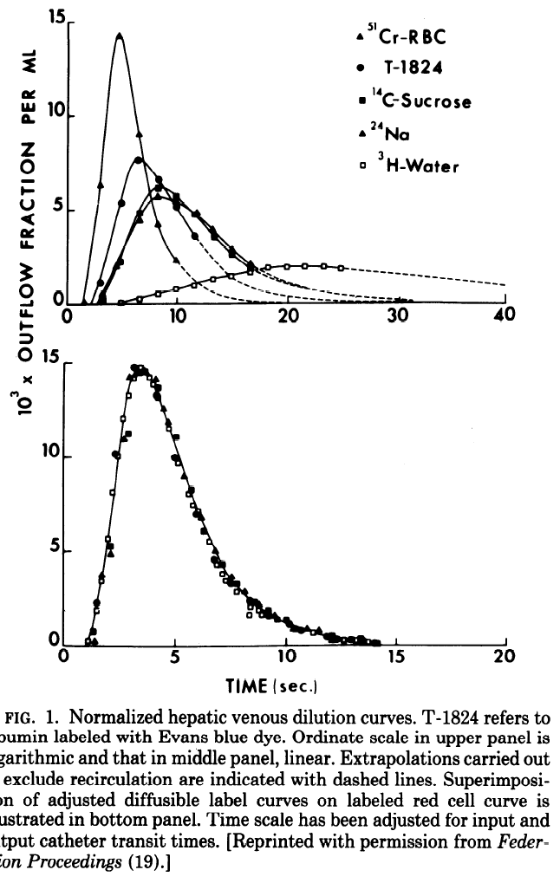
1000 * outflow fraction/ml
time [sec] | RBC | time [sec] | T-1824 | time [sec] | Sucrose | time [sec] | Na | time [sec] | Water | time | outflow | compound
1.5834284 | 0.17678298 | 3.099058 | 1.1821908 | 3.1668568 | 0.35356596 | 3.0884352 | 0.39994422 | 4.9024415 | 0.09248369 | 1.5834284 | 0.17678298 | RBC
3.0903099 | 6.3591857 | 5.053661 | 5.406795 | 6.666927 | 4.870171 | 6.666927 | 4.870171 | 6.605377 | 0.3377428 | 3.0903099 | 6.3591857 | RBC
4.9766455 | 14.288503 | 6.586787 | 7.7006087 | 8.42407 | 6.196589 | 8.42407 | 6.196589 | 8.307688 | 0.5369874 | 4.9766455 | 14.288503 | RBC
6.684267 | 9.0576725 | 8.470467 | 6.702567 | 10.038274 | 5.728987 | 10.038274 | 5.728987 | 9.9711 | 0.7824284 | 6.684267 | 9.0576725 | RBC
8.357989 | 4.2411547 | 10.070298 | 5.1766315 | 11.645916 | 4.778233 | 11.645916 | 4.778233 | 11.594676 | 1.005044 | 8.357989 | 4.2411547 | RBC
9.95251 | 2.324096 | 11.708715 | 3.5814924 | 13.526158 | 3.5271115 | 13.526158 | 3.5271115 | 13.33776 | 1.2961358 | 9.95251 | 2.324096 | RBC
14.274445 | 0.41749522 | 14.881977 | 1.4961078 | 15.055067 | 2.5997283 | 15.055067 | 2.5997283 | 15.000235 | 1.472555 | 14.274445 | 0.41749522 | RBC
 |  | 20.755629 | 0.34165314 | 16.74488 | 1.878683 | 16.74488 | 1.878683 | 16.741756 | 1.6486105 | 3.099058 | 1.1821908 | albumin
 |  |  |  |  |  |  |  | 18.365957 | 1.9172406 | 5.053661 | 5.406795 | albumin
Dilution Curves Goresky1983
 |  |  |  |  |  |  |  | 20.06608 | 1.9554344 | 6.586787 | 7.7006087 | albumin
 |  |  |  |  |  |  |  | 21.726055 | 1.9477956 | 8.470467 | 6.702567 | albumin
 |  |  |  |  |  |  |  | 23.42618 | 1.9859896 | 10.070298 | 5.1766315 | albumin
 |  |  |  |  |  |  |  | 25.004921 | 1.8176638 | 11.708715 | 3.5814924 | albumin
 |  |  |  |  |  |  |  |  |  | 14.881977 | 1.4961078 | albumin
 |  |  |  |  |  |  |  |  |  | 20.755629 | 0.34165314 | albumin
c |  |  |  |  |  |  |  |  |  | 3.1668568 | 0.35356596 | sucrose
 |  |  |  |  |  |  |  |  |  | 6.666927 | 4.870171 | sucrose
 |  |  |  |  |  |  |  |  |  | 8.42407 | 6.196589 | sucrose
 |  |  |  |  |  |  |  |  |  | 10.038274 | 5.728987 | sucrose
 |  |  |  |  |  |  |  |  |  | 11.645916 | 4.778233 | sucrose
 |  |  |  |  |  |  |  |  |  | 13.526158 | 3.5271115 | sucrose
 |  |  |  |  |  |  |  |  |  | 15.055067 | 2.5997283 | sucrose
 |  |  |  |  |  |  |  |  |  | 16.74488 | 1.878683 | sucrose
 |  |  |  |  |  |  |  |  |  | 3.0884352 | 0.39994422 | Na
 |  |  |  |  |  |  |  |  |  | 6.666927 | 4.870171 | Na
 |  |  |  |  |  |  |  |  |  | 8.42407 | 6.196589 | Na
 |  |  |  |  |  |  |  |  |  | 10.038274 | 5.728987 | Na
 |  |  |  |  |  |  |  |  |  | 11.645916 | 4.778233 | Na
 |  |  |  |  |  |  |  |  |  | 13.526158 | 3.5271115 | Na
 |  |  |  |  |  |  |  |  |  | 15.055067 | 2.5997283 | Na
 |  |  |  |  |  |  |  |  |  | 16.74488 | 1.878683 | Na
 |  |  |  |  |  |  |  |  |  | 4.9024415 | 0.09248369 | water
 |  |  |  |  |  |  |  |  |  | 6.605377 | 0.3377428 | water
 |  |  |  |  |  |  |  |  |  | 8.307688 | 0.5369874 | water
 |  |  |  |  |  |  |  |  |  | 9.9711 | 0.7824284 | water
 |  |  |  |  |  |  |  |  |  | 11.594676 | 1.005044 | water
 |  |  |  |  |  |  |  |  |  | 13.33776 | 1.2961358 | water
High sampling rate of cuves (not only experimental data) |  |  |  |  |  |  |  |  |  | 15.000235 | 1.472555 | water
1000 * outflow fraction/ml |  |  |  |  |  |  |  |  |  | 16.741756 | 1.6486105 | water
time [sec] | RBC | time [sec] | T-1824 | time [sec] | Sucrose | time [sec] | Na | time [sec] | Water | 18.365957 | 1.9172406 | water
 |  |  |  |  |  |  |  |  |  | 20.06608 | 1.9554344 | water
 |  |  |  |  |  |  |  |  |  | 21.726055 | 1.9477956 | water
 |  |  |  |  |  |  |  |  |  | 23.42618 | 1.9859896 | water
 |  |  |  |  |  |  |  |  |  | 25.004921 | 1.8176638 | water

