Lange2011
Lange2011 – Age-dependency of galactose elimination capacity in children

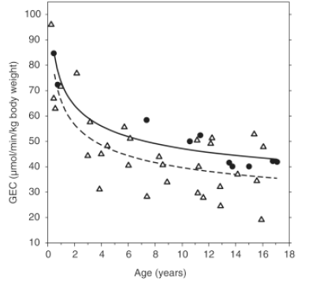
Figure 1
study | sex [U] | status | age [years] | Galactose elimination capacity [µmol/min/kgbw]
study | sex | status | age | GECkg
lan2011 | U | healthy | 0.46905538 | 84.664375
lan2011 | U | healthy | 0.76221496 | 72.27194
lan2011 | U | healthy | 7.4169383 | 58.48537
lan2011 | U | healthy | 10.583062 | 49.965576
lan2011 | U | healthy | 11.374593 | 52.44406
lan2011 | U | healthy | 13.543974 | 41.755592
lan2011 | U | healthy | 13.7785015 | 40.20654
lan2011 | U | healthy | 15.039088 | 40.20654
lan2011 | U | healthy | 16.76873 | 42.22031
lan2011 | U | healthy | 17.06189 | 42.065403
lan2011 | U | liver disease | 0.26384366 | 96.127365
lan2011 | U | liver disease | 0.4397394 | 67.005165
lan2011 | U | liver disease | 0.55700326 | 62.82272
lan2011 | U | liver disease | 0.9674267 | 71.49742
lan2011 | U | liver disease | 2.1400652 | 76.7642
lan2011 | U | liver disease | 3.1954398 | 57.55594
lan2011 | U | liver disease | 2.990228 | 44.388985
lan2011 | U | liver disease | 3.9283388 | 31.22203
lan2011 | U | liver disease | 3.9869707 | 44.8537
lan2011 | U | liver disease | 4.42671 | 48.416523
lan2011 | U | liver disease | 5.7459283 | 55.85198
lan2011 | U | liver disease | 6.1856675 | 51.20482
lan2011 | U | liver disease | 6.039088 | 40.671257
lan2011 | U | liver disease | 7.4462543 | 28.123924
lan2011 | U | liver disease | 8.912052 | 34.165234
lan2011 | U | liver disease | 8.589577 | 40.82616
lan2011 | U | liver disease | 8.355049 | 43.924267
lan2011 | U | liver disease | 11.140065 | 50.275387
lan2011 | U | liver disease | 12.283387 | 51.20482
lan2011 | U | liver disease | 12.166123 | 49.19105
lan2011 | U | liver disease | 11.257329 | 40.051636
lan2011 | U | liver disease | 11.169381 | 29.672977
lan2011 | U | liver disease | 11.60912 | 27.969019
lan2011 | U | liver disease | 12.899023 | 24.406197
lan2011 | U | liver disease | 12.869707 | 32.151463
lan2011 | U | liver disease | 14.159609 | 37.108433
lan2011 | U | liver disease | 15.596091 | 34.475044
lan2011 | U | liver disease | 15.947883 | 19.294321
lan2011 | U | liver disease | 15.39088 | 52.90878
lan2011 | U | liver disease | 16.094463 | 47.7969

