Wynne1989
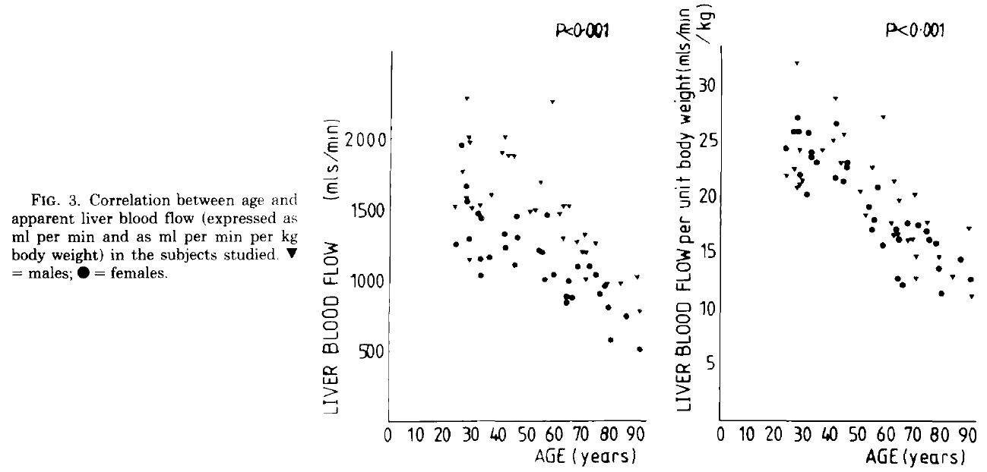
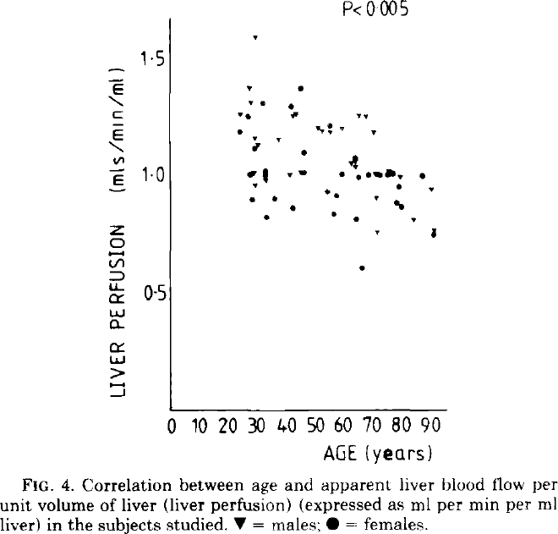
Wynne1989 – The Effect of Age upon Liver Volume and Apparent Liver Blood Flow in Healthy Man

Table 1
gender | age [years] | Liver volume [ml] | Relative liver volumes [ml/kgbw] | Apparent liver blood flow [ml/min] | Relative apparent liver blood flow [ml/min] | Liver perfusion [ml/min]
status | age | volume | relvolume | bloodflow | relbloodflow | perfusion
male | 24 | 1524 | 20.7 | 1864 | 25.3 | 1.24
male | 91 | 1102 | 14.5 | 1126 | 14.5 | 1.02
female | 24 | 1415 | 23.8 | 1546 | 25.5 | 1.11
female | 91 | 789 | 13.6 | 645 | 11.5 | 0.88
all | 24 | 1474 | 23.6 | 1717 | 25.7 | 1.18
all | 91 | 934 | 14 | 807 | 13.5 | 0.94

Table 2
gender | age [years] | Liver volume [ml] | Liver volume [ml] SD | Relative liver volumes [ml/kgbw] | Relative liver volumes [ml/kgbw] SD | Apparent liver blood flow [ml/min] | Apparent liver blood flow [ml/min] SD | Relative apparent liver blood flow [ml/min] | Relative apparent liver blood flow [ml/min] SD | Liver perfusion [ml/min] | Liver perfusion [ml/min/ml] SD
status | age | volume | volumeSD | relvolume | relvolumeSD | bloodflow | bloodflowSD | relbloodflow | relbloodflowSD | perfusion | Perfusion SD
male | <40 years | 1406 | 71 | 19.5 | 0.7 | 1699 | 105 | 23.4 | 0.9 | 1.22 | 0.05
male | 40 – 64 years | 1502 | 72 | 19.4 | 0.9 | 1727 | 89 | 22.3 | 0.9 | 1.15 | 0.02
male | >65 years | 1133 | 51 | 16.1 | 0.5 | 1211 | 66 | 16.2 | 0.6 | 1.07 | 0.04
female | <40 years | 1339 | 86 | 23.2 | 1.2 | 1401 | 91 | 24.1 | 0.5 | 1.06 | 0.05
female | 40 – 64 years | 1151 | 72 | 19 | 0.9 | 1170 | 59 | 19.5 | 0.8 | 1.04 | 0.05
female | >65 years | 940 | 70 | 16.1 | 0.5 | 869 | 62 | 14.8 | 0.5 | 0.95 | 0.04

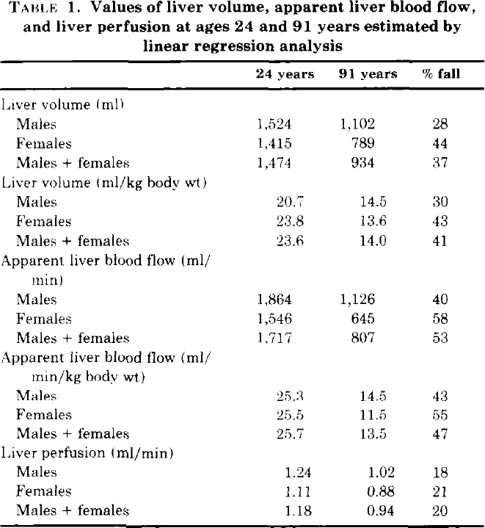
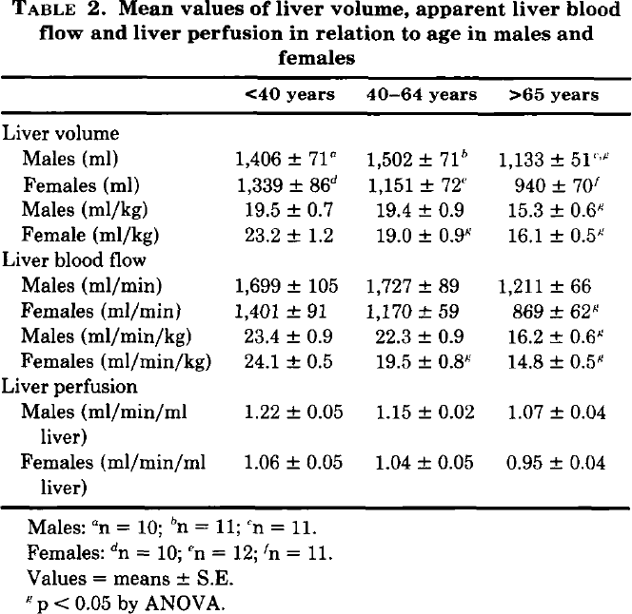

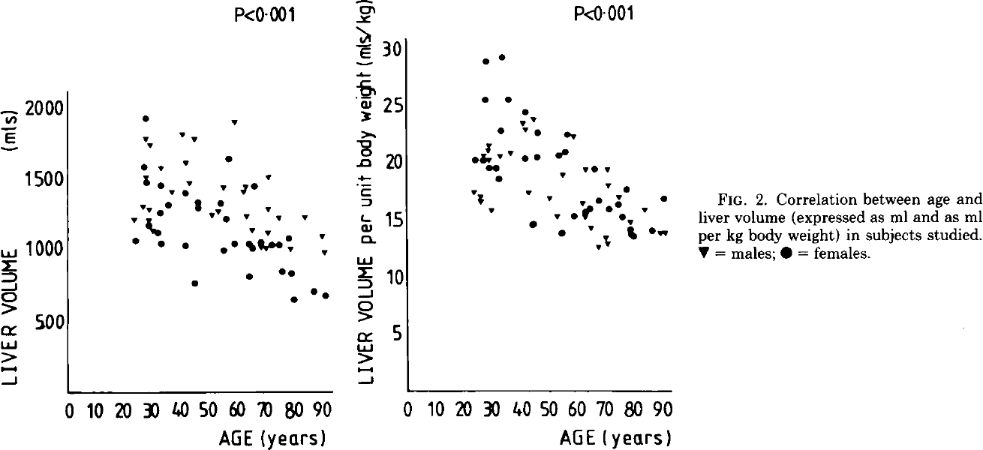
Figure 2 |  | Figure 2 |  | Figure 3 |  |  |  | Figure 4
age [years] | liver volume [ml] | age [years] | liver volume per unit body weight [ml/kgbw] | age [years] | liver blood flow [ml/min] | age [years] | Relative liver blood flow [ml/min/kgbw] | age [years] | liver perfusion [ml/min/ml]
age | volume | age | relvolume | age | bloodflow | age | relbloodflow | age | perfusion

