Ducry1979
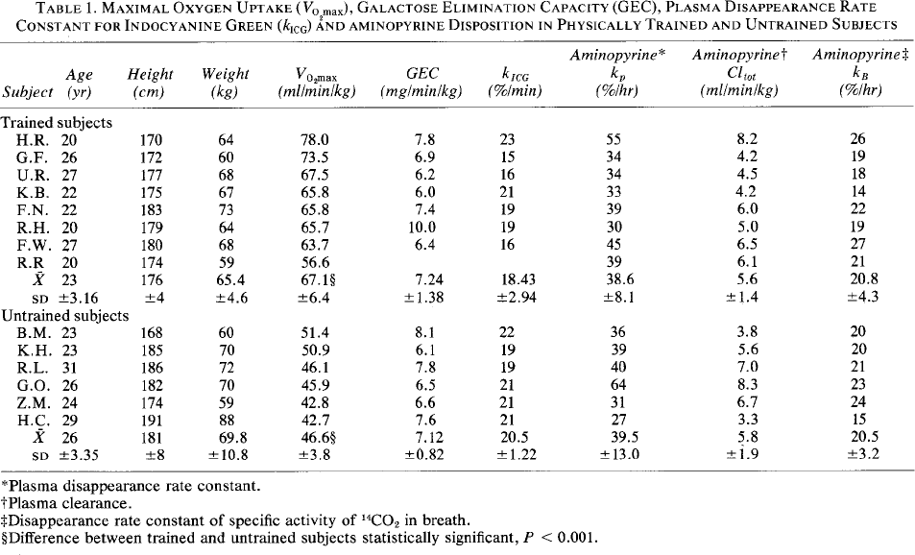
Ducry1979 – Liver function in physically trained subjects
Table 1
study | sex [M,F,U] | subject | state | trained | age [years] | height [cm] | weight [kg] | VO2max [ml/min/kg] | GECmgkg [mg/min/kg] | KICG [%min] | Aminopyrine (kp) [%/hr] | Aminopyrine (Cltot) [ml/min/kg] | Aminopyrine (kb) [%/hr] | GEC [mmole/min] | GECkg [mmole/min/kg]
study | sex | subject | state | trained | age | height | bodyweight | VO2max | GECmgkg | KICG | kp | Cltot | kb | GEC | GECkg
duc1979 | U | H.R. | normal | trained | 20 | 170 | 64 | 78 | 7.8 | 23 | 55 | 8.2 | 26 | 2.77 | 0.043333333333
duc1979 | U | G.F. | normal | trained | 26 | 172 | 60 | 73.5 | 6.9 | 15 | 34 | 4.2 | 19 | 2.30 | 0.038333333333
duc1979 | U | U.R. | normal | trained | 27 | 177 | 68 | 67.5 | 6.2 | 16 | 34 | 4.5 | 18 | 2.34 | 0.034444444444
duc1979 | U | K.B | normal | trained | 22 | 175 | 67 | 65.8 | 6 | 21 | 33 | 4.2 | 14 | 2.23 | 0.033333333333
duc1979 | U | F.N. | normal | trained | 22 | 183 | 73 | 65.8 | 7.4 | 19 | 39 | 6 | 22 | 3.00 | 0.041111111111
duc1979 | U | R.H | normal | trained | 20 | 179 | 64 | 65.7 | 10 | 19 | 30 | 5 | 19 | 3.56 | 0.055555555556
duc1979 | U | F.W. | normal | trained | 27 | 180 | 68 | 63.7 | 6.4 | 16 | 45 | 6.5 | 27 | 2.42 | 0.035555555556
duc1979 | U | R.R. | normal | trained | 20 | 174 | 59 | 56.6 | NA | NA | 39 | 6.1 | 21 | NA | NA
duc1979 | U | B.M. | normal | untrained | 23 | 168 | 60 | 51.4 | 8.1 | 22 | 36 | 0.8 | 20 | 2.70 | 0.045
duc1979 | U | K.H. | normal | untrained | 23 | 185 | 70 | 50.9 | 6.1 | 19 | 39 | 5.6 | 20 | 2.37 | 0.033888888889
duc1979 | U | R.L. | normal | untrained | 31 | 186 | 72 | 46.1 | 7.8 | 19 | 40 | 7 | 21 | 3.12 | 0.043333333333
duc1979 | U | G.O. | normal | untrained | 26 | 182 | 70 | 45.9 | 6.5 | 21 | 64 | 8.3 | 23 | 2.53 | 0.036111111111
duc1979 | U | Z.M. | normal | untrained | 24 | 174 | 59 | 42.8 | 6.6 | 21 | 31 | 6.7 | 24 | 2.16 | 0.036666666667
duc1979 | U | H.C. | normal | untrained | 29 | 191 | 88 | 42.7 | 7.6 | 21 | 27 | 3.3 | 15 | 3.72 | 0.042222222222

