Sheet1
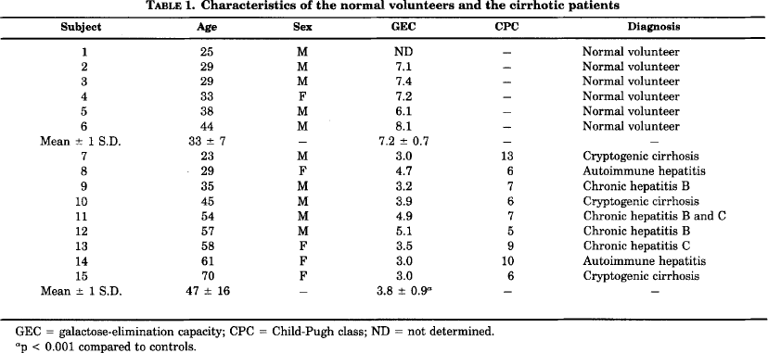
Dufour2005 – Alterations in Hepatic Fructose Metabolism in Cirrhotic Patients
Table 1
study | subject | state | age [years] | sex | Galactose elimination capacity [mg/min/kgbw] | Galactose elimination capacity (bw 70kg) [mmole/min] | Child-Pugh classification | Diagnosis
study | subject | state | age | sex | GECmg | GEC | CPC | diagnosis
duf2005 | 1 | normal | 25 | M | NA | NA | NA | Normal volunteer
duf2005 | 2 | normal | 29 | M | 7.1 | 2.76 | NA | Normal volunteer
duf2005 | 3 | normal | 29 | M | 7.4 | 2.88 | NA | Normal volunteer
duf2005 | 4 | normal | 33 | F | 7.2 | 2.80 | NA | Normal volunteer
duf2005 | 5 | normal | 38 | M | 6.1 | 2.37 | NA | Normal volunteer
duf2005 | 6 | normal | 44 | M | 8.1 | 3.15 | NA | Normal volunteer
duf2005 | 7 | cirrhosis | 23 | M | 3 | 1.17 | 13 | Cryptogenic cirrhosis
duf2005 | 8 | cirrhosis | 29 | F | 4.7 | 1.83 | 6 | Autoimune hepatitis
duf2005 | 9 | cirrhosis | 35 | M | 3.2 | 1.24 | 7 | Chronic hepatitis B
duf2005 | 10 | cirrhosis | 45 | M | 3.9 | 1.52 | 6 | Cryptogenic cirrhosis
duf2005 | 11 | cirrhosis | 54 | M | 4.9 | 1.91 | 7 | Chronic hepatitis B and C
duf2005 | 12 | cirrhosis | 57 | M | 5.1 | 1.98 | 5 | Chronic hepatitis B
duf2005 | 13 | cirrhosis | 58 | F | 3.5 | 1.36 | 9 | Chronic hepatitis C
duf2005 | 14 | cirrhosis | 61 | F | 3 | 1.17 | 10 | Autoimune hepatitis
duf2005 | 15 | cirrhosis | 70 | F | 3 | 1.17 | 6 | Cryptogenic cirrhosis

