Marchesini1988
Marchesini1988 – Galactose Elimination Capacity and Liver Volume in Aging Man
Figure 1 |  | Figure 2
age [years] | GEC [mmol/min] | age [years] | Hepatic Volumetric Index [Units] | Hepatic Volumetric Index [Units] | GEC [mmol/min]
25.86861 | 3.4685013 | 26.134243 | 124.86475 | 56.077717 | 2.0415447
26.941917 | 3.8168833 | 27.114853 | 106.63076 | 61.951153 | 2.0436742
27.901548 | 3.2035513 | 28.08696 | 96.81765 | 62.996 | 2.0630887
30.80053 | 3.4914849 | 31.084055 | 123.51915 | 63.902493 | 1.6953977
39.003506 | 2.2680347 | 31.360147 | 122.3528 | 65.19796 | 1.5562738
41.102413 | 2.074731 | 39.222504 | 95.31048 | 71.09822 | 2.478462
44.13356 | 2.4957273 | 40.91755 | 118.25409 | 71.15353 | 2.909953
45.00234 | 2.9258478 | 43.829147 | 93.49303 | 71.83122 | 2.3264437
46.013557 | 3.0286689 | 45.16733 | 129.53177 | 72.956894 | 2.3395422
45.86724 | 3.529883 | 45.99986 | 121.82227 | 74.27678 | 1.7816464
50.892063 | 2.4173412 | 45.961124 | 92.11446 | 77.06062 | 2.334685
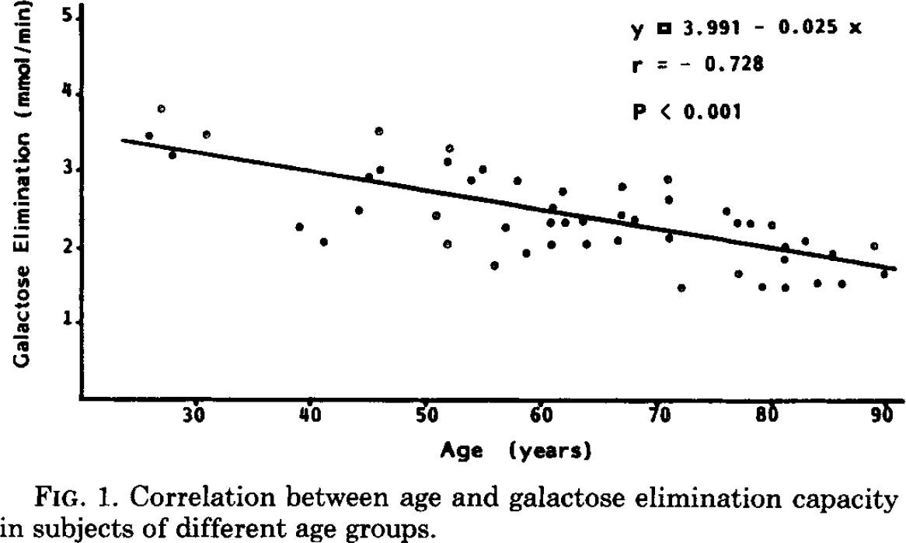
51.913784 | 2.04957 | 51.199074 | 77.67292 | 77.21488 | 2.4489539
51.82202 | 3.133944 | 52.107414 | 62.946827 | 80.00484 | 1.5172263
51.953045 | 3.318158 | 51.931934 | 100.60528 | 79.89182 | 2.0755599
53.92207 | 2.889489 | 52.074585 | 95.46079 | 81.21467 | 1.4669037
54.932377 | 3.033231 | 52.142605 | 96.16334 | 82.176094 | 1.5370492
55.974182 | 1.7651963 | 54.207977 | 92.67875 | 83.294 | 1.6833932
56.908707 | 2.2771935 | 54.88817 | 99.70419 | 83.111626 | 2.0513465
57.90874 | 2.8812978 | 55.876102 | 74.21888 | 84.16794 | 1.874065
58.74077 | 1.9302976 | 57.196335 | 128.03505 | 84.31443 | 2.1215794
60.90017 | 2.0541668 | 58.025555 | 123.600334 | 86.16682 | 2.0905254
60.82644 | 2.3303494 | 58.992702 | 118.69941 | 86.23136 | 2.3633907
61.024574 | 2.5350585 | 60.893696 | 73.80973 | 86.0527 | 2.667894
61.898148 | 2.7503436 | 61.17144 | 71.00599 | 88.0007 | 2.3767226
62.109978 | 2.3412364 | 60.88472 | 82.69845 | 91.1382 | 2.3842053
63.66356 | 2.3624918 | 61.97893 | 88.09132 | 92.27774 | 3.5394385
64.00824 | 2.0557566 | 61.958622 | 108.20787 | 93.28356 | 2.8481803
66.71 | 2.0980601 | 64.11162 | 86.01101 | 93.27986 | 2.9116306
66.97273 | 2.4357972 | 63.969204 | 90.921585 | 94.34912 | 2.5122728
67.03185 | 2.8143518 | 63.96802 | 92.091156 | 96.131775 | 2.2971838
68.12274 | 2.3750033 | 67.19752 | 92.83067 | 97.36158 | 1.9042294
71.01647 | 2.898233 | 67.1824 | 107.80113 | 97.50733 | 2.164434
71.15754 | 2.6323152 | 68.037834 | 77.40203 | 96.23092 | 3.356862
71.168495 | 2.1412623 | 70.93054 | 71.35404 | 97.36066 | 3.3001652
72.1966 | 1.4870436 | 71.12113 | 86.79475 | 100.54476 | 2.5081742
76.09288 | 2.5018446 | 70.97305 | 97.31924 | 100.431755 | 3.0665076
77.042465 | 2.3386443 | 72.02026 | 81.19127 | 101.15106 | 3.1492555
77.12487 | 1.6737115 | 76.19399 | 99.71947 | 104.966995 | 2.5605388
78.19133 | 2.3290017 | 76.8253 | 87.095375 | 108.35881 | 2.346033
79.22333 | 1.5008683 | 77.31017 | 83.35838 | 108.51418 | 2.441267
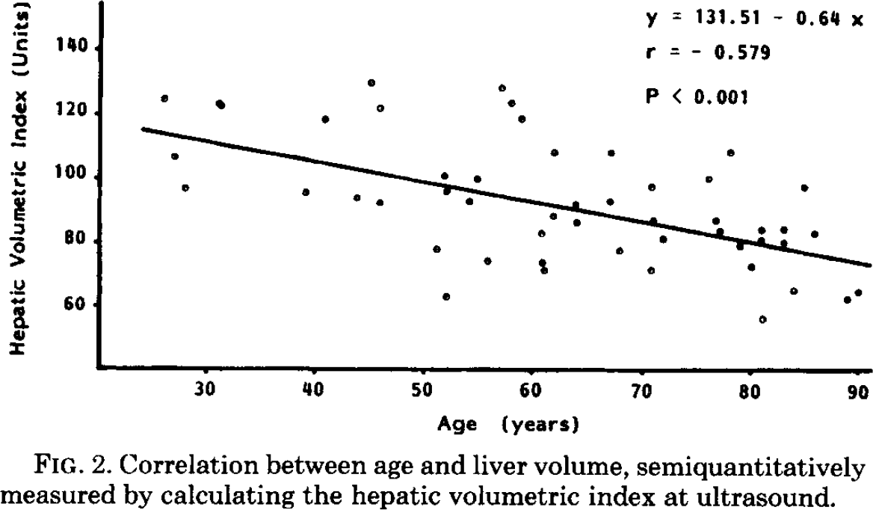
80.15123 | 2.3095434 | 78.24756 | 107.93055 | 108.33366 | 2.7774951
81.23846 | 2.033879 | 79.17055 | 78.70182 | 107.305275 | 3.8558002
81.174774 | 1.85993 | 80.13911 | 72.397415 | 118.03783 | 1.9371068
81.250786 | 1.4814447 | 81.25529 | 56.03633 | 118.107185 | 2.127487
82.99383 | 2.0961592 | 81.09327 | 80.361725 | 121.9971 | 3.0299106
84.01965 | 1.5442433 | 81.08972 | 83.87042 | 123.29183 | 2.9034767
85.36209 | 1.943915 | 83.15557 | 79.91801 | 123.17586 | 3.5125704
86.11423 | 1.5453147 | 83.15156 | 83.89454 | 125.18916 | 3.4815745
89.008415 | 2.048084 | 84.06415 | 64.958 | 128.07437 | 2.296075
89.82743 | 1.680209 | 84.993744 | 97.249306 | 129.16267 | 2.9500215
 |  | 85.97057 | 82.75793
 |  | 89.01537 | 62.208916
 |  | 90.04417 | 64.326195

Cleaned table finding subjects via unique triples of (age, GEC, HVI)
subjectGEC | ageGEC | GEC | subjectHPI | ageHPI | HPI
s01 | 26 | 3.4685013 | s01 | 26 | 124.86475
s02 | 27 | 3.8168833 | s02 | 27 | 106.63076
s03 | 28 | 3.2035513 | s03 | 28 | 96.81765
s04 | 31 | 3.4914849 | s04 | 31 | 123.51915
s05 | 39 | 2.2680347 | s05 | 39 | 95.31048
s06 | 41 | 2.074731 | s06 | 41 | 118.25409
s07 | 44 | 2.4957273 | s07 | 44 | 93.49303
s08 | 45 | 2.9258478 | s08 | 45 | 129.53177
s09 | 46 | 3.0286689 | s09 | 46 | 121.82227
s10 | 46 | 3.529883 | s10 | 46 | 92.11446
s11 | 51 | 2.4173412 | s11 | 51 | 77.67292
s12 | 52 | 2.04957 | s12 | 52 | 62.946827
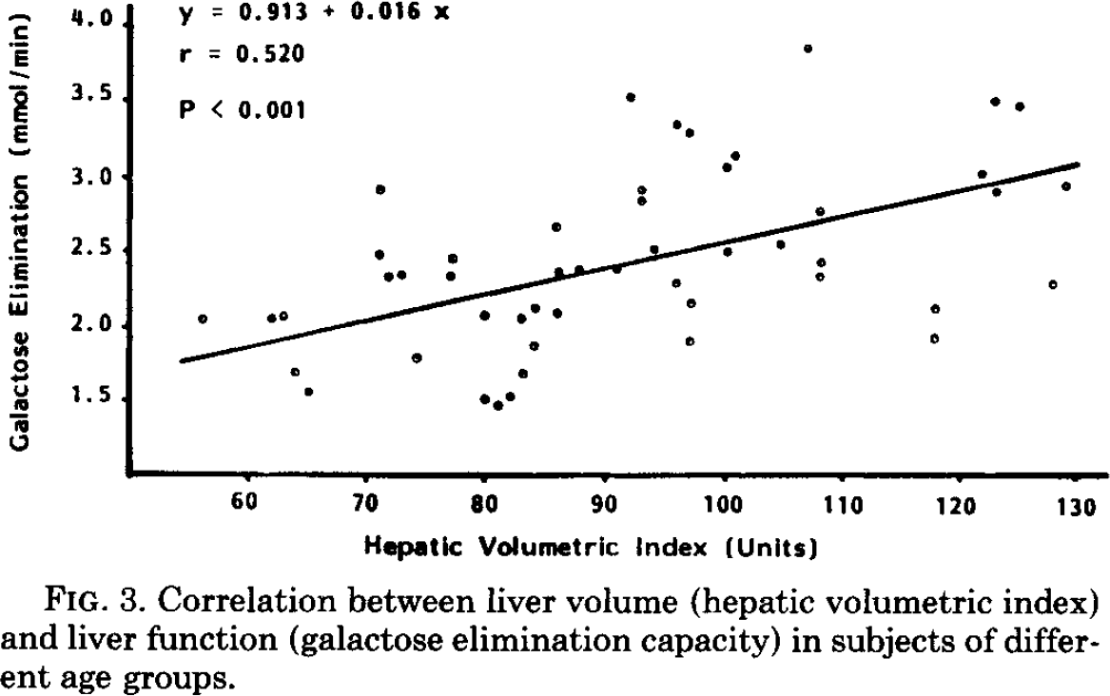
s13 | 52 | 3.133944 | s13 | 52 | 100.60528
s14 | 52 | 3.318158 | s14 | 52 | 96.16334
s15 | 54 | 2.889489 | s15 | 54 | 92.67875
s16 | 55 | 3.033231 | s16 | 55 | 99.70419
s17 | 56 | 1.7651963 | s17 | 56 | 74.21888
s18 | 57 | 2.2771935 | s18 | 57 | 128.03505
s19 | 58 | 2.8812978 | s19 | 58 | 123.600334
s20 | 59 | 1.9302976 | s20 | 59 | 118.69941
s21 | 61 | 2.0541668 | s22 | 61 | 73.80973
s22 | 61 | 2.3303494 | s23 | 61 | 71.00599
s23 | 61 | 2.5350585 | s21 | 61 | 82.69845
s24 | 62 | 2.7503436 | s25 | 62 | 88.09132
s25 | 62 | 2.3412364 | s24 | 62 | 108.20787
s26 | 64 | 2.3624918 | s28 | 64 | 86.01101
s27 | 64 | 2.0557566 | s26 | 64 | 90.921585
s28 | 67 | 2.0980601 | s27 | 64 | 92.091156
s29 | 67 | 2.4357972 | s29 | 67 | 92.83067
s30 | 67 | 2.8143518 | s30 | 67 | 107.80113
s31 | 68 | 2.3750033 | s31 | 68 | 77.40203
s32 | 71 | 2.898233 | s32 | 71 | 71.35404
s33 | 71 | 2.6323152 | s33 | 71 | 86.79475
s34 | 71 | 2.1412623 | s34 | 71 | 97.31924
s35 | 72 | 1.4870436 | s35 | 72 | 81.19127
s36 | 76 | 2.5018446 | s36 | 76 | 99.71947
s37 | 77 | 2.3386443 | s37 | 77 | 87.095375
s38 | 77 | 1.6737115 | s38 | 77 | 83.35838
s39 | 78 | 2.3290017 | s39 | 78 | 107.93055
s40 | 79 | 1.5008683 | s40 | 79 | 78.70182
s41 | 80 | 2.3095434 | s41 | 80 | 72.397415
s42 | 81 | 2.033879 | s42 | 81 | 56.03633
s43 | 81 | 1.85993 | s44 | 81 | 80.361725
s44 | 81 | 1.4814447 | s43 | 81 | 83.87042
s45 | 83 | 2.0961592 | s45 | 83 | 83.89454
s46 | 84 | 1.5442433 | s46 | 84 | 64.958
s47 | 85 | 1.943915 | s47 | 85 | 97.249306
s48 | 86 | 1.5453147 | s48 | 86 | 82.75793
s49 | 89 | 2.048084 | s49 | 89 | 62.208916
s50 | 90 | 1.680209 | s50 | 90 | 64.326195

 |  |  |  |  |  |  |  |  |  |  |  |  |  |  | Galactose elimination test
age [years] | body weight [kg] | body weight [kg] SD | body height [cm] | body height [cm] SD | albumin level [gm/dl] | albumin level [gm/dl] SD | cholesterol level [mmoles/liter] | cholesterol level [mmoles/liter] SD | prothrombin activity [%] | prothrombin activity [%] SD | total bilirubin [µmoles/liter] | total bilirubin [µmoles/liter] SD | volume of the liver [unit] | volume of the liver [unit] SD | GEC [mmoles/min] | GEC [mmoles/min] SD | Volume of distribution [liters] | Volume of distribution [liters] SD | Concentration 0 min [mmoles/liter] | Concentration 0 min [mmoles/liter] SD | Concentration 45 min [mmoles/liter] | Concentration 45 min [mmoles/liter] SD | Galactose elimination/unit of volume [µmoles/minxunit] | Galactose elimination/unit of volume [µmoles/minxunit] SD
age | bodyweight | bodyweightSD | bodyheight | bodyheightSD | albumin | albuminSD | cholesterol | cholesterolSD | prothrombin | prothrombinSD | bilirubin | bilirubinSD | volLiver | volLiverSD | GEC | GECSD | volDist | volDistSD | gal0 | gal0SD | gal45 | gal45SD | galVol | galVolSD
<50 | 72 | 10 | 172 | 10 | 3.99 | 0.26 | 5.21 | 1.06 | 97 | 4 | 12.2 | 2.1 | 110 | 14 | 3.05 | 0.58 | 25.6 | 4.8 | 7.89 | 0.78 | 1.16 | 0.49 | 28 | 6.5
51-60 | 65 | 11 | 168 | 5 | 3.84 | 0.29 | 6.14 | 1.02 | 98 | 4 | 11.6 | 1.6 | 97 | 22 | 2.57 | 0.55 | 22.8 | 7.9 | 8.5 | 2.27 | 2.09 | 0.86 | 27.3 | 6.5
61-70 | 65 | 9 | 165 | 7 | 4.08 | 0.22 | 6.01 | 0.95 | 96 | 6 | 12.4 | 1.5 | 88 | 13 | 2.4 | 0.25 | 23.7 | 8.7 | 8.28 | 2.11 | 2.16 | 0.63 | 27.6 | 4.1
71-80 | 64 | 12 | 167 | 6 | 4.18 | 0.33 | 4.84 | 0.88 | 93 | 7 | 10.9 | 2.6 | 86 | 12 | 2.19 | 0.48 | 22.3 | 7.3 | 8.44 | 1.42 | 2.75 | 0.75 | 25.7 | 7.1
>81 | 57 | 10 | 165 | 6 | 4.01 | 0.28 | 4.25 | 0.72 | 93 | 8 | 12 | 1.1 | 75 | 13 | 1.83 | 0.24 | 18.5 | 5.6 | 9.05 | 2.05 | 3.22 | 1.09 | 25.3 | 6

