Wynne1989
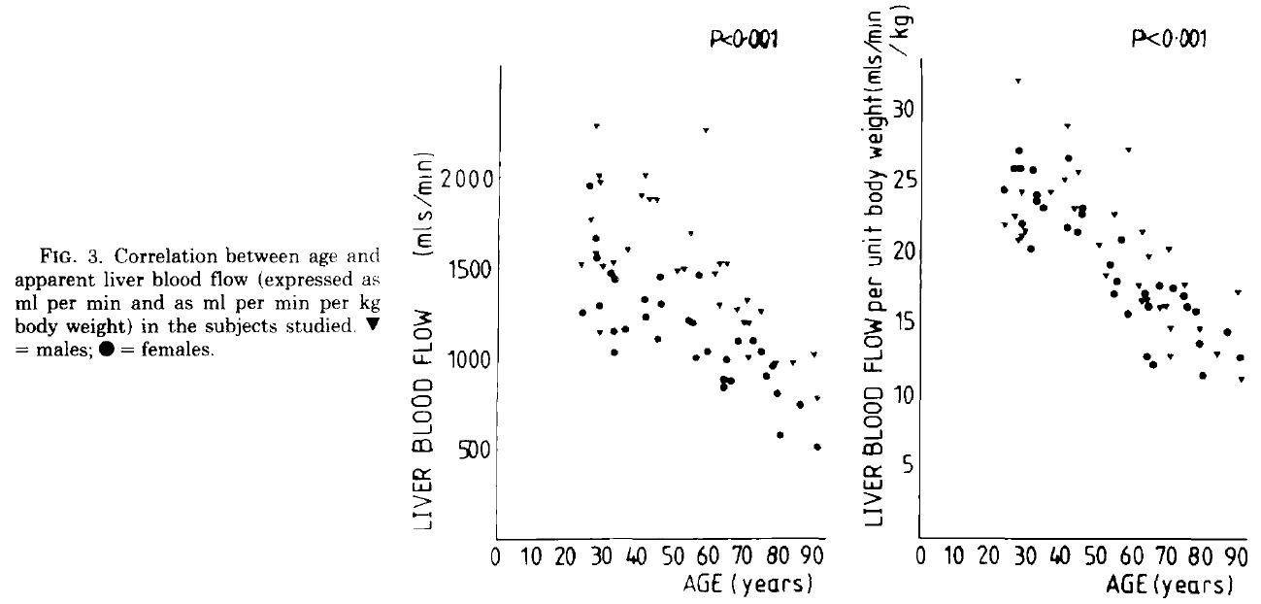
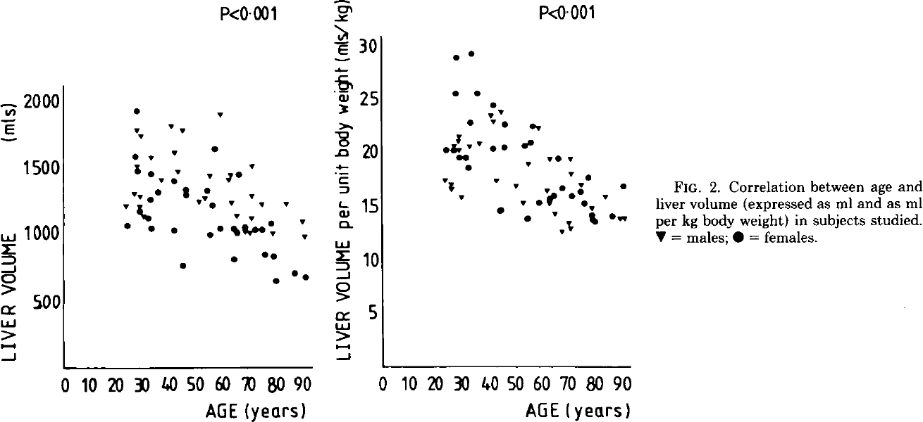
Wynne1989 – The Effect of Age upon Liver Volume and Apparent Liver Blood Flow in Healthy Man

Table 1
gender | age [years] | Liver volume [ml] | Relative liver volumes [ml/kgbw] | Apparent liver blood flow [ml/min] | Relative apparent liver blood flow [ml/min] | Liver perfusion [ml/min]
status | age | volume | relvolume | bloodflow | relbloodflow | perfusion
male | 24 | 1524 | 20.7 | 1864 | 25.3 | 1.24
male | 91 | 1102 | 14.5 | 1126 | 14.5 | 1.02
female | 24 | 1415 | 23.8 | 1546 | 25.5 | 1.11
female | 91 | 789 | 13.6 | 645 | 11.5 | 0.88
all | 24 | 1474 | 23.6 | 1717 | 25.7 | 1.18
all | 91 | 934 | 14 | 807 | 13.5 | 0.94

Table 2
gender | age [years] | Liver volume [ml] | Liver volume [ml] SD | Relative liver volumes [ml/kgbw] | Relative liver volumes [ml/kgbw] SD | Apparent liver blood flow [ml/min] | Apparent liver blood flow [ml/min] SD | Relative apparent liver blood flow [ml/min] | Relative apparent liver blood flow [ml/min] SD | Liver perfusion [ml/min] | Liver perfusion [ml/min/ml] SD
status | age | volume | volumeSD | relvolume | relvolumeSD | bloodflow | bloodflowSD | relbloodflow | relbloodflowSD | perfusion | Perfusion SD
male | <40 years | 1406 | 71 | 19.5 | 0.7 | 1699 | 105 | 23.4 | 0.9 | 1.22 | 0.05
male | 40 – 64 years | 1502 | 72 | 19.4 | 0.9 | 1727 | 89 | 22.3 | 0.9 | 1.15 | 0.02
male | >65 years | 1133 | 51 | 16.1 | 0.5 | 1211 | 66 | 16.2 | 0.6 | 1.07 | 0.04
female | <40 years | 1339 | 86 | 23.2 | 1.2 | 1401 | 91 | 24.1 | 0.5 | 1.06 | 0.05
female | 40 – 64 years | 1151 | 72 | 19 | 0.9 | 1170 | 59 | 19.5 | 0.8 | 1.04 | 0.05
female | >65 years | 940 | 70 | 16.1 | 0.5 | 869 | 62 | 14.8 | 0.5 | 0.95 | 0.04

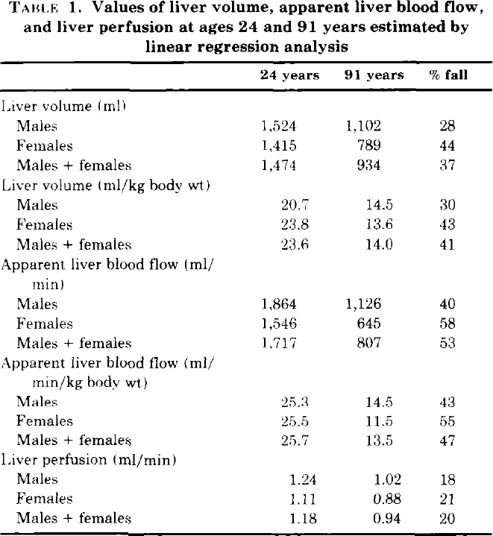
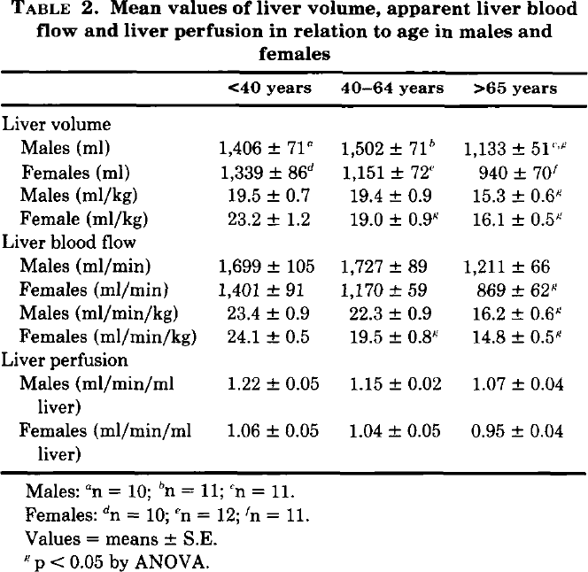

Figure 2A |  |  | Figure 2B |  |  | Figure 3A |  |  | Figure 3B |  |  | Figure 4
gender | age [years] | liver volume [ml] | gender | age [years] | liver volume per unit body weight [ml/kgbw] | gender | age [years] | liver blood flow [ml/min] | gender | age [years] | Relative liver blood flow [ml/min/kgbw] | gender | age [years] | liver perfusion [ml/min/ml]
gender | age | volume | gender | age | relvolume | gender | age | bloodflow | gender | age | relbloodflow | gender | age | perfusion
male | 23.5 | 1215.7258 | male | 23.2 | 17.506866 | male | 24.7 | 1524.0735 | male | 27.810894 | 32.066433 | male | 29.479393 | 1.5888
male | 26.7 | 1306.7046 | male | 25.7 | 16.673548 | male | 27.5 | 1771.0677 | male | 23.929745 | 21.95705 | male | 27.13666 | 1.38
male | 27.6 | 1513.6516 | male | 25.7 | 17.111502 | male | 29.2 | 2294.2175 | male | 26.863941 | 22.594429 | male | 24.013016 | 1.2624
male | 27.8 | 1783.8114 | male | 26.8 | 20.702192 | male | 29.7 | 2014.5659 | male | 27.812777 | 20.873377 | male | 27.91757 | 1.3104
male | 28.6 | 1208.3077 | male | 28.4 | 21.095572 | male | 29.7 | 1147.0903 | male | 28.912535 | 21.14638 | male | 29.284164 | 1.1616
male | 29.0 | 1281.9637 | male | 28.6 | 21.533438 | male | 30.2 | 1978.6554 | male | 30.01079 | 21.510014 | male | 30.260303 | 1.1328
male | 29.2 | 1734.5785 | male | 28.7 | 20.26329 | male | 30.8 | 1516.1759 | male | 29.044641 | 24.27332 | male | 29.088938 | 0.9624
male | 30.3 | 1137.9946 | male | 29.6 | 15.883333 | male | 33.9 | 1540.8916 | male | 36.95862 | 24.281288 | male | 28.89371 | 1.0152
male | 33.1 | 1576.3809 | male | 32.7 | 20.655546 | male | 37.8 | 1604.9475 | male | 41.667038 | 28.908264 | male | 37.48373 | 1.1544
male | 36.8 | 1407.6709 | male | 36.4 | 20.87271 | male | 41.8 | 1901.9913 | male | 40.992577 | 25.191671 | male | 41.388287 | 1.0056
male | 40.6 | 1810.8868 | male | 40.7 | 23.542145 | male | 43.1 | 2016.5385 | male | 45.03406 | 25.648901 | male | 41.97397 | 1.2552
male | 42.0 | 1614.2864 | male | 41.7 | 22.928493 | male | 44.0 | 1880.2197 | male | 43.97194 | 23.110134 | male | 43.535793 | 1.2624
male | 43.2 | 1470.331 | male | 42.7 | 17.497366 | male | 46.4 | 1879.9327 | male | 50.823795 | 20.579338 | male | 45.097614 | 1.0176
male | 45.0 | 1778.9628 | male | 44.6 | 23.846811 | male | 52.0 | 1484.9612 | male | 55.388813 | 22.759104 | male | 50.95445 | 1.2024
male | 51.1 | 1245.1495 | male | 50.2 | 16.924398 | male | 53.9 | 1491.9093 | male | 59.178505 | 27.294521 | male | 52.51627 | 1.188
male | 53.2 | 1269.545 | male | 52.8 | 15.434065 | male | 56.0 | 1692.3943 | male | 52.88368 | 18.45156 | male | 55.63991 | 1.1832
male | 55.2 | 1441.3218 | male | 55.0 | 18.936647 | male | 60.4 | 2265.3948 | male | 62.465363 | 17.781467 | male | 59.544468 | 1.2
male | 59.4 | 1897.1412 | male | 58.8 | 22.307068 | male | 62.6 | 1465.7805 | male | 63.13907 | 21.543375 | male | 65.4013 | 1.2576
male | 62.3 | 1409.1904 | male | 61.9 | 16.480745 | male | 64.0 | 1297.1357 | male | 65.19218 | 19.823435 | male | 68.13449 | 1.2552
male | 63.0 | 1447.7314 | male | 62.8 | 15.254047 | male | 64.1 | 1522.9547 | male | 70.88933 | 20.327648 | male | 70.282 | 1.188
male | 63.5 | 1237.165 | male | 62.8 | 19.414595 | male | 66.5 | 1522.6676 | male | 63.03557 | 16.694458 | male | 62.277657 | 1.0536
male | 65.2 | 1138.782 | male | 64.9 | 14.33331 | male | 69.2 | 1267.842 | male | 64.50643 | 16.78657 | male | 64.229935 | 1.0368
male | 68.4 | 1015.7272 | male | 67.4 | 12.624086 | male | 70.8 | 1195.9548 | male | 71.01428 | 12.805314 | male | 71.45336 | 0.7608
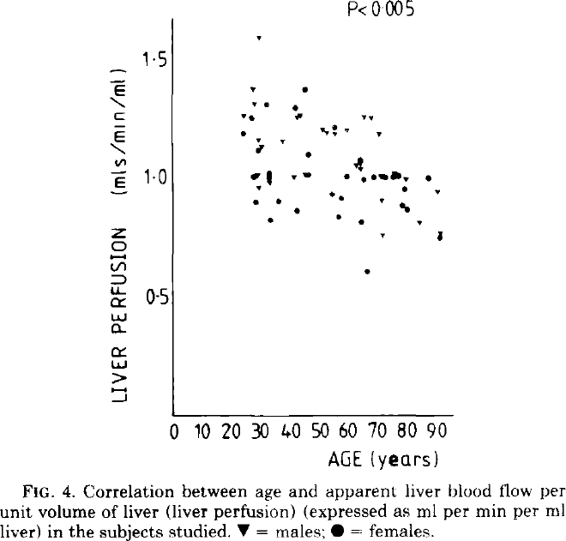
male | 70.2 | 1012.0803 | male | 70.0 | 13.498695 | male | 71.9 | 1321.2773 | male | 68.197136 | 16.20118 | male | 71.45336 | 0.9072
male | 70.9 | 1124.3049 | male | 70.6 | 19.45459 | male | 72.0 | 1005.8256 | male | 69.66875 | 16.247976 | male | 75.55315 | 1.0224
male | 70.9 | 1289.2162 | male | 70.9 | 12.9289255 | male | 72.5 | 1195.7561 | male | 71.350006 | 14.754241 | male | 79.4577 | 1.0008
male | 71.2 | 1517.2709 | male | 71.0 | 18.009174 | male | 75.8 | 1259.8783 | male | 75.34783 | 17.839756 | male | 71.062904 | 1.0104
male | 74.7 | 1222.2599 | male | 74.9 | 17.043777 | male | 84.9 | 972.02014 | male | 79.63283 | 14.717266 | male | 90.19523 | 0.9432
male | 78.9 | 1007.89465 | male | 78.9 | 14.808234 | male | 90.7 | 1021.5176 | male | 84.446625 | 13.000105 | male | 84.143166 | 0.8136
male | 83.9 | 1228.559 | male | 84.1 | 15.90061 | male | 91.9 | 777.622 | male | 91.65378 | 11.240038 | male | 91.36659 | 0.7704
male | 90.2 | 1098.238 | male | 89.6 | 13.839556 | female | 25.0 | 1255.1973 | male | 90.44939 | 17.265856 | female | 23.62256 | 1.1832
male | 90.9 | 982.3941 | male | 91.0 | 13.88266 | female | 27.2 | 1953.9176 | female | 28.076237 | 27.17257 | female | 26.941431 | 1.248
female | 24.0 | 1064.8082 | female | 23.6 | 20.353386 | female | 28.6 | 1670.5713 | female | 26.440899 | 25.902073 | female | 31.822126 | 1.3056
female | 27.2 | 1587.363 | female | 26.8 | 20.17665 | female | 29.1 | 1555.8033 | female | 28.833498 | 25.904482 | female | 27.331886 | 1.0032
female | 27.8 | 1924.1614 | female | 27.4 | 25.607 | female | 29.6 | 1294.074 | female | 23.889095 | 24.404076 | female | 28.89371 | 1.1136
female | 27.9 | 1475.0278 | female | 27.6 | 28.979147 | female | 32.8 | 1469.3354 | female | 28.898233 | 22.00737 | female | 28.112799 | 0.9
female | 28.6 | 1173.2202 | female | 28.6 | 19.606447 | female | 33.8 | 1035.4873 | female | 31.320189 | 20.242485 | female | 32.993492 | 0.8232
female | 32.3 | 1120.299 | female | 31.2 | 19.648947 | female | 33.8 | 1150.189 | female | 34.952934 | 23.146368 | female | 32.603035 | 1.0224
female | 32.7 | 1257.1124 | female | 31.9 | 18.597515 | female | 33.9 | 1436.9431 | female | 33.104946 | 23.597668 | female | 32.993492 | 1.0056
female | 33.1 | 1453.5747 | female | 33.0 | 22.80134 | female | 37.1 | 1156.9603 | female | 33.281464 | 24.051004 | female | 36.117138 | 0.9
female | 33.2 | 1043.0375 | female | 33.4 | 29.282864 | female | 42.7 | 1227.9865 | female | 32.14783 | 25.817188 | female | 42.169197 | 0.864
female | 35.7 | 1316.5264 | female | 35.5 | 25.55923 | female | 42.7 | 1328.3505 | female | 42.073517 | 26.597555 | female | 46.073753 | 1.0968
female | 41.7 | 1031.8481 | female | 41.5 | 20.388456 | female | 46.2 | 1105.6964 | female | 41.601925 | 21.748266 | female | 41.583515 | 1.2936
female | 41.7 | 1396.7578 | female | 41.6 | 24.417618 | female | 47.2 | 1449.691 | female | 44.92002 | 21.434397 | female | 45.097614 | 1.3728
female | 45.0 | 768.42957 | female | 44.0 | 14.518684 | female | 47.4 | 1299.123 | female | 46.00322 | 22.704336 | female | 55.24946 | 1.2144
female | 46.1 | 1294.6588 | female | 44.7 | 14.69352 | female | 54.9 | 1212.1915 | female | 46.548584 | 23.112728 | female | 59.154015 | 1.0056
female | 46.2 | 1333.255 | female | 45.6 | 20.47406 | female | 56.2 | 1197.6992 | female | 57.443428 | 20.948532 | female | 57.396965 | 0.9168
female | 54.1 | 1325.616 | female | 53.4 | 20.601645 | female | 57.1 | 1004.0297 | female | 54.159206 | 19.223215 | female | 56.61605 | 0.8376
female | 55.1 | 999.2195 | female | 54.6 | 13.900368 | female | 58.3 | 1455.535 | female | 56.019238 | 18.046871 | female | 64.42516 | 0.8136
female | 56.0 | 1216.6927 | female | 55.6 | 20.95097 | female | 60.4 | 1032.3077 | female | 55.482155 | 17.14001 | female | 63.839478 | 1.0752
female | 57.2 | 1641.1683 | female | 56.5 | 22.439577 | female | 65.0 | 884.7941 | female | 59.18641 | 15.738945 | female | 65.20607 | 0.9912
female | 59.0 | 1044.5293 | female | 58.9 | 15.299743 | female | 65.1 | 838.1745 | female | 64.573425 | 12.753512 | female | 66.37744 | 0.6072
female | 64.2 | 1040.62 | female | 62.4 | 15.648376 | female | 65.9 | 992.21655 | female | 66.239624 | 12.166081 | female | 68.52495 | 1.0008
female | 64.3 | 816.0463 | female | 64.4 | 15.953994 | female | 67.0 | 873.798 | female | 65.25089 | 16.288843 | female | 72.429504 | 1.0032
female | 65.4 | 1005.4358 | female | 66.2 | 19.500544 | female | 69.1 | 1092.2052 | female | 64.50492 | 16.877201 | female | 75.16269 | 1.0032
female | 66.4 | 1443.9602 | female | 67.6 | 16.653162 | female | 73.5 | 1095.2596 | female | 63.949024 | 17.103222 | female | 76.91974 | 1.0128
female | 68.4 | 1047.3059 | female | 71.3 | 15.950624 | female | 75.7 | 1037.6438 | female | 68.17079 | 17.787212 | female | 79.262474 | 0.9528
female | 72.1 | 1032.9808 | female | 74.5 | 16.343227 | female | 77.2 | 894.0901 | female | 72.040276 | 17.519213 | female | 78.48156 | 0.8832
female | 75.0 | 1032.7598 | female | 75.9 | 15.29145 | female | 79.0 | 951.22015 | female | 74.99404 | 16.978395 | female | 79.84816 | 0.8664
female | 75.8 | 846.7271 | female | 77.5 | 17.699411 | female | 80.5 | 800.49756 | female | 76.2944 | 16.254648 | female | 87.07159 | 1.0008
female | 78.3 | 1078.1111 | female | 78.8 | 14.151392 | female | 80.9 | 571.02795 | female | 78.50898 | 15.894351 | female | 91.171364 | 0.7464
female | 79.2 | 832.4297 | female | 78.9 | 13.713353 | female | 86.7 | 735.2271 | female | 79.65014 | 13.675015
female | 80.2 | 653.40063 | female | 80.0 | 13.537654 | female | 91.6 | 505.2276 | female | 80.607254 | 11.455494
female | 87.1 | 705.4931 | female | 86.6 | 14.016205 |  |  |  | female | 87.55132 | 14.453344
female | 91.6 | 673.56903 | female | 90.8 | 16.817028 |  |  |  | female | 91.07755 | 12.68957

