Ducry1979
IRCP2001 – Reference tables

species | human
method
n
subjects

Table 1
study | Health status /diagnosis | Age [years] | Sex | Cardiac output [L/min] | Liver blood flow Estimation [L/min]
study | status | age | sex | CO | liverBloodflowEst
ircp2001 | healthy | 0 | M | 0.6 | 0.15
ircp2001 | healthy | 1 | M | 1.2 | 0.31
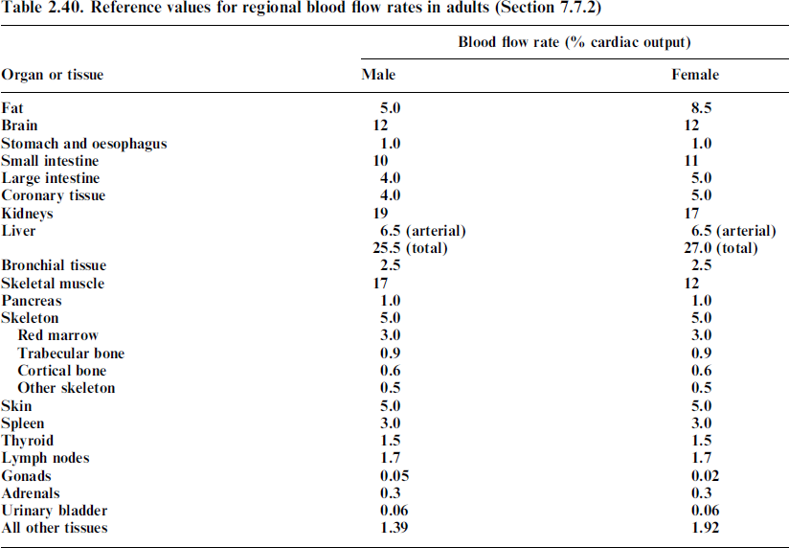
ircp2001 | healthy | 5 | M | 3.4 | 0.87
ircp2001 | healthy | 10 | M | 5.0 | 1.28
ircp2001 | healthy | 15 | M | 6.1 | 1.56
ircp2001 | healthy | 20 | M | 6.5 | 1.66
ircp2001 | healthy | 0 | F | 0.6 | 0.15
ircp2001 | healthy | 1 | F | 1.2 | 0.31
ircp2001 | healthy | 5 | F | 3.4 | 0.87
ircp2001 | healthy | 10 | F | 5.0 | 1.28
ircp2001 | healthy | 15 | F | 6.1 | 1.56
ircp2001 | healthy | 20 | F | 5.9 | 1.50

