Ducry1979
Kayser1987 – Height and weight in human beings

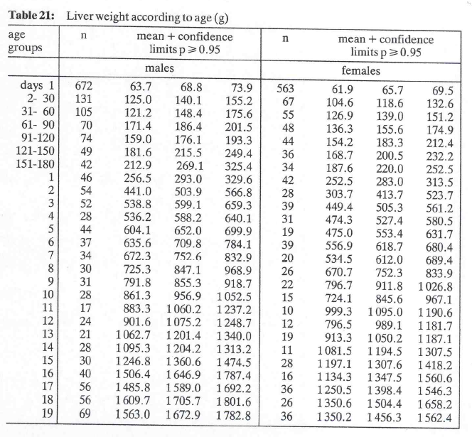
species | human
method | Autopsy report
n
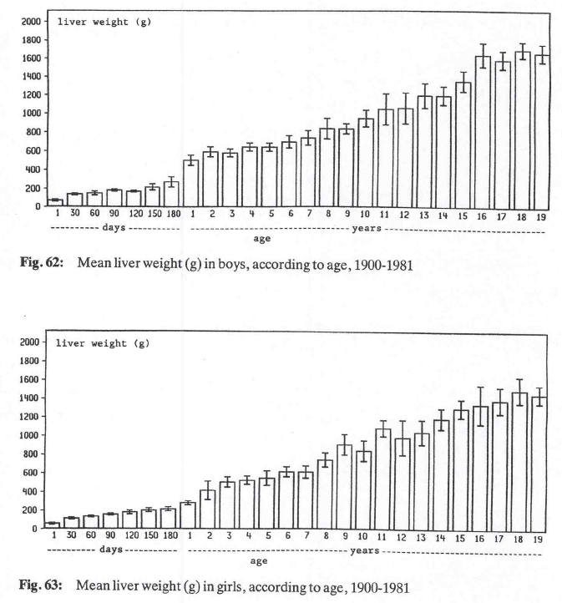
subjects

Table 21 – 22
study | Health status /diagnosis | Sex [M,F] | n | Age [years] | Minimum age in class [years] | Maximum age in class [years] | Liver weight [g] | Liver weight + confidence limits for mean [g] | Liver weight standard deviation [g]
study | status | sex | n | age | ageMin | ageMax | livWeight | livWeight95 | livWeightSd
kay1987 | healthy | M | 672 | 0.00 | 0.00 | 0.00 | 68.8 | 73.9 | 67.5
kay1987 | healthy | M | 131 | 0.04 | 0.01 | 0.08 | 140.1 | 155.2 | 88.2
kay1987 | healthy | M | 105 | 0.12 | 0.08 | 0.16 | 148.4 | 175.6 | 142.2
kay1987 | healthy | M | 70 | 0.21 | 0.17 | 0.25 | 186.4 | 201.5 | 64.5
kay1987 | healthy | M | 74 | 0.29 | 0.25 | 0.33 | 176.1 | 193.3 | 75.5
kay1987 | healthy | M | 49 | 0.37 | 0.33 | 0.41 | 215.5 | 249.4 | 121.1
kay1987 | healthy | M | 42 | 0.45 | 0.41 | 0.49 | 269.1 | 325.4 | 186.2
kay1987 | healthy | M | 46 | 1 | 1 | 1 | 293 | 329.6 | 126.6
kay1987 | healthy | M | 54 | 2 | 2 | 2 | 503.9 | 566.8 | 235.8
kay1987 | healthy | M | 52 | 3 | 3 | 3 | 599.1 | 659.3 | 221.5
kay1987 | healthy | M | 28 | 4 | 4 | 4 | 588.2 | 640.1 | 140.1
kay1987 | healthy | M | 44 | 5 | 5 | 5 | 652 | 699.9 | 162.1
kay1987 | healthy | M | 37 | 6 | 6 | 6 | 709.8 | 784.1 | 230.6
kay1987 | healthy | M | 34 | 7 | 7 | 7 | 752.6 | 832.9 | 238.9
kay1987 | healthy | M | 30 | 8 | 8 | 8 | 847.1 | 968.9 | 340.4
kay1987 | healthy | M | 31 | 9 | 9 | 9 | 855.3 | 918.7 | 180.1
kay1987 | healthy | M | 28 | 10 | 10 | 10 | 956.9 | 1052.5 | 258.1
kay1987 | healthy | M | 17 | 11 | 11 | 11 | 1060.2 | 1237.2 | 372.3
kay1987 | healthy | M | 24 | 12 | 12 | 12 | 1075.2 | 1248.7 | 433.7
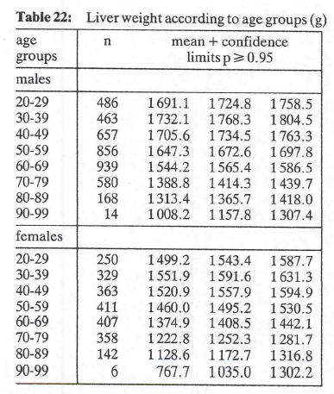
kay1987 | healthy | M | 21 | 13 | 13 | 13 | 1201.4 | 1340 | 324.1
kay1987 | healthy | M | 28 | 14 | 14 | 14 | 1204.2 | 1313.2 | 294.3
kay1987 | healthy | M | 30 | 15 | 15 | 15 | 1360.6 | 1474.5 | 318.3
kay1987 | healthy | M | 40 | 16 | 16 | 16 | 1646.9 | 1787.4 | 453.4
kay1987 | healthy | M | 56 | 17 | 17 | 17 | 1589 | 1692.2 | 394.0
kay1987 | healthy | M | 56 | 18 | 18 | 18 | 1705.7 | 1801.6 | 366.1
kay1987 | healthy | M | 69 | 19 | 19 | 19 | 1672.9 | 1782.8 | 465.8
kay1987 | healthy | M | 486 | 24.5 | 20 | 29 | 1724.8 | 1758.5 | 379.0
kay1987 | healthy | M | 463 | 34.5 | 30 | 39 | 1768.3 | 1804.5 | 397.4
kay1987 | healthy | M | 657 | 44.5 | 40 | 49 | 1734.5 | 1763.3 | 376.6
kay1987 | healthy | M | 856 | 54.5 | 50 | 59 | 1672.6 | 1697.8 | 376.2
kay1987 | healthy | M | 939 | 64.5 | 60 | 69 | 1565.4 | 1586.5 | 329.9
kay1987 | healthy | M | 580 | 74.5 | 70 | 79 | 1414.3 | 1439.7 | 312.1
kay1987 | healthy | M | 168 | 84.5 | 80 | 89 | 1365.7 | 1418 | 345.9
kay1987 | healthy | M | 14 | 94.5 | 90 | 99 | 1157.8 | 1307.4 | 285.6
kay1987 | healthy | F | 563 | 0.00 | 0.00 | 0.00 | 65.7 | 69.5 | 1.9
kay1987 | healthy | F | 67 | 0.04 | 0.01 | 0.08 | 118.6 | 132.6 | 7.1
kay1987 | healthy | F | 55 | 0.12 | 0.08 | 0.16 | 139 | 151.2 | 6.2
kay1987 | healthy | F | 48 | 0.21 | 0.17 | 0.25 | 155.6 | 174.9 | 9.8
kay1987 | healthy | F | 44 | 0.29 | 0.25 | 0.33 | 183.3 | 221.4 | 19.4
kay1987 | healthy | F | 36 | 0.37 | 0.33 | 0.41 | 200.5 | 232.2 | 16.2
kay1987 | healthy | F | 34 | 0.45 | 0.41 | 0.49 | 220 | 252.5 | 16.6
kay1987 | healthy | F | 42 | 1 | 1 | 1 | 283 | 313.5 | 15.6
kay1987 | healthy | F | 28 | 2 | 2 | 2 | 413.7 | 523.7 | 56.1
kay1987 | healthy | F | 39 | 3 | 3 | 3 | 505.3 | 561.2 | 28.5
kay1987 | healthy | F | 31 | 4 | 4 | 4 | 527.4 | 580.5 | 27.1
kay1987 | healthy | F | 19 | 5 | 5 | 5 | 553.4 | 631.7 | 39.9
kay1987 | healthy | F | 39 | 6 | 6 | 6 | 618.7 | 680.4 | 31.5
kay1987 | healthy | F | 20 | 7 | 7 | 7 | 612 | 689.4 | 39.5
kay1987 | healthy | F | 26 | 8 | 8 | 8 | 752.3 | 833.9 | 41.6
kay1987 | healthy | F | 22 | 9 | 9 | 9 | 911.8 | 1026.8 | 58.7
kay1987 | healthy | F | 15 | 10 | 10 | 10 | 845.6 | 967.1 | 62.0
kay1987 | healthy | F | 10 | 11 | 11 | 11 | 1095 | 1190.6 | 48.8
kay1987 | healthy | F | 12 | 12 | 12 | 12 | 989.1 | 1181.7 | 98.3
kay1987 | healthy | F | 19 | 13 | 13 | 13 | 1050.2 | 1187.1 | 69.8
kay1987 | healthy | F | 11 | 14 | 14 | 14 | 1194.5 | 1307.5 | 57.7
kay1987 | healthy | F | 28 | 15 | 15 | 15 | 1307.6 | 1418.2 | 56.4
kay1987 | healthy | F | 16 | 16 | 16 | 16 | 1347.5 | 1560.6 | 108.7
kay1987 | healthy | F | 36 | 17 | 17 | 17 | 1398.4 | 1546.3 | 75.5
kay1987 | healthy | F | 26 | 18 | 18 | 18 | 1504.4 | 1658.2 | 78.5
kay1987 | healthy | F | 36 | 19 | 19 | 19 | 1456.3 | 1562.4 | 54.1
kay1987 | healthy | F | 250 | 24.5 | 20 | 29 | 1543.3 | 1587.7 | 358.2
kay1987 | healthy | F | 329 | 34.5 | 30 | 39 | 1591.6 | 1631.3 | 367.4
kay1987 | healthy | F | 363 | 44.5 | 40 | 49 | 1557.9 | 1594.9 | 359.7
kay1987 | healthy | F | 411 | 54.5 | 50 | 59 | 1495.2 | 1530.5 | 365.1
kay1987 | healthy | F | 407 | 64.5 | 60 | 69 | 1408.5 | 1442.1 | 345.8
kay1987 | healthy | F | 358 | 74.5 | 70 | 79 | 1252.3 | 1281.7 | 283.8
kay1987 | healthy | F | 142 | 84.5 | 80 | 89 | 1172.7 | 1216.8 | 268.1
kay1987 | healthy | F | 6 | 94.5 | 90 | 99 | 1035 | 1302.2 | 333.9

