Cold-Start Emission
Example Case:
Q1/Postcode |  | SW7
Q5/Commuting hrs |  | 2
Table 1 Summary Panel
Average Speed |  | 15.431123217 | km/h
Vehicle |  | Car
Type |  | Petrol
Technology |  | Euro 5
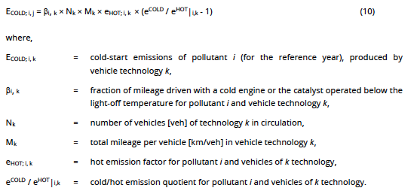
Emission Factor NOx |  | 0.043166913446
Emission Factor PM2.5 |  | 0.0019558691772

 |  |  |  | Link |  |  |  |  |  | Table 3-42 (D)
NOx |  | Table 3-41 | Table 3-35 | MET Office | Table 3-39 |  |  | Q5 | Table 1 | Table 3-40 (P) | Eq26
 |  | bci,k | Itrip [km] | ta [oC] | beta | Nk [veh] | Mk [km/veh] | hr | ehot | ecold/ehot | Ecold [g]
Diesel | Euro 6 | 0.18 | 10 | 9.6 | 0.336356 | 1 | 30.862246433 | 2 | 0.043166913446 | 1.1752 | 0.014131371618
 | Euro 5 | 0.18 | 10 | 9.6 | 0.336356 | 1 | 30.862246433 | 2 | 0.043166913446 | 1.1752 | 0.014131371618
 | Euro 4 | 0.18 | 10 | 9.6 | 0.336356 | 1 | 30.862246433 | 2 | 0.043166913446 | 1.1752 | 0.014131371618
 | Euro 3 | 0.32 | 10 | 9.6 | 0.336356 | 1 | 30.862246433 | 2 | 0.043166913446 | 1.1752 | 0.025122438431
Petrol | Euro 6 | 0.18 | 10 | 9.6 | 0.336356 | 1 | 30.862246433 | 2 | 0.043166913446 | 1.5408489759 | 0.043624074584
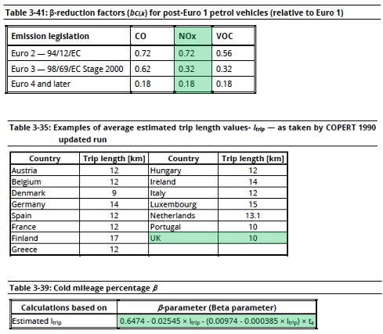
 | Euro 5 | 0.18 | 10 | 9.6 | 0.336356 | 1 | 30.862246433 | 2 | 0.043166913446 | 1.5408489759 | 0.043624074584
 | Euro 4 | 0.18 | 10 | 9.6 | 0.336356 | 1 | 30.862246433 | 2 | 0.043166913446 | 1.5408489759 | 0.043624074584
 | Euro 3 | 0.32 | 10 | 9.6 | 0.336356 | 1 | 30.862246433 | 2 | 0.043166913446 | 1.5408489759 | 0.077553910371
Hybrid petrol | Euro 6 |  |  |  |  |  | Ave speed [km/h] x time [h] = [km] |  |  |  | 0
 | Euro 5 |  |  |  |  |  |  |  |  |  | 0
 | Euro 4 |  |  |  |  |  |  |  |  |  | 0
Electric |  |  |  |  |  |  |  |  |  |  | 0

Petrol | ecold/ehot |  |  |  |  | ecold/ehot
 | A | B | C | V [km/h] | ta | AxV + B x ta + C
Small | 0.0461 | 0.00738 | 0.755 | 15.431123217 | 9.6 | 1.5372227803
 | 0.0513 | 0.0234 | 0.616 | 15.431123217 | 9.6 | 1.632256621
Medium | 0.0458 | 0.00747 | 0.764 | 15.431123217 | 9.6 | 1.5424574433
 | 0.0484 | 0.0228 | 0.685 | 15.431123217 | 9.6 | 1.6507463637
Large | 0.0343 | 0.00566 | 0.827 | 15.431123217 | 9.6 | 1.4106235263
 | 0.0375 | 0.0172 | 0.728 | 15.431123217 | 9.6 | 1.4717871206
 |  |  |  | *Based on answer to Q1 - Postcode

PM2.5
 |  | bci,k | Itrip [km] | ta [oC] | beta | Nk [veh] | Mk [km/veh] | hr | ehot | ecold/ehot | Ecold [g]
Diesel | Euro 6 | 0.18 | 10 | 9.6 | 0.336356 | 1 | 30.862246433 | 2 | 0.0019558691772 | 2.14 | 0.0041662360545
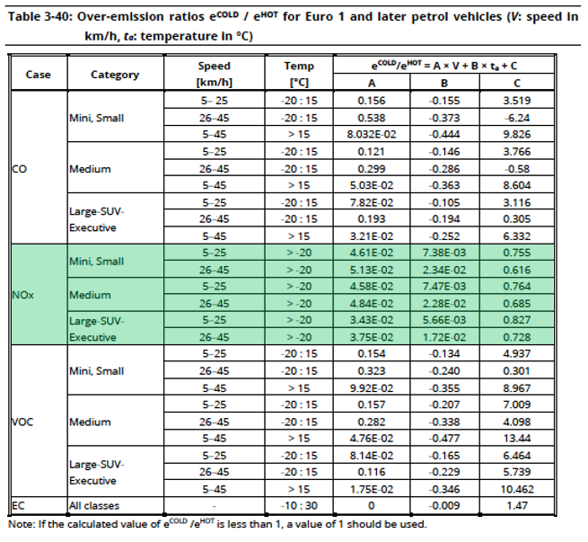
 | Euro 5 | 0.18 | 10 | 9.6 | 0.336356 | 1 | 30.862246433 | 2 | 0.0019558691772 | 2.14 | 0.0041662360545
 | Euro 4 | 0.18 | 10 | 9.6 | 0.336356 | 1 | 30.862246433 | 2 | 0.0019558691772 | 2.14 | 0.0041662360545
 | Euro 3 | 0.32 | 10 | 9.6 | 0.336356 | 1 | 30.862246433 | 2 | 0.0019558691772 | 2.14 | 0.0074066418748
Petrol | Euro 6 |  |  |  |  |  |  |  |  |  | 0
 | Euro 5 |  |  |  |  |  |  |  |  |  | 0
 | Euro 4 |  |  |  |  |  |  |  |  |  | 0
 | Euro 3 |  |  |  |  |  |  |  |  |  | 0
Hybrid petrol | Euro 6 |  |  |  |  |  |  |  |  |  | 0
 | Euro 5 |  |  |  |  |  |  |  |  |  | 0
 | Euro 4 |  |  |  |  |  |  |  |  |  | 0
Electric |  |  |  |  |  |  |  |  |  |  | 0

Outward Postcode Analysis
Table 2: | Damage costs for pollutants at different region in road transport sector |  |  |  |  |  |  | Uncertainty of Weighted Average Approach for Table 2, 3 and 4 |  | T2 DC NOx | T2 DC PM2.5 | T3 AS C&M | T4 AS Bus
Table 3: | Average speed of vehicles (car and motorbike) at different regions |  |  |  |  |  |  |  | Uncertainty Introduced | 527,941 | 527,941 | 540,645 | 115,503
Table 4: | Average speed of bus at different regions |  |  |  |  |  |  |  | No Changes | 1,243,967 | 1,243,967 | 1,231,263 | 1,656,405
Outward Postcode Analysis: Percentage of Postcodes with discrepancies
Outward Postcode Analysis: Ratio of Weighted Average Approach for Table 2, 3 and 4
Range of Uncertainty |  |  | Ratio | T2 DC NOx | T2 DC PM2.5 | T3 AS C&M | T4 AS Bus
-1 | - | -0.9 | 0 to 0.1 | 13516 | 13834 | 6567 | 1892
-0.9 | - | -0.8 | 0.1 to 0.2 | 9734 | 9951 | 6968 | 4696
-0.8 | - | -0.7 | 0.2 to 0.3 | 15271 | 13094 | 14921 | 2060
-0.7 | - | -0.6 | 0.3 to 0.4 | 19755 | 19675 | 14334 | 2242
-0.6 | - | -0.5 | 0.4 to 0.5 | 21800 | 20362 | 13560 | 1663
-0.5 | - | -0.4 | 0.5 to 0.6 | 24458 | 27451 | 23176 | 4075
-0.4 | - | -0.3 | 0.6 to 0.7 | 31335 | 34016 | 30723 | 6492
-0.3 | - | -0.2 | 0.7 to 0.8 | 56190 | 54509 | 39778 | 6710
-0.2 | - | -0.1 | 0.8 to 0.9 | 95424 | 94119 | 86242 | 16522
-0.1 | - | 0 | 0.9 to 1 | 0 | 0 | 1351 | 0
0 | - | 0.1 | 1 to 1.1 | 1243967 | 1243967 | 1231461 | 1656405
0.1 | - | 0.2 | 1.1 to 1.2 | 75001 | 77690 | 83500 | 17733
0.2 | - | 0.3 | 1.2 to 1.3 | 48294 | 47802 | 58977 | 11485
0.3 | - | 0.4 | 1.3 to 1.4 | 20322 | 23624 | 36870 | 9084
0.4 | - | 0.5 | 1.4 to 1.5 | 19896 | 17752 | 28956 | 7563
0.5 | - | 0.6 | 1.5 to 1.6 | 19786 | 19694 | 21519 | 8004
0.6 | - | 0.7 | 1.6 to 1.7 | 16353 | 17086 | 23325 | 4853
0.7 | - | 0.8 | 1.7 to 1.8 | 11350 | 12815 | 21014 | 2867
0.8 | - | 0.9 | 1.8 to 1.9 | 17059 | 16600 | 14866 | 3208
0.9 | - | 1 | 1.9 to 2 | 11623 | 7091 | 13789 | 4354
1 | - | 1.1 | 2 to 2.1 | 0 | 0 | 0 | 0
1.1 | - | 1.2 | 2.1 to 2.2 | 83 | 83 | 7 | 0
1.2 | - | 1.3 | 2.2 to 2.3 | 86 | 2 | 0 | 0
1.3 | - | 1.4 | 2.3 to 2.4 | 316 | 151 | 0 | 0
1.4 | - | 1.5 | 2.4 to 2.5 | 134 | 256 | 0 | 0
1.5 | - | 1.6 | 2.5 to 2.6 | 14 | 135 | 0 | 0
1.6 | - | 1.7 | 2.6 to 2.7 | 92 | 8 | 0 | 0
1.7 | - | 1.8 | 2.7 to 2.8 | 39 | 92 | 0 | 0
1.8 | - | 1.9 | 2.8 to 2.9 | 10 | 39 | 0 | 0
1.9 | - | 2 | 2.9 to 3 | 0 | 10 | 4 | 0
 |  |  | 1771908 | 1771908 | 1771908 | 1771908 | 1771908
 |  |  |  | 100.00% | 100.00% | 100.00% | 100.00%
 |  |  |  | 0.7020494292 | 0.7020494292 | 0.69575395562 | 0.93481433573

 |  |  | Ratio | NOx Damage Costs | PM Damage Costs | Car & Motorbike Average Speed | Bus Average Speed
 |  |  | < 0.1 | 13,516 | 13,834 | 6,567 | 1,892
 |  |  | 0.1 to 0.3 | 25,005 | 23,045 | 21,889 | 6,756
 |  |  | 0.3 to 0.5 | 41,555 | 40,037 | 27,894 | 3,905
 |  |  | 0.5 to 0.7 | 55,793 | 61,467 | 53,899 | 10,567
 |  |  | 0.7 to 0.9 | 151,614 | 148,628 | 126,020 | 23,232
 |  |  | 0..9 to 1.1 | 1,243,967 | 1,243,967 | 1,232,812 | 1,656,405
 |  |  | 1.1 to 1.3 | 123,295 | 125,492 | 142,477 | 29,218
 |  |  | 1.3 to 1.5 | 40,218 | 41,376 | 65,826 | 16,647
 |  |  | 1.5 to 1.7 | 36,139 | 36,780 | 44,844 | 12,857
 |  |  | 1.7 to 1.9 | 28,409 | 29,415 | 35,880 | 6,075
 |  |  | 1.9 to 2.1 | 11,623 | 7,091 | 13,789 | 4,354
 |  |  | 2.1 to 2.3 | 169 | 85 | 7 | 0
 |  |  | 2.3 to 2.5 | 450 | 407 | 0 | 0
 |  |  | 2.5 to 2.7 | 106 | 143 | 0 | 0
 |  |  | 2.7 to 2.9 | 49 | 131 | 0 | 0
 |  |  | > 2.9 | 0 | 10 | 4 | 0
 |  |  |  | 1771908 | 1771908 | 1771908 | 1771908
 |  |  |  | 527941 | 527941 | 540645 | 115503
 |  |  |  | 0.2979505708 | 0.2979505708 | 0.30512024326 | 0.065185664267

