Hypothesis1
booking_id | booking_date | check_in_date | channel_id | rate_code_id | gross_room_revenue | commission_amount | net_room_revenue | status | channel_type
RES-10001 | 2023-11-15 | 2024-01-01 | CH_03 | RT_RACK | 154.15 | 27.75 | 126.4 | Checked-Out | OTA
RES-10004 | 2023-12-18 | 2024-01-01 | CH_01 | RT_AAA | 132.78 | 0 | 132.78 | Checked-Out | Direct
RES-10005 | 2023-11-17 | 2024-01-01 | CH_01 | RT_AAA | 132.78 | 0 | 132.78 | Checked-Out | Direct | status | Checked-Out
RES-10002 | 2023-12-26 | 2024-01-01 | CH_02 | RT_PROMO | 110.02 | 0 | 110.02 | Checked-Out | OTA
RES-10006 | 2023-12-04 | 2024-01-01 | CH_02 | RT_RACK | 138.84 | 20.83 | 118.01 | Checked-Out | OTA | Row Labels | Average of net_room_revenue | Count of booking_id
RES-10003 | 2023-11-25 | 2024-01-01 | CH_05 | RT_CORP | 112.03 | 13.44 | 98.59 | Checked-Out | Wholesale | Direct | 146.24454983 | 6031
RES-10007 | 2023-11-14 | 2024-01-01 | CH_04 | RT_RACK | 168.2 | 5 | 163.2 | Confirmed | Direct | OTA | 119.49034718 | 13048
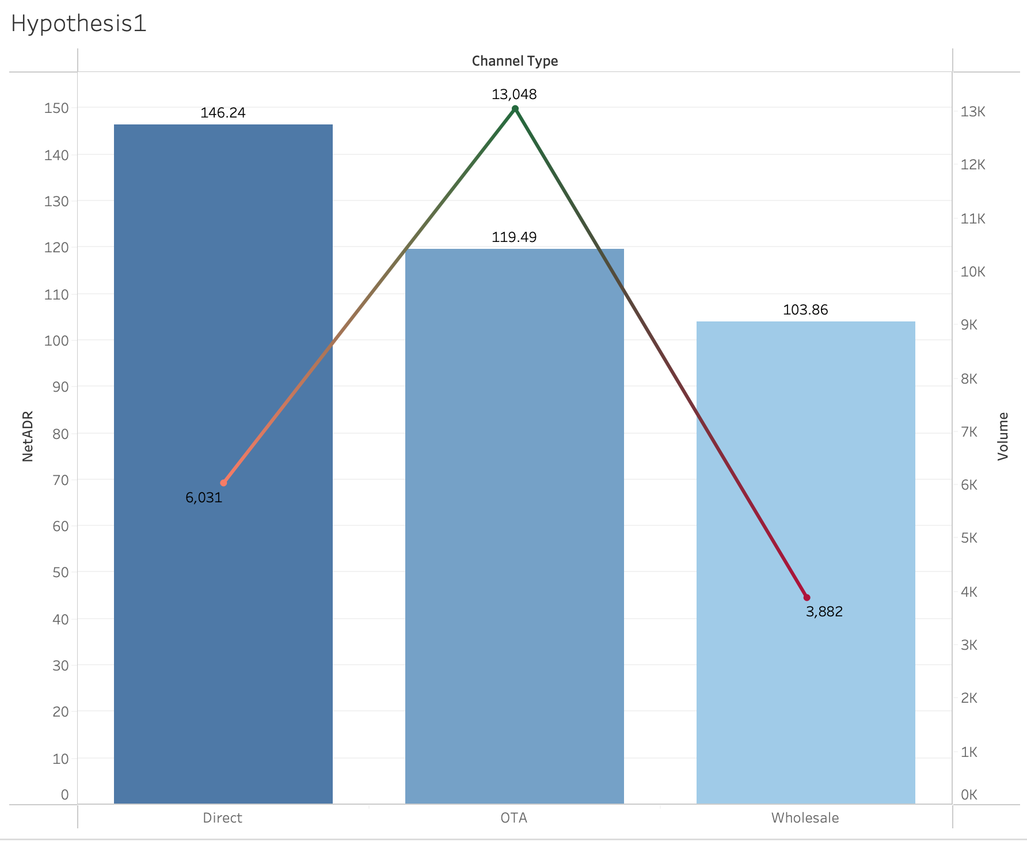
RES-10008 | 2023-12-15 | 2024-01-01 | CH_03 | RT_NRF | 135.29 | 24.35 | 110.94 | Checked-Out | OTA | Wholesale | 103.86336167 | 3882
RES-10009 | 2023-12-26 | 2024-01-01 | CH_06 | RT_NRF | 121.19 | 12.12 | 109.07 | Checked-Out | Wholesale | Grand Total | 123.87563695 | 22961
RES-10010 | 2023-11-24 | 2024-01-01 | CH_01 | RT_NRF | 133.03 | 0 | 133.03 | Checked-Out | Direct
RES-10011 | 2023-11-28 | 2024-01-01 | CH_01 | RT_PROMO | 118.94 | 0 | 118.94 | Checked-Out | Direct
RES-10012 | 2023-11-27 | 2024-01-01 | CH_05 | RT_CORP | 115.64 | 13.88 | 101.76 | Checked-Out | Wholesale
RES-10013 | 2023-11-26 | 2024-01-01 | CH_03 | RT_NRF | 128.03 | 23.05 | 104.98 | Checked-Out | OTA
RES-10014 | 2023-11-13 | 2024-01-01 | CH_01 | RT_AAA | 133.29 | 0 | 133.29 | Checked-Out | Direct
RES-10015 | 2023-11-07 | 2024-01-01 | CH_01 | RT_AAA | 133.32 | 0 | 133.32 | Checked-Out | Direct
RES-10016 | 2023-11-09 | 2024-01-01 | CH_02 | RT_PROMO | 103.64 | 0 | 103.64 | Checked-Out | OTA
RES-10017 | 2023-11-20 | 2024-01-01 | CH_02 | RT_RACK | 148.51 | 22.28 | 126.23 | Checked-Out | OTA
RES-10018 | 2023-11-24 | 2024-01-01 | CH_06 | RT_CORP | 107.76 | 10.78 | 96.98 | Checked-Out | Wholesale
RES-10019 | 2023-12-22 | 2024-01-01 | CH_02 | RT_RACK | 143.67 | 21.55 | 122.12 | Checked-Out | OTA
RES-10020 | 2023-11-18 | 2024-01-01 | CH_02 | RT_PROMO | 108.23 | 0 | 108.23 | Checked-Out | OTA
RES-10021 | 2023-12-18 | 2024-01-01 | CH_03 | RT_RACK | 137.68 | 24.78 | 112.9 | Confirmed | OTA
RES-10022 | 2023-12-15 | 2024-01-01 | CH_04 | RT_AAA | 139.81 | 5 | 134.81 | Checked-Out | Direct
RES-10023 | 2023-12-19 | 2024-01-01 | CH_05 | RT_CORP | 108.43 | 13.01 | 95.42 | Checked-Out | Wholesale
RES-10024 | 2023-12-03 | 2024-01-01 | CH_02 | RT_PROMO | 105.9 | 0 | 105.9 | Checked-Out | OTA
RES-10025 | 2023-11-15 | 2024-01-01 | CH_01 | RT_NRF | 148.29 | 0 | 148.29 | Checked-Out | Direct
RES-10026 | 2023-12-09 | 2024-01-01 | CH_05 | RT_CORP | 105.85 | 12.7 | 93.15 | Checked-Out | Wholesale
RES-10027 | 2023-12-27 | 2024-01-01 | CH_06 | RT_NRF | 117.99 | 11.8 | 106.19 | Checked-Out | Wholesale
RES-10028 | 2023-11-22 | 2024-01-01 | CH_05 | RT_CORP | 111.93 | 13.43 | 98.5 | Checked-Out | Wholesale
RES-10029 | 2023-12-28 | 2024-01-01 | CH_03 | RT_PROMO | 97.77 | 0 | 97.77 | Checked-Out | OTA
RES-10030 | 2023-11-29 | 2024-01-01 | CH_03 | RT_NRF | 135.41 | 24.37 | 111.04 | Checked-Out | OTA
RES-10031 | 2023-11-19 | 2024-01-01 | CH_03 | RT_RACK | 138.31 | 24.9 | 113.41 | Checked-Out | OTA
RES-10032 | 2023-11-14 | 2024-01-01 | CH_03 | RT_PROMO | 98.04 | 0 | 98.04 | Checked-Out | OTA
RES-10033 | 2023-12-14 | 2024-01-01 | CH_03 | RT_RACK | 154.11 | 27.74 | 126.37 | Checked-Out | OTA
RES-10034 | 2023-11-06 | 2024-01-01 | CH_02 | RT_PROMO | 113.51 | 0 | 113.51 | Checked-Out | OTA
RES-10035 | 2023-11-30 | 2024-01-01 | CH_06 | RT_CORP | 113.5 | 11.35 | 102.15 | Confirmed | Wholesale
RES-10036 | 2023-11-09 | 2024-01-01 | CH_05 | RT_CORP | 107.48 | 12.9 | 94.58 | Checked-Out | Wholesale
RES-10037 | 2023-12-09 | 2024-01-01 | CH_03 | RT_RACK | 136.83 | 24.63 | 112.2 | Checked-Out | OTA
RES-10038 | 2023-11-04 | 2024-01-01 | CH_02 | RT_PROMO | 109.31 | 0 | 109.31 | Checked-Out | OTA
RES-10039 | 2023-12-25 | 2024-01-01 | CH_02 | RT_RACK | 146.76 | 22.01 | 124.75 | Cancelled | OTA
RES-10040 | 2023-12-17 | 2024-01-01 | CH_05 | RT_CORP | 104.65 | 12.56 | 92.09 | Checked-Out | Wholesale
RES-10041 | 2023-12-27 | 2024-01-01 | CH_05 | RT_CORP | 110.43 | 13.25 | 97.18 | Checked-Out | Wholesale
RES-10042 | 2023-12-24 | 2024-01-01 | CH_04 | RT_RACK | 149.57 | 5 | 144.57 | Checked-Out | Direct
RES-10043 | 2023-12-16 | 2024-01-01 | CH_06 | RT_CORP | 115.03 | 11.5 | 103.53 | Checked-Out | Wholesale
RES-10044 | 2023-11-03 | 2024-01-01 | CH_03 | RT_RACK | 140.1 | 25.22 | 114.88 | Checked-Out | OTA
RES-10045 | 2023-11-17 | 2024-01-01 | CH_03 | RT_RACK | 148.3 | 26.69 | 121.61 | Checked-Out | OTA
RES-10046 | 2023-12-04 | 2024-01-01 | CH_06 | RT_NRF | 114.66 | 11.47 | 103.19 | Confirmed | Wholesale
RES-10047 | 2023-12-18 | 2024-01-01 | CH_02 | RT_RACK | 148.42 | 22.26 | 126.16 | Checked-Out | OTA
RES-10048 | 2023-11-25 | 2024-01-01 | CH_01 | RT_AAA | 140.41 | 0 | 140.41 | Checked-Out | Direct
RES-10049 | 2023-12-18 | 2024-01-01 | CH_01 | RT_RACK | 148.16 | 0 | 148.16 | Checked-Out | Direct
RES-10050 | 2023-12-28 | 2024-01-01 | CH_01 | RT_NRF | 151.97 | 0 | 151.97 | Checked-Out | Direct
RES-10051 | 2023-12-19 | 2024-01-01 | CH_02 | RT_NRF | 141.4 | 21.21 | 120.19 | Checked-Out | OTA
RES-10052 | 2023-11-26 | 2024-01-01 | CH_03 | RT_PROMO | 110.82 | 0 | 110.82 | Checked-Out | OTA
RES-10053 | 2023-12-20 | 2024-01-01 | CH_04 | RT_AAA | 151.96 | 5 | 146.96 | Checked-Out | Direct
RES-10054 | 2023-12-05 | 2024-01-01 | CH_03 | RT_NRF | 135.23 | 24.34 | 110.89 | Checked-Out | OTA
RES-10055 | 2023-11-19 | 2024-01-01 | CH_05 | RT_CORP | 117.03 | 14.04 | 102.99 | Checked-Out | Wholesale
RES-10056 | 2023-12-07 | 2024-01-01 | CH_03 | RT_RACK | 136.65 | 24.6 | 112.05 | Checked-Out | OTA
RES-10057 | 2023-12-17 | 2024-01-01 | CH_04 | RT_RACK | 153.19 | 5 | 148.19 | Checked-Out | Direct
RES-10058 | 2023-12-05 | 2024-01-01 | CH_02 | RT_RACK | 138.58 | 20.79 | 117.79 | Checked-Out | OTA
RES-10059 | 2023-12-04 | 2024-01-01 | CH_02 | RT_RACK | 144.38 | 21.66 | 122.72 | Confirmed | OTA
RES-10060 | 2023-12-29 | 2024-01-01 | CH_05 | RT_CORP | 108.78 | 13.05 | 95.73 | Checked-Out | Wholesale
RES-10061 | 2023-12-27 | 2024-01-01 | CH_02 | RT_RACK | 143.26 | 21.49 | 121.77 | Cancelled | OTA
RES-10062 | 2023-12-06 | 2024-01-01 | CH_05 | RT_CORP | 115.59 | 13.87 | 101.72 | Checked-Out | Wholesale
RES-10063 | 2023-11-05 | 2024-01-01 | CH_02 | RT_NRF | 133.43 | 20.01 | 113.42 | Checked-Out | OTA
RES-10064 | 2023-12-16 | 2024-01-01 | CH_02 | RT_NRF | 131.98 | 19.8 | 112.18 | Cancelled | OTA
RES-10065 | 2023-12-05 | 2024-01-01 | CH_04 | RT_AAA | 144.86 | 5 | 139.86 | Checked-Out | Direct
RES-10066 | 2023-11-21 | 2024-01-02 | CH_03 | RT_PROMO | 108.82 | 0 | 108.82 | Checked-Out | OTA
RES-10067 | 2023-12-20 | 2024-01-02 | CH_01 | RT_NRF | 134.11 | 0 | 134.11 | Cancelled | Direct
RES-10068 | 2023-12-30 | 2024-01-02 | CH_03 | RT_PROMO | 111.52 | 0 | 111.52 | Checked-Out | OTA
RES-10069 | 2023-12-01 | 2024-01-02 | CH_01 | RT_PROMO | 115.85 | 0 | 115.85 | Confirmed | Direct
RES-10070 | 2023-12-01 | 2024-01-02 | CH_02 | RT_RACK | 141.76 | 21.26 | 120.5 | Checked-Out | OTA
RES-10071 | 2023-11-20 | 2024-01-02 | CH_01 | RT_RACK | 144.27 | 0 | 144.27 | Confirmed | Direct
RES-10072 | 2023-12-18 | 2024-01-02 | CH_02 | RT_PROMO | 111.27 | 0 | 111.27 | Checked-Out | OTA
RES-10073 | 2023-12-07 | 2024-01-02 | CH_01 | RT_RACK | 159.49 | 0 | 159.49 | Checked-Out | Direct
RES-10074 | 2023-11-04 | 2024-01-02 | CH_03 | RT_NRF | 137.68 | 24.78 | 112.9 | Checked-Out | OTA
RES-10075 | 2023-12-18 | 2024-01-02 | CH_03 | RT_NRF | 138.47 | 24.92 | 113.55 | Checked-Out | OTA
RES-10076 | 2023-12-04 | 2024-01-02 | CH_01 | RT_NRF | 134.1 | 0 | 134.1 | Checked-Out | Direct
RES-10077 | 2024-01-02 | 2024-01-02 | CH_03 | RT_RACK | 142.13 | 25.58 | 116.55 | Checked-Out | OTA
RES-10078 | 2023-12-29 | 2024-01-02 | CH_06 | RT_CORP | 102.95 | 10.3 | 92.65 | Checked-Out | Wholesale
RES-10079 | 2023-11-04 | 2024-01-02 | CH_02 | RT_RACK | 155.52 | 23.33 | 132.19 | Checked-Out | OTA
RES-10080 | 2023-12-10 | 2024-01-02 | CH_01 | RT_AAA | 141.91 | 0 | 141.91 | Checked-Out | Direct
RES-10081 | 2023-11-18 | 2024-01-02 | CH_02 | RT_PROMO | 104.04 | 0 | 104.04 | Checked-Out | OTA
RES-10082 | 2023-11-21 | 2024-01-02 | CH_06 | RT_CORP | 102.15 | 10.22 | 91.93 | Confirmed | Wholesale
RES-10083 | 2023-12-27 | 2024-01-02 | CH_02 | RT_PROMO | 103.74 | 0 | 103.74 | Cancelled | OTA
RES-10084 | 2023-11-07 | 2024-01-02 | CH_01 | RT_RACK | 151.21 | 0 | 151.21 | Checked-Out | Direct
RES-10085 | 2023-12-15 | 2024-01-02 | CH_03 | RT_NRF | 137.69 | 24.78 | 112.91 | Checked-Out | OTA
RES-10086 | 2023-11-20 | 2024-01-02 | CH_03 | RT_RACK | 147.79 | 26.6 | 121.19 | Checked-Out | OTA
RES-10087 | 2023-12-17 | 2024-01-02 | CH_02 | RT_NRF | 143.54 | 21.53 | 122.01 | Confirmed | OTA
RES-10088 | 2023-11-23 | 2024-01-02 | CH_05 | RT_CORP | 110.07 | 13.21 | 96.86 | Checked-Out | Wholesale
RES-10089 | 2023-12-12 | 2024-01-02 | CH_02 | RT_RACK | 140.12 | 21.02 | 119.1 | Checked-Out | OTA
RES-10090 | 2023-12-23 | 2024-01-02 | CH_03 | RT_NRF | 137.38 | 24.73 | 112.65 | Checked-Out | OTA
RES-10091 | 2023-11-28 | 2024-01-02 | CH_03 | RT_NRF | 138.27 | 24.89 | 113.38 | Checked-Out | OTA
RES-10092 | 2023-11-29 | 2024-01-02 | CH_01 | RT_AAA | 140.7 | 0 | 140.7 | Checked-Out | Direct
RES-10093 | 2023-12-24 | 2024-01-02 | CH_02 | RT_PROMO | 110.6 | 0 | 110.6 | Checked-Out | OTA
RES-10094 | 2023-11-06 | 2024-01-02 | CH_01 | RT_NRF | 142.48 | 0 | 142.48 | Cancelled | Direct
RES-10095 | 2023-11-06 | 2024-01-02 | CH_06 | RT_CORP | 109.15 | 10.92 | 98.23 | Checked-Out | Wholesale
RES-10096 | 2023-12-27 | 2024-01-02 | CH_03 | RT_PROMO | 103.34 | 0 | 103.34 | Checked-Out | OTA
RES-10097 | 2023-11-24 | 2024-01-02 | CH_03 | RT_NRF | 124.54 | 22.42 | 102.12 | Checked-Out | OTA
RES-10098 | 2023-11-08 | 2024-01-02 | CH_05 | RT_CORP | 104.43 | 12.53 | 91.9 | Checked-Out | Wholesale
RES-10099 | 2023-11-07 | 2024-01-02 | CH_04 | RT_RACK | 149.5 | 5 | 144.5 | Checked-Out | Direct
RES-10100 | 2023-11-13 | 2024-01-02 | CH_01 | RT_NRF | 145.32 | 0 | 145.32 | Cancelled | Direct
RES-10101 | 2023-12-16 | 2024-01-02 | CH_04 | RT_RACK | 155.84 | 5 | 150.84 | Checked-Out | Direct
RES-10102 | 2023-11-08 | 2024-01-02 | CH_03 | RT_NRF | 133.56 | 24.04 | 109.52 | Checked-Out | OTA
RES-10103 | 2023-11-11 | 2024-01-02 | CH_02 | RT_RACK | 156.44 | 23.47 | 132.97 | Confirmed | OTA
RES-10104 | 2023-12-19 | 2024-01-02 | CH_02 | RT_RACK | 142.81 | 21.42 | 121.39 | Checked-Out | OTA
RES-10105 | 2023-12-16 | 2024-01-02 | CH_01 | RT_NRF | 140.81 | 0 | 140.81 | Confirmed | Direct
RES-10106 | 2023-12-11 | 2024-01-02 | CH_06 | RT_NRF | 121.97 | 12.2 | 109.77 | Checked-Out | Wholesale
RES-10107 | 2023-12-12 | 2024-01-02 | CH_02 | RT_PROMO | 102.51 | 0 | 102.51 | Cancelled | OTA
RES-10108 | 2023-12-22 | 2024-01-02 | CH_01 | RT_NRF | 134.15 | 0 | 134.15 | Checked-Out | Direct
RES-10109 | 2023-12-27 | 2024-01-02 | CH_06 | RT_CORP | 105.6 | 10.56 | 95.04 | Checked-Out | Wholesale
RES-10110 | 2023-12-06 | 2024-01-02 | CH_02 | RT_NRF | 129.7 | 19.45 | 110.25 | Checked-Out | OTA
RES-10111 | 2023-11-06 | 2024-01-02 | CH_02 | RT_NRF | 144.35 | 21.65 | 122.7 | Checked-Out | OTA
RES-10112 | 2023-12-06 | 2024-01-02 | CH_02 | RT_PROMO | 111.16 | 0 | 111.16 | Checked-Out | OTA
RES-10113 | 2023-12-10 | 2024-01-02 | CH_05 | RT_CORP | 112.56 | 13.51 | 99.05 | Checked-Out | Wholesale
RES-10114 | 2023-11-24 | 2024-01-02 | CH_06 | RT_NRF | 123.88 | 12.39 | 111.49 | Checked-Out | Wholesale
RES-10115 | 2023-12-01 | 2024-01-02 | CH_05 | RT_CORP | 115.2 | 13.82 | 101.38 | Checked-Out | Wholesale
RES-10116 | 2023-11-19 | 2024-01-02 | CH_02 | RT_NRF | 130.19 | 19.53 | 110.66 | Checked-Out | OTA
RES-10117 | 2023-11-21 | 2024-01-02 | CH_01 | RT_PROMO | 117.73 | 0 | 117.73 | Cancelled | Direct
RES-10118 | 2023-11-24 | 2024-01-02 | CH_03 | RT_RACK | 145.8 | 26.24 | 119.56 | Checked-Out | OTA
RES-10119 | 2023-12-14 | 2024-01-02 | CH_02 | RT_RACK | 154.37 | 23.16 | 131.21 | Checked-Out | OTA
RES-10120 | 2023-11-25 | 2024-01-02 | CH_02 | RT_PROMO | 112.47 | 0 | 112.47 | Checked-Out | OTA
RES-10121 | 2023-11-20 | 2024-01-02 | CH_02 | RT_NRF | 132.69 | 19.9 | 112.79 | Checked-Out | OTA
RES-10122 | 2023-12-23 | 2024-01-02 | CH_02 | RT_PROMO | 100.74 | 0 | 100.74 | Checked-Out | OTA
RES-10123 | 2023-11-23 | 2024-01-02 | CH_02 | RT_PROMO | 102.5 | 0 | 102.5 | Checked-Out | OTA
RES-10124 | 2023-11-20 | 2024-01-02 | CH_01 | RT_AAA | 138.08 | 0 | 138.08 | Checked-Out | Direct
RES-10125 | 2024-01-01 | 2024-01-02 | CH_04 | RT_RACK | 167.12 | 5 | 162.12 | Checked-Out | Direct
RES-10126 | 2023-12-04 | 2024-01-02 | CH_06 | RT_CORP | 114.29 | 11.43 | 102.86 | Checked-Out | Wholesale
RES-10127 | 2023-11-18 | 2024-01-02 | CH_03 | RT_RACK | 134.99 | 24.3 | 110.69 | Checked-Out | OTA
RES-10128 | 2023-12-25 | 2024-01-03 | CH_02 | RT_RACK | 146.29 | 21.94 | 124.35 | Checked-Out | OTA
RES-10129 | 2023-11-15 | 2024-01-03 | CH_01 | RT_RACK | 148.97 | 0 | 148.97 | Checked-Out | Direct
RES-10130 | 2023-12-31 | 2024-01-03 | CH_01 | RT_PROMO | 105.66 | 0 | 105.66 | Checked-Out | Direct
RES-10131 | 2023-12-05 | 2024-01-03 | CH_05 | RT_CORP | 107.99 | 12.96 | 95.03 | Checked-Out | Wholesale
RES-10132 | 2023-11-29 | 2024-01-03 | CH_02 | RT_PROMO | 113.17 | 0 | 113.17 | Checked-Out | OTA
RES-10133 | 2023-11-25 | 2024-01-03 | CH_06 | RT_NRF | 114.85 | 11.48 | 103.37 | Confirmed | Wholesale
...

