Sheet1
PUNT | AST | STL | TD |  |  |  | ROS
 |  |  |  |  |  |  |  |  |  |  |  |  | Top 9
18-19 | Rank | Delta |  | 17-18 | Rank |  | POS |  |  |  |  | Total
KAT | 3 | -1 |  | KAT | 2 |  | PG |  |  |  |  | 0.5
TOBY | 14 | 24 |  | TOBY | 38 |  |  | BROGDON
ENES | 18 | -1 |  | ENES | 17 |  | SG | JJ |  |  |  | 2.5
IBAKA | 23 | 9 |  | IBAKA | 32 |  |  | 2BAG | REGGIE
BAPTIST | 26 | 21 |  | BAPTIST | 47 |  | SF |  |  |  |  | 1.5
NURKIC | 34 | 14 |  | NURKIC | 48 |  |  | TJ
TJ | 33 | 21 |  | TJ | 54 |  | PF | TOBY | BAPTIST | PORTIS | DARIO | 5
BROGDON | 68 | 54 |  | BROGDON | 122 |  |  | IBAKA
JJ | 67 | -8 |  | JJ | 59 |  | C | KAT | ENES | NURKIC |  | 3.5
DARIO | 92 | -34 |  | DARIO | 58
Total Delta |  | 99

2BAG | 112 |  |  | 2BAG | N/A
PORTIS | 114 |  |  | PORTIS | 77
 |  |  |  |  |  |  |  |  | SECURED
 |  |  |  |  |  |  |  |  | IDEAL
 |  |  |  |  |  |  |  |  | WIN | TIE | LOSE |  |  |  | ]\
 |  |  |  |  |  |  |  |  | FG |  | AST
 |  |  |  | vs SQUANCH | Week 9 |  |  |  | 3PM |  | FT
ADD? | Rank |  |  | 6 to 5 | WIN | TIE | LOSE |  | REB |  | TD
 |  |  |  |  | FT |  | FG |  | STL
MKG | 78 |  |  |  | 3PM |  | AST |  | BLK
ISAAC | 112 |  |  |  | REB |  | STL |  | TO
ROSS | 87 | Thursday |  |  | BLK |  | DD |  | DD
BULLOCK | 44 | Last 2 weeks |  |  | TO |  | TD |  | PTS
 |  |  |  |  | PTS |  |  |  |  |  |  |  | SQUANCH
 |  |  |  |  |  |  |  |  | PUSH
 |  |  |  |  |  |  |  |  | Currently
 |  |  |  |  | Week 8 |  |  |  | WIN | TIE | LOSE
TRADE FOR |  |  |  | 7 to 1 | WIN | TIE | LOSE |  | FG |  | AST
Will Barton | 22 |  |  |  | FT | TD | FG |  | 3PM |  | FT
 |  |  |  |  | REB |  | 3PM |  | REB |  | TD
LOVEMAKERS |  |  |  |  | STL |  | AST |  | STL
JAVALE | 26 |  |  |  | BLK |  |  |  | BLK
DANILO | 24 |  |  |  | TO |  |  |  | TO
BOJAN | 83 |  |  |  | DD |  |  |  | DD
TURNER | 31 |  |  |  | PTS |  |  |  | PTS

UJIRI |  |  |  |  | Week7
BUDRICK | 46 |  |  | 8 to 2 | WIN | TIE | LOSE
 |  |  |  |  | FG | TD | AST
BEIJING |  |  |  |  | FT |  | STL
DANNY G | 75 |  |  |  | 3PM
 |  |  |  |  | REB
 |  |  |  |  | BLK |  |  |  |  |  |  |  | RONDOS | SQUANCH
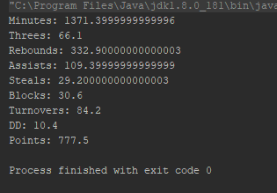
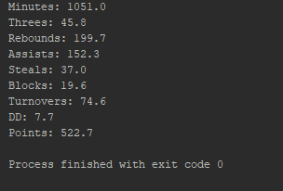
 |  |  |  |  | TO
 |  |  |  |  | DD
 |  |  |  |  | PTS

Deja Vucevic

Chippi Chipp

GSJW

GAN

SQUANCH

BIBBYS

