key_features_val
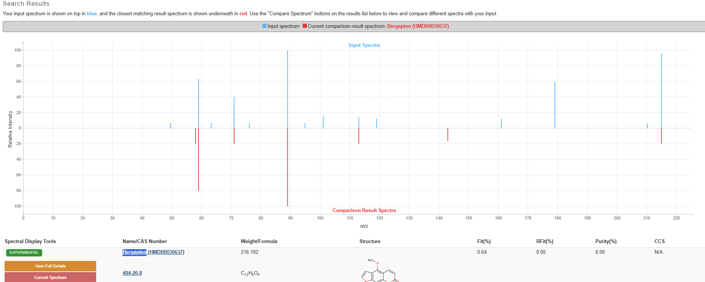
Features (RT_mz) | Identified compound | FC | Adjusted p-value | Class | Chemical formula | Adduct | Mode | Annotation level | HMDB ID
0.958_138.05499 | Trigonelline | 26.86 | >0.001 | Alkaloids and derivatives | C7H7NO2 | [M+H]+1 | Positive | MS2 | HMDB0000875
1.176_130.08625 | Pipecolic acid | 1.79 | 0.009 | Carboxylic acids and derivatives | C6H11NO2 | [M+H]+1 | Positive | MS2 | HMDB0000070
0.955_176.10289 | Citrulline | 2.32 | 0.034 | Carboxylic acids and derivatives | C6H13N3O3 | [M+H]+1 | Positive | MS2 | HMDB0000904
0.996_246.18116 | Valine lysine dipeptide | 5.05 | 0.049 | Carboxylic acids and derivatives | C11H23N3O3 | [M+H]+1 | Positive | MS2 | HMDB0029132
0.994_187.10779 | Alanine proline dipeptide | 0.59 | 0.049 | Carboxylic acids and derivatives | C8H14N2O3 | [M+H]+1 | Positive | MS2 | HMDB0028695
15.805_297.24358 | Hydroxyoctadecenoic acid | 2.75 | 0.017 | Fatty Acyls | C18H34O3 | [M-H]-1 | Negative | MS2 | HMDB0340913
12.839_339.25073 | Hydroperoxyeicosatrienoate | 2.08 | 0.01 | Fatty Acyls | C20H34O4 | [M+H]+1 | Positive | MS3 | HMDB0060106
11.77_331.24905 | Trihydroxystearic acid | 10.66 | >0.001 | Fatty Acyls | C18H36O5 | [M-H]-1 | Negative | MS2 | HMDB0030935
13.355_315.25417 | Dihydroxyoctadecanoic acid | 3.13 | 0.036 | Fatty Acyls | C18H36O4 | [M-H]-1 | Negative | MS2 | HMDB0031008
14.913_295.22793 | Hydroxyoctadecadienoic acid | 4.95 | 0.049 | Fatty Acyls | C18H32O3 | [M-H]-1 | Negative | MS2 | HMDB0253281
1.447_175.02483 | Glucuronolactone | 4.57 | 0.009 | Furofurans | C6H8O6 | [M-H]-1 | Negative | MS2 | HMDB0006355
1.026_133.01428 | Malic acid | 11.54 | 0.005 | Hydroxy acids and derivatives | C4H6O5 | [M-H]-1 | Negative | MS2 | HMDB0000156
1.114_134.04726 | Adenine | 3.34 | 0.004 | Imidazopyrimidines | C5H5N5 | [M-H]-1 | Negative | MS2 | HMDB0000034
1.131_136.0618 | Adenine | 4.39 | 0.005 | Imidazopyrimidines | C5H5N5 | [M+H]+1 | Positive | MS3 | HMDB0000034
11.128_283.06134 | Glycitein | 418.91 | 0.005 | Isoflavonoids | C16H12O5 | [M-H]-1 | Negative | MS2 | HMDB0005781
0.957_215.03285 | Bergapten | 113.2 | 0.006 | Coumarins and derivatives | C12H8O4 | [M-H]-1 | Negative | MS2 | HMDB0030637
14.703_324.28985 | Linoleoyl ethanolamide | 30.24 | 0.002 | Organonitrogen compounds | C20H37NO2 | [M+H]+1 | Positive | MS3 | HMDB0012252
0.954_149.04557 | Arabinose | 2.56 | 0.048 | Organooxygen compounds | C5H10O5 | [M-H]-1 | Negative | MS2 | HMDB0029942
14.279_441.37311 | Soyasapogenol C | 13.39 | 0.001 | Prenol lipids | C30H48O2 | [M+H]+1 | Positive | MS2 | HMDB0034506
1.206_124.03927 | Niacin (Vitamin B3) | 2.49 | 0.049 | Pyridines and derivatives | C6H5NO2 | [M+H]+1 | Positive | MS2 | HMDB0001488

The following two compounds were excluded because their MS/MS spectra could not be confirmed: Valine lysine dipeptide and Linoleoyl ethanolamide.

4o

