Sheet1
Data Souce | Fields | Description | Note
a log of users visiting documents
page_views.csv | uuid | user identification number
 | document_id | document id, e.g. a webpage with content, each document has multiple ads(ad_ids)
 | timestamp | ms since 1970-01-01 - 1465876799998
 | platform | desktop = 1, mobile = 2, tablet =3
 | geo_location | country>state>DMA
 | traffic_source | internal = 1, search = 2, social = 3

clicks_train.csv | display_id | each display_id only has one clicked ad | 1- 16875593
 | ad_id |  | multiple ads share the same display id, one display_id has only one clicked ad
 | clicked | 1 if clicked, 0 otherwise

clicks_test.csv | display_id | each represent one clicked ad | 16874594 - last
 | ad_id
response variable | To predict: clicked | Probability' of being clicked

shows correct submission format: predict a space-delimited list of ad_ids, ordered by decreasing liklihood of being clicked
sample_submission.csv | display_id | ad_id
 | 16874595 | 8846 30609 143982
 | 16874596 | 11430 143971 1291 12 12141

provide info on display_id context
events.csv | display_id | each represent one clicked ad | Process: Features | -----------------> | Decision
 | uuid |  | document_id | ad_id | clicked or not
 | document_id |  | (features brought in by document_id) | display_id
 | timestamp |  | uuid
 | platform |  | timestamp
 | geo_location |  | platform
 |  |  | geo_location
details on the ads |  |  | campaign_id
promoted_content.csv | ad_id |  | advertizer_id
 | document_id |  | source_id
 | campaign_id |  | publisher_id
 | advertizer_id |  | publisher_time
 |  |  | topic_id
details on documents |  |  | confidence_level
documents_meta.csv | document_id |  | entity_id
 | source_id | the part of the site on which document is displayed. e.g. edition.cnn.com
 | publisher_id
 | publisher_time

documents_topics.csv | document_id
 | topic_id
 | confidence_level

documents_entities.csv | document_id
 | entity_id
 | confidence_level

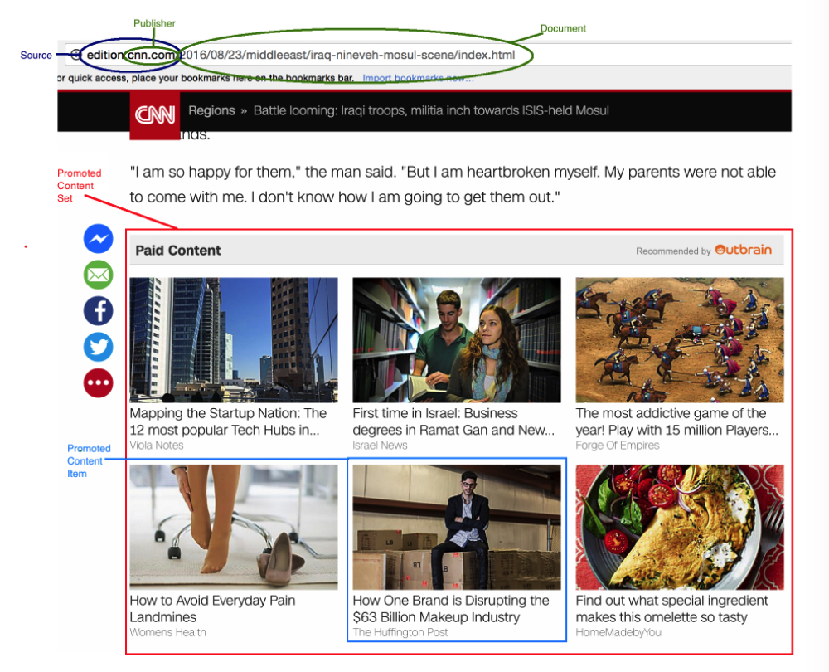
documents_categories.csv | document_id
 | category_id
 | confidence_level

