Summary
Summary:
 | 1) Input data file: D:\data\CXY\20210403CXY-EIgG\20210403CXY-EIgG.raw
 | 2) Protein database: D:\data\SZY\IGG.fasta
 | 3) Parameter file: D:\data\CXY\20210404-igg-HCD-ETD\objs\params.prf
 | 4) Date/Time: 2021年4月14日 上午11时22分13秒
 | 5) RunTime: 5 minutes, 0 seconds; on 14 cores

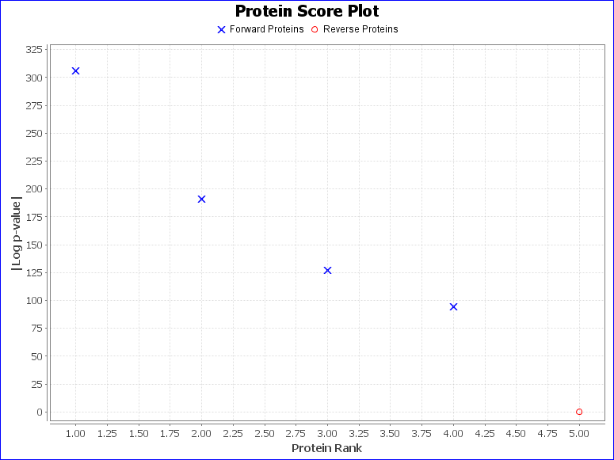
Summary Statistics:
 | 1) Reporting 4 forward and 1 reverse proteins
 | 2) 213 unique forward peptides
 | 3) 1041 spectra matched to forward peptides
 | 4) Estimated spectrum-level FDR on true proteins is 1.4%

Recorded protein search configuration:
Num | Rule | Value
0 | Protein database | D:\data\SZY\IGG.fasta
1 | Spectrum-level FDR | Auto cut
2 | Cleavage residues | RK
3 | Digest cutter | C-terminal cutter
4 | Peptide termini | Fully specific
5 | Maximum number of missed cleavages | 0
6 | Fragmentation type | NA
7 | Precursor tolerance | 10.0 ppm
8 | Fragment tolerance(HCD) | 20.0 ppm
9 | Fragment tolerance(ETD) | 20.0 ppm
10 | Charges applied to charge-unassigned spectra: | 1,2,3,4
11 | Precursor mass max | 20000.0
12 | N-glycan search | None
13 | O-glycan search | None
14 | Off by x isotopes | No error check
15 | Contaminants added | false
16 | Decoys added | true
17 | %Additional parameters:
18 | Disulfide Enable | false
19 | Trisulfide Enable | false
20 | DSS Crosslink Enable | false
21 | Custom Crosslink Enable | false
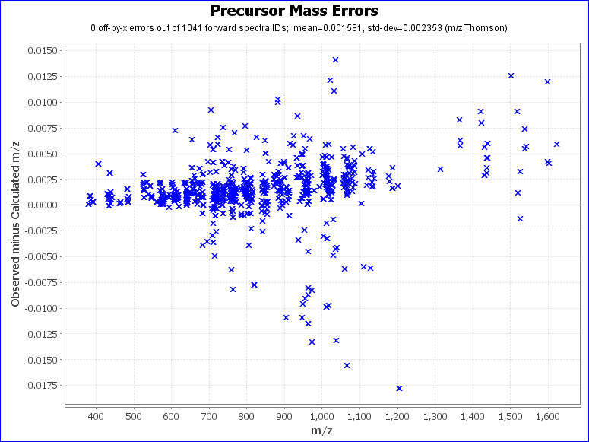
22 | Wildcard Enable | 0
23 | Combyne cut off score | Auto
24 | Protein FDR cutoff | 1%
25 | Focused DB created | false
26 | Export mzIdentML | false
27 | Score version | 2
28 | precursor_assignment_flags | 2
29 | po_NumberMonosReturn | 5
30 | Lock mass list | None
31 | do_quick_rejects | 0
32 | %Modification searches:
33 | common_modifications_max | 2
34 | rare_modifications_max | 2
35 | %Fixed and variable modifications:
36 | Dimethyl / +28.0313 @ NTerm, K | common1
37 | Dimethyl:2H(6) / +34.068961 @ NTerm, K | common1
38 | % Custom modification text below
39 | Carbamidomethyl / +57.021464 @ C | fixed
40 | Oxidation / +15.994915 @ M | rare2
41 | DMEN / +70.089 @ D, E,CTerm | fixed
42 | %Glycan modifications:
43 | [file:///D:\byonic\database\GlycanDatabases\Igg-N-glycan-nn-70.089.txt] @ NGlycan | common1
44 | % Custom modification text below
45 | Show all N-glycopeptides | 0
46 | %Addition parameters:
47 | Product Version | PMI-Byonic-Com:v2.16.11
48 | Registered to | Zhang Lei Institutes of Biomedical Sciences(IBS),Fudan University

